Schedules
Forecast Series Name |  | Zoster |  | Vaccines
Vaccines | Vaccine Ids |  |  | Vaccine | Trade Name(s) | Id
Live Zoster | 2110 |  |  | ZVL (Live Zoster Vaccine) |  | 2110
RZV | 237 |  |  | RZV (Recombinant Zoster Vaccine) | Shingrix | 237

Live | 160, 161, 158, 162, 171, 175, 178, 180, 2020, 1990, 148, 1690, 1700, 210, 203

 |  |  |  | Contraindication
 |  |  |  | Vaccine | Trade Name(s) | Id
 |  |  |  | M/R |  | 160
 |  |  |  | Measles |  | 161
 |  |  |  | MMR |  | 158
 |  |  |  | Mumps |  | 162
 |  |  |  | Rubella |  | 171
 |  |  |  | Rubella/Mumps |  | 175
 |  |  |  | varicella |  | 178
 |  |  |  | Influenza(LAIV) |  | 180
 |  |  |  | Influenza LAIV4 Nasal |  | 203
 |  |  |  | Yellow Fever |  | 2020
 |  |  |  | Venezuelan Encephalitis |  | 1990
 |  |  |  | OPV |  | 148
 |  |  |  | rabies, intramuscular injection |  | 1690
 |  |  |  | rabies, intradermal injection |  | 1700
 |  |  |  | Rabies |  | 210

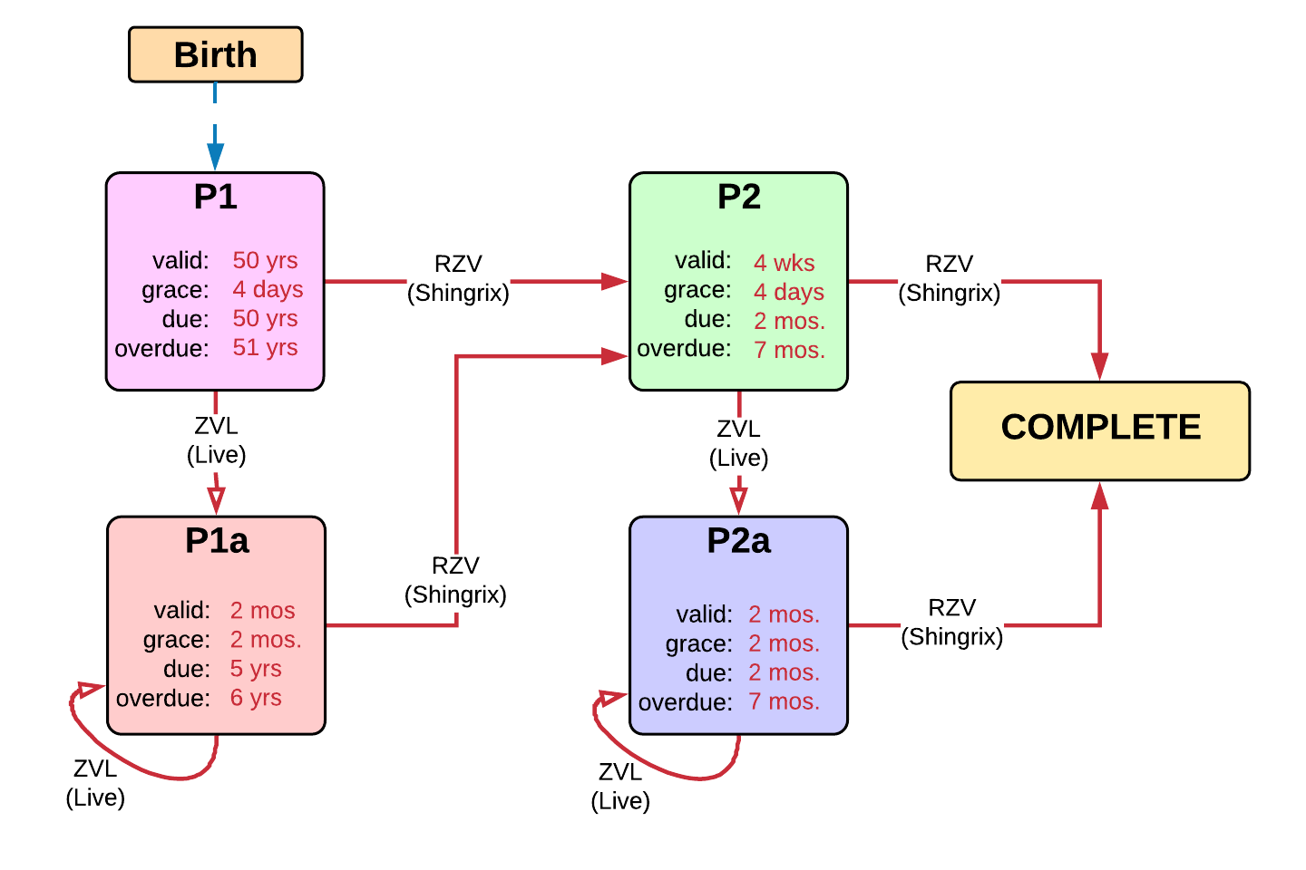

Schedule | Dose | Indication | P1 / Start
P1 | 1 | BIRTH
Determine if dose is valid or when next is due
 | Age | Interval | Grace
Valid | 50 years |  | 4 days
Early due
Due | 50 years
Overdue | 51 years
Finished | 120 years
After invalid dose |  | 8 weeks | 4 weeks 4 days
Dose before previous
In case of contraindicated dose |  |  |  | Grace
Vaccine | Interval After | Before Age | Reason
Live | 4 weeks
If valid, pick the next schedule to use
Vaccine | Schedule | Before Age | Reason
Live Zoster | P1a
RZV | P2
Show Column | 1
Show Row | 1

Schedule | Dose |  | P2 / 2nd RZV
P2 | 2
Determine if dose is valid or when next is due
 | Age | Interval | Grace
Valid |  | 4 weeks | 4 days
Early due
Due |  | 2 months
Overdue |  | 7 months
Finished | 120 years
After invalid dose |  | 4 weeks | 4 days
Dose before previous
In case of contraindicated dose |  |  |  | Grace
Vaccine | Interval After | Before Age | Reason
Live | 4 weeks
If valid, pick the next schedule to use
Vaccine | Schedule | Before Age | Reason
Live Zoster | P2a
RZV | COMPLETE
Show Column | 2
Show Row | 1

Schedule | Dose |  | P1a / 1st RZV (post-ZVL)
P1a | 1
Determine if dose is valid or when next is due
 | Age | Interval | Grace
Valid |  | 2 months | 2 months
Early due
Due |  | 5 years
Overdue |  | 6 years
Finished | 120 years
After invalid dose
Dose before previous
In case of contraindicated dose |  |  |  | Grace
Vaccine | Interval After | Before Age | Reason
Live | 4 weeks
If valid, pick the next schedule to use
Vaccine | Schedule | Before Age | Reason
Live Zoster | P1a
RZV | P2
Show Column | 3
Show Row | 1

Schedule | Dose |  | P2a / 2nd RZV (post-ZVL)
P2a | 2
Determine if dose is valid or when next is due
 | Age | Interval | Grace
Valid |  | 2 months | 2 months
Early due
Due |  | 2 months
Overdue |  | 7 months
Finished | 120 years
After invalid dose
Dose before previous
In case of contraindicated dose |  |  |  | Grace
Vaccine | Interval After | Before Age | Reason
Live | 4 weeks
If valid, pick the next schedule to use
Vaccine | Schedule | Before Age | Reason
Live Zoster | P2a
RZV | Complete
Show Column | 4
Show Row | 1

