Schedules
Forecast Series Name |  | HepA |  | Vaccines
Vaccines | Vaccine Ids |  |  | Vaccine | Id
Child | 31, 83, 84, 85 |  |  | Hep A, pediatric, unspecified formulation | 145 | 31 | Hep A, pediatric, unspecified formulation
Adult | 52 |  |  | Hep A, adult | 1170 | 52 | Hep A, adult
Twinrix | 104 |  |  | Hep A, ped/adol, 2 dose | 1180 | 83 | Hep A, ped/adol, 2 dose
Assume Comp | -145 |  |  | Hep A, ped/adol, 3 dose | 1190 | 84 | Hep A, ped/adol, 3 dose
 |  |  |  | Hep A, unspecified formulation | 1200 | 85 | Hep A, unspecified formulation
 |  |  |  | Hep A-Hep B | 146 | 104 | Hep A-Hep B

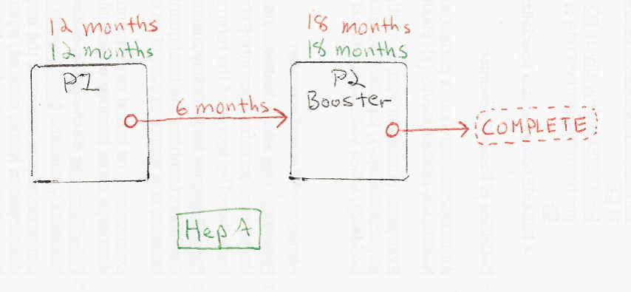

Schedule | Dose | Indication | 1st
P1 | 1 | BIRTH
Determine if dose is valid or when next is due
 | Age | Interval | Grace
Valid | 12 months |  | 4 days
Early due
Due | 12 months
Overdue | 24 months | 6 months
Finished | 150 years
After invalid dose |  | 0 days
Dose before previous
Assume Comp | 18 years | Reason | Adult assumed to have completed Hep A series.
If valid, pick the next schedule to use
Vaccine | Schedule | Before Age | Reason
Child | P2 | 19 years
Child | INVALID
Twinrix | INVALID | 18 years
Twinrix | A2 |  | Switching to Twinrix 3 dose schedule.
Adult | P2 | 18 years | Adult dose given, but will be accepted
Adult | P2
Assume Comp | COMPLETE |  | Assuming adult received full Hep A series.
Show Column | 1
Show Row | 1

Schedule | Dose |  | booster
P2 | 2
Determine if dose is valid or when next is due
 | Age | Interval | Grace
Valid | 18 months | 6 months | 4 days
Early due
Due | 18 months
Overdue | 42 months
Finished | 150 years
After invalid dose |  | 6 months | 6 months
Dose before previous
If valid, pick the next schedule to use
Vaccine | Schedule | Before Age | Reason
Child | COMPLETE | 19 years
Child | INVALID
Twinrix | INVALID | 18 years
Twinrix | A3 |  | Switching to Twinrix 3 dose schedule.
Adult | INVALID | 18 years
Adult | COMPLETE
Assume Comp | COMPLETE |  | Assuming adult received full Hep A series.
Show Column | 1
Show Row | 2

Schedule | Dose | Indication | 2nd adult
A2 | 2
Determine if dose is valid or when next is due
 | Age | Interval | Grace
Valid |  | 4 weeks | 4 days
Early due
Due |  | 1 month
Overdue |  | 2 months
Finished | 150 years
After invalid dose |  | 4 weeks | 4 days
Dose before previous
If valid, pick the next schedule to use
Vaccine | Schedule | Before Age | Reason
Child | INVALID
Twinrix | A3
Adult | A3
Assume Comp | COMPLETE |  | Assuming adult received full Hep A series.
Show Column | 2
Show Row | 2

Schedule | Dose |  | 3rd adult
A3 | 3
Determine if dose is valid or when next is due
 | Age | Interval | Grace
Valid |  | 5 months | 4 days
Early due
Due |  | 6 months
Overdue |  | 7 months
Finished | 150 years
After invalid dose |  | 4 weeks | 4 days
Dose before previous
If valid, pick the next schedule to use
Vaccine | Schedule | Before Age | Reason
Twinrix | COMPLETE
Adult | COMPLETE
Assume Comp | COMPLETE |  | Assuming adult received full Hep A series.
Show Column | 3
Show Row | 2

