Schedules
Forecast Series Name |  | MeningococcalB |  | Vaccines
 | Vaccine Ids |  |  | Vaccine | Trade Name(s) | Id
Bexsero | 216 |  |  | Meningococcal B, OMV | Bexsero | 216
Trumenba | 215 |  |  | Meningococcal B | Trumenba | 215
Men B | 215, 216 |  |  | Meningococcal B, unspecified
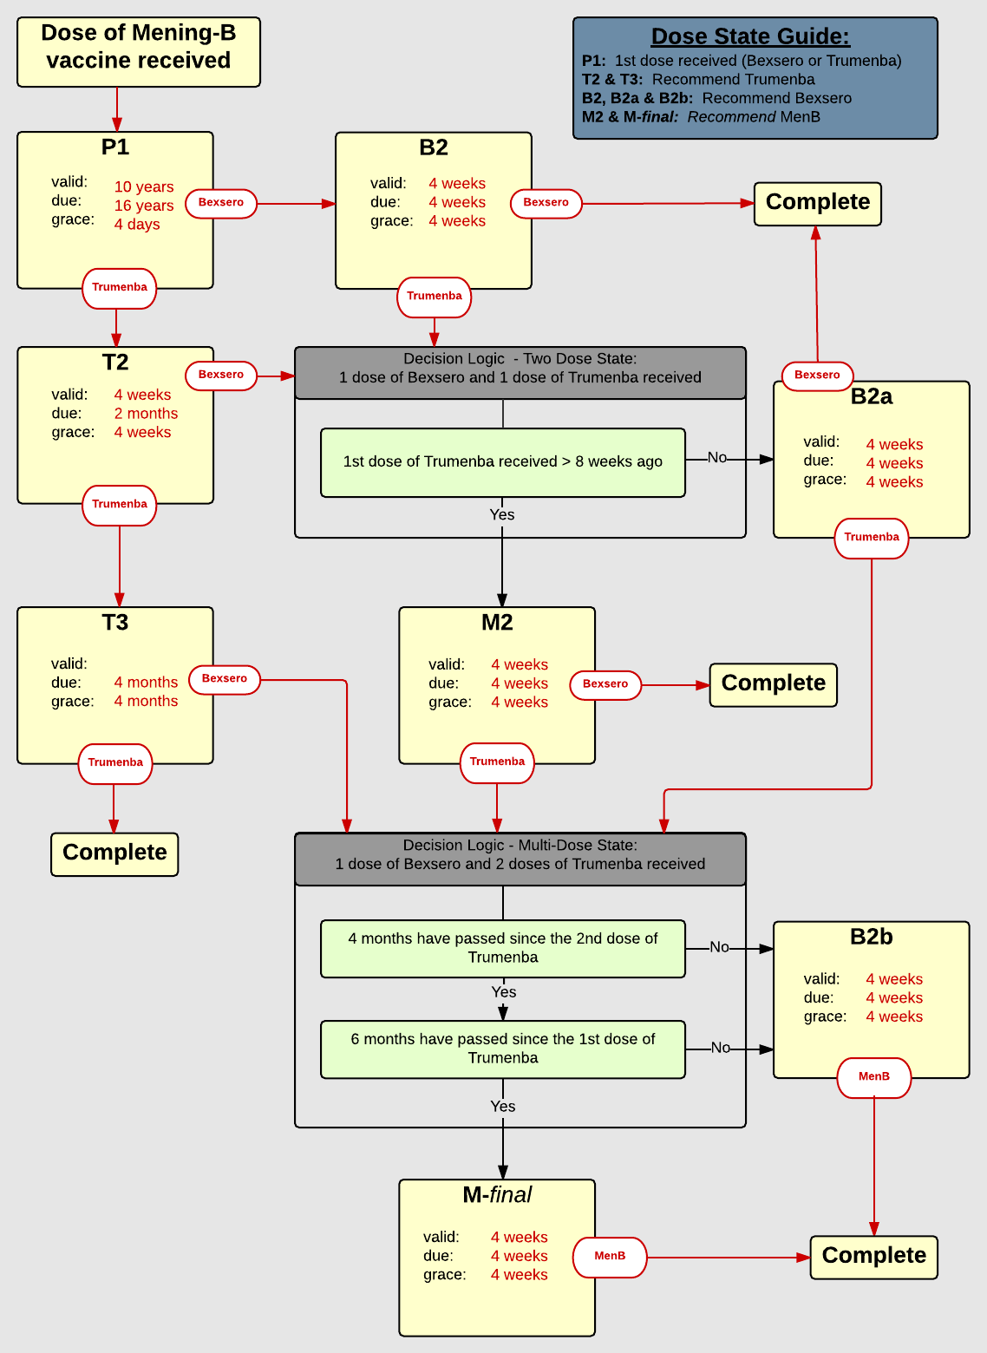

Schedule | Dose | Indication | 1st
P1 | 1 | DOSERECEIVED
Determine if dose is valid or when next is due
 | Age | Interval | Grace
Valid | 10 years |  | 4 days
Early due
Due | 16 years
Overdue | 19 years
Finished | 24 years
After invalid dose |  | 0 days
Dose before previous
If valid, pick the next schedule to use
Vaccine | Schedule | Before Age | Reason
Bexsero | P1 | 10 years -4 days | Not approved for patients under 10 years of age, see forecast for valid and recommended dates
Bexsero | B2 | 16 years -4 days | Forecasting 2nd dose for high risk patient (under 16 years of age)
Bexsero | B2 |  | Patient received 1st dose of Bexsero, now forecasting 2nd dose
Trumenba | P1 | 10 years -4 days | Not approved for patients under 10 years of age, see forecast for valid and recommended dates
Trumenba | T2 | 16 years -4 days | Forecasting 2nd dose for high risk patient (under 16 years of age)
Trumenba | T2 |  | Patient received 1st dose of Trumenba, now forecasting 2nd dose
Show Column | 1
Show Row | 1

Schedule | Dose |  | 2nd
T2 | 2
Determine if dose is valid or when next is due
 | Age | Interval | Grace
Valid |  | 2 months | 2 months
Early due
Due |  | 2 months
Overdue |  | 3 months
Finished | 24 years
After invalid dose
Dose before previous
Recommended | MeningTrumenba
If valid, pick the next schedule to use
Vaccine | Schedule | Before Age | Reason

Bexsero | DL MenB TwoDose |  | Must complete series of either Trumenba or Bexsero
Trumenba | T3
Show Column | 2
Show Row | 1

Schedule | Dose |  | 3rd
T3 | 3
Determine if dose is valid or when next is due
 | Age | Interval | Grace
Valid |  | 4 months | 4 months
Early due
Due |  | 4 months
Overdue |  | 6 months
Finished | 24 years
After invalid dose
Dose before previous |  | 6 months | 6 months
Recommended | MeningTrumenba
If valid, pick the next schedule to use
Vaccine | Schedule | Before Age | Reason
Bexsero | DL MenB MultiDose |  | Must complete series of either Trumenba or Bexsero
Trumenba | COMPLETE
Show Column | 3
Show Row | 1

Schedule | Dose | Indication | 2nd
B2 | 2
Determine if dose is valid or when next is due
 | Age | Interval | Grace
Valid |  | 4 weeks | 4 weeks
Early due
Due |  | 4 weeks
Overdue |  | 2 months
Finished | 24 years
After invalid dose
Dose before previous
Recommended | MeningBexsero
If valid, pick the next schedule to use
Vaccine | Schedule | Before Age | Reason
Trumenba | DL MenB TwoDose |  | Must complete series of either Bexsero or Trumenba
Bexsero | COMPLETE
Show Column | 1
Show Row | 2

Schedule | Dose | Indication | 2nd
B2a | 2
Determine if dose is valid or when next is due
 | Age | Interval | Grace
Valid |  | 4 weeks | 4 weeks
Early due
Due |  | 4 weeks
Overdue |  | 2 months
Finished | 24 years
After invalid dose
Dose before previous
Recommended | MeningBexsero
If valid, pick the next schedule to use
Vaccine | Schedule | Before Age | Reason
Trumenba | DL MenB MultiDose |  | Must complete series of either Bexsero or Trumenba
Bexsero | COMPLETE
Show Column | 3
Show Row | 2

Schedule | Dose | Indication | 2nd
B2b | 2
Determine if dose is valid or when next is due
 | Age | Interval | Grace
Valid |  | 4 weeks | 4 weeks
Early due
Due |  | 4 weeks
Overdue |  | 2 months
Finished | 24 years
After invalid dose
Dose before previous
Recommended | MeningBexsero
If valid, pick the next schedule to use
Vaccine | Schedule | Before Age | Reason
Trumenba | COMPLETE
Bexsero | COMPLETE
Show Column | 3
Show Row | 2

Decision Logic
DL MenB TwoDose
Constant Values
Valid Vaccine |  | Bexsero
Valid Vaccine |  | Trumenba
Transitions
Less Than 8 Weeks |  | B2a
More Than 8 Weeks |  | M2

Decision Logic
DL MenB MultiDose
Constant Values
Valid Vaccine |  | Bexsero
Valid Vaccine |  | Trumenba
Transitions
Second Dose Needed |  | B2b
Final Dose Needed |  | M-final

Schedule | Dose | Indication | 2nd
M2 | 2
Determine if dose is valid or when next is due
 | Age | Interval | Grace
Valid |  | 4 weeks | 4 weeks
Early due
Due |  | 4 weeks
Overdue |  | 2 months
Finished | 24 years
After invalid dose
Dose before previous
If valid, pick the next schedule to use
Vaccine | Schedule | Before Age | Reason
Trumenba | DL MenB MultiDose |  | Must complete series of either Bexsero or Trumenba
Bexsero | COMPLETE
Show Column | 2
Show Row | 2

Schedule | Dose | Indication | final
M-final | Final
Determine if dose is valid or when next is due
 | Age | Interval | Grace
Valid |  | 4 weeks | 4 weeks
Early due
Due |  | 4 weeks
Overdue |  | 2 months
Finished | 24 years
After invalid dose
Dose before previous
If valid, pick the next schedule to use
Vaccine | Schedule | Before Age | Reason
Trumenba | COMPLETE
Bexsero | COMPLETE
Show Column | 2
Show Row | 3

