Schedules
Forecast Series Name |  | MeningococcalB |  | Vaccines
 | Vaccine Ids |  |  | Vaccine | Trade Name(s) | Id
Bexsero | 216 |  |  | Meningococcal B, OMV | Bexsero | 216
Trumenba | 215 |  |  | Meningococcal B | Trumenba | 215
Men B | 215, 216 |  |  | Meningococcal B, unspecified

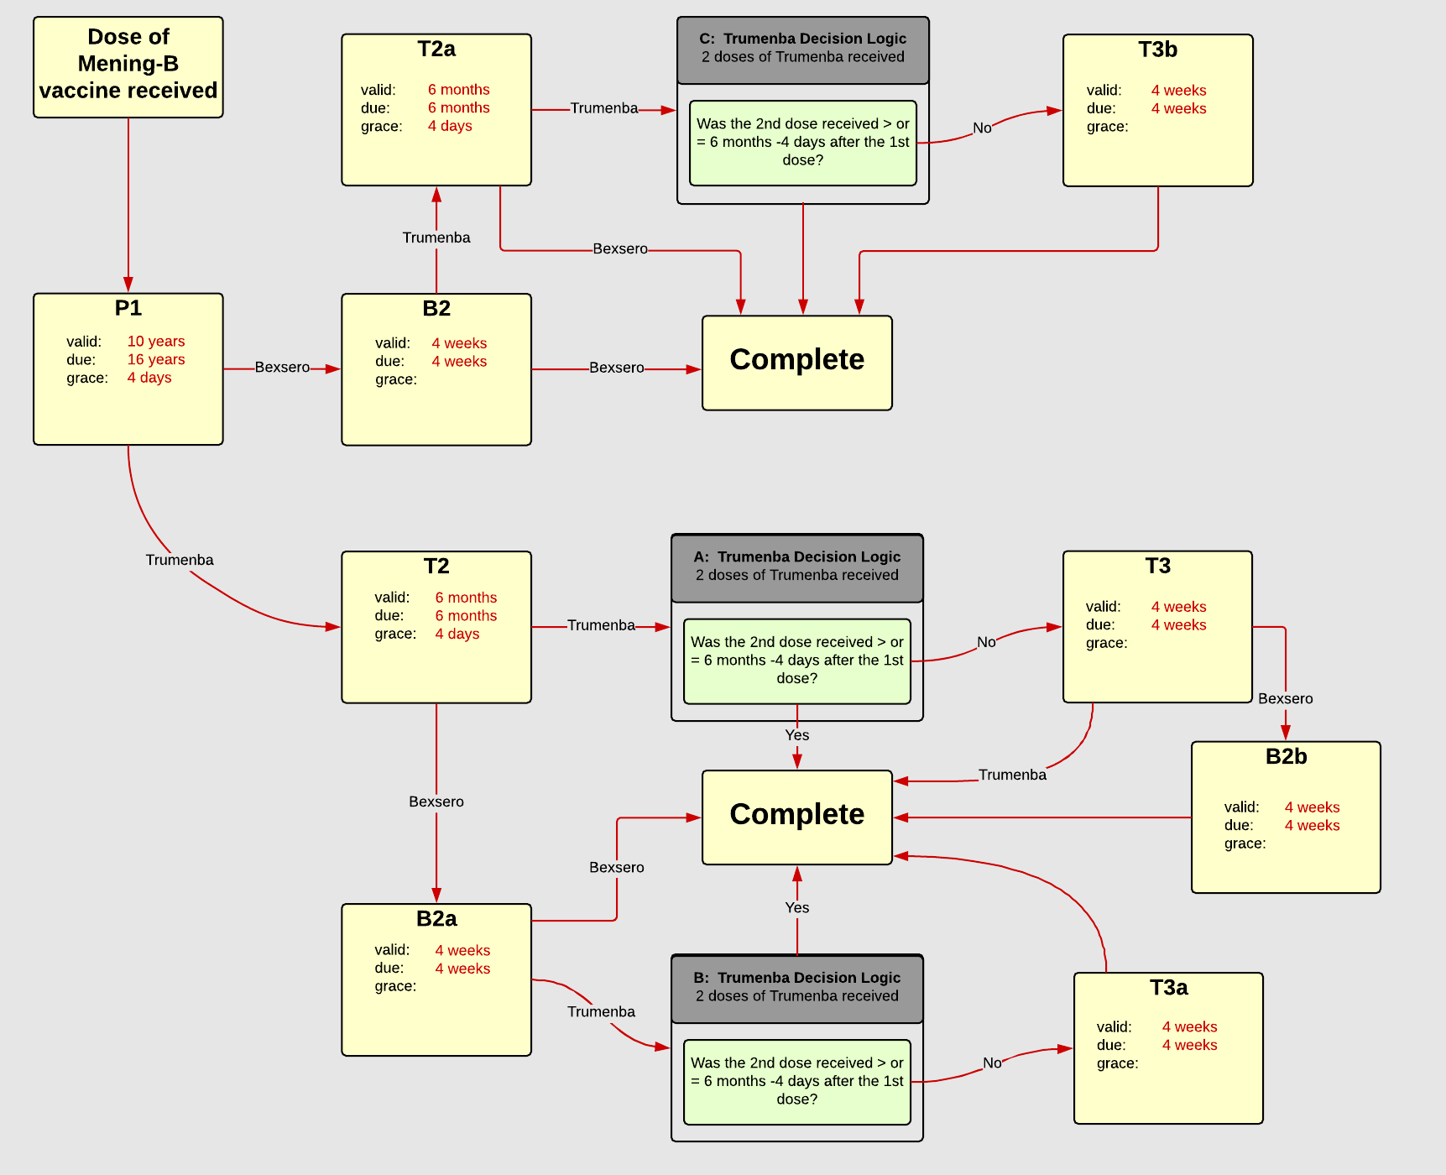

Schedule | Dose | Indication | 1st
P1 | 1 | DOSERECEIVED
Determine if dose is valid or when next is due
 | Age | Interval | Grace
Valid | 10 years |  | 4 days
Early due
Due | 16 years
Overdue | 19 years
Finished | 24 years
After invalid dose |  | 0 days
Dose before previous
If valid, pick the next schedule to use
Vaccine | Schedule | Before Age | Reason
Bexsero | B2
Trumenba | T2
Show Column | 1
Show Row | 1

Schedule | Dose |  | 2nd
T2 | 2
Determine if dose is valid or when next is due
 | Age | Interval | Grace
Valid |  | 6 months | 6 months
Early due
Due |  | 6 months
Overdue |  | 7 months
Finished | 24 years
After invalid dose
Dose before previous
Recommended | MeningTrumenba
If valid, pick the next schedule to use
Vaccine | Schedule | Before Age | Reason
Bexsero | B2a
Trumenba | DL Trumenba A
Show Column | 2
Show Row | 2

Schedule | Dose | Indication | 2nd
B2 | 2
Determine if dose is valid or when next is due
 | Age | Interval | Grace
Valid |  | 4 weeks | 4 weeks
Early due
Due |  | 4 weeks
Overdue |  | 2 months
Finished | 24 years
After invalid dose
Dose before previous
Recommended | MeningBexsero
If valid, pick the next schedule to use
Vaccine | Schedule | Before Age | Reason
Trumenba | T2a
Bexsero | COMPLETE
Show Column | 2
Show Row | 1

Schedule | Dose | Indication | 3rd
T3 | 3
Determine if dose is valid or when next is due
 | Age | Interval | Grace
Valid |  | 4 weeks | 4 weeks
Early due
Due |  | 4 weeks
Overdue |  | 2 months
Finished | 24 years
After invalid dose
Dose before previous |  | 6 months
Recommended | MeningTrumenba
If valid, pick the next schedule to use
Vaccine | Schedule | Before Age | Reason
Bexsero | B2b
Trumenba | COMPLETE
Show Column | 3
Show Row | 2

Decision Logic
DL Trumenba A
Constant Values
Valid Vaccine |  | Trumenba
Transitions
Greater Than 6 Months |  | COMPLETE
Less Than 6 Months |  | T3

Decision Logic
DL Trumenba B
Constant Values
Valid Vaccine |  | Trumenba
Transitions
Greater Than 6 Months |  | COMPLETE
Less Than 6 Months |  | T3a

Decision Logic
DL Trumenba C
Constant Values
Valid Vaccine |  | Trumenba
Transitions
Greater Than 6 Months |  | COMPLETE
Less Than 6 Months |  | T3b

Schedule | Dose | Indication | 2nd
B2a | 2
Determine if dose is valid or when next is due
 | Age | Interval | Grace
Valid |  | 4 weeks | 4 weeks
Early due
Due |  | 4 weeks
Overdue |  | 2 months
Finished | 24 years
After invalid dose
Dose before previous
Recommended | MeningBexsero
If valid, pick the next schedule to use
Vaccine | Schedule | Before Age | Reason
Trumenba | DL Trumenba B
Bexsero | COMPLETE
Show Column | 2
Show Row | 3

Schedule | Dose | Indication | 3rd
T3a | 3
Determine if dose is valid or when next is due
 | Age | Interval | Grace
Valid |  | 4 weeks | 4 weeks
Early due
Due |  | 4 weeks
Overdue |  | 2 months
Finished | 24 years
After invalid dose
Dose before previous |  | 6 months
Recommended | MeningTrumenba
If valid, pick the next schedule to use
Vaccine | Schedule | Before Age | Reason
Bexsero | COMPLETE
Trumenba | COMPLETE
Show Column | 3
Show Row | 3

Schedule | Dose | Indication | 2nd
B2b | 2
Determine if dose is valid or when next is due
 | Age | Interval | Grace
Valid |  | 4 weeks | 4 weeks
Early due
Due |  | 4 weeks
Overdue |  | 2 months
Finished | 24 years
After invalid dose
Dose before previous
Recommended | MeningBexsero
If valid, pick the next schedule to use
Vaccine | Schedule | Before Age | Reason
Trumenba | COMPLETE
Bexsero | COMPLETE
Show Column | 4
Show Row | 2

Schedule | Dose |  | 2nd
T2a | 2
Determine if dose is valid or when next is due
 | Age | Interval | Grace
Valid |  | 6 months | 6 months
Early due
Due |  | 6 months
Overdue |  | 7 months
Finished | 24 years
After invalid dose
Dose before previous
Recommended | MeningTrumenba
If valid, pick the next schedule to use
Vaccine | Schedule | Before Age | Reason
Bexsero | COMPLETE
Trumenba | DL Trumenba C
Show Column | 2
Show Row | 2

Schedule | Dose | Indication | 3rd
T3b | 3
Determine if dose is valid or when next is due
 | Age | Interval | Grace
Valid |  | 4 weeks | 4 weeks
Early due
Due |  | 4 weeks
Overdue |  | 2 months
Finished | 24 years
After invalid dose
Dose before previous |  | 6 months
Recommended | MeningTrumenba
If valid, pick the next schedule to use
Vaccine | Schedule | Before Age | Reason
Bexsero | COMPLETE
Trumenba | COMPLETE
Show Column | 3
Show Row | 3

