Schedules
Forecast Series Name |  | Pneumo65 |  |  | Vaccines
Completes | PCV,PPSV |  |  |  | Vaccine | Trade Name(s) | Id
Vaccines | Vaccine Ids |  |  |  | PCV7 |  | 154
PCV13 | 3143 |  |  |  | Pneumococcal, NOS |  | 156
PPSV | 155, 156 |  |  |  | PPV23 |  | 155
Menactra | 183, 184 |  |  |  | PCV13 |  | 3143
 |  |  |  |  | MCV4 | Menactra | 183
 |  |  |  |  | Meningococcal, NOS |  | 184
Transitions
Name | Age | Vaccine Id

Invalid Same Day Combinations
Invalidate | If given same day as
PCV13 | Menactra
PCV13 | PPSV

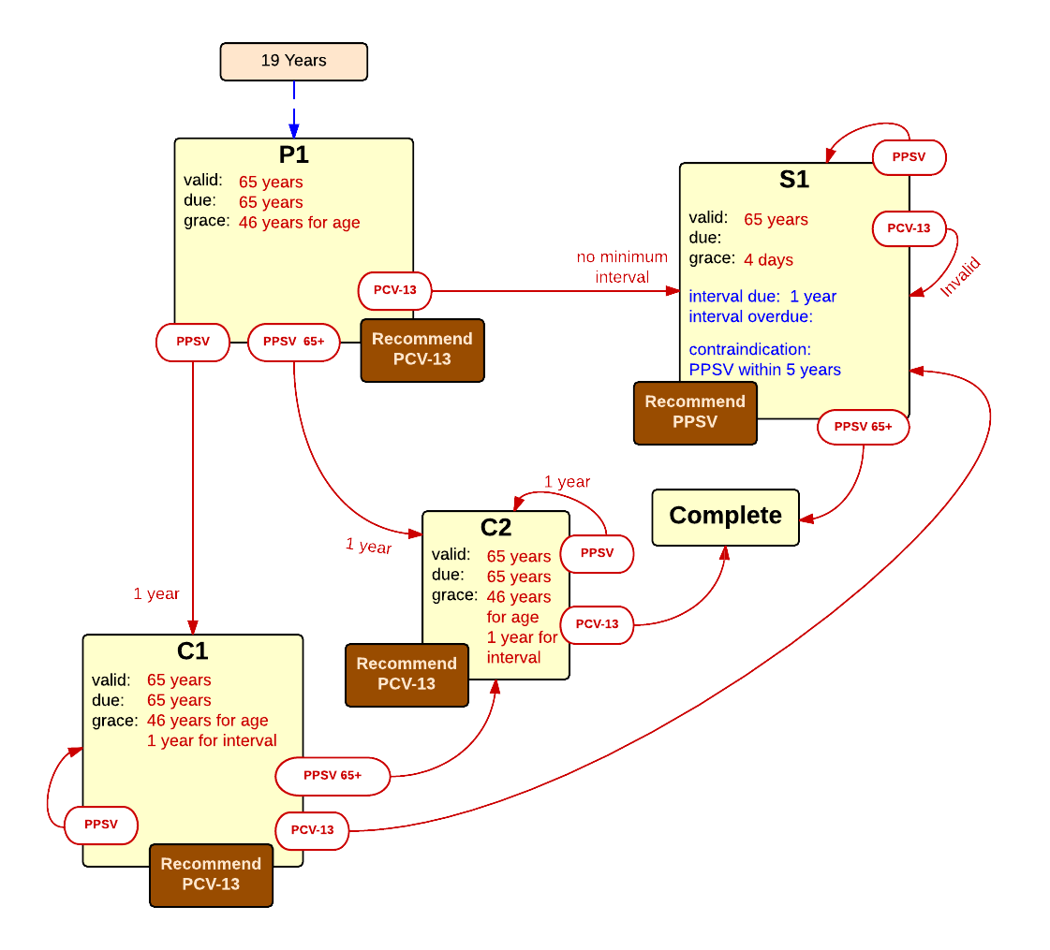

Schedule | Dose | Indication | PCV-13
P1 | 1 | Age 19 Years
Determine if dose is valid or when next is due
 | Age | Interval | Grace
Valid | 65 years |  | 46 years
Early due
Due | 65 years
Overdue | 66 years
Finished | 120 years
After invalid dose |  | 4 weeks
Dose before previous
Recommend | PCV13
In case of contraindicated dose
Vaccine | Interval After | Before Age | Reason | Grace
Menactra | 4 weeks |  |  | 4 weeks
If valid, pick the next schedule to use
Vaccine | Schedule | Before Age | History Of | Reason
PPSV | C1 | 65 years -4 days
PPSV | C2
PCV13 | S1
Show Column | 1
Show Row | 1

Schedule | Dose |  | PPSV
S1 | 1
Determine if dose is valid or when next is due
 | Age | Interval | Grace | Grace for Interval
Valid | 65 years | 1 year | 4 days | 1 year
Early due
Due | 65 years
Overdue | 66 years | 2 years
Finished | 120 years
After invalid dose
Dose before previous
Recommend | PPSV
Completed | PCV13
In case of contraindicated dose
Vaccine | Interval After | Before Age | Reason | Grace
PPSV | 5 years |  |  | 5 years
Menactra | 4 weeks |  |  | 4 weeks
If valid, pick the next schedule to use
Vaccine | Schedule | Before Age | History Of | Reason
PCV13 | INVALID
PPSV | S1 | 65 years -4 d |  | One dose of PPSV required after 65 years of age.
PPSV | COMPLETE
Show Column | 2
Show Row | 1

Schedule | Dose |  | PCV-13 after PPSV
C1 | 1
Determine if dose is valid or when next is due
 | Age | Interval | Grace | Grace for Interval
Valid | 65 years | 1 year | 46 years | 1 y -4 w 4 d
Early due
Due | 65 years
Overdue | 66 years
Finished | 120 years
After invalid dose
Dose before previous
Recommend | PCV13
In case of contraindicated dose
Vaccine | Interval After | Before Age | Reason | Grace
Menactra | 4 weeks |  |  | 4 weeks
If valid, pick the next schedule to use
Vaccine | Schedule | Before Age | History Of | Reason
PPSV | C1 | 65 years -4 days
PPSV | C2
PCV13 | S1
Show Column | 1
Show Row | 2

Schedule | Dose |  | PCV-13 after PPSVs
C2 | 1
Determine if dose is valid or when next is due
 | Age | Interval | Grace | Grace for Interval
Valid | 65 years | 1 year | 46 years | 1 y -4 w 4 d
Early due
Due | 65 years
Overdue | 66 years
Finished | 120 years
After invalid dose
Dose before previous
Recommend | PCV13
Completed | PPSV
In case of contraindicated dose
Vaccine | Interval After | Before Age | Reason | Grace | Against
Menactra | 4 weeks |  |  |  | PCV13
If valid, pick the next schedule to use
Vaccine | Schedule | Before Age | History Of | Reason
PPSV | C2
PCV13 | COMPLETE
Show Column | 2
Show Row | 2

