Schedules
Forecast Series Name |  | HPV |  | Vaccines
Vaccines | Vaccine Ids |  |  | Vaccine |  | Trade Name(s) |  | Id
HPV | 390, 391, 214 |  |  | HPV,quadrivalent |  |  |  | 390
 |  |  |  | HPV,bivalent |  |  |  | 391
 |  |  |  | HPV9 |  |  |  | 214

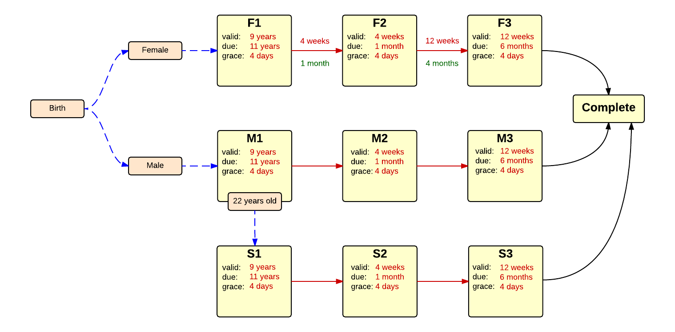

Schedule | Dose | Indication | 1st |  | Schedule | Dose |  | 2nd
F1 | 1 | FEMALE |  |  | F2 | 2
Determine if dose is valid or when next is due |  |  |  |  | Determine if dose is valid or when next is due
 | Age | Interval | Grace |  |  | Age | Interval | Grace
Valid | 9 years |  | 4 days |  | Valid | 109 months | 4 weeks | 4 days
Early due |  |  |  |  | Early due
Due | 11 years |  |  |  | Due |  | 1 month
Overdue | 13 years |  |  |  | Overdue |  | 3 months
Finished | 27 years |  |  |  | Finished | 27 years
After invalid dose |  | 0 days |  |  | After invalid dose |  | 4 weeks | 4 days
Dose before previous |  |  |  |  | Dose before previous
If valid, pick the next schedule to use |  |  |  |  | If valid, pick the next schedule to use
Vaccine | Schedule | Before Age | Reason |  | Vaccine | Schedule | Before Age | Reason
HPV | F2 |  |  |  | HPV | F3
Show Column | 1 |  |  |  | Show Column | 2
Show Row | 1 |  |  |  | Show Row | 1

Schedule | Dose |  | 3rd
F3 | 3
Determine if dose is valid or when next is due
 | Age | Interval | Grace
Valid | 114 months | 12 weeks | 4 days
Early due
Due |  | 4 months
Overdue |  | 5 months
Finished | 27 years
After invalid dose |  | 4 weeks | 4 days
Dose before previous |  | 24 weeks | 4 days
If valid, pick the next schedule to use
Vaccine | Schedule | Before Age | Reason
HPV | COMPLETE
Show Column | 3
Show Row | 1

Schedule | Dose | Indication | 1st |  | Schedule | Dose |  | 2nd
M1 | 1 | MALE |  |  | M2 | 2
Determine if dose is valid or when next is due |  |  |  |  | Determine if dose is valid or when next is due
 | Age | Interval | Grace |  |  | Age | Interval | Grace
Valid | 9 years |  | 4 days |  | Valid | 109 months | 4 weeks | 4 days
Early due |  |  |  |  | Early due
Due | 11 years |  |  |  | Due |  | 1 month
Overdue | 13 years |  |  |  | Overdue |  | 3 months
Finished | 22 years |  |  |  | Finished | 22 years
After invalid dose |  | 0 days |  |  | After invalid dose |  | 4 weeks | 4 days
Dose before previous |  |  |  |  | Dose before previous
If valid, pick the next schedule to use |  |  |  |  | If valid, pick the next schedule to use
Vaccine | Schedule | Before Age | Reason |  | Vaccine | Schedule | Before Age | Reason
HPV | M2 |  |  |  | HPV | M3
Show Column | 1 |  |  |  | Show Column | 2
Show Row | 2 |  |  |  | Show Row | 2

Schedule | Dose |  | 3rd
M3 | 3
Determine if dose is valid or when next is due
 | Age | Interval | Grace
Valid | 114 months | 12 weeks | 4 days
Early due
Due |  | 4 months
Overdue |  | 5 months
Finished | 22 years
After invalid dose |  | 4 weeks | 4 days
Dose before previous |  | 24 weeks | 4 days
If valid, pick the next schedule to use
Vaccine | Schedule | Before Age | Reason
HPV | COMPLETE
Show Column | 3
Show Row | 2

Schedule | Dose | Indication | At Risk 1st
S1 | 1 | MALE
Indication Criteria
Vaccine | After Age | Before Age |  |  | Schedule | Dose |  | At Risk 2nd
HPV | 22 years | 27 years |  |  | S2 | 2
Determine if dose is valid or when next is due |  |  |  |  | Determine if dose is valid or when next is due
 | Age | Interval | Grace |  |  | Age | Interval | Grace
Valid | 9 years |  | 4 days |  | Valid | 109 months | 4 weeks | 4 days
Early due |  |  |  |  | Early due
Due | 11 years |  |  |  | Due |  | 1 month
Overdue | 13 years |  |  |  | Overdue |  | 3 months
Finished | 27 years |  |  |  | Finished | 27 years
After invalid dose |  | 0 days |  |  | After invalid dose |  | 4 weeks | 4 days
Dose before previous |  |  |  |  | Dose before previous
If valid, pick the next schedule to use |  |  |  |  | If valid, pick the next schedule to use
Vaccine | Schedule | Before Age | Reason |  | Vaccine | Schedule | Before Age | Reason
HPV | S2 |  |  |  | HPV | S3
Show Column | 1 |  |  |  | Show Column | 2
Show Row | 3 |  |  |  | Show Row | 3

Schedule | Dose |  | At Risk 3rd
S3 | 3
Determine if dose is valid or when next is due
 | Age | Interval | Grace
Valid | 114 months | 12 weeks | 4 days
Early due
Due |  | 4 months
Overdue |  | 5 months
Finished | 27 years
After invalid dose |  | 4 weeks | 4 days
Dose before previous |  | 24 weeks | 4 days
If valid, pick the next schedule to use
Vaccine | Schedule | Before Age | Reason
HPV | COMPLETE
Show Column | 3
Show Row | 3

