Schedules
Forecast Series Name |  | Varicella |  | Vaccines
Vaccines | Vaccine Ids |  |  | Vaccine |  | Trade Name(s) |  | Id
Single | 178 |  |  | MMRV |  |  |  | 159
MMRV | 159, 1560 |  |  | MMRV |  |  |  | 1560
Same Live | 160, 161, 158, 162, 171, 175, 180, 2020, 1990, 148, 203 |  |  | Varicella |  |  |  | 178
 |  |  |  | Venezuelan Encephalitis |  |  |  | 1990
Other Live | 1690, 1700, 210 |  |  | OPV |  |  |  | 148
Assume Comp | -178
 |  |  |  | Contraindication
 |  |  |  | Vaccine |  |  | Trade Name(s) | Id
 |  |  |  | M/R |  |  |  | 160
 |  |  |  | Measles |  |  |  | 161
 |  |  |  | MMR |  |  |  | 158
 |  |  |  | Mumps |  |  |  | 162
 |  |  |  | Rubella |  |  |  | 171
 |  |  |  | Rubella/Mumps |  |  |  | 175
 |  |  |  | Influenza(LAIV) |  |  |  | 180
 |  |  |  | Influenza LAIV4 Nasal |  |  |  | 203
 |  |  |  | Yellow Fever |  |  |  | 2020
 |  |  |  | Venezuelan Encephalitis |  |  |  | 1990
 |  |  |  | OPV |  |  |  | 148
 |  |  |  | rabies, intramuscular injection |  |  |  | 1690
 |  |  |  | rabies, intradermal injection |  |  |  | 1700
 |  |  |  | Rabies |  |  |  | 210

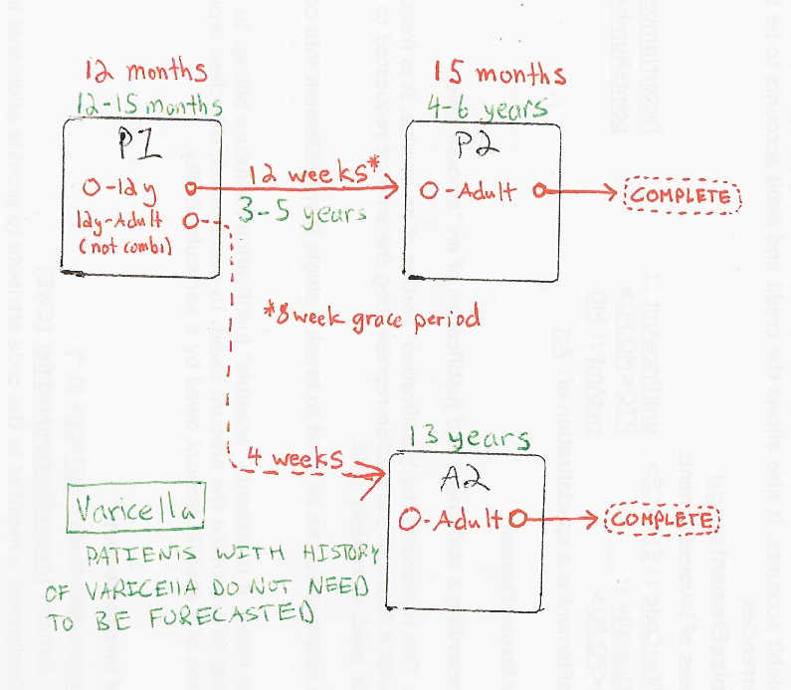

Schedule | Dose | Indication | 1 year
P1 | 1 | NO-VAR-HIS
Determine if dose is valid or when next is due
 | Age | Interval | Grace
Valid | 12 months |  | 4 days
Early due
Due | 12 months
Overdue | 16 months
Finished | 19 years
After invalid dose |  | 4 weeks
Dose before previous
In case of contraindicated dose
Vaccine | Interval After | Before Age | Reason | Grace
Same Live | 4 weeks
Other Live | 4 weeks
If valid, pick the next schedule to use
Vaccine | Schedule | Before Age | Reason
Single | P2 | 13 years
Single | A2
MMRV | P2 | 13 years
MMRV | INVALID |  | MMRV should not be administered to persons 13 years of age or older.
Assume Comp | COMPLETE |  | Assuming adult received full Varicella series as a child or is immune.
Show Column | 1
Show Row | 1

Schedule | Dose |  | 4 years
P2 | 2
Determine if dose is valid or when next is due
 | Age | Interval | Grace
Valid |  | 12 weeks | 8 weeks
Early due
Due | 4 years
Overdue | 7 years
Finished | 65 years
After invalid dose |  | 12 weeks | 8 weeks
Dose before previous
In case of contraindicated dose
Vaccine | Interval After | Before Age | Reason | Grace
Same Live | 4 weeks
Other Live | 4 weeks
If valid, pick the next schedule to use
Vaccine | Schedule | Before Age | Reason | Min Interval | Previous Vaccine
Single | COMPLETE
MMRV | COMPLETE | 13 years
MMRV | INVALID |  | MMRV should not be administered to persons 13 years of age or older.
Assume Comp | COMPLETE |  | Assuming adult received full Varicella series as a child or is immune.
Show Column | 2
Show Row | 1

Schedule | Dose |  | 13 years +
A2 | 2
Determine if dose is valid or when next is due
 | Age | Interval | Grace
Valid |  | 4 weeks | 4 days
Early due
Due | 13 years
Overdue | 13 years
Finished | 65 years
After invalid dose |  | 4 weeks
Dose before previous
In case of contraindicated dose
Vaccine | Interval After | Before Age | Reason | Grace
Same Live | 4 weeks
Other Live | 4 weeks
If valid, pick the next schedule to use
Vaccine | Schedule | Before Age | Reason | Min Interval | Previous Vaccine
Single | COMPLETE
MMRV | INVALID |  | MMRV should not be administered to persons 13 years of age or older.
Assume Comp | COMPLETE |  | Assuming adult received full Varicella series as a child or is immune.
Show Column | 2
Show Row | 2

