Schedules
Forecast Series Name |  | HPV |  | Vaccines
Vaccines | Vaccine Ids |  |  | Vaccine |  | Trade Name(s) |  | Id
HPV | 390, 391, 214 |  |  | HPV,quadrivalent |  |  |  | 390
 |  |  |  | HPV,bivalent |  |  |  | 391
 |  |  |  | HPV9 |  |  |  | 214

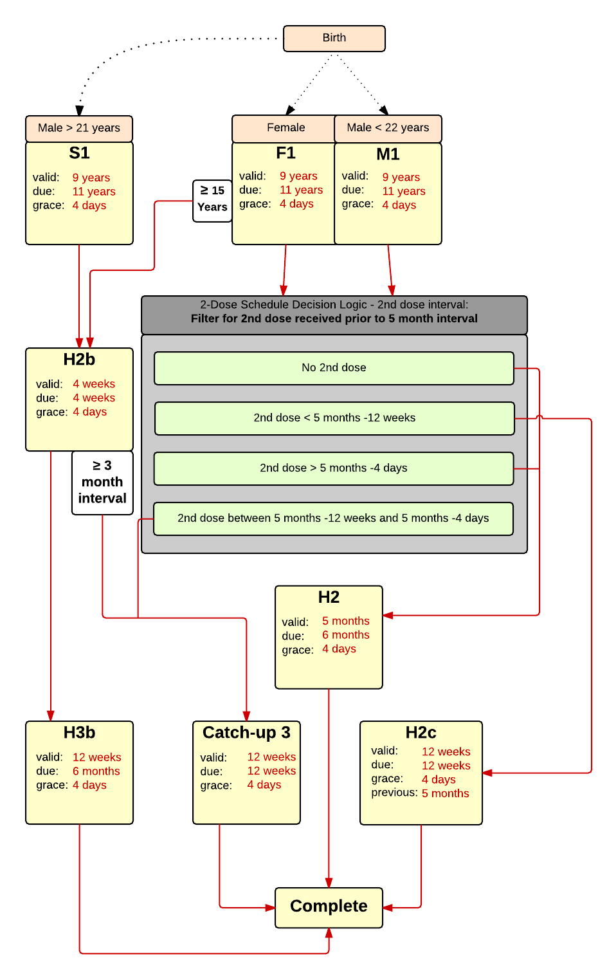

Schedule | Dose | Indication | 1st |  | Schedule | Dose |  | 2nd
F1 | 1 | FEMALE |  |  | H2 | 2
Determine if dose is valid or when next is due |  |  |  |  | Determine if dose is valid or when next is due
 | Age | Interval | Grace |  |  | Age | Interval | Grace
Valid | 9 years |  | 4 days |  | Valid |  | 5 months | 4 days
Early due |  |  |  |  | Early due
Due | 11 years |  |  |  | Due |  | 6 months
Overdue | 13 years |  |  |  | Overdue |  | 13 months
Finished | 27 years |  |  |  | Finished
After invalid dose |  | 0 days |  |  | After invalid dose
Dose before previous |  |  |  |  | Dose before previous
If valid, pick the next schedule to use |  |  |  |  | If valid, pick the next schedule to use
Vaccine | Schedule | Before Age | Reason |  | Vaccine | Schedule | Before Age | Reason
HPV | H2 | 15 years |  |  | HPV | COMPLETE
HPV | H2b |  | 1st dose received at > 14 years, 3 doses are recommended. |  | Show Column | 2
Show Column | 1 |  |  |  | Show Row | 1
Show Row | 1

Schedule | Dose |  | 2nd |  | Schedule | Dose |  | 2nd
H2b | 2 |  |  |  | H2c | 2
Determine if dose is valid or when next is due |  |  |  |  | Determine if dose is valid or when next is due
 | Age | Interval | Grace |  |  | Age | Interval | Grace
Valid |  | 4 weeks | 4 days |  | Valid |  | 12 weeks | 4 days
Early due |  |  |  |  | Early due
Due |  | 4 weeks |  |  | Due |  | 12 weeks
Overdue |  | 3 months |  |  | Overdue |  | 12 weeks
Finished |  |  |  |  | Finished
After invalid dose |  | 4 weeks | 4 days |  | After invalid dose |  | 12 weeks | 4 days
Dose before previous |  |  |  |  | Dose before previous |  | 5 months
If valid, pick the next schedule to use |  |  |  |  | If valid, pick the next schedule to use
Vaccine | Schedule | Before Age | Reason |  | Vaccine | Schedule | Before Age | Reason
HPV | H3b |  |  |  | HPV | COMPLETE
HPV | Catch-up 3 |  | Dose received after 1-2 month recommended interval |  | Show Column | 2
Show Column | 1 |  |  |  | Show Row | 2
Show Row | 2

Schedule | Dose |  | 3rd
Catch-up 3 | 3
Determine if dose is valid or when next is due
 | Age | Interval | Grace
Valid |  | 12 weeks | 4 days
Early due
Due |  | 12 weeks
Overdue |  | 12 weeks
Finished
After invalid dose |  | 12 weeks | 4 days
Dose before previous
If valid, pick the next schedule to use
Vaccine | Schedule | Before Age | Reason
HPV | COMPLETE
Show Column | 1
Show Row | 3

Schedule | Dose |  | 3rd
H3b | 3
Determine if dose is valid or when next is due
 | Age | Interval | Grace
Valid |  | 12 weeks | 4 days
Early due
Due |  | 4 months
Overdue |  | 6 months
Finished
After invalid dose |  | 12 weeks | 4 days
Dose before previous |  | 5 months
If valid, pick the next schedule to use
Vaccine | Schedule | Before Age | Reason
HPV | COMPLETE
Show Column | 1
Show Row | 4

Schedule | Dose | Indication | 1st
M1 | 1 | MALE
Determine if dose is valid or when next is due
 | Age | Interval | Grace
Valid | 9 years |  | 4 days
Early due
Due | 11 years
Overdue | 13 years
Finished | 22 years
After invalid dose |  | 0 days
Dose before previous
If valid, pick the next schedule to use
Vaccine | Schedule | Before Age | Reason
HPV | H2 | 15 years
HPV | H2b |  | 1st dose received at > 14 years, 3 doses are recommended.
Show Column | 3
Show Row | 1

Schedule | Dose | Indication | High Risk
S1 | 1 | MALE
Indication Criteria
Vaccine | After Age | Before Age
HPV | 22 years | 27 years
Determine if dose is valid or when next is due
 | Age | Interval | Grace
Valid | 9 years |  | 4 days
Early due
Due | 11 years
Overdue | 13 years
Finished | 27 years
After invalid dose |  | 0 days
Dose before previous
If valid, pick the next schedule to use
Vaccine | Schedule | Before Age | Reason
HPV | H2b |  | 1st dose received at > 14 years, 3 doses are recommended.
Show Column | 3
Show Row | 2

Decision Logic
DL HPV 2nd
Constant Values
Valid Vaccine |  |  | HPV
Transitions
No 2nd Dose |  |  | H2
2nd Dose Less Than 5 months -12 weeks |  |  | H2c
2nd Dose Greater Than 5 months -4 days |  |  | H2
2nd Dose Between 5 months -12 weeks and 5 Months -4 days |  |  | Catch-up 3

