Schedules
Forecast Series Name |  | Covid |  | Vaccines
Vaccines | Vaccine Ids |  |  | Vaccine | Id
Pfizer | 208 |  |  | COVID-19, mRNA, LNP-S, PF, 100 mcg/0.5 mL dose | 207
Moderna | 207 |  |  | COVID-19, mRNA, LNP-S, PF, 30 mcg/0.3 mL dose | 208
Covid | 213, 208, 207 |  |  | SARS-COV-2 (COVID-19) vaccine, UNSPECIFIED | 213

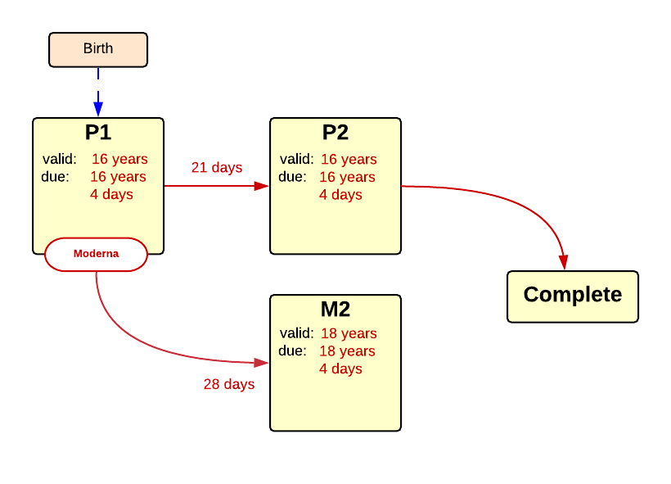

Schedule | Dose | Indication | 1st
P1 | 1 | BIRTH
Determine if dose is valid or when next is due
 | Age | Interval | Grace
Valid | 16 years |  | 4 days
Early due
Due | 16 years
Overdue | 120 years
Finished | 120 years
After invalid dose |  | 0 days
Dose before previous
If valid, pick the next schedule to use
Vaccine | Schedule | Before Age | Reason
Moderna | P1 | 18 years | Moderna is not licensed for less than 16 years
Moderna | M2
Covid | P2
Show Column | 1
Show Row | 1

Schedule | Dose | Indication | 2nd
P2 | 2
Determine if dose is valid or when next is due
 | Age | Interval | Grace
Valid | 16 years | 21 days | 4 days
Early due
Due |  | 21 days
Overdue | 120 years
Finished | 120 years
After invalid dose |  | 0 days
Dose before previous
If valid, pick the next schedule to use
Vaccine | Schedule | Before Age | Reason
Moderna | P2 | 18 years | Moderna is not licenses for less than 16 years
Covid | COMPLETE
Show Column | 2
Show Row | 1

Schedule | Dose | Indication | 2nd Moderna
M2 | 2
Determine if dose is valid or when next is due
 | Age | Interval | Grace
Valid | 18 years | 28 days | 4 days
Early due
Due |  | 28 days
Overdue | 120 years
Finished | 120 years
After invalid dose |  | 0 days
Dose before previous
If valid, pick the next schedule to use
Vaccine | Schedule | Before Age | Reason
Covid | COMPLETE
Show Column | 2
Show Row | 2

