Schedules
Forecast Series Name |  | Influenza
Vaccines | Vaccine Ids
Flu | 111, 15, 88, 140, 141, 135, 158, 161, 149, 144, 166, 168, 171, 151, 185, 186, 155, 153

Nasal | 111, 149
Live | 111, 125, 161, 149, 151
H1N1 | 128, 125, 126, 127
Season Start | -503

Vaccines
Vaccine |  |  |  | CVX Code

Influenza (LAIV) |  |  |  | 111 |  | Seasonal Schedule
Influenza (TIV) |  |  |  | 15 |  | Seasonal | Yes
 |  |  |  |  |  | End | 6 months
 |  |  |  |  |  | Due | 1 month
Influenza |  |  |  | 88 |  | Overdue | 5 months
Influenza TIV Presv-free |  |  |  | 140
Influenza TIV new |  |  |  | 141
Influenza(TIV) New not show yet |  |  |  | 135
Novel H1N1-09,NOS |  |  |  | 128
Novel H1N1-09,Live,Nasal |  |  |  | 125
Novel H1N1-09,Injectable,Presv-free |  |  |  | 126
Novel H1N1-09,Injectable |  |  |  | 127
Influenza IIV4 |  |  |  | 158
Influenza IIV4 |  |  |  | 161
Influenza LAIV4 Nasal |  |  |  | 149
Influenza, seasonal, intradermal, preservative free |  |  |  | 144
influenza, intradermal, quadrivalent, preservative free |  |  |  | 166
FLUAD, adjuvanted, trivalent, preservative free |  |  |  | 168
Flucelvax, injectable, quadrivalent, preservative free |  |  |  | 171
Influenza nasal, unspecified formulation |  |  |  | 151
Influenza recombinant quadrivalent |  |  |  | 185
Influenza injectable MDCK quadrivalent |  |  |  | 186
influenza recombinant injectable trivalent |  |  |  | 155
influenza IIV3 MDCK |  |  |  | 153

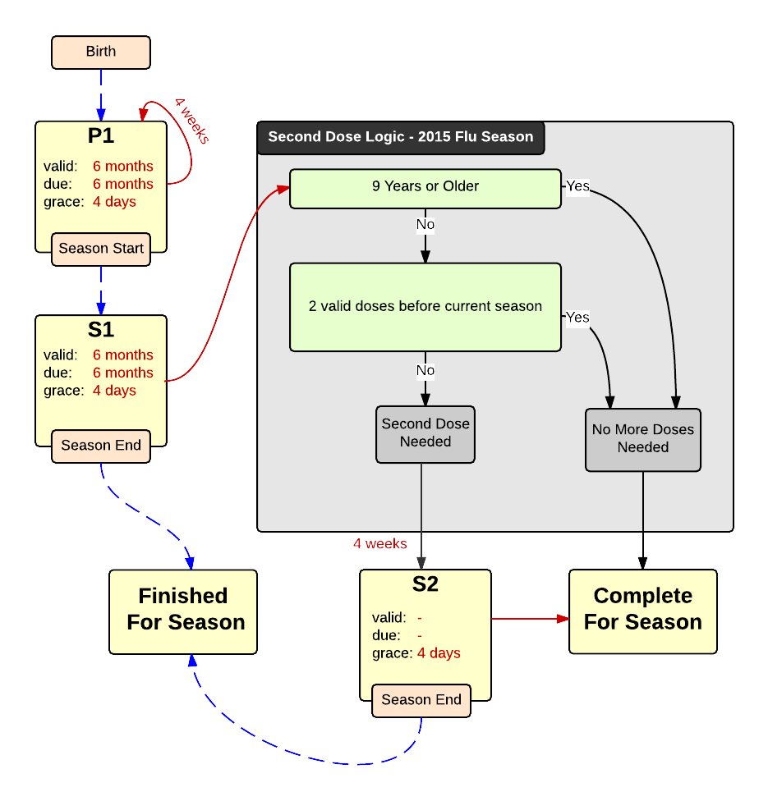

Schedule | Dose | Indication | season
P1 | 1 | BIRTH
Determine if dose is valid or when next is due
 | Age | Interval | Grace
Valid | 6 months | 4 weeks | 4 days
Early due
Due | 6 months
Overdue | 150 years
Finished | 150 years
After invalid dose |  | 0 days
Dose before previous
In case of contraindicated dose
Vaccine | Interval After | Before Age | Reason | Against | Contra | Allowed
Live | 4 weeks |  |  | Nasal | Influenza LAIV | Influenza IIV
If valid, pick the next schedule to use
Vaccine | Schedule | Before Age | Season Comp | Reason
Nasal | INVALID | 2 years
Flu | P1
H1N1 | P1
Season Start | S1
Show Column | 1
Show Row | 1

Schedule | Dose | Indication | current season
S1 | 1
Determine if dose is valid or when next is due
 | Age | Interval | Grace
Valid | 6 months | 4 weeks | 4 days
Early due
Due | 6 months
Overdue | 150 years
Finished | 150 years
After invalid dose |  | 4 weeks | 4 days
Dose before previous
In case of contraindicated dose
Vaccine | Interval After | Before Age | Reason | Against | Contra | Allowed
Live | 4 weeks |  |  | Nasal | Influenza LAIV | Influenza IIV
If valid, pick the next schedule to use
Vaccine | Schedule | Before Age | Season Comp | Reason
Nasal | INVALID | 2 years
Flu | DL FLU 2015 |  | Yes
Show Column | 3
Show Row | 1

Decision Logic
DL FLU 2015
Constant Values
Valid Vaccine |  | Flu
Transitions
Second Dose Needed |  | S2
No More Doses Needed |  | COMPLETE

Schedule | Dose |  | 2nd seasonal
S2 | 2
Determine if dose is valid or when next is due
 | Age | Interval | Grace
Valid |  | 4 weeks
Early due
Due |  | 1 month
Overdue |  | 2 months
Finished | 150 years
After invalid dose |  | 4 weeks | 4 days
Dose before previous
In case of contraindicated dose
Vaccine | Interval After | Before Age | Reason | Against | Contra | Allowed
Live | 4 weeks |  |  | Nasal | Influenza LAIV | Influenza IIV
If valid, pick the next schedule to use
Vaccine | Schedule | Before Age | Season Comp | Reason
Nasal | INVALID | 2 years
Flu | COMPLETE
Show Column | 2
Show Row | 1

