Schedules
Forecast Series Name |  | Pneumo |  |  | Vaccines
Vaccines | Vaccine Ids |  |  |  | Vaccine | Trade Name(s) | Id
PCV | 100, 109, 133 |  |  |  | pneumococcal conjugate PCV 7 |  | 100
12 Months Old | -12 |  |  |  | pneumococcal, unspecified formulation |  | 109
 |  |  |  |  | pneumococcal polysaccharide PPV23 |  | 33
 |  |  |  |  | Pneumococcal conjugate PCV 13 |  | 133

Transitions
Name | Age | Vaccine Id
12 Months Old | 12 months -4 d | -12

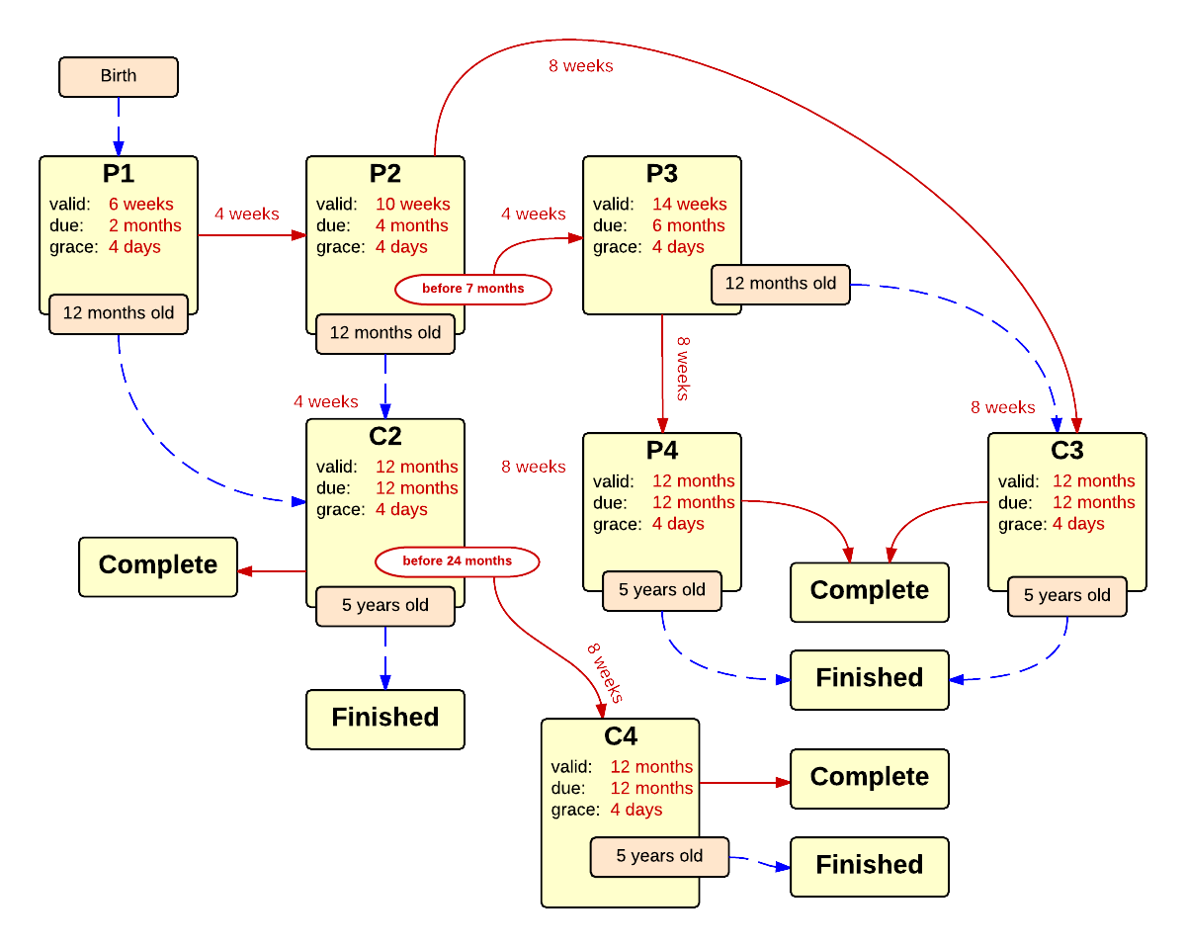

Schedule | Dose | Indication | 2 months
P1 | 1 | BIRTH
Determine if dose is valid or when next is due
 | Age | Interval | Grace
Valid | 6 weeks |  | 4 days
Early due | 6 weeks
Due | 2 months
Overdue | 3 months
Finished | 5 years
Indication End | 19 years
After invalid dose |  | 0 days
Dose before previous
If valid, pick the next schedule to use
Vaccine | Schedule | Before Age | History Of | Reason
PCV | P2
12 Months Old | C2 |  |  | First valid dose not received by 12 months of age, only 2 doses needed now.
Show Column | 1
Show Row | 1

Schedule | Dose |  | 4 months
P2 | 2
Determine if dose is valid or when next is due
 | Age | Interval | Grace
Valid | 10 weeks | 4 weeks | 4 days
Early due
Due | 4 months
Overdue | 5 months
Finished | 5 years
Indication End | 19 years
After invalid dose |  | 4 weeks | 4 days
Dose before previous
If valid, pick the next schedule to use
Vaccine | Schedule | Before Age | History Of | Reason
PCV | P3 | 7 months
PCV | C3 |  |  | Second valid dose was given at or after 7 months of age.
12 Months Old | C2 |  |  | Second valid dose was not received by 12 months of age, only 2 more doses needed now.
Show Column | 2
Show Row | 1

Schedule | Dose |  | 6 months
P3 | 3
Determine if dose is valid or when next is due
 | Age | Interval | Grace
Valid | 14 weeks | 4 weeks | 4 days
Early due
Due | 6 months
Overdue | 7 months
Finished | 5 years
Indication End | 19 years
After invalid dose |  | 4 weeks | 4 days
Dose before previous
If valid, pick the next schedule to use
Vaccine | Schedule | Before Age | History Of | Reason
PCV | P4
12 Months Old | C3 |  |  | Third valid dose was not received by 12 months of age, the third and final dose should be given as soon as possible.
Show Column | 3
Show Row | 1

Schedule | Dose |  | booster
P4 | B
Determine if dose is valid or when next is due
 | Age | Interval | Grace
Valid | 12 months | 8 weeks | 4 days
Early due
Due | 12 months
Overdue | 16 months
Finished | 5 years
Indication End | 19 years
After invalid dose |  | 8 weeks | 4 days
Dose before previous
If valid, pick the next schedule to use
Vaccine | Schedule | Before Age | History Of | Reason
PCV | COMPLETE
Show Column | 4
Show Row | 1

Schedule | Dose |  | 2nd dose 12 month catchup
C2 | *
Determine if dose is valid or when next is due
 | Age | Interval | Grace
Valid | 12 months | 4 weeks | 4 days
Early due
Due | 12 months | 4 weeks
Overdue | 12 months | 4 weeks
Finished | 5 years
Indication End | 19 years
After invalid dose |  | 4 weeks | 4 days
Dose before previous
If valid, pick the next schedule to use
Vaccine | Schedule | Before Age | History Of | Reason
PCV | C4 | 24 months -4 d
PCV | COMPLETE |  |  | Second valid dose received after 24 months of age, no more doses needed.
Show Column | 2
Show Row | 2

Schedule | Dose |  | 3rd dose 12 month catchup
C3 | 3
Determine if dose is valid or when next is due
 | Age | Interval | Grace
Valid | 12 months | 8 weeks | 4 days
Early due
Due | 12 months
Overdue | 12 months
Finished | 5 years
Indication End | 19 years
After invalid dose |  | 8 weeks | 4 days
Dose before previous
If valid, pick the next schedule to use
Vaccine | Schedule | Before Age | History Of | Reason
PCV | COMPLETE
Show Column | 3
Show Row | 1

Schedule | Dose |  | booster
C4 | B
Determine if dose is valid or when next is due
 | Age | Interval | Grace
Valid | 12 months | 8 weeks | 4 days
Early due
Due | 12 months
Overdue | 12 months
Finished | 5 years
Indication End | 19 years
After invalid dose |  | 8 weeks | 4 days
Dose before previous
If valid, pick the next schedule to use
Vaccine | Schedule | Before Age | History Of | Reason
PCV | COMPLETE
Show Column | 3
Show Row | 3

