Schedules
Forecast Series Name |  | Rotavirus |  | Vaccines
Vaccines | Vaccine Ids |  |  | Vaccine |  |  |  | Id
RotaTeq | 116 |  |  | rotavirus, pentavalent |  |  |  | 116
Rotarix | 119 |  |  | rotavirus, monovalent |  |  |  | 119
Rotavirus | 116, 119, 74, 122 |  |  | rotavirus, tetravalent |  |  |  | 74
 |  |  |  | rotavirus, unspecified formulation |  |  |  | 122
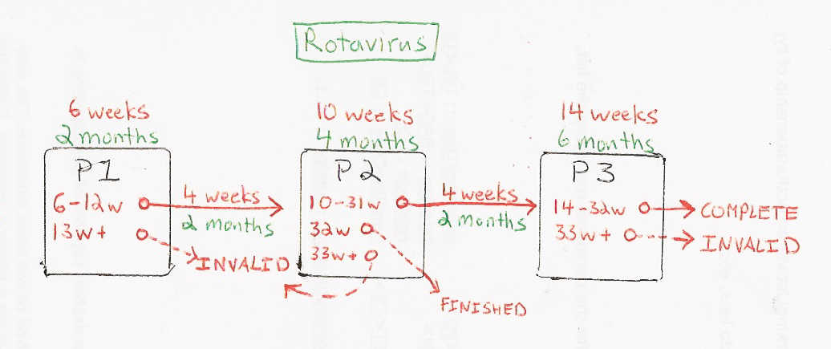

Schedule | Dose | Indication | 2 months |  | Schedule | Dose |  | 4 months
P1 | 1 | BIRTH |  |  | P2 | 2
Determine if dose is valid or when next is due |  |  |  |  | Determine if dose is valid or when next is due
 | Age | Interval | Grace |  |  | Age | Interval | Grace
Valid | 6 weeks |  | 4 days |  | Valid | 10 weeks | 4 weeks | 4 days
Early due | 6 weeks |  |  |  | Early due
Due | 2 months |  |  |  | Due | 4 months
Overdue | 3 months |  |  |  | Overdue | 5 months
Finished | 15 weeks |  |  |  | Finished | 8 months
After invalid dose |  | 4 weeks | 4 days |  | After invalid dose |  | 4 weeks | 4 days
Dose before previous |  |  |  |  | Dose before previous
If valid, pick the next schedule to use |  |  |  |  | If valid, pick the next schedule to use
Vaccine | Schedule | Before Age | Reason |  | Vaccine | Schedule | Before Age | Reason
Rotarix | R2 | 8 months |  |  | Rotavirus | P3 | 8 months
Rotavirus | P2 | 8 months |  |  | Rotavirus | COMPLETE
Rotavirus | COMPLETE |  |  |  | Show Column | 2
Show Column | 1 |  |  |  | Show Row | 1
Show Row | 1

Schedule | Dose |  | 6 months |  | Schedule | Dose |  | 4 months
P3 | 3 |  |  |  | R2 | 2
Determine if dose is valid or when next is due |  |  |  |  | Determine if dose is valid or when next is due
 | Age | Interval | Grace |  |  | Age | Interval | Grace
Valid | 14 weeks | 4 weeks | 4 days |  | Valid | 10 weeks | 4 weeks | 4 days
Early due |  |  |  |  | Early due
Due | 6 months |  |  |  | Due | 4 months
Overdue | 7 months |  |  |  | Overdue | 5 months
Finished | 8 months |  |  |  | Finished | 8 months
After invalid dose |  | 4 weeks | 4 days |  | After invalid dose |  | 4 weeks | 4 days
Dose before previous |  |  |  |  | Dose before previous
If valid, pick the next schedule to use |  |  |  |  | If valid, pick the next schedule to use
Vaccine | Schedule | Before Age | Reason |  | Vaccine | Schedule | Before Age | Reason
Rotavirus | COMPLETE |  |  |  | Rotarix | COMPLETE
Show Column | 3 |  |  |  | Rotavirus | P3 | 8 months
Show Row | 1 |  |  |  | Rotavirus | COMPLETE
 |  |  |  |  | Show Column | 2
 |  |  |  |  | Show Row | 2

