Schedules
Forecast Series Name |  | Varicella |  | Vaccines
Vaccines | Vaccine Ids |  |  | Vaccine |  | Id
Single | 21 |  |  | MMRV |  | 94
MMRV | 94
Same Live | 04, 05, 05, 07, 06, 38, 111, 149, 37, 80, 02 |  |  | varicella |  | 21
 |  |  |  | VEE, live |  | 80
Other Live | 18 |  |  | OPV |  | 02
Assume Comp | -178
 |  |  |  | Contraindication
 |  |  |  | Vaccine |  | Id
 |  |  |  | M/R |  | 04
 |  |  |  | measles |  | 05
 |  |  |  | MMR |  | 03
 |  |  |  | mumps |  | 07
 |  |  |  | rubella |  | 06
 |  |  |  | rubella/mumps |  | 38
 |  |  |  | influenza, live, intranasal |  | 111
 |  |  |  | influenza, live, intranasal, quadrivalent |  | 149
 |  |  |  | yellow fever |  | 37
 |  |  |  | VEE, live |  | 80
 |  |  |  | OPV |  | 02

 |  |  |  | rabies, intramuscular injection |  | 18

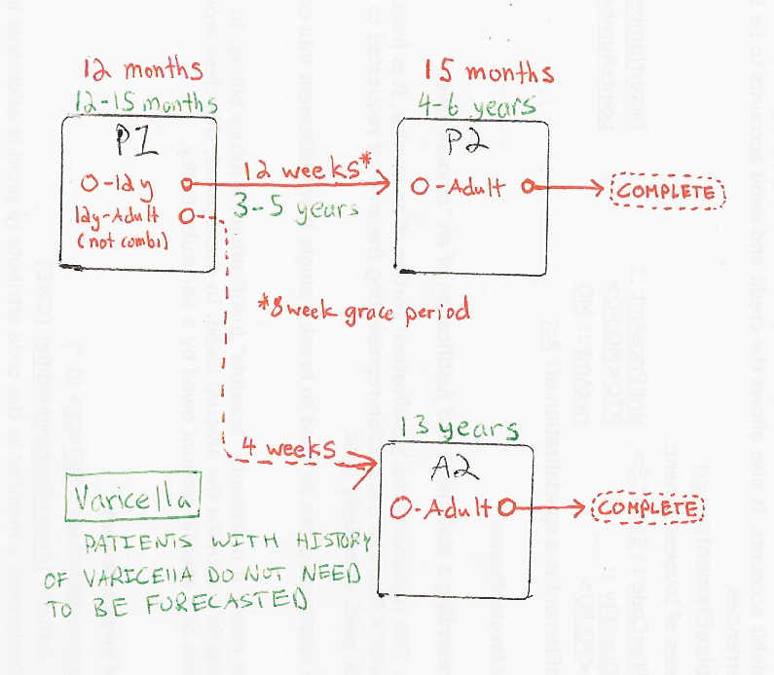

Schedule | Dose | Indication | 1 year
P1 | 1 | NO-VAR-HIS
Determine if dose is valid or when next is due
 | Age | Interval | Grace
Valid | 12 months |  | 4 days
Early due
Due | 12 months
Overdue | 16 months
Finished | 19 years
After invalid dose |  | 4 weeks
Dose before previous
In case of contraindicated dose
Vaccine | Interval After | Before Age | Reason | Grace
Same Live | 4 weeks
Other Live | 4 weeks
If valid, pick the next schedule to use
Vaccine | Schedule | Before Age | Reason
Single | P2 | 13 years
Single | A2
MMRV | P2 | 13 years
MMRV | A2 |  | MMRV should not be administered to persons 13 years of age or older.
Assume Comp | COMPLETE |  | Assuming adult received full Varicella series as a child or is immune.
Show Column | 1
Show Row | 1

Schedule | Dose |  | 4 years
P2 | 2
Determine if dose is valid or when next is due
 | Age | Interval | Grace
Valid |  | 12 weeks | 8 weeks
Early due
Due | 4 years
Overdue | 7 years
Finished | 65 years
After invalid dose |  | 12 weeks | 8 weeks
Dose before previous
In case of contraindicated dose
Vaccine | Interval After | Before Age | Reason | Grace
Same Live | 4 weeks
Other Live | 4 weeks
If valid, pick the next schedule to use
Vaccine | Schedule | Before Age | Reason | Min Interval | Previous Vaccine
Single | COMPLETE
MMRV | COMPLETE | 13 years
MMRV | COMPLETE |  | MMRV should not be administered to persons 13 years of age or older.
Assume Comp | COMPLETE |  | Assuming adult received full Varicella series as a child or is immune.
Show Column | 2
Show Row | 1

Schedule | Dose |  | 13 years +
A2 | 2
Determine if dose is valid or when next is due
 | Age | Interval | Grace
Valid |  | 4 weeks | 4 days
Early due
Due | 13 years
Overdue | 13 years
Finished | 65 years
After invalid dose |  | 4 weeks
Dose before previous
In case of contraindicated dose
Vaccine | Interval After | Before Age | Reason | Grace
Same Live | 4 weeks
Other Live | 4 weeks
If valid, pick the next schedule to use
Vaccine | Schedule | Before Age | Reason | Min Interval | Previous Vaccine
Single | COMPLETE
MMRV | COMPLETE |  | MMRV should not be administered to persons 13 years of age or older.
Assume Comp | COMPLETE |  | Assuming adult received full Varicella series as a child or is immune.
Show Column | 2
Show Row | 2

