Schedules
Forecast Series Name |  | Diphtheria |  | Vaccines
Vaccines | Vaccine Ids |  |  | Vaccine | Trade Name(s) | Id
Child | 110, 112, 114, 115, 116, 2060, 111, 2070, 113, 121, 1150, 142, 227 |  |  | DT |  | 112
 |  |  |  | DTaP |  | 110
Adult | 122, 124, 123 |  |  | DTaP-HepB-IPV | Pediarix | 114
Td | 122, 124 |  |  | DTaP-Hib | TriHibit | 113
Tdap | 123, 110, 114, 113, 115, 116, 121, 142, 227, 2060, 111, 2070 |  | 7 years | DTaP-Hib-IPV | Pentacel | 115
 |  |  |  | DTaP-IPV | Kinrix | 116
Assume Comp | -110 |  |  | DTP-Hib | Tetramune | 121
12 Months Old | -12 |  |  | DTP |  | 2060
4 Years Old | -4 |  |  | DTP |  | 111
7 Years Old | -7 |  |  | DTP |  | 2070
 |  |  |  | Td |  | 122
Transitions |  |  |  | Td Preservative free |  | 124
Name | Age | Vaccine Id |  | DTP-Hib-HepB |  | 1150
12 Months Old | 12 months -4 d | -12 |  | DTaP/IPV/Hib (Non-US) | Pentavalente | 227
4 Years Old | 4 years -4 days | -4 |  | DTaP-IPV-Hib-HepB | Hexavalente | 142
7 Years Old | 7 years -4 days | -7 |  | Tdap | Boostrix, Adecel | 123
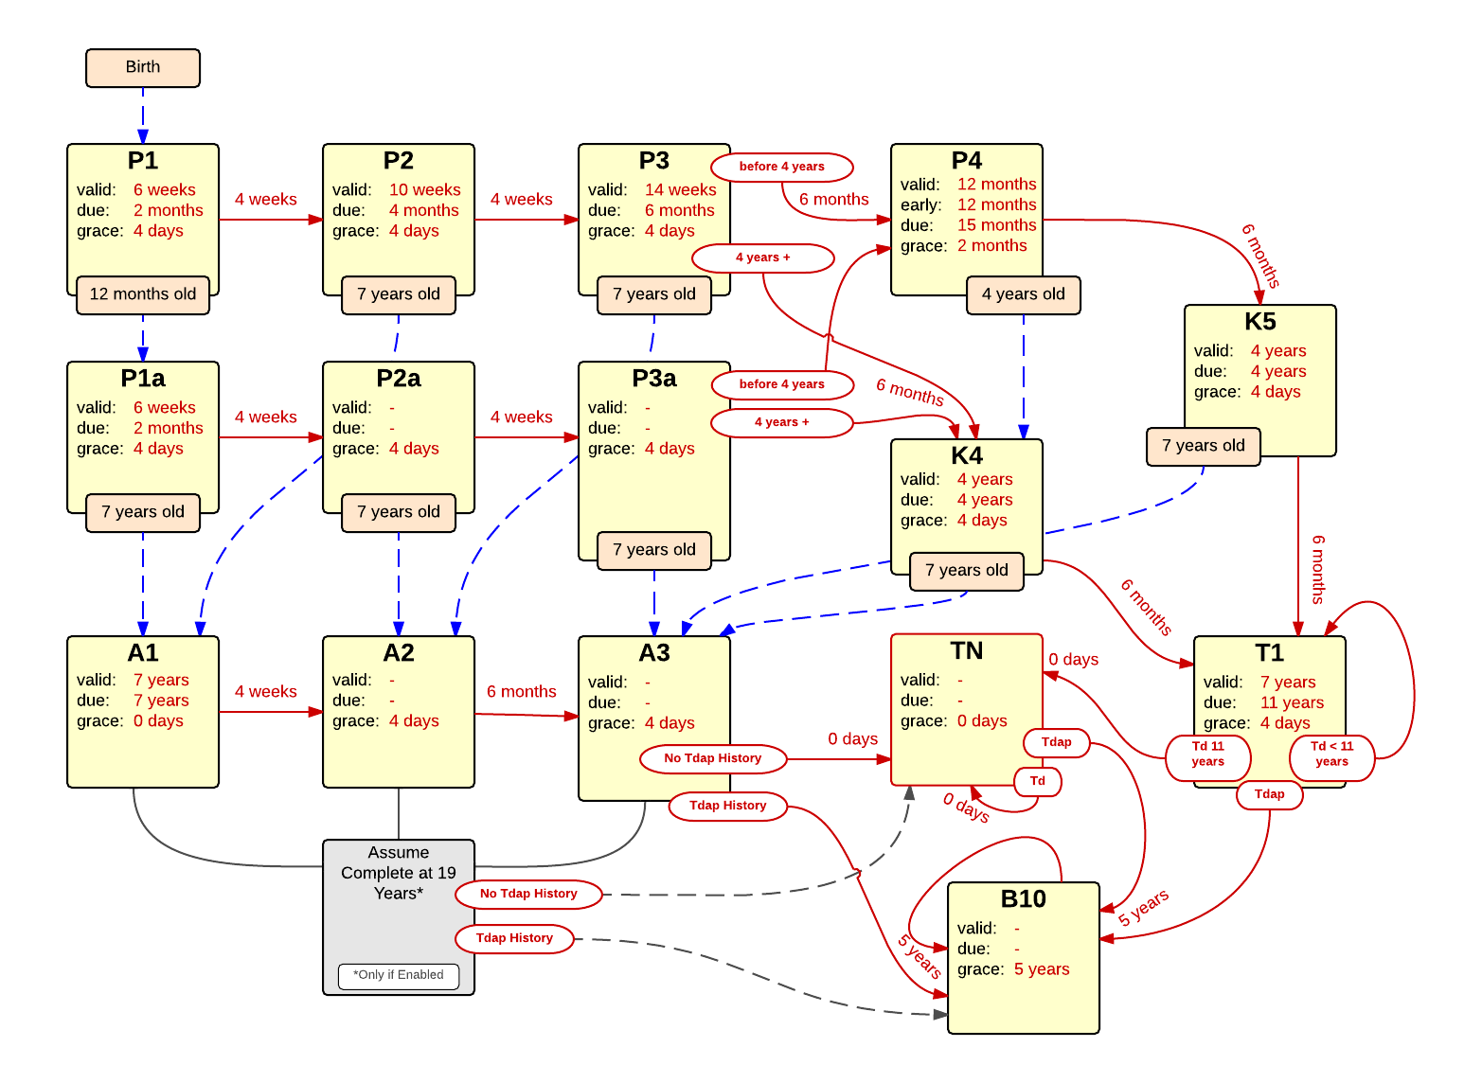

Schedule | Dose | Indication | 2 months
P1 | 1 | BIRTH
Determine if dose is valid or when next is due
 | Age | Interval | Grace
Valid | 6 weeks |  | 4 days
Early due | 6 weeks
Due | 2 months
Overdue | 3 months
Finished | 150 years
After invalid dose |  | 0 days
Dose before previous
If valid, pick the next schedule to use
Vaccine | Schedule | Before Age | History Of | Reason
12 Months Old | P1a |  |  | Patient reached 12 months of age without receiving first DTaP, moving to alternate schedule.
Child | P2
Adult | INVALID |  |  | Td or Tdap should not be given before 7 years of age.
Show Column | 1
Show Row | 1

Schedule | Dose |  | 4 months
P2 | 2
Determine if dose is valid or when next is due
 | Age | Interval | Grace
Valid | 10 weeks | 4 weeks | 4 days
Early due
Due | 4 months
Overdue | 5 months
Finished | 150 years
After invalid dose |  | 4 weeks | 4 days
Dose before previous
If valid, pick the next schedule to use
Vaccine | Schedule | Before Age | History Of | Reason
7 Years Old | A1 |  |  | Patient reached 7 years of age without completing childhood series, moving adult catchup schedule.
Child | P3
Adult | INVALID |  |  | Td or Tdap should not be given before 7 years of age.
Show Column | 2
Show Row | 1

Schedule | Dose |  | 6 months
P3 | 3
Determine if the vaccination is valid or when next is due
 | Age | Interval | Grace
Valid | 14 weeks | 4 weeks | 4 days
Early due
Due | 6 months
Overdue | 7 months
Finished | 150 years
After invalid dose |  | 4 weeks | 4 days
Dose before previous
If valid, pick the next schedule to use
Vaccine | Schedule | Before Age | History Of | Reason
7 Years Old | A2 |  |  | Patient reached 7 years of age without completing childhood series, moving to 2nd dose in adult catchup schedule.
Child | P4 | 4 years
Child | K4 |  |  | Patient received 3rd valid dose after 4 years of age, now expecting final DTaP booster.
Adult | INVALID |  |  | Td or Tdap should not be given before 7 years of age.
Show Column | 3
Show Row | 1

Schedule | Dose |  | 15-18 months
P4 | 4
Determine if the vaccination is valid or when next is due
 | Age | Interval | Grace
Valid | 12 months | 6 months | 2 months
Early due | 12 months
Due | 15 months
Overdue | 19 months
Finished | 150 years
After invalid dose |  | 6 months | 2 months
Dose before previous
If valid, pick the next schedule to use
Vaccine | Schedule | Before Age | History Of | Reason
4 Years Old | K4 |  |  | Patient reached 4 years of age without receiving 4th valid dose in primary series, moving to catchup dose expected for kindergarten.
Child | K5
Adult | K5 |  |  | Td or Tdap should not be given before 7 years of age.
Show Column | 4
Show Row | 1

Schedule | Dose |  | 1st catchup
P1a | 1
Determine if dose is valid or when next is due
 | Age | Interval | Grace
Valid | 6 weeks |  | 4 days
Early due | 6 weeks
Due | 2 months
Overdue | 3 months
Finished | 150 years
After invalid dose |  | 0 days
Dose before previous
If valid, pick the next schedule to use
Vaccine | Schedule | Before Age | History Of | Reason
7 Years Old | A1 |  |  | Patient reached 7 years of age without receiving one valid dose of DTaP, moving to adult catchup schedule.
Child | P2a
Adult | INVALID |  |  | Td or Tdap should not be given before 7 years of age.
Show Column | 1
Show Row | 2

Schedule | Dose |  | 2nd catchup
P2a | 2
Determine if the vaccination is valid or when next is due
 | Age | Interval | Grace
Valid |  | 4 weeks | 4 days
Early due
Due |  | 4 weeks
Overdue |  | 4 weeks
Finished | 150 years
After invalid dose |  | 4 weeks | 4 days
Dose before previous
If valid, pick the next schedule to use
Vaccine | Schedule | Before Age | History Of | Reason
7 Years Old | A2 |  |  | Patient reached 7 years of age, only receiving one valid dose of DTaP after 12 months, moving to 2nd dose in adult catchup schedule.
Child | P3a
Adult | INVALID
Show Column | 2
Show Row | 2

Schedule | Dose |  | 3rd catchup
P3a | 3
Determine if the vaccination is valid or when next is due
 | Age | Interval | Grace
Valid |  | 4 weeks | 4 days
Early due
Due |  | 4 weeks
Overdue |  | 4 weeks
Finished | 150 years
After invalid dose |  | 4 weeks | 4 days
Dose before previous
If valid, pick the next schedule to use
Vaccine | Schedule | Before Age | History Of | Reason
7 Years Old | A3 |  |  | Patient reached 7 years of age, only receiving two valid doses of DTaP after 12 months, moving to 3rd dose in adult catchup schedule.
Child | P4 | 4 years
Child | K4 |  |  | Patient received 3rd valid dose after 4 years of age, now expecting final DTaP booster.
Adult | INVALID
Show Column | 3
Show Row | 2

Schedule | Dose |  | catchup kindegarten booster
K4 | B
Determine if the vaccination is valid or when next is due
 | Age | Interval | Grace
Valid | 4 years | 6 months | 4 days
Early due
Due | 4 years
Overdue | 4 years
Finished | 150 years
After invalid dose |  | 6 months | 4 days
Dose before previous
If valid, pick the next schedule to use
Vaccine | Schedule | Before Age | History Of | Reason
7 Years Old | A3 |  |  | Patient reached 7 years of age without receiving kindergarten booster after age 4 years, moving to 3rd dose in adult catchup schedule.
Child | T1
Adult | T1 |  |  | Td or Tdap should not be given before 7 years of age.
Show Column | 4
Show Row | 1

Schedule | Dose |  | kindegarten booster
K5 | B
Determine if the vaccination is valid or when next is due
 | Age | Interval | Grace
Valid | 4 years | 6 months | 4 days
Early due
Due | 4 years
Early overdue | 6 years
Overdue | 7 years
Finished | 150 years
After invalid dose |  | 6 months | 4 days
Dose before previous
If valid, pick the next schedule to use
Vaccine | Schedule | Before Age | History Of | Reason
7 Years Old | A3 |  |  | Patient reached 7 years of age without receiving kindergarten booster after age 4 years, moving to 3rd dose in adult catchup schedule.
Child | T1
Adult | T1 |  |  | Td or Tdap should not be given before 7 years of age.
Show Column | 5
Show Row | 2

Schedule | Dose |  | 10-year booster
B10 | B
Determine if the vaccination is valid or when next is due
 | Age | Interval | Grace
Valid |  | 5 years | 5 years
Early due
Due |  | 10 years
Overdue |  | 11 years
Finished | 150 years
After invalid dose |  | 5 years | 5 years
Dose before previous
If valid, pick the next schedule to use
Vaccine | Schedule | Before Age | History Of | Reason
Child | B10 |  |  | Child vaccine should not be given has booster.
Adult | B10
Show Column | 4
Show Row | 4

Schedule | Dose |  | 1st adult
A1 | 1
Determine if dose is valid or when next is due
 | Age | Interval | Grace
Valid | 7 years |  | 0 days
Early due
Due | 7 years
Overdue | 7 years
Finished | 150 years
After invalid dose |  | 0 days
Dose before previous
If valid, pick the next schedule to use
Vaccine | Schedule | Before Age | History Of | Reason
Child | A2 |  |  | Child vaccine should not be given after 7 years of age.
Adult | A2
Assume Comp | B10 |  | Tdap | Tdap already given, and assuming adult received full DTaP series as a child, moving to 10 year booster schedule.
Assume Comp | TN |  |  | Assuming adult received full DTaP series as a child but now needs to receive Tdap.
Show Column | 1
Show Row | 3

Schedule | Dose |  | 2nd adult
A2 | 2
Determine if the vaccination is valid or when next is due
 | Age | Interval | Grace
Valid |  | 4 weeks | 4 days
Early due
Due |  | 4 weeks
Overdue |  | 4 weeks
Finished | 150 years
After invalid dose |  | 4 weeks | 4 days
Dose before previous
If valid, pick the next schedule to use
Vaccine | Schedule | Before Age | History Of | Reason
Child | A3 |  |  | Child vaccine should not be given after 7 years of age.
Adult | A3
Assume Comp | B10 |  | Tdap | Tdap already given, and assuming adult received full DTaP series as a child, moving to 10 year booster schedule.
Assume Comp | TN |  |  | Assuming adult received full DTaP series as a child but now needs to receive Tdap.
Show Column | 2
Show Row | 3

Schedule | Dose |  | 3rd adult
A3 | 3
Determine if the vaccination is valid or when next is due
 | Age | Interval | Grace
Valid | 7 years | 6 months | 4 days
Early due
Due |  | 6 months
Overdue |  | 6 months
Finished | 150 years
After invalid dose |  | 6 months | 2 months
Dose before previous
If valid, pick the next schedule to use
Vaccine | Schedule | Before Age | History Of | Reason
Child | B10 |  | Tdap | Child vaccine should not be given after 7 years of age.
Adult | B10 |  | Tdap
Tdap | B10
Assume Comp | B10 |  | Tdap | Assuming adult received full DTaP series as a child, moving to 10 year booster schedule.
Child | TN |  |  | Child vaccine should not be given after 7 years of age, Tdap should be administered as soon as possible.
Adult | TN |  |  | Tdap should be administered as soon as possible.
Assume Comp | TN |  |  | Assuming adult received full DTaP series as a child but now needs to receive Tdap.
Show Column | 3
Show Row | 3

Schedule | Dose |  | Tdap Now
TN | B
Determine if the vaccination is valid or when next is due
 | Age | Interval | Grace
Valid | 7 years | 0 days
Early due
Due | 7 years
Overdue | 7 years
Finished | 150 years
After invalid dose |  | 0 days
Dose before previous
If valid, pick the next schedule to use
Vaccine | Schedule | Before Age | History Of | Reason
Adult | B10 |  | Tdap
Tdap | B10
Child | TN |  |  | Child vaccine should not be given after 7 years of age, Tdap should be administered as soon as possible.
Adult | TN |  |  | Tdap should be administered as soon as possible.
Show Column | 4
Show Row | 3

Schedule | Dose |  | First Tdap
T1 | B
Determine if the vaccination is valid or when next is due
 | Age | Interval | Grace
Valid | 7 years | 0 days
Early due
Due | 11 years
Overdue | 13 years
Finished | 150 years
After invalid dose |  | 0 days
Dose before previous
If valid, pick the next schedule to use
Vaccine | Schedule | Before Age | History Of | Reason
Adult | B10 |  | Tdap
Tdap | B10
Child | T1 | 11 years |  | Patient has not received pertussis vaccine (Tdap) after 7 years of age, Tdap due at 11 years of age.
Adult | T1 | 11 years |  | Patient has not received pertussis vaccine (Tdap) after 7 years of age, Tdap due at 11 years of age.
Child | TN |  |  | Child vaccine should not be given after 7 years of age, Tdap should be administered as soon as possible.
Adult | TN |  |  | Tdap should be administered as soon as possible.
Show Column | 5
Show Row | 3

