Schedules
Forecast Series Name |  | Hib |  | Vaccines
Vaccines | Vaccine Ids |  |  | Vaccine | Trade Name(s) | Id
PRP-OMP | 136, 1350 |  |  | DTaP-Hib | TriHIBit | 113
Series Dose | 128, 1320, 1330, 1340, 136, 1350, 115, 121, 142, 213, 227 |  |  | DTaP-Hib-IPV | Pentacel | 115
 |  |  |  | DTP-Hib-Hep B |  | 1150
Booster Dose | 128, 1330, 1340, 136, 1350, 113, 121, 1320, 115, 121, 213 |  |  | Hib |  | 128
 |  |  |  | Hib (HbOC) |  | 1330
TriHIBit | 113 |  |  | Hib (PRP-OMP) |  | 1350
7 Months Old | -7 |  |  | Hib (PRP-T) |  | 1340
12 Months Old | -12 |  |  | Hib-HepB | COMVAX | 136
15 Months Old | -15 |  |  | DTP-Hib | Tetra-immune | 121
 |  |  |  | Hib (PRP-D) |  | 1320
Transitions |  |  |  | DTaP-IPV-Hib-HepB | Hexavalente | 142
Name | Age | Vaccine Id |  | DTaP/IPV/Hib (Non-US) | Pentavalente | 227
7 Months Old | 7 months -4 d | -7 |  | Meningococcal C/Y-HIB PRP 148 Meningococcal C/Y-HIB PRP | MenHibrix | 213
12 Months Old | 12 months -4 d | -12
15 Months Old | 15 months -4 d | -15

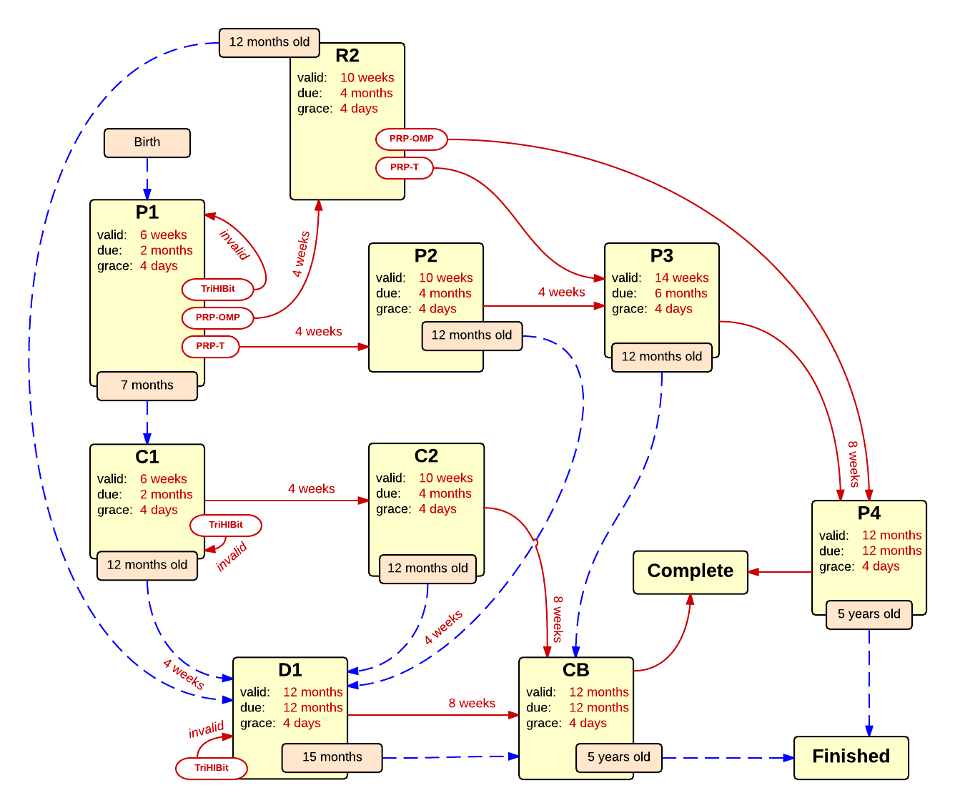

Schedule | Dose | Indication | 2 months
P1 | 1 | BIRTH
Determine if dose is valid or when next is due
 | Age | Interval | Grace
Valid | 6 weeks |  | 4 days
Early due | 6 weeks
Due | 2 months
Overdue | 3 months
Finished | 5 years
After invalid dose |  | 0 days
Dose before previous
After valid dose given, move to new schedule
Vaccine | Schedule | Before Age | Reason
7 Months Old | C1 |  | Did not receive first dose before 7 months of age, switching to 3 dose schedule.
PRP-OMP | R2 |  | Switching to 3 dose PRP-OMP schedule.
Series Dose | P2
TriHIBit | INVALID |  | TriHIBit invalid as first dose.
Show Column | 1
Show Row | 1

Schedule | Dose |  | 4 months
P2 | 2
Determine if dose is valid or when next is due
 | Age | Interval | Grace
Valid | 10 weeks | 4 weeks | 4 days
Early due
Due | 4 months
Overdue | 5 months
Finished | 5 years
After invalid dose |  | 4 weeks | 4 days
Dose before previous
If valid, pick the next schedule to use
Vaccine | Schedule | Before Age | Reason
12 Months Old | D1
Series Dose | P3
Booster Dose | INVALID
Show Column | 2
Show Row | 1

Schedule | Dose |  | 6 months
P3 | 3
Determine if the vaccination is valid or when next is due
 | Age | Interval | Grace
Valid | 14 weeks | 4 weeks | 4 days
Early due
Due | 6 months
Overdue | 7 months
Finished | 5 years
After invalid dose |  | 4 weeks | 4 days
Dose before previous
If valid, pick the next schedule to use
Vaccine | Schedule | Before Age | Reason
12 Months Old | CB |  | Did not receive third dose before 12 months of age, now only one more dose needed.
Series Dose | P4
Booster Dose | INVALID | 12 months | Booster dose should not be given before 12 months of age.
Booster Dose | P4
Show Column | 3
Show Row | 1

Schedule | Dose |  | 12 months
P4 | B
Determine if the vaccination is valid or when next is due
 | Age | Interval | Grace
Valid | 12 months | 8 weeks | 4 days
Early due
Due | 12 months
Overdue | 16 months
Finished | 5 years
After invalid dose |  | 8 weeks | 4 days
Dose before previous
If valid, pick the next schedule to use
Vaccine | Schedule | Before Age | Reason
Booster Dose | COMPLETE
Show Column | 4
Show Row | 1

Schedule | Dose |  | 4 month PRP-OMP
R2 | 2
Determine if the vaccination is valid or when next is due
 | Age | Interval | Grace
Valid | 10 weeks | 4 weeks | 4 days
Early due
Due | 4 months
Overdue | 5 months
Finished | 5 years
After invalid dose |  | 4 weeks | 4 days
Dose before previous
If valid, pick the next schedule to use
Vaccine | Schedule | Before Age | Reason
12 Months Old | D1 |  | Second dose of PRP-OMP not given by 12 months, switching to 3 dose catch-up schedule.
PRP-OMP | P4
Series Dose | P3 |  | Did not receive second dose of PMP-OMP, switching back to standard 4 dose schedule.
Booster Dose | INVALID |  | Booster dose should not be given before 12 months of age.
Show Column | 2
Show Row | 4

Schedule | Dose |  | first 7-11 month catch-up
C1 | 1
Determine if dose is valid or when next is due
 | Age | Interval | Grace
Valid | 6 weeks |  | 4 days
Early due | 6 weeks
Due | 2 months
Overdue | 3 months
Finished | 5 years
After invalid dose |  | 0 days
Dose before previous
After valid dose given, move to new schedule
Vaccine | Schedule | Before Age | Reason
12 Months Old | D1 |  | Did not receive first dose before 12 months of age, switching to 2 dose schedule.
Series Dose | C2
TriHIBit | INVALID |  | TriHIBit invalid as first dose.
Show Column | 1
Show Row | 2

Schedule | Dose |  | second 7-11 month catch-up
C2 | 2
Determine if the vaccination is valid or when next is due
 | Age | Interval | Grace
Valid | 10 weeks | 4 weeks | 4 days
Early due
Due |  | 4 weeks
Overdue |  | 4 weeks
Finished | 5 years
After invalid dose |  | 4 weeks | 4 days
Dose before previous
If valid, pick the next schedule to use
Vaccine | Schedule | Before Age | Reason
12 Months Old | D1 |  | Did not receive second dose by 12 months of age, next dose due immediately.
Series Dose | CB |  | Received 2nd dose at 15 months of age or older, one more dose needed.
Booster Dose | INVALID | 12 months | Booster dose should not be given before 12 months of age.
Show Column | 2
Show Row | 2

Schedule | Dose |  | 12-14 month catch-up
D1 | *
Determine if dose is valid or when next is due
 | Age | Interval | Grace
Valid | 12 months | 4 weeks | 4 days
Early due
Due | 12 months
Overdue | 12 months
Finished | 5 years
After invalid dose |  | 4 weeks | 4 days
Dose before previous
After valid dose given, move to new schedule
Vaccine | Schedule | Before Age | Reason
15 Months Old | CB |  | Did not receive first or next dose before 15 months, final dose due immediately.
Series Dose | CB
TriHIBit | INVALID |  | TriHIBit invalid as first dose.
Booster Dose | INVALID | 12 months | Booster dose should not be given before 12 months of age.
Show Column | 3
Show Row | 2

Schedule | Dose |  | catch-up booster
CB | B
Determine if dose is valid or when next is due
 | Age | Interval | Grace
Valid | 12 months | 8 weeks | 4 days
Early due
Due | 12 months
Overdue | 12 months
Finished | 5 years
After invalid dose |  | 8 weeks | 4 days
Dose before previous
After valid dose given, move to new schedule
Vaccine | Schedule | Before Age | Reason
Booster Dose | COMPLETE
Show Column | 3
Show Row | 2

