Schedules
Forecast Series Name |  | Influenza
Vaccines | Vaccine Ids
Flu | 2050, 180, 181, 1430, 1440, 179, 200, 201, 185, 205, 204, 203, 202, 217, 218, 219, 220, 221, 222, 223, 229

Nasal | 180, 203
Live | 180, 187, 203, 204, 220
H1N1 | 186, 187, 188, 189
Season Start | -503

Vaccines
Vaccine |  |  | TCH Id | CVX
influenza, split (incl. purified surface antigen) |  |  | 2050
Influenza (LAIV) |  |  | 180 | 111 |  | Seasonal Schedule
Influenza (TIV) |  |  | 181 | 15 |  | Seasonal | Yes
influenza, split (incl. purified surface antigen) |  |  | 1430 |  |  | End | 6 months
influenza, whole |  |  | 1440 |  |  | Due | 1 month
Influenza |  |  | 179 | 88 |  | Overdue | 5 months
Influenza TIV Presv-free |  |  | 200 | 140
Influenza TIV new |  |  | 201 | 141
Influenza(TIV) New not show yet |  |  | 185 | 135
Novel H1N1-09,NOS |  |  | 186 | 128
Novel H1N1-09,Live,Nasal |  |  | 187 | 125
Novel H1N1-09,Injectable,Presv-free |  |  | 188 | 126
Novel H1N1-09,Injectable |  |  | 189 | 127
Influenza IIV4 |  |  | 205 | 158
Influenza IIV4 |  |  | 204 | 161
Influenza LAIV4 Nasal |  |  | 203 | 149
Influenza, seasonal, intradermal, preservative free |  |  | 202 | 144
influenza, intradermal, quadrivalent, preservative free |  |  | 217 | 166
FLUAD, adjuvanted, trivalent, preservative free |  |  | 218 | 168
Flucelvax, injectable, quadrivalent, preservative free |  |  | 219 | 171
Influenza nasal, unspecified formulation |  |  | 220 | 151
Influenza recombinant quadrivalent |  |  | 221 | 185
Influenza injectable MDCK quadrivalent |  |  | 222 | 186
influenza recombinant injectable trivalent |  |  | 223 | 155
influenza IIV3 MDCK |  |  | 229 | 153

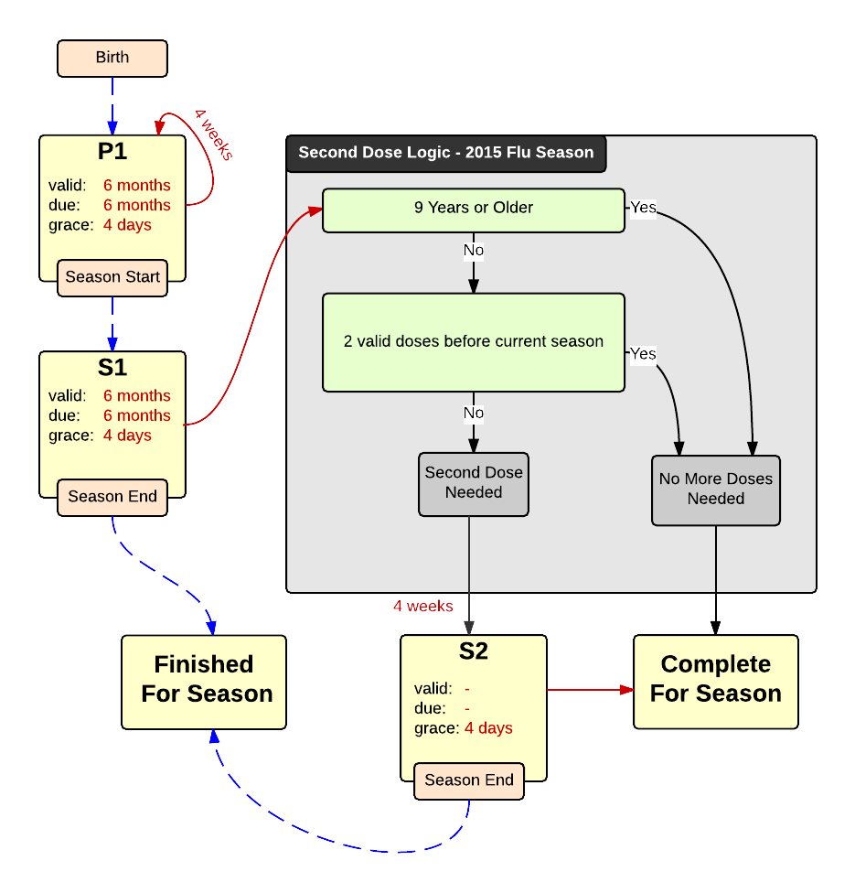

Schedule | Dose | Indication | season
P1 | 1 | BIRTH
Determine if dose is valid or when next is due
 | Age | Interval | Grace
Valid | 6 months | 4 weeks | 4 days
Early due
Due | 6 months
Overdue | 150 years
Finished | 150 years
After invalid dose |  | 0 days
Dose before previous
In case of contraindicated dose
Vaccine | Interval After | Before Age | Reason | Against | Contra | Allowed
Live | 4 weeks |  |  | Nasal | Influenza LAIV | Influenza IIV
If valid, pick the next schedule to use
Vaccine | Schedule | Before Age | Season Comp | Reason
Nasal | INVALID | 2 years
Flu | P1
H1N1 | P1
Season Start | S1
Show Column | 1
Show Row | 1

Schedule | Dose | Indication | current season
S1 | 1
Determine if dose is valid or when next is due
 | Age | Interval | Grace
Valid | 6 months | 4 weeks | 4 days
Early due
Due | 6 months
Overdue | 150 years
Finished | 150 years
After invalid dose |  | 4 weeks | 4 days
Dose before previous
In case of contraindicated dose
Vaccine | Interval After | Before Age | Reason | Against | Contra | Allowed
Live | 4 weeks |  |  | Nasal | Influenza LAIV | Influenza IIV
If valid, pick the next schedule to use
Vaccine | Schedule | Before Age | Season Comp | Reason
Nasal | INVALID | 2 years
Flu | DL FLU 2015 |  | Yes
Show Column | 3
Show Row | 1

Decision Logic
DL FLU 2015
Constant Values
Valid Vaccine |  | Flu
Transitions
Second Dose Needed |  | S2
No More Doses Needed |  | COMPLETE

Schedule | Dose |  | 2nd seasonal
S2 | 2
Determine if dose is valid or when next is due
 | Age | Interval | Grace
Valid |  | 4 weeks
Early due
Due |  | 1 month
Overdue |  | 2 months
Finished | 150 years
After invalid dose |  | 4 weeks | 4 days
Dose before previous
In case of contraindicated dose
Vaccine | Interval After | Before Age | Reason | Against | Contra | Allowed
Live | 4 weeks |  |  | Nasal | Influenza LAIV | Influenza IIV
If valid, pick the next schedule to use
Vaccine | Schedule | Before Age | Season Comp | Reason
Nasal | INVALID | 2 years
Flu | COMPLETE
Show Column | 2
Show Row | 1

