Schedules
Forecast Series Name |  | Polio |  | Vaccines
Vaccines | Vaccine Ids |  |  | Vaccine | Trade Name(s) | Id
IPV | 147, 114, 115, 153, 116, 142, 227 |  |  | DTaP-HepB-IPV |  | 114
OPV | 148 |  |  | DTaP-Hib-IPV |  | 115
Any | 147, 114, 115, 153, 148, 116, 142, 227 |  |  | DTaP/IPV/Hib (Non-US) | Pentavalente | 227
4 Years Old | -4 |  |  | IPV |  | 147
 |  |  |  | OPV |  | 148
Transitions |  |  |  | Polio |  | 153
Name | Age | Vaccine Id |  | DTaP-IPV | Kinrix | 116
4 Years Old | 4 years -4 d | -4 |  | DTaP-IPV-Hib-HepB | Hexavalente | 142

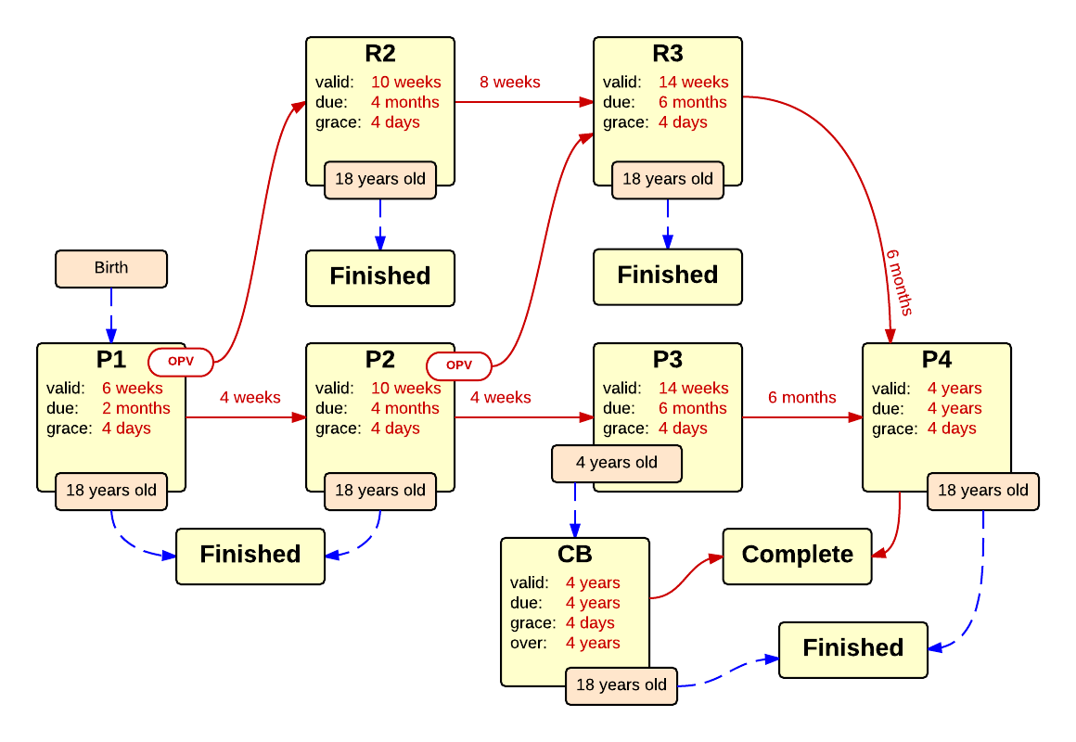

Schedule | Dose | Indication | 2 months
P1 | 1 | BIRTH
Determine if dose is valid or when next is due
 | Age | Interval | Grace
Valid | 6 weeks |  | 4 days
Early due | 6 weeks
Due | 2 months
Overdue | 3 months
Finished | 18 years
After invalid dose |  | 0 days
Dose before previous
If valid, pick the next schedule to use
Vaccine | Schedule | Before Age | Reason
IPV | P2
OPV | R2 |  | Oral vaccine given, switching to OPV schedule.
Show Column | 1
Show Row | 1

Schedule | Dose |  | 4 months
P2 | 2
Determine if dose is valid or when next is due
 | Age | Interval | Grace
Valid | 10 weeks | 4 weeks | 4 days
Early due
Due | 4 months
Overdue | 5 months
Finished | 18 years
After invalid dose |  | 4 weeks | 4 days
Dose before previous
If valid, pick the next schedule to use
Vaccine | Schedule | Before Age | Reason
IPV | P3 | 4 years
IPV | CB
OPV | R3 |  | Oral vaccine given, switching to OPV schedule
Show Column | 2
Show Row | 1

Schedule | Dose |  | 6-18 months
P3 | 3
Determine if the vaccination is valid or when next is due
 | Age | Interval | Grace
Valid | 14 weeks | 4 weeks | 4 days
Early due
Due | 6 months
Overdue | 19 months
Finished | 18 years
After invalid dose |  | 4 weeks | 4 days
Dose before previous
If valid, pick the next schedule to use
Vaccine | Schedule | Before Age | Min Interval | Reason
4 Years Old | CB |  |  | Did not receive third dose of IPV by 4 years of age, now expecting 4 year old catch-up booster
Any | P4
Show Column | 3
Show Row | 1

Schedule | Dose |  | 4-6 years
P4 | B
Determine if the vaccination is valid or when next is due
 | Age | Interval | Grace
Valid | 4 years | 6 months | 4 days
Early due
Due | 4 years
Overdue | 7 years
Finished | 18 years
After invalid dose |  | 6 months | 4 days
Dose before previous
If valid, pick the next schedule to use
Vaccine | Schedule | Before Age | Reason
Any | COMPLETE
Show Column | 4
Show Row | 1

Schedule | Dose |  | 4 months OPV
R2 | 2
Determine if the vaccination is valid or when next is due
 | Age | Interval | Grace
Valid | 10 weeks | 4 weeks | 4 days
Early due
Due | 4 months
Overdue | 5 months
Finished | 18 years
After invalid dose |  | 4 weeks | 4 days
Dose before previous
If valid, pick the next schedule to use
Vaccine | Schedule | Before Age | Reason
Any | R3
Show Column | 2
Show Row | 2

Schedule | Dose |  | 6-18 months OPV
R3 | 3
Determine if the vaccination is valid or when next is due
 | Age | Interval | Grace
Valid | 14 weeks | 4 weeks | 4 days
Early due
Due | 6 months
Overdue | 19 months
Finished | 18 years
After invalid dose |  | 4 weeks | 4 days
Dose before previous
If valid, pick the next schedule to use
Vaccine | Schedule | Before Age | Reason
Any | P4
Show Column | 3
Show Row | 2

Schedule | Dose |  | catch-up booster
CB | B
Determine if the vaccination is valid or when next is due
 | Age | Interval | Grace
Valid | 4 years | 6 months | 4 days
Early due
Due | 4 years
Overdue | 4 years
Finished | 18 years
After invalid dose |  | 6 months | 4 days
Dose before previous
If valid, pick the next schedule to use
Vaccine | Schedule | Before Age | Reason
Any | COMPLETE
Show Column | 4
Show Row | 1

