Schedules
Forecast Series Name |  | Zoster |  | Vaccines
Vaccines | Vaccine Ids |  |  | Vaccine | Trade Name(s) | Id
Live Zoster | 2110 |  |  | ZVL (Live Zoster Vaccine) |  | 2110
RZV | 237 |  |  | RZV (Recombinant Zoster Vaccine) | Shingrix | 237

Varicella | 178 |  |  | Contraindication
 |  |  |  | Vaccine | Trade Name(s) | Id
 |  |  |  | Varicella |  | 178

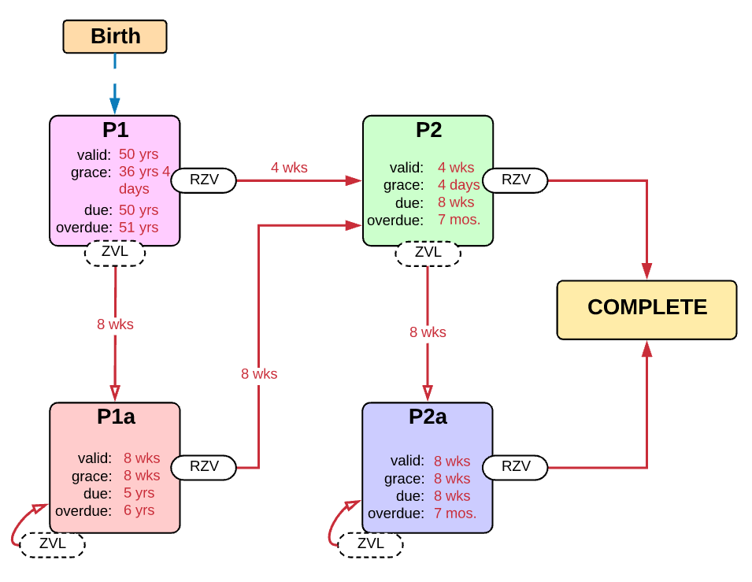

Schedule | Dose | Indication | P1 / Start
P1 | 1 | BIRTH
Determine if dose is valid or when next is due
 | Age | Interval | Grace
Valid | 50 years |  | 32 years 4 days
Early due
Due | 50 years
Overdue | 51 years
Finished | 120 years
After invalid dose |  | 8 weeks | 4 weeks 4 days
Dose before previous
In case of contraindicated dose
Vaccine | Interval After | Before Age | Reason | Grace
Varicella | 8 weeks |  |  | 8 weeks
If valid, pick the next schedule to use
Vaccine | Schedule | Before Age | Reason
Live Zoster | P1a
RZV | P2
Show Column | 1
Show Row | 1

Schedule | Dose |  | P2 / 2nd RZV
P2 | 2
Determine if dose is valid or when next is due
 | Age | Interval | Grace
Valid | 50 years | 4 weeks | 4 days
Early due
Due |  | 8 weeks
Overdue |  | 7 months
Finished | 120 years
After invalid dose |  | 4 weeks | 4 days
Dose before previous
In case of contraindicated dose
Vaccine | Interval After | Before Age | Reason | Grace
Varicella | 8 weeks |  |  | 8 weeks
If valid, pick the next schedule to use
Vaccine | Schedule | Before Age | Reason
Live Zoster | P2a
RZV | COMPLETE
Show Column | 2
Show Row | 1

Schedule | Dose |  | P1a / 1st RZV (post-ZVL)
P1a | 1
Determine if dose is valid or when next is due
 | Age | Interval | Grace
Valid |  | 8 weeks | 8 weeks
Early due
Due |  | 5 years
Overdue |  | 6 years
Finished | 120 years
After invalid dose
Dose before previous
In case of contraindicated dose
Vaccine | Interval After | Before Age | Reason | Grace
Varicella | 8 weeks |  |  | 8 weeks
If valid, pick the next schedule to use
Vaccine | Schedule | Before Age | Reason
Live Zoster | P1a
RZV | P2
Show Column | 3
Show Row | 1

Schedule | Dose |  | P2a / 2nd RZV (post-ZVL)
P2a | 2
Determine if dose is valid or when next is due
 | Age | Interval | Grace | Grace for Interval
Valid | 50 years | 8 weeks | 4 days | 8 weeks
Early due
Due |  | 8 weeks
Overdue |  | 7 months
Finished | 120 years
After invalid dose
Dose before previous
In case of contraindicated dose
Vaccine | Interval After | Before Age | Reason | Grace
Varicella | 8 weeks |  |  | 8 weeks
If valid, pick the next schedule to use
Vaccine | Schedule | Before Age | Reason
Live Zoster | P2a
RZV | Complete
Show Column | 4
Show Row | 1

