Schedules
Forecast Series Name |  | Mening |  | Vaccines
Vaccines | Vaccine Ids |  |  | Vaccine | Trade Name(s) | Id
MCV4 | 183, 184, 198 |  |  | Meningococcal Polysaccharide |  | 182
MPSV4 | 182 |  |  | Meningococcal C | This is given in Europe - IGNORE | 197
Menveo | 198 |  |  | MCV4 | Menactra | 183
Menactra | 183 |  |  | Meningococcal, NOS |  | 184
 |  |  |  | MCV4 | Menveo | 198

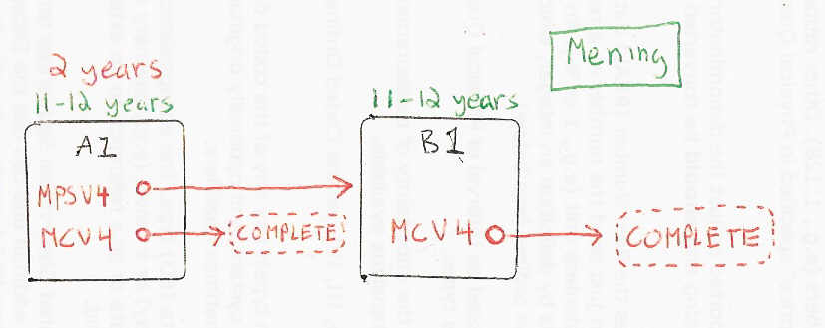

Schedule | Dose | Indication | 1st
A1 | 1 | BIRTH
Determine if dose is valid or when next is due
 | Age | Interval | Grace
Valid | 6 weeks | 8 weeks | 4 days
Early due
Due | 11 years
Overdue | 13 years
Finished | 19 years
After invalid dose |  | 0 days
Dose before previous
If valid, pick the next schedule to use
Vaccine | Schedule | Before Age | Reason
Menactra | INVALID | 9 months -4 days | Menactra not licensed before 9 months.
MPSV4 | INVALID | 2 years | MPSV4 not licensed before 2 years.
MCV4 | A1 | 10 years | Received dose of MCV4 before 10 years, not counting towards completion.
MPSV4 | B1
MCV4 | A2 | 16 years -4 days
MCV4 | COMPLETE |  | Only one dose needed if administered after 15 years of age.
Show Column | 1
Show Row | 1

Schedule | Dose | Indication | 2nd
A2 | 2
Determine if dose is valid or when next is due
 | Age | Interval | Grace
Valid | 16 years | 8 weeks | 4 days
Early due
Due | 16 years
Overdue | 17 years
Finished | 19 years
After invalid dose |  | 8 weeks | 4 days
Dose before previous
If valid, pick the next schedule to use
Vaccine | Schedule | Before Age | Reason
Menactra | INVALID | 9 months
MPSV4 | B1
MCV4 | B2 | 16 years -4 days
MCV4 | COMPLETE
Show Column | 2
Show Row | 1

Schedule | Dose |  | 3rd
B2 | 3
Determine if dose is valid or when next is due
 | Age | Interval | Grace
Valid | 16 years | 8 weeks | 4 days
Early due
Due | 16 years
Overdue | 17 years
Finished | 19 years
After invalid dose |  | 8 weeks | 4 days
Dose before previous
If valid, pick the next schedule to use
Vaccine | Schedule | Before Age | Reason
Menactra | INVALID | 9 months
MCV4 | COMPLETE
MPSV4 | INVALID
Show Column | 2
Show Row | 2

Schedule | Dose |  | 2nd after MPSV4
B1 | 2
Determine if dose is valid or when next is due
 | Age | Interval | Grace
Valid |  | 5 years | 4 days
Early due
Due | 11 years
Overdue | 13 years
Finished | 19 years
After invalid dose |  | 4 weeks | 4 days
Dose before previous
If valid, pick the next schedule to use
Vaccine | Schedule | Before Age | Reason
MCV4 | B2 | 16 years
MCV4 | COMPLETE
MPSV4 | INVALID
Show Column | 1
Show Row | 2

