Sheet1
Pattern Recognition Functions
CDL2CROWS - Two Crows | 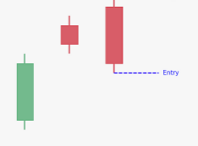
integer = CDL2CROWS(open, high, low, close)
CDL3BLACKCROWS - Three Black Crows | 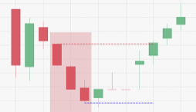
integer = CDL3BLACKCROWS(open, high, low, close)
CDL3INSIDE - Three Inside Up/Down | 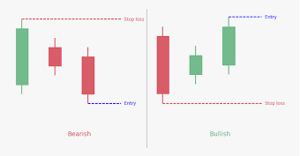
integer = CDL3INSIDE(open, high, low, close)
CDL3LINESTRIKE - Three-Line Strike | 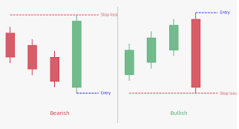
integer = CDL3LINESTRIKE(open, high, low, close)
CDL3OUTSIDE - Three Outside Up/Down | 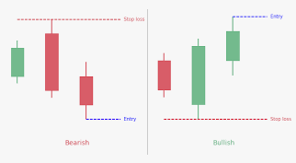
integer = CDL3OUTSIDE(open, high, low, close)
CDL3STARSINSOUTH - Three Stars In The South | 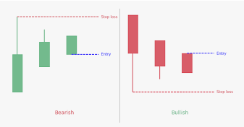
integer = CDL3STARSINSOUTH(open, high, low, close)
CDL3WHITESOLDIERS - Three Advancing White Soldiers | 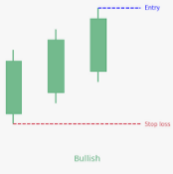
integer = CDL3WHITESOLDIERS(open, high, low, close)
CDLABANDONEDBABY - Abandoned Baby | 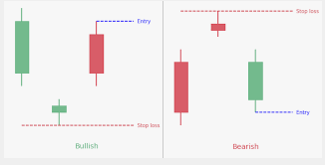
integer = CDLABANDONEDBABY(open, high, low, close, penetration=0)
CDLADVANCEBLOCK - Advance Block | 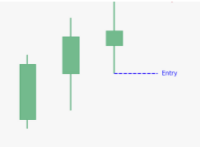
integer = CDLADVANCEBLOCK(open, high, low, close)
CDLBELTHOLD - Belt-hold | 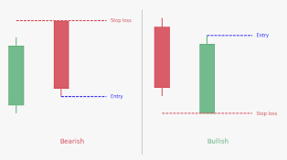
integer = CDLBELTHOLD(open, high, low, close)
CDLBREAKAWAY - Breakaway | 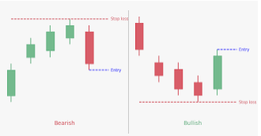
integer = CDLBREAKAWAY(open, high, low, close)
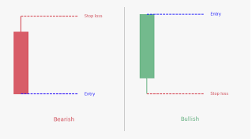
CDLCLOSINGMARUBOZU - Closing Marubozu
integer = CDLCLOSINGMARUBOZU(open, high, low, close)
CDLCONCEALBABYSWALL - Concealing Baby Swallow | 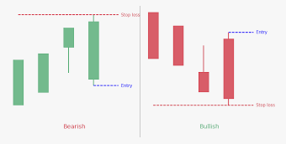
integer = CDLCONCEALBABYSWALL(open, high, low, close)
CDLCOUNTERATTACK - Counterattack | 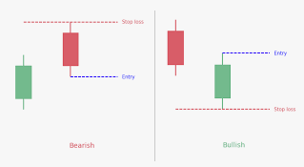
integer = CDLCOUNTERATTACK(open, high, low, close)
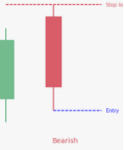
CDLDARKCLOUDCOVER - Dark Cloud Cover
integer = CDLDARKCLOUDCOVER(open, high, low, close, penetration=0)
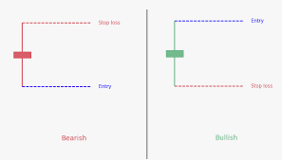
CDLDOJI - Doji
integer = CDLDOJI(open, high, low, close)
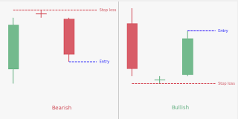
CDLDOJISTAR - Doji Star
integer = CDLDOJISTAR(open, high, low, close)
CDLDRAGONFLYDOJI - Dragonfly Doji | 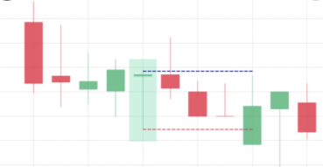
integer = CDLDRAGONFLYDOJI(open, high, low, close)
CDLENGULFING - Engulfing Pattern | 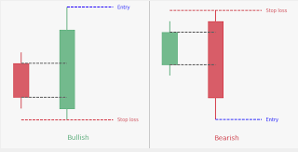
integer = CDLENGULFING(open, high, low, close)
CDLEVENINGDOJISTAR - Evening Doji Star | 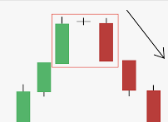
integer = CDLEVENINGDOJISTAR(open, high, low, close, penetration=0)
CDLEVENINGSTAR - Evening Star | 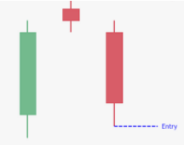
integer = CDLEVENINGSTAR(open, high, low, close, penetration=0)
CDLGAPSIDESIDEWHITE - Up/Down-gap side-by-side white lines | 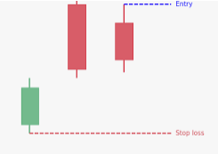 | 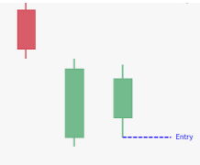
integer = CDLGAPSIDESIDEWHITE(open, high, low, close)
CDLGRAVESTONEDOJI - Gravestone Doji | 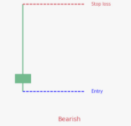
integer = CDLGRAVESTONEDOJI(open, high, low, close)
CDLHAMMER - Hammer | 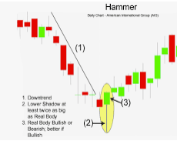
integer = CDLHAMMER(open, high, low, close)
CDLHANGINGMAN - Hanging Man | 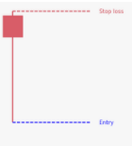
integer = CDLHANGINGMAN(open, high, low, close)
CDLHARAMI - Harami Pattern | 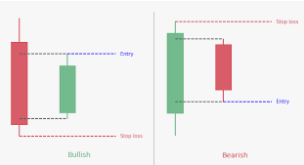
integer = CDLHARAMI(open, high, low, close)
CDLHARAMICROSS - Harami Cross Pattern | 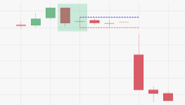
integer = CDLHARAMICROSS(open, high, low, close)
CDLHIGHWAVE - High-Wave Candle | 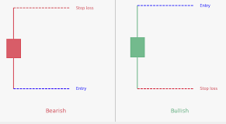
integer = CDLHIGHWAVE(open, high, low, close)
CDLHIKKAKE - Hikkake Pattern | 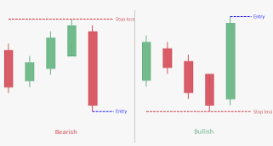
integer = CDLHIKKAKE(open, high, low, close)
CDLHIKKAKEMOD - Modified Hikkake Pattern | 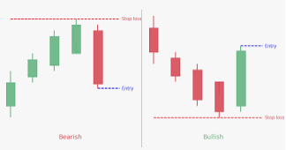
integer = CDLHIKKAKEMOD(open, high, low, close)
CDLHOMINGPIGEON - Homing Pigeon | 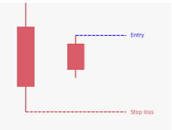
integer = CDLHOMINGPIGEON(open, high, low, close)
CDLIDENTICAL3CROWS - Identical Three Crows | 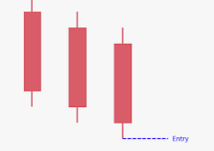
integer = CDLIDENTICAL3CROWS(open, high, low, close)
CDLINNECK - In-Neck Pattern | 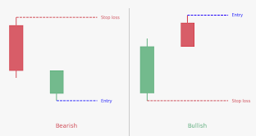
integer = CDLINNECK(open, high, low, close)
CDLINVERTEDHAMMER - Inverted Hammer | 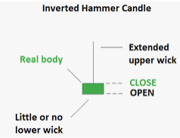
integer = CDLINVERTEDHAMMER(open, high, low, close)
CDLKICKING - Kicking | 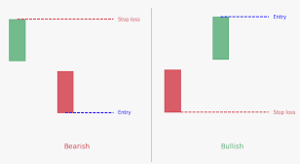
integer = CDLKICKING(open, high, low, close)
CDLKICKINGBYLENGTH - Kicking - bull/bear determined by the longer marubozu
integer = CDLKICKINGBYLENGTH(open, high, low, close)
CDLLADDERBOTTOM - Ladder Bottom | 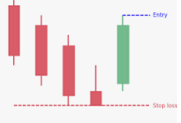
integer = CDLLADDERBOTTOM(open, high, low, close)
CDLLONGLEGGEDDOJI - Long Legged Doji | 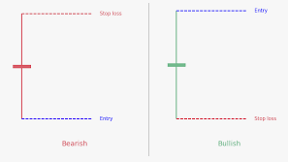
integer = CDLLONGLEGGEDDOJI(open, high, low, close)
CDLLONGLINE - Long Line Candle | 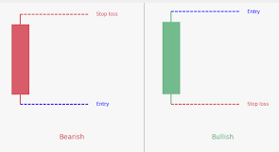
integer = CDLLONGLINE(open, high, low, close)
CDLMARUBOZU - Marubozu | 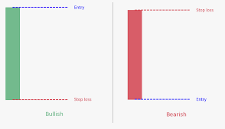
integer = CDLMARUBOZU(open, high, low, close)
CDLMATCHINGLOW - Matching Low | 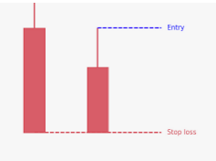
integer = CDLMATCHINGLOW(open, high, low, close)
CDLMATHOLD - Mat Hold | 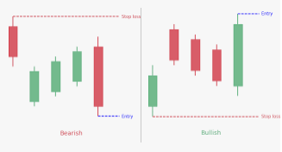
integer = CDLMATHOLD(open, high, low, close, penetration=0)
CDLMORNINGDOJISTAR - Morning Doji Star | 
integer = CDLMORNINGDOJISTAR(open, high, low, close, penetration=0)
CDLMORNINGSTAR - Morning Star | 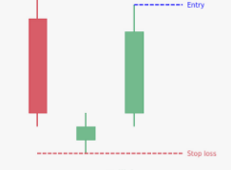
integer = CDLMORNINGSTAR(open, high, low, close, penetration=0)
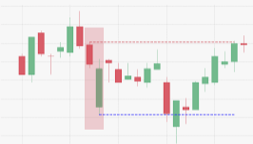
CDLONNECK - On-Neck Pattern
integer = CDLONNECK(open, high, low, close)
CDLPIERCING - Piercing Pattern | 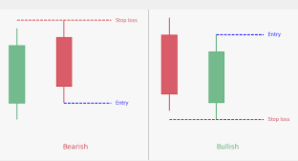
integer = CDLPIERCING(open, high, low, close)
CDLRICKSHAWMAN - Rickshaw Man | 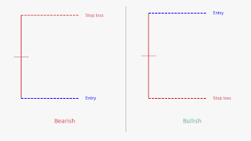
integer = CDLRICKSHAWMAN(open, high, low, close)
CDLRISEFALL3METHODS - Rising/Falling Three Methods | 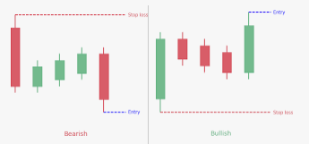
integer = CDLRISEFALL3METHODS(open, high, low, close)
CDLSEPARATINGLINES - Separating Lines | 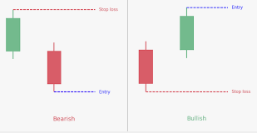
integer = CDLSEPARATINGLINES(open, high, low, close)
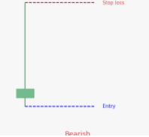
CDLSHOOTINGSTAR - Shooting Star
integer = CDLSHOOTINGSTAR(open, high, low, close)
CDLSHORTLINE - Short Line Candle | 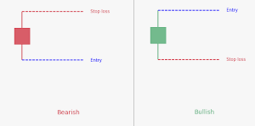
integer = CDLSHORTLINE(open, high, low, close)
CDLSPINNINGTOP - Spinning Top | 
integer = CDLSPINNINGTOP(open, high, low, close)
CDLSTALLEDPATTERN - Stalled Pattern | 
integer = CDLSTALLEDPATTERN(open, high, low, close)

CDLSTICKSANDWICH - Stick Sandwich
integer = CDLSTICKSANDWICH(open, high, low, close)
CDLTAKURI - Takuri (Dragonfly Doji with very long lower shadow) | 
integer = CDLTAKURI(open, high, low, close)
CDLTASUKIGAP - Tasuki Gap | 
integer = CDLTASUKIGAP(open, high, low, close)
CDLTHRUSTING - Thrusting Pattern | 
integer = CDLTHRUSTING(open, high, low, close)
CDLTRISTAR - Tristar Pattern | 
integer = CDLTRISTAR(open, high, low, close)
CDLUNIQUE3RIVER - Unique 3 River | 
integer = CDLUNIQUE3RIVER(open, high, low, close)

CDLUPSIDEGAP2CROWS - Upside Gap Two Crows
integer = CDLUPSIDEGAP2CROWS(open, high, low, close)
CDLXSIDEGAP3METHODS - Upside/Downside Gap Three Methods |  | 
integer = CDLXSIDEGAP3METHODS(open, high, low, close)

