Visualizations
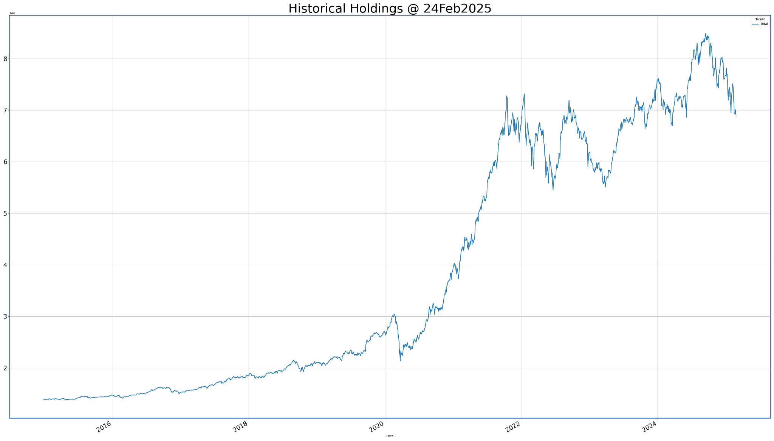
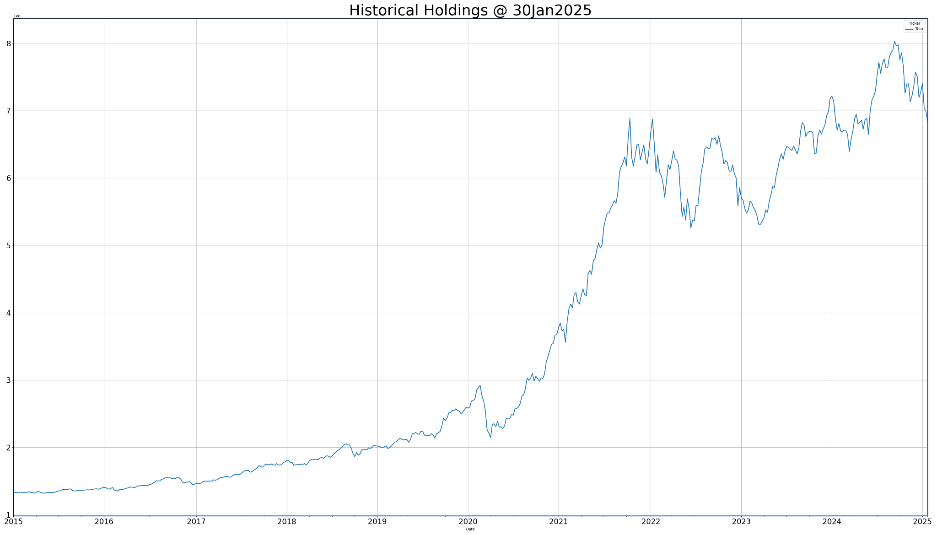
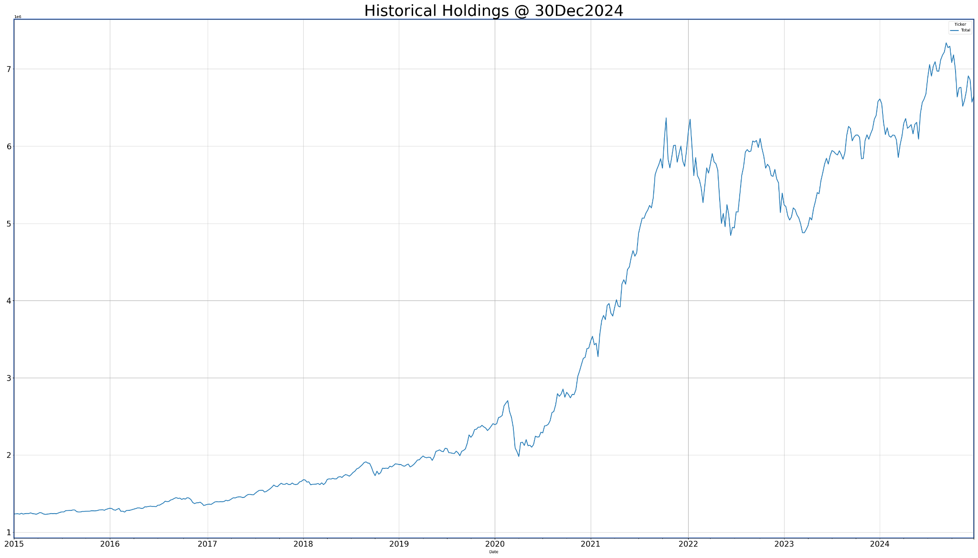
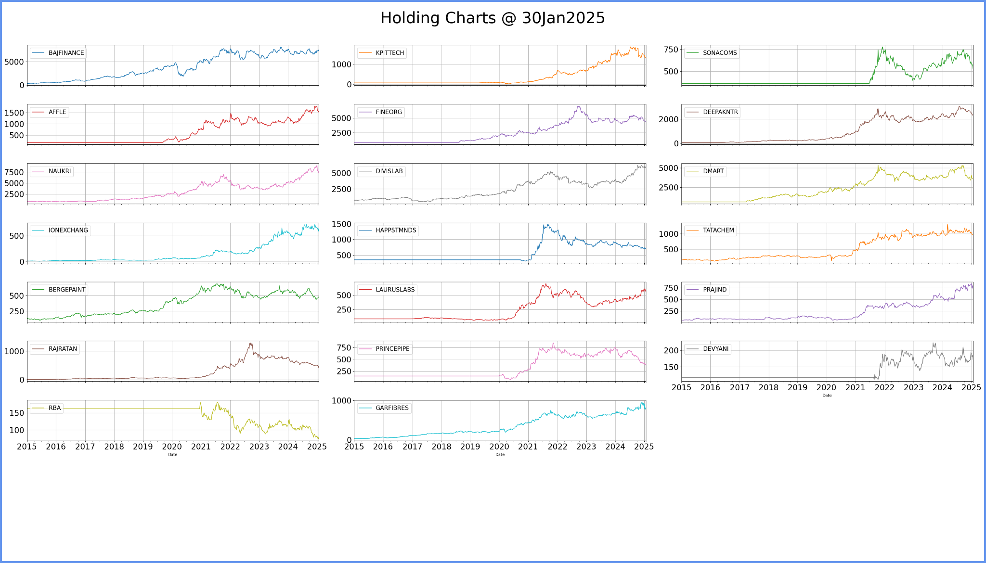
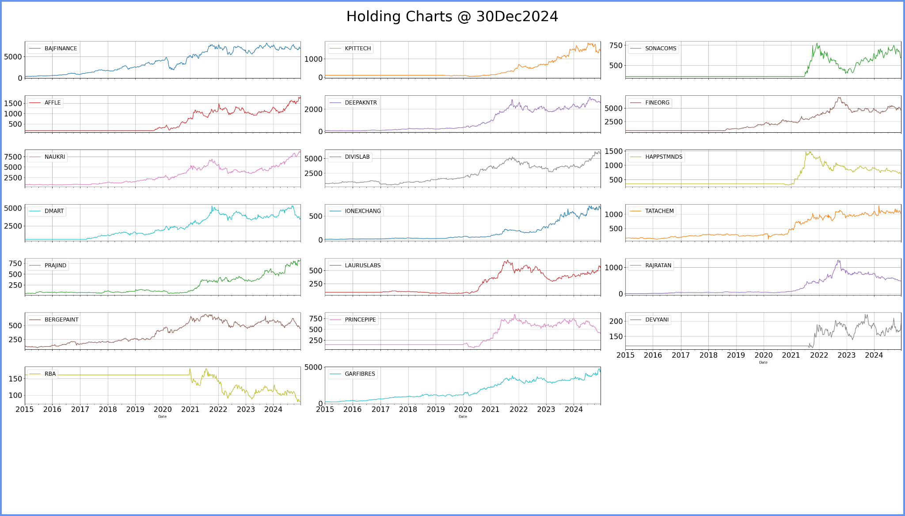
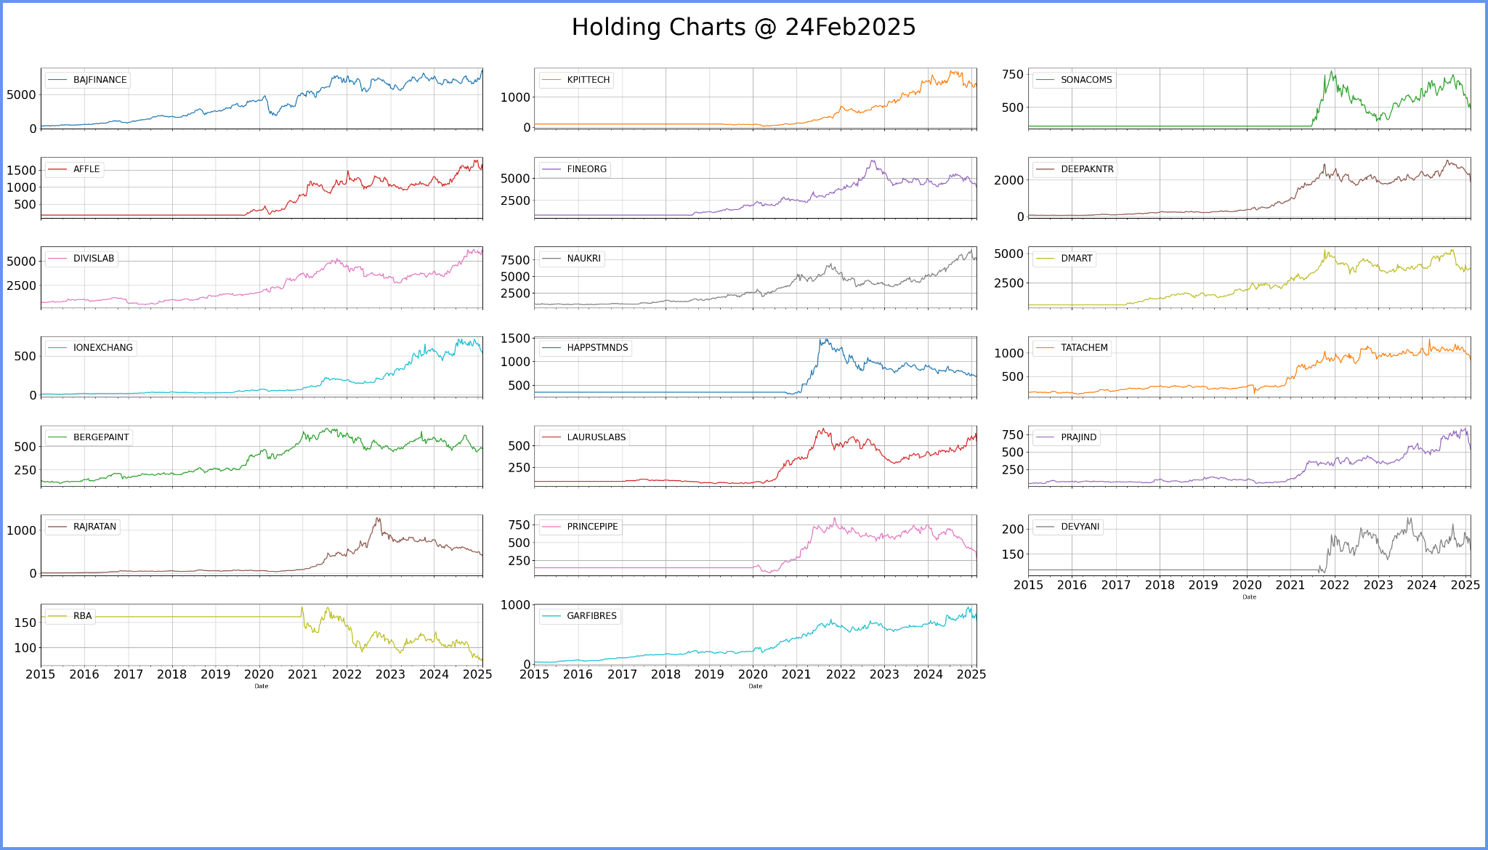
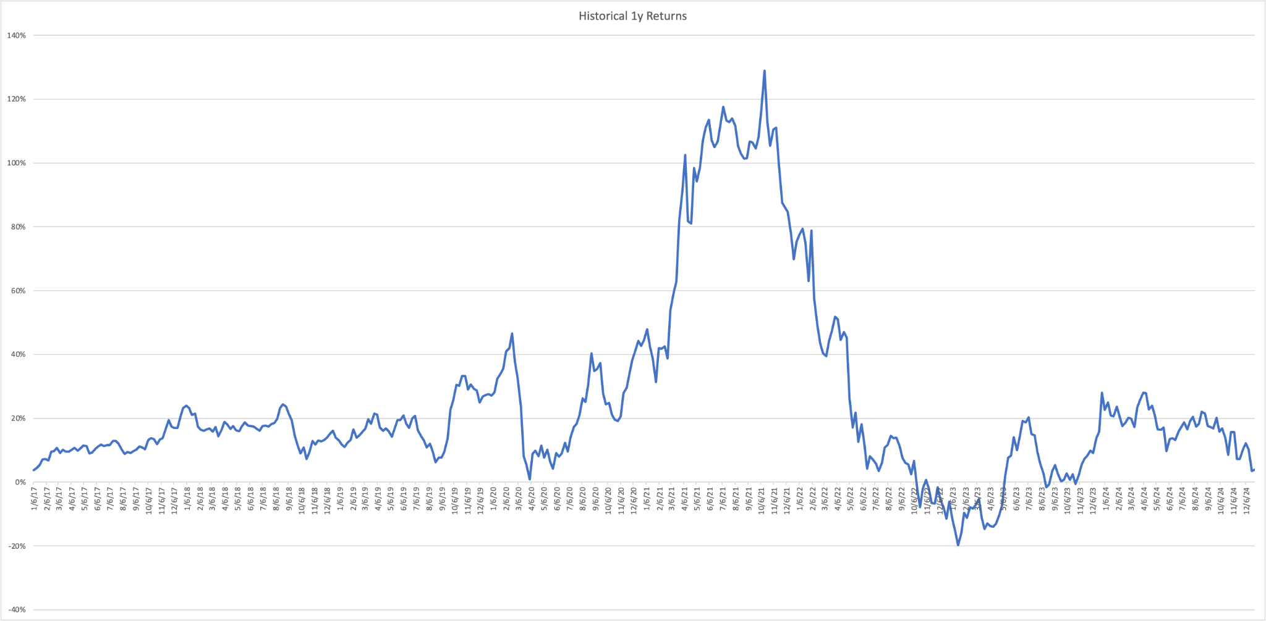
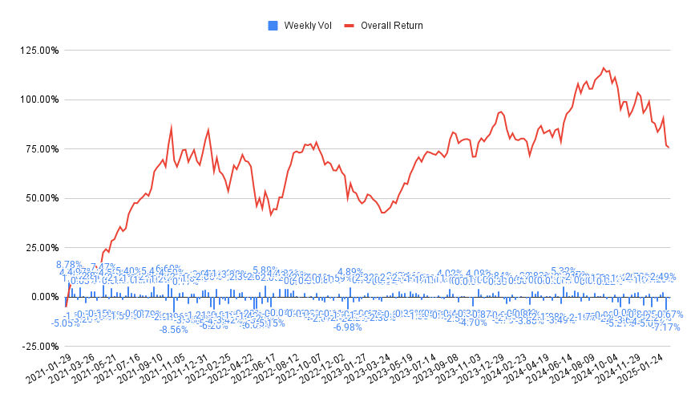
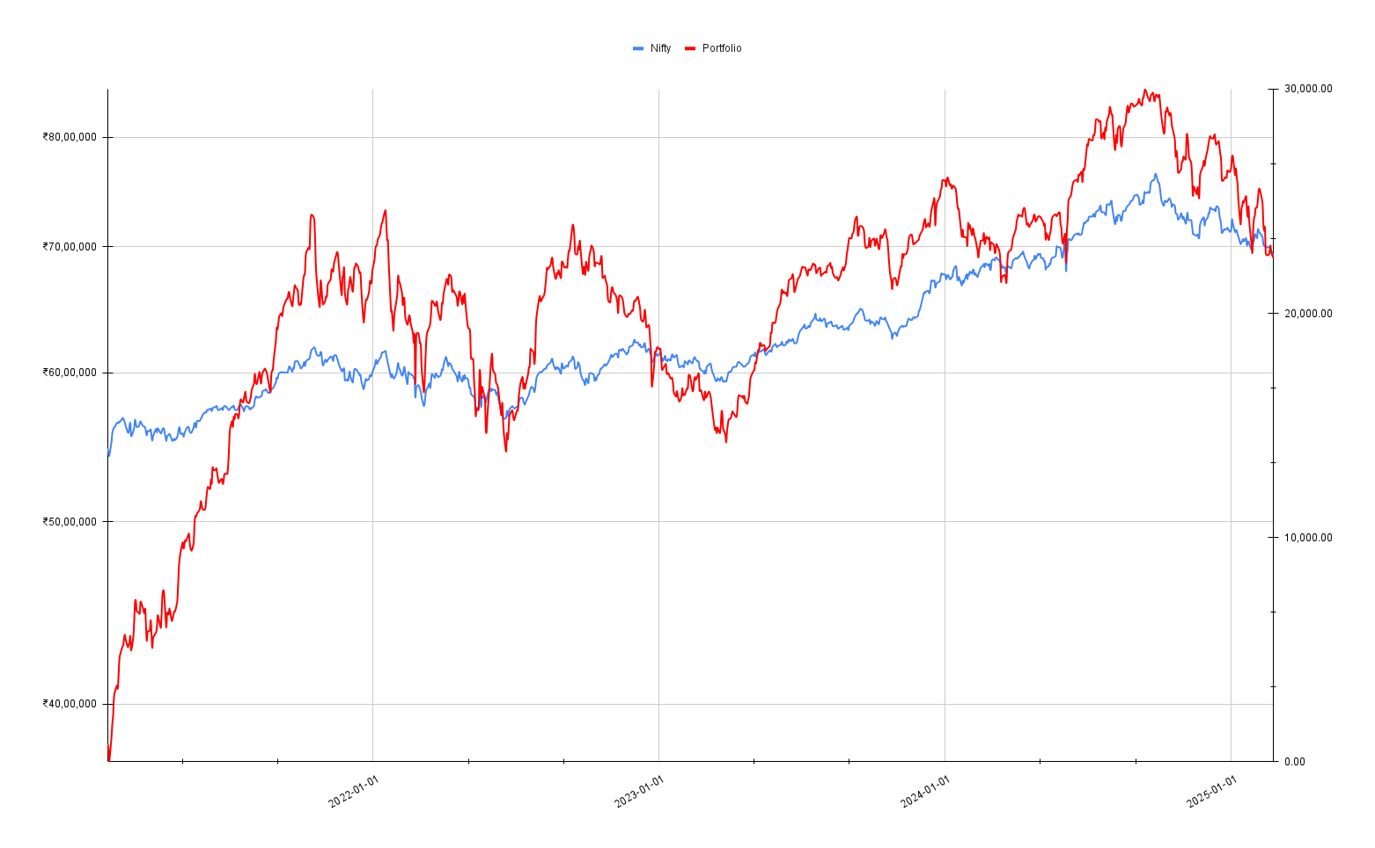
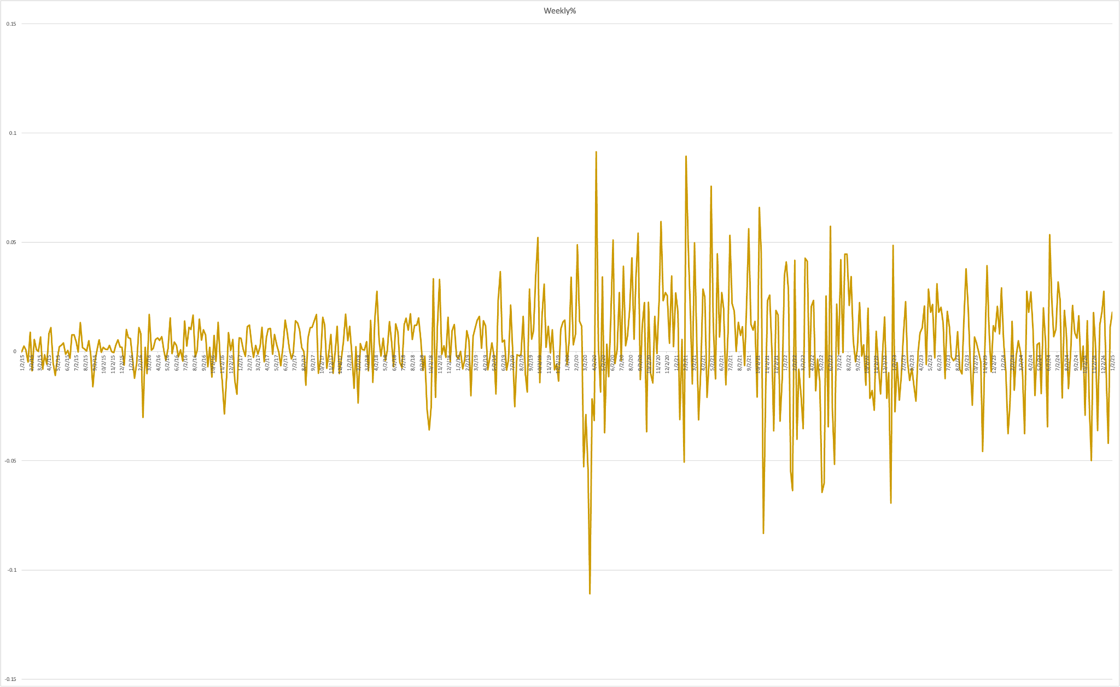
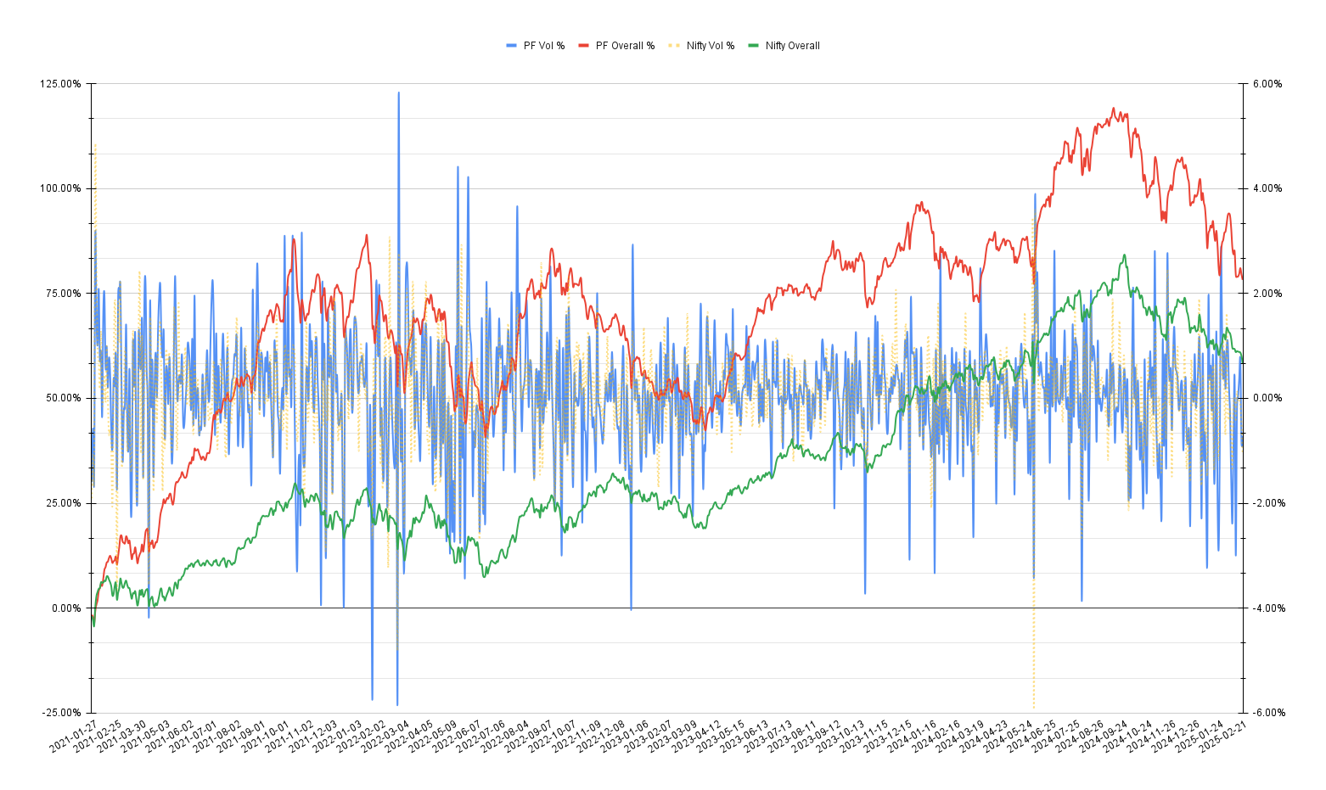
Sector v/s Curr Value
Cum % vs. Symbol
x

Sector | sum Curr Val | Symbol | Cap | Cap | Total
EV & Renewables | 1830786 | BAJFINANCE | L | M | 2,090,644
Finance | 1186515 | DMART | L | L | 2,351,249 | Symbol | Cap | max Curr Val | Sectoral Allocation *** | Portfolio Allocation *** | *** update the ranges manually | # | Symbol | CurrHld % | Cum %
IT - Software | 1183916 | NAUKRI | L | S | 2,386,540 | BAJFINANCE | L | 1186515 |  |  | max max Curr Val | 1 | BAJFINANCE | 17.38% | 17.38%
Chemicals | 1128652 | DIVISLAB | L |  |  | DMART | L | 413557 |  |  | 1186515 | 2 | KPITTECH | 9.43% | 26.81%
Health | 618104 | KPITTECH | M |  |  | DIVISLAB | L | 387366 |  |  |  | 3 | SONACOMS | 8.39% | 35.20%
Consumption | 413557 | SONACOMS | M |  |  | NAUKRI | L | 363811 |  |  |  | 4 | AFFLE | 7.65% | 42.85%
Housing | 317514 | DEEPAKNTR | M |  |  | KPITTECH | M | 644004 |  |  |  | 5 | FINEORG | 6.92% | 49.77%
QSR | 99013 | LAURUSLABS | M |  |  | SONACOMS | M | 573199 |  |  |  | 6 | DEEPAKNTR | 6.24% | 56.02%
Misc | 50375 | BERGEPAINT | M |  |  | DEEPAKNTR | M | 426393 |  |  |  | 7 | DMART | 6.06% | 62.07%
 |  | AFFLE | S |  |  | LAURUSLABS | M | 230738 |  |  |  | 8 | DIVISLAB | 5.67% | 67.74%
 |  | FINEORG | S |  |  | BERGEPAINT | M | 216310 |  |  |  | 9 | NAUKRI | 5.33% | 73.07%
 |  | IONEXCHANG | S |  |  | AFFLE | S | 522133 |  |  |  | 10 | IONEXCHANG | 4.43% | 77.50%
 |  | HAPPSTMNDS | S |  |  | FINEORG | S | 472752 |  |  |  | 11 | HAPPSTMNDS | 4.36% | 81.86%
 |  | TATACHEM | S |  |  | IONEXCHANG | S | 302316 |  |  |  | 12 | LAURUSLABS | 3.38% | 85.24%
 |  | PRAJIND | S |  |  | HAPPSTMNDS | S | 297973 |  |  |  | 13 | TATACHEM | 3.36% | 88.60%
 |  | RAJRATAN | S |  |  | TATACHEM | S | 229507 |  |  |  | 14 | BERGEPAINT | 3.17% | 91.77%
 |  | PRINCEPIPE | S |  |  | PRAJIND | S | 186375 |  |  |  | 15 | PRAJIND | 2.73% | 94.50%
 |  | DEVYANI | S |  |  | RAJRATAN | S | 124892 |  |  |  | 16 | RAJRATAN | 1.83% | 96.33%
 |  | GARFIBRES | S |  |  | PRINCEPIPE | S | 101204 |  |  |  | 17 | PRINCEPIPE | 1.48% | 97.81%
 |  | RBA | S |  |  | DEVYANI | S | 53818 |  |  |  | 18 | DEVYANI | 0.79% | 98.60%
 |  |  |  |  |  | GARFIBRES | S | 50375 |  |  |  | 19 | GARFIBRES | 0.74% | 99.34%
 |  |  |  |  |  | RBA | S | 45195 |  |  |  | 20 | RBA | 0.66% | 100.00%

Snap
Portfolio
TimeStamp | Cost Price | CurrentTotal | Delta | Added | Added Companies | Sold | Sold Companies | Curr - Cost | Return/Day Adj | Total %Return | Net Return % | Net Amt Invested | PayIn
19/12/2022 | 2357650 | 2393719 | 0 |  |  |  |  | 36,069 | 0 | 1.53% | 0.13% | ₹2390650
20/12/2022 | 2357650 | 2385126 | -8,593 |  |  |  |  | 27,476 | -8,593 | 1.17% | -0.23% |  |  |  | On Invested $$$
21/12/2022 | 2357650 | 2353213 | -31,913 |  |  |  |  | -4,437 | -31,913 | -0.19% | -1.57% |  | Max | ₹7197268 | 31.72%
22/12/2022 | 2357650 | 2325868 | -27,345 |  |  |  |  | -31,782 | -27,345 | -1.35% | -2.71% |  | Min | ₹2270945 | -11.49%
23/12/2022 | 2392976 | 2275235 | -50,633 | 35,326 | Polycab, Sonacoms, Deepakntr |  |  | -117,741 | -85,959 | -4.92% | -6.01% | ₹2420650 | Invested till now | ₹4373317
26/12/2022 | 2392976 | 2319336 | 44,102 |  |  |  |  | -73,640 | 44,102 | -3.08% | -4.19% |  | Max Profit | ₹1434204 | 27.41%
27/12/2022 | 2392976 | 2351670 | 32,334 |  |  |  |  | -41,306 | 32,334 | -1.73% | -2.85% |  | Max Loss | -₹277,155
28/12/2022 | 2392976 | 2353029 | 1,359 |  |  |  |  | -39,947 | 1,359 | -1.67% | -2.79% |  | Max Single Day | ₹196636
29/12/2022 | 2392976 | 2353759 | 730 |  |  |  |  | -39,217 | 730 | -1.64% | -2.76% |  | Min Single Day | -₹221,761
30/12/2022 | 2392976 | 2355737 | 1,978 |  |  |  |  | -37,239 | 1,978 | -1.56% | -2.68%
2/1/2023 | 2392976 | 2355319 | -419 |  |  |  |  | -37,657 | -419 | -1.57% | -2.70%
3/1/2023 | 2392976 | 2364338 | 9,019 |  |  |  |  | -28,638 | 9,019 | -1.20% | -2.33% |  | Ret b/w 2Jan23 6Dec23 | 81.36%
4/1/2023 | 2392976 | 2340391 | -23,947 |  |  |  |  | -52,585 | -23,947 | -2.20% | -3.32% |  | Adj Value | 4275728
5/1/2023 | 2392976 | 2334475 | -5,915 |  |  |  |  | -58,501 | -5,915 | -2.44% | -3.56% |  | Diff from Actual | 31,098
6/1/2023 | 2392976 | 2329813 | -4,662 |  |  |  |  | -63,163 | -4,662 | -2.64% | -3.75%
9/1/2023 | 2392976 | 2335358 | 5,545 |  |  |  |  | -57,618 | 5,545 | -2.41% | -3.52%
10/1/2023 | 2392976 | 2337704 | 2,346 |  |  |  |  | -55,272 | 2,346 | -2.31% | -3.43%
11/1/2023 | 2426494 | 2349417 | 11,713 | 33,518 | Lalpath, DMart, Bororenew |  |  | -77,077 | -21,805 | -3.18% | -4.83% | ₹2468650
12/1/2023 | 2426494 | 2352095 | 2,678 |  |  |  |  | -74,399 | 2,678 | -3.07% | -4.72%
13/1/2023 | 2426494 | 2352469 | 373 |  |  |  |  | -74,025 | 373 | -3.05% | -4.71%
16/1/2023 | 2426494 | 2338938 | -13,531 |  |  |  |  | -87,556 | -13,531 | -3.61% | -5.25%
17/1/2023 | 2426494 | 2345458 | 6,521 |  |  |  |  | -81,036 | 6,521 | -3.34% | -4.99%
18/1/2023 | 2438494 | 2359623 | 14,164 | 12,000 | Bajfinance |  |  | -78,871 | 2,164 | -3.23% | -4.42%
19/1/2023 | 2438494 | 2350211 | -9,411 |  |  |  |  | -88,283 | -9,411 | -3.62% | -4.80%
20/1/2023 | 2438494 | 2323116 | -27,095 |  |  |  |  | -115,378 | -27,095 | -4.73% | -5.90%
23/1/2023 | 2438494 | 2319574 | -3,542 |  |  |  |  | -118,920 | -3,542 | -4.88% | -6.04%
24/1/2023 | 2438494 | 2325375 | 5,801 |  |  |  |  | -113,119 | 5,801 | -4.64% | -5.80%
25/1/2023 | 2438494 | 2309226 | -16,149 |  |  |  |  | -129,268 | -16,149 | -5.30% | -6.46%
27/1/2023 | 2438494 | 2270945 | -38,280 |  |  |  |  | -167,549 | -38,280 | -6.87% | -8.01%
30/1/2023 | 2449284 | 2289992 | 19,046 | 10,790 | HappstMNDS |  |  | -159,292 | 8,256 | -6.50% | -10.01% | ₹2544650
31/1/2023 | 2449284 | 2320063 | 30,072 |  |  |  |  | -129,221 | 30,072 | -5.28% | -8.83%
1/2/2023 | 2449284 | 2298663 | -21,400 |  |  |  |  | -150,621 | -21,400 | -6.15% | -9.67%
2/2/2023 | 2459874 | 2314212 | 15,548 | 10,590 | DMart |  |  | -145,662 | 4,958 | -5.92% | -9.06%
3/2/2023 | 2459874 | 2300035 | -14,177 |  |  |  |  | -159,839 | -14,177 | -6.50% | -9.61%
6/2/2023 | 2503247 | 2355420 | 55,385 | 43,373 | Laurus, Divislab, MapmyIndia, Relaxo |  |  | -147,827 | 12,012 | -5.91% | -7.44%
7/2/2023 | 2503247 | 2346902 | -8,518 |  |  |  |  | -156,345 | -8,518 | -6.25% | -7.77%
8/2/2023 | 2503247 | 2365333 | 18,431 |  |  |  |  | -137,914 | 18,431 | -5.51% | -7.05%
9/2/2023 | 2503247 | 2363977 | -1,356 |  |  |  |  | -139,270 | -1,356 | -5.56% | -7.10%
10/2/2023 | 2503247 | 2372193 | 8,216 |  |  |  |  | -131,054 | 8,216 | -5.24% | -6.78%
13/2/2023 | 2516767 | 2349532 | -22,661 | 13,520 | Naukri |  |  | -167,235 | -36,181 | -6.64% | -7.67%
14/2/2023 | 2516767 | 2348031 | -1,501 |  |  |  |  | -168,736 | -1,501 | -6.70% | -7.73%
15/2/2023 | 2516767 | 2367738 | 19,707 |  |  |  |  | -149,029 | 19,707 | -5.92% | -6.95%
16/2/2023 | 2516767 | 2385183 | 17,445 |  |  |  |  | -131,584 | 17,445 | -5.23% | -6.27%
17/2/2023 | 2516767 | 2370760 | -14,422 |  |  |  |  | -146,007 | -14,422 | -5.80% | -6.83%
20/2/2023 | 2516767 | 2374780 | 4,019 |  |  |  |  | -141,987 | 4,019 | -5.64% | -6.68%
21/2/2023 | 2516767 | 2385419 | 10,639 |  |  |  |  | -131,348 | 10,639 | -5.22% | -6.26%
22/2/2023 | 2537567 | 2373223 | -12,196 | 20,800 | Dixon, Affle |  |  | -164,344 | -32,996 | -6.48% | -9.27% | ₹2615650
23/2/2023 | 2545017 | 2381421 | 8,198 | 7,450 | Devyani |  |  | -163,596 | 748 | -6.43% | -8.95%
24/2/2023 | 2555377 | 2392450 | 11,029 | 10,360 | Rajratan |  |  | -162,927 | 669 | -6.38% | -8.53%
27/2/2023 | 2566377 | 2381252 | -11,197 | 11,000 | Princepipe |  |  | -185,125 | -22,197 | -7.21% | -8.96%
28/2/2023 | 2566377 | 2402155 | 20,902 |  |  |  |  | -164,222 | 20,902 | -6.40% | -8.16%
1/3/2023 | 2566377 | 2417791 | 15,637 |  |  |  |  | -148,586 | 15,637 | -5.79% | -7.56%
2/3/2023 | 2580042 | 2425214 | 7,423 | 13,665 | Fineorg |  |  | -154,828 | -6,242 | -6.00% | -7.28%
3/3/2023 | 2580042 | 2430808 | 5,594 |  |  |  |  | -149,234 | 5,594 | -5.78% | -7.07%
6/3/2023 | 2580042 | 2443826 | 13,018 |  |  |  |  | -136,216 | 13,018 | -5.28% | -6.57%
8/3/2023 | 2580042 | 2437628 | -6,198 |  |  |  |  | -142,414 | -6,198 | -5.52% | -6.81%
9/3/2023 | 2580042 | 2421072 | -16,556 |  |  |  |  | -158,970 | -16,556 | -6.16% | -7.44%
10/3/2023 | 2580042 | 2402606 | -18,466 |  |  |  |  | -177,436 | -18,466 | -6.88% | -11.40% | ₹2711650
13/3/2023 | 2622607 | 2400175 | -2,431 | 42,565 | Sonacoms, Deepakntr, Relaxo, DMart |  |  | -222,432 | -44,996 | -8.48% | -11.49%
14/3/2023 | 2635273 | 2405469 | 5,294 | 12,666 | Fineorg |  |  | -229,804 | -7,372 | -8.72% | -11.29%
15/3/2023 | 2675535 | 2448434 | 42,965 | 40,262 | Bororenew, PrajInd, Bajfinance, Affle |  |  | -227,101 | 2,703 | -8.49% | -9.71%
16/3/2023 | 2675535 | 2449579 | 1,145 |  |  |  |  | -225,956 | 1,145 | -8.45% | -9.66%
17/3/2023 | 2675535 | 2461517 | 11,939 |  |  |  |  | -214,018 | 11,939 | -8.00% | -9.22%
20/3/2023 | 2675535 | 2447549 | -13,968 |  |  |  |  | -227,986 | -13,968 | -8.52% | -9.74%
21/3/2023 | 2683635 | 2474793 | 27,244 | 8,100 | Fineorg |  |  | -208,842 | 19,144 | -7.78% | -8.73%
22/3/2023 | 2693715 | 2505911 | 31,118 | 10,080 | Neogen |  |  | -187,804 | 21,038 | -6.97% | -9.00% | ₹2753650
23/3/2023 | 2693715 | 2496145 | -9,766 |  |  |  |  | -197,570 | -9,766 | -7.33% | -9.35%
24/3/2023 | 2703915 | 2471771 | -24,374 | 10,200 | Laurus |  |  | -232,144 | -34,574 | -8.59% | -10.24%
27/3/2023 | 2703915 | 2447076 | -24,695 |  |  |  |  | -256,839 | -24,695 | -9.50% | -11.13%
28/3/2023 | 2724065 | 2446910 | -166 | 20,150 | Bajfinance, IEX |  |  | -277,155 | -20,316 | -10.17% | -11.14%
29/3/2023 | 2724065 | 2476624 | 29,714 |  |  |  |  | -247,442 | 29,714 | -9.08% | -10.06%
31/3/2023 | 2724065 | 2510502 | 33,878 |  |  |  |  | -213,563 | 33,878 | -7.84% | -8.83%
3/4/2023 | 2724065 | 2536231 | 25,729 |  |  |  |  | -187,834 | 25,729 | -6.90% | -7.90%
5/4/2023 | 2724065 | 2555815 | 19,584 |  |  |  |  | -168,250 | 19,584 | -6.18% | -7.18%
6/4/2023 | 2724065 | 2561544 | 5,729 |  |  |  |  | -162,521 | 5,729 | -5.97% | -6.98%
10/4/2023 | 2724065 | 2557385 | -4,159 |  |  |  |  | -166,681 | -4,159 | -6.12% | -7.13%
11/4/2023 | 2724065 | 2574270 | 16,886 |  |  |  |  | -149,795 | 16,886 | -5.50% | -6.51%
12/4/2023 | 2724065 | 2604435 | 30,165 |  |  |  |  | -119,630 | 30,165 | -4.39% | -5.42%
13/4/2023 | 2724065 | 2612122 | 7,686 |  |  |  |  | -111,943 | 7,686 | -4.11% | -5.14%
17/4/2023 | 2724065 | 2602584 | -9,538 |  |  |  |  | -121,481 | -9,538 | -4.46% | -5.49%
18/4/2023 | 2724065 | 2608306 | 5,722 |  |  |  |  | -115,759 | 5,722 | -4.25% | -5.28%
19/4/2023 | 2724065 | 2602095 | -6,211 |  |  |  |  | -121,970 | -6,211 | -4.48% | -5.50%
20/4/2023 | 2724065 | 2614585 | 12,491 |  |  |  |  | -109,480 | 12,491 | -4.02% | -5.05%
21/4/2023 | 2724065 | 2603387 | -11,198 |  |  |  |  | -120,678 | -11,198 | -4.43% | -5.46%
24/4/2023 | 2724065 | 2603907 | 519 |  |  |  |  | -120,158 | 519 | -4.41% | -5.44%
25/4/2023 | 2724065 | 2606530 | 2,623 |  |  |  |  | -117,535 | 2,623 | -4.31% | -5.34%
26/4/2023 | 2724065 | 2613475 | 6,945 |  |  |  |  | -110,590 | 6,945 | -4.06% | -5.09%
27/4/2023 | 2724065 | 2633975 | 20,500 |  |  |  |  | -90,090 | 20,500 | -3.31% | -4.35%
28/4/2023 | 2724065 | 2660028 | 26,053 |  |  |  |  | -64,037 | 26,053 | -2.35% | -3.40%
2/5/2023 | 2724065 | 2684281 | 24,253 |  |  |  |  | -39,784 | 24,253 | -1.46% | -2.52%
3/5/2023 | 2724065 | 2691961 | 7,680 |  |  |  |  | -32,104 | 7,680 | -1.18% | -2.24%
4/5/2023 | 2724065 | 2707736 | 15,775 |  |  |  |  | -16,329 | 15,775 | -0.60% | -1.67%
5/5/2023 | 2724065 | 2709441 | 1,705 |  |  |  |  | -14,624 | 1,705 | -0.54% | -1.61%
8/5/2023 | 2724065 | 2737539 | 28,098 |  |  |  |  | 13,474 | 28,098 | 0.49% | -0.59%
9/5/2023 | 2724065 | 2739600 | 2,061 |  |  |  |  | 15,535 | 2,061 | 0.57% | -0.51%
10/5/2023 | 2724065 | 2753034 | 13,434 |  |  |  |  | 28,969 | 13,435 | 1.06% | -0.02%
11/5/2023 | 2724065 | 2756654 | 3,620 |  |  |  |  | 32,589 | 3,620 | 1.20% | 0.11%
12/5/2023 | 2724065 | 2750446 | -6,208 |  |  |  |  | 26,381 | -6,208 | 0.97% | -0.12%
15/5/2023 | 2724065 | 2746992 | -3,454 |  |  |  |  | 22,927 | -3,454 | 0.84% | -0.24%
16/5/2023 | 2724065 | 2745339 | -1,653 |  |  |  |  | 21,274 | -1,653 | 0.78% | -0.30%
17/5/2023 | 2724065 | 2737195 | -8,145 |  |  |  |  | 13,130 | -8,145 | 0.48% | -0.60%
18/5/2023 | 2724065 | 2732671 | -4,524 |  |  |  |  | 8,606 | -4,524 | 0.32% | -0.76%
19/5/2023 | 2724065 | 2735172 | 2,501 |  |  |  |  | 11,107 | 2,501 | 0.41% | -0.67%
22/5/2023 | 2724065 | 2757569 | 22,397 |  |  |  |  | 33,504 | 22,397 | 1.23% | 0.14%
23/5/2023 | 2724065 | 2761186 | 3,618 |  |  |  |  | 37,121 | 3,618 | 1.36% | 0.27%
24/5/2023 | 2724065 | 2788294 | 27,107 |  |  |  |  | 64,229 | 27,107 | 2.36% | 1.26%
25/5/2023 | 2724065 | 2790151 | 1,858 |  |  |  |  | 66,086 | 1,858 | 2.43% | 1.33%
26/5/2023 | 2724065 | 2818667 | 28,515 |  |  |  |  | 94,602 | 28,515 | 3.47% | 2.36%
29/5/2023 | 2724065 | 2826637 | 7,970 |  |  |  |  | 102572 | 7,970 | 3.77% | 2.65%
30/5/2023 | 2724065 | 2830038 | 3,401 |  |  |  |  | 105973 | 3,401 | 3.89% | 2.77%
31/5/2023 | 2724065 | 2855975 | 25,937 |  |  |  |  | 131910 | 25,937 | 4.84% | 3.72%
1/6/2023 | 2724065 | 2865542 | 9,568 |  |  |  |  | 141477 | 9,568 | 5.19% | 4.06%
2/6/2023 | 2724065 | 2878922 | 13,380 |  |  |  |  | 154857 | 13,380 | 5.68% | 4.55%
5/6/2023 | 2724065 | 2890690 | 11,768 |  |  |  |  | 166625 | 11,768 | 6.12% | 4.98%
6/6/2023 | 2734719 | 2906533 | 15,843 | 10,654 | Rajratan |  |  | 171814 | 5,189 | 6.28% | 4.60% | ₹2778650
7/6/2023 | 2734719 | 2924530 | 17,997 |  |  |  |  | 189812 | 17,997 | 6.94% | 5.25%
8/6/2023 | 2734719 | 2907023 | -17,508 |  |  |  |  | 172304 | -17,508 | 6.30% | 4.62%
9/6/2023 | 2734719 | 2899544 | -7,479 |  |  |  |  | 164825 | -7,479 | 6.03% | 4.35%
12/6/2023 | 2734719 | 2904084 | 4,540 |  |  |  |  | 169365 | 4,540 | 6.19% | 4.51%
13/6/2023 | 2734719 | 2925254 | 21,170 |  |  |  |  | 190535 | 21,170 | 6.97% | 5.28%
14/6/2023 | 2734719 | 2924516 | -738 |  |  |  |  | 189797 | -738 | 6.94% | 5.25%
15/6/2023 | 2734719 | 2948137 | 23,622 |  |  |  |  | 213418 | 23,622 | 7.80% | 6.10%
16/6/2023 | 2734719 | 2974786 | 26,649 |  |  |  |  | 240067 | 26,649 | 8.78% | 7.06%
19/6/2023 | 2734719 | 2981597 | 6,810 |  |  |  |  | 246878 | 6,810 | 9.03% | 7.30%
20/6/2023 | 2734719 | 2993729 | 12,133 |  |  |  |  | 259010 | 12,133 | 9.47% | 7.74%
21/6/2023 | 2734719 | 2999481 | 5,752 |  |  |  |  | 264763 | 5,752 | 9.68% | 7.95%
22/6/2023 | 2744379 | 2988543 | -10,938 | 9,660 | FineOrg |  |  | 244164 | -20,598 | 8.90% | 7.55%
23/6/2023 | 2793818 | 2993123 | 4,580 | 49,439 | Polycab, BajajFin, Happstmnds, Dmart |  |  | 199305 | -44,859 | 7.13% | 5.89% | ₹2826650
26/6/2023 | 2793818 | 3023961 | 30,838 |  |  |  |  | 230143 | 30,838 | 8.24% | 6.04% | ₹2851650
27/6/2023 | 2807024 | 3042593 | 18,632 | 13,206 | Deepakntr |  |  | 235569 | 5,426 | 8.39% | 6.70%
28/6/2023 | 2807024 | 3058501 | 15,908 |  |  |  |  | 251477 | 15,908 | 8.96% | 7.25%
30/6/2023 | 2807024 | 3062605 | 4,104 |  |  |  |  | 255581 | 4,104 | 9.11% | 7.40%
3/7/2023 | 2807024 | 3059705 | -2,900 |  |  |  |  | 252681 | -2,900 | 9.00% | 7.30%
4/7/2023 | 2821878 | 3073767 | 14,062 | 14,854 | Kpittech |  |  | 251889 | -792 | 8.93% | 7.79%
5/7/2023 | 2821878 | 3086382 | 12,614 |  |  |  |  | 264504 | 12,614 | 9.37% | 8.23%
6/7/2023 | 2821878 | 3109075 | 22,694 |  |  |  |  | 287197 | 22,694 | 10.18% | 9.03%
7/7/2023 | 2821878 | 3093973 | -15,102 |  |  |  |  | 272095 | -15,102 | 9.64% | 8.50%
10/7/2023 | 2821878 | 3072471 | -21,503 |  |  |  |  | 250593 | -21,503 | 8.88% | 7.74%
11/7/2023 | 2862893 | 3141704 | 69,233 | 40,670 | Bajajfin, Deepakntr, FineOrg |  |  | 278811 | 28,563 | 9.74% | 8.35% | ₹2899650
12/7/2023 | 2862548 | 3140383 | -1,321 |  |  |  |  | 277835 | -1,321 | 9.71% | 8.30%
13/7/2023 | 2862548 | 3132616 | -7,768 |  |  |  |  | 270068 | -7,768 | 9.43% | 8.03%
14/7/2023 | 2862548 | 3158939 | 26,324 |  |  |  |  | 296391 | 26,324 | 10.35% | 6.82% | ₹2957150
17/7/2023 | 2739402 | 3055764 | -103,175 | 11,160 | DMart | -129,104 | HDFCLife, Lalpathlab, IRCTC | 316363 | 14,769 | 11.55% | 3.33%
18/7/2023 | 2845608 | 3147537 | 91,772 | 151244 | BajajFin, Sonacoms, FineOrg, DMart, Divis, Happstmnds, Kpittech, Deepakntr | -53,760 | AmbujaCem | 301929 | -5,712 | 10.61% | 6.44%
19/7/2023 | 2781284 | 3117960 | -29,577 | 26,760 | Bororenew, Rajratan | -79,652 | IEX | 336677 | 23,316 | 12.11% | 5.44%
20/7/2023 | 2758238 | 3102119 | -15,841 | 18,964 | FineOrg | -52,120 | AntonyWaste, MapMyIndia | 343882 | 17,315 | 12.47% | 4.90%
21/7/2023 | 2810724 | 3128676 | 26,557 | 52,222 | Affle, Kpittech, RajRatan, Princepipe |  |  | 317953 | -25,665 | 11.31% | 5.80%
24/7/2023 | 2825086 | 3160562 | 31,885 | 14,620 | RajRatan |  |  | 335475 | 17,265 | 11.87% | 6.88%
25/7/2023 | 2873708 | 3217785 | 57,223 | 48,282 | TataChem, FineOrg, DMart |  |  | 344077 | 8,941 | 11.97% | 8.81%
26/7/2023 | 2891626 | 3223097 | 5,312 | 18,220 | Naukri |  |  | 331472 | -12,908 | 11.46% | 8.99%
27/7/2023 | 2924191 | 3244056 | 20,959 | 32,380 | BajajFin, FIneOrg |  |  | 319865 | -11,421 | 10.94% | 9.70%
28/7/2023 | 2923863 | 3253452 | 9,396 |  |  |  |  | 329589 | 9,396 | 11.27% | 10.02%
31/7/2023 | 2923863 | 3274591 | 21,139 |  |  |  |  | 350728 | 21,139 | 12.00% | 10.73%
1/8/2023 | 2923863 | 3280621 | 6,030 |  |  |  |  | 356757 | 6,030 | 12.20% | 10.94%
2/8/2023 | 2923863 | 3256204 | -24,416 |  |  |  |  | 332341 | -24,416 | 11.37% | 10.11%
3/8/2023 | 2923863 | 3268687 | 12,483 |  |  |  |  | 344824 | 12,483 | 11.79% | 10.54%
4/8/2023 | 2923863 | 3289084 | 20,398 |  |  |  |  | 365221 | 20,398 | 12.49% | 11.22%
7/8/2023 | 2923863 | 3294625 | 5,540 |  |  |  |  | 370762 | 5,540 | 12.68% | 11.41%
8/8/2023 | 2923863 | 3304931 | 10,307 |  |  |  |  | 381068 | 10,307 | 13.03% | 11.76%
9/8/2023 | 2940659 | 3309139 | 4,208 | 16,620 | Sonacoms |  |  | 368480 | -12,412 | 12.53% | 10.71% | ₹2989150
10/8/2023 | 2958726 | 3323983 | 14,844 | 18,005 | DMart |  |  | 365257 | -3,161 | 12.35% | 11.20%
11/8/2023 | 2958485 | 3302989 | -20,994 |  |  |  |  | 344504 | -20,994 | 11.64% | 10.50%
14/8/2023 | 2861339 | 3186583 | -116,405 | 45,902 | BajFinance, DMart, Happstmnds | -142,647 | CAMS, Nestle, HindZinc | 325244 | -19,660 | 11.37% | 6.61%
16/8/2023 | 2889731 | 3224680 | 38,097 | 26,745 | Rajratan, Deepakntr |  |  | 334950 | 11,352 | 11.59% | 7.88%
17/8/2023 | 3039213 | 3366785 | 142105 | 148662 | Naukri, Tatachem, Divis, Deepakntr, FineOrg, Neogen, BajajFin |  |  | 327572 | -6,557 | 10.78% | 8.99% | ₹3089150
18/8/2023 | 3039213 | 3352546 | -14,239 |  |  |  |  | 313333 | -14,239 | 10.31% | 8.53%
21/8/2023 | 3058975 | 3397631 | 45,084 | 20,824 | Devyani, IonExchange |  |  | 338656 | 24,260 | 11.07% | 9.99%
22/8/2023 | 3058934 | 3418051 | 20,420 |  |  |  |  | 359117 | 20,420 | 11.74% | 10.65%
23/8/2023 | 3058934 | 3428655 | 10,604 |  |  |  |  | 369720 | 10,604 | 12.09% | 10.99%
24/8/2023 | 3058934 | 3434625 | 5,971 |  |  |  |  | 375691 | 5,971 | 12.28% | 4.42% | ₹3289150
25/8/2023 | 3234603 | 3589647 | 155021 | 174350 | FineOrg, TataChem, Sonacoms, Divis, Deepakntr, Affle, DMart |  |  | 355043 | -19,329 | 10.98% | 9.14%
28/8/2023 | 3258533 | 3649464 | 59,817 | 25,056 | Naukri |  |  | 390932 | 34,761 | 12.00% | 10.95%
29/8/2023 | 3258341 | 3686987 | 37,523 |  |  |  |  | 428646 | 37,523 | 13.16% | 12.10%
30/8/2023 | 3258341 | 3711671 | 24,684 |  |  |  |  | 453329 | 24,684 | 13.91% | 12.85%
31/8/2023 | 3258341 | 3725616 | 13,945 |  |  |  |  | 467275 | 13,945 | 14.34% | 13.27%
1/9/2023 | 3258341 | 3758769 | 33,153 |  |  |  |  | 500428 | 33,153 | 15.36% | 14.28%
4/9/2023 | 3258341 | 3766690 | 7,920 |  |  |  |  | 508348 | 7,920 | 15.60% | 14.52%
5/9/2023 | 3258341 | 3790332 | 23,642 |  |  |  |  | 531991 | 23,642 | 16.33% | 15.24%
6/9/2023 | 3258341 | 3797615 | 7,283 |  |  |  |  | 539274 | 7,283 | 16.55% | 15.46%
7/9/2023 | 3258341 | 3802624 | 5,009 |  |  |  |  | 544283 | 5,009 | 16.70% | 15.61%
8/9/2023 | 3258341 | 3830950 | 28,325 |  |  |  |  | 572608 | 28,325 | 17.57% | 16.47%
11/9/2023 | 3258341 | 3852479 | 21,529 |  |  |  |  | 594137 | 21,529 | 18.23% | 17.13%
12/9/2023 | 3258341 | 3766350 | -86,129 |  |  |  |  | 508009 | -86,129 | 15.59% | 14.51%
13/9/2023 | 3258341 | 3776094 | 9,744 |  |  |  |  | 517752 | 9,744 | 15.89% | 14.80%
14/9/2023 | 3258341 | 3806951 | 30,858 |  |  |  |  | 548610 | 30,858 | 16.84% | 15.74%
15/9/2023 | 3258341 | 3803920 | -3,031 |  |  |  |  | 545579 | -3,031 | 16.74% | 15.65%
18/9/2023 | 3258341 | 3796158 | -7,762 |  |  |  |  | 537816 | -7,762 | 16.51% | 15.41%
20/9/2023 | 3258341 | 3783437 | -12,721 |  |  |  |  | 525095 | -12,721 | 16.12% | 15.03%
21/9/2023 | 3258341 | 3738543 | -44,894 |  |  |  |  | 480201 | -44,894 | 14.74% | 13.66%
22/9/2023 | 3258341 | 3692960 | -45,583 |  |  |  |  | 434619 | -45,583 | 13.34% | 12.28%
25/9/2023 | 3258341 | 3696861 | 3,901 |  |  |  |  | 438520 | 3,901 | 13.46% | 12.40%
26/9/2023 | 3258341 | 3699781 | 2,919 |  |  |  |  | 441439 | 2,919 | 13.55% | 12.48%
27/9/2023 | 3258341 | 3741658 | 41,877 |  |  |  |  | 483316 | 41,877 | 14.83% | 13.76%
28/9/2023 | 3331736 | 3775377 | 33,719 | 72,649 | Bergepaint, Deepakntr, HappstMNDS, Naukri |  |  | 443640 | -38,930 | 13.32% | 9.94% | ₹3434150
29/9/2023 | 3330992 | 3800085 | 24,709 |  |  |  |  | 469093 | 24,709 | 14.08% | 10.66%
3/10/2023 | 3360477 | 3840313 | 40,227 | 29,220 | Rajratan, PrincePipe |  |  | 479836 | 11,007 | 14.28% | 11.83%
4/10/2023 | 3387147 | 3838573 | -1,740 | 26,557 | Tatachem, Sonacoms |  |  | 451425 | -28,297 | 13.33% | 11.78%
5/10/2023 | 3386768 | 3858812 | 20,240 | 17,495 | Berger Bonus |  |  | 472044 | 2,745 | 13.94% | 12.37%
6/10/2023 | 3402930 | 3889322 | 30,510 | 15,932 | Sonacoms |  |  | 486392 | 14,578 | 14.29% | 13.25%
9/10/2023 | 3452573 | 3889041 | -281 | 49,380 | Affle, Happstmnds, Sonacoms |  |  | 436469 | -49,661 | 12.64% | 8.42% | ₹3587150 | ₹0
10/10/2023 | 3468849 | 3928315 | 39,274 | 16,520 | Deepakntr |  |  | 459466 | 22,754 | 13.25% | 9.51%
11/10/2023 | 3468849 | 3960275 | 31,960 |  |  |  |  | 491426 | 31,960 | 14.17% | 10.40%
12/10/2023 | 3468849 | 3962540 | 2,265 |  |  |  |  | 493691 | 2,265 | 14.23% | 10.46%
13/10/2023 | 3483448 | 3975949 | 13,409 | 14,664 | FineOrg |  |  | 492500 | -1,255 | 14.14% | 10.84%
16/10/2023 | 3483264 | 4000972 | 25,023 |  |  |  |  | 517708 | 25,023 | 14.86% | 11.54%
17/10/2023 | 3483264 | 4018374 | 17,402 |  |  |  |  | 535110 | 17,402 | 15.36% | 12.02%
18/10/2023 | 3500022 | 4018773 | 399 | 16,700 | Neogen |  |  | 518751 | -16,301 | 14.82% | 12.03%
19/10/2023 | 3533051 | 4027137 | -10,506 | 32,600 | Sonacoms, DMart |  |  | 494087 | -43,106 | 13.98% | 12.27%
20/10/2023 | 3556106 | 4031566 | 4,428 | 23,250 | Bajfinance |  |  | 475460 | -18,822 | 13.37% | 12.39%
23/10/2023 | 3555815 | 3894682 | -136,884 |  |  |  |  | 338866 | -136,884 | 9.53% | 8.57%
25/10/2023 | 3613408 | 3913575 | 18,894 | 56,985 | Neogen, PrincePipe, Rajratan, FineOrg |  |  | 300167 | -38,091 | 8.31% | 6.14% | ₹3687150
26/10/2023 | 3635506 | 3890933 | -22,643 | 22,422 | Bajfinance |  |  | 255427 | -45,065 | 7.03% | 5.53%
27/10/2023 | 3635506 | 3941520 | 50,588 |  |  |  |  | 306014 | 50,588 | 8.42% | 6.90%
30/10/2023 | 3635220 | 3928195 | -13,325 |  |  |  |  | 292975 | -13,325 | 8.06% | 6.54%
31/10/2023 | 3635220 | 3922955 | -5,241 |  |  |  |  | 287734 | -5,241 | 7.92% | 6.40%
1/11/2023 | 3652757 | 3919294 | -3,661 | 17,320 | FineOrg |  |  | 266537 | -20,981 | 7.30% | 6.30%
2/11/2023 | 3652541 | 3942516 | 23,222 |  |  |  |  | 289975 | 23,222 | 7.94% | 6.93% |  | ₹0
3/11/2023 | 3652541 | 3955857 | 13,341 |  |  |  |  | 303317 | 13,341 | 8.30% | 7.29% |  | ₹0
6/11/2023 | 3652541 | 4023896 | 68,039 |  |  |  |  | 371356 | 68,039 | 10.17% | 9.13%
7/11/2023 | 3652541 | 4019895 | -4,002 |  |  |  |  | 367354 | -4,002 | 10.06% | 9.02%
8/11/2023 | 3652541 | 4074297 | 54,403 |  |  |  |  | 421757 | 54,403 | 11.55% | 10.50%
9/11/2023 | 3652541 | 4055504 | -18,793 |  |  |  |  | 402964 | -18,793 | 11.03% | 9.99%
10/11/2023 | 3652541 | 4065533 | 10,028 |  |  |  |  | 412992 | 10,028 | 11.31% | 10.26%
12/11/2023 | 3652541 | 4094048 | 28,515 |  | *Diwali Mahurat Session |  |  | 441508 | 28,515 | 12.09% | 11.04%
13/11/2023 | 3652541 | 4065473 | -28,575 |  |  |  |  | 412932 | -28,575 | 11.31% | 10.26%
15/11/2023 | 3652541 | 4092754 | 27,281 |  |  |  |  | 440213 | 27,281 | 12.05% | 11.00%
16/11/2023 | 3652541 | 4128266 | 35,512 |  |  |  |  | 475725 | 35,512 | 13.02% | 11.96%
17/11/2023 | 3652541 | 4145847 | 17,582 |  |  |  |  | 493307 | 17,582 | 13.51% | 12.44%
20/11/2023 | 3652541 | 4147691 | 1,844 |  |  |  |  | 495150 | 1,844 | 13.56% | 12.49%
21/11/2023 | 3652541 | 4143577 | -4,114 |  |  |  |  | 491037 | -4,114 | 13.44% | 12.38%
22/11/2023 | 3692741 | 4164987 | 21,409 | 40,200 | Bergepaint, FineOrg, Rajratan |  |  | 472245 | -18,791 | 12.79% | 11.45% | ₹3737150
23/11/2023 | 3692741 | 4165712 | 725 |  |  |  |  | 472970 | 725 | 12.81% | 11.47%
24/11/2023 | 3692741 | 4163983 | -1,728 |  |  |  |  | 471242 | -1,729 | 12.76% | 11.42%
28/11/2023 | 3704933 | 4183651 | 19,668 | 12,080 | Neogen |  |  | 478718 | 7,588 | 12.92% | 11.95%
29/11/2023 | 3704821 | 4188316 | 4,666 |  |  |  |  | 483495 | 4,666 | 13.05% | 12.07%
30/11/2023 | 3704821 | 4217320 | 29,004 |  |  |  |  | 512499 | 29,004 | 13.83% | 12.85%
1/12/2023 | 3704821 | 4232576 | 15,256 |  |  |  |  | 527755 | 15,256 | 14.25% | 13.26%
4/12/2023 | 3704821 | 4261714 | 29,138 |  |  |  |  | 556893 | 29,138 | 15.03% | 14.04%
5/12/2023 | 3704821 | 4289917 | 28,203 |  |  |  |  | 585096 | 28,203 | 15.79% | 14.79%
6/12/2023 | 3704821 | 4306826 | 16,908 |  |  |  |  | 602004 | 16,908 | 16.25% | 15.24%
7/12/2023 | 3704821 | 4322149 | 15,324 |  |  |  |  | 617328 | 15,324 | 16.66% | 15.65%
8/12/2023 | 3704821 | 4281959 | -40,190 |  |  |  |  | 577137 | -40,190 | 15.58% | 14.58% |  | ₹4720275 | ₹438317
11/12/2023 | 3704821 | 4331078 | 49,119 |  |  |  |  | 626257 | 49,119 | 16.90% | 15.89%
12/12/2023 | 3704821 | 4312651 | -18,427 |  |  |  |  | 607830 | -18,427 | 16.41% | 15.40%
13/12/2023 | 3704821 | 4314165 | 1,513 |  |  |  |  | 609343 | 1,513 | 16.45% | 15.44%
14/12/2023 | 3704821 | 4353272 | 39,107 |  |  |  |  | 648450 | 39,107 | 17.50% | 16.49%
15/12/2023 | 3704821 | 4379410 | 26,139 |  |  |  |  | 674589 | 26,139 | 18.21% | 17.19%
18/12/2023 | 3704821 | 4425260 | 45,850 |  |  |  |  | 720438 | 45,850 | 19.45% | 18.41%
19/12/2023 | 3704821 | 4431664 | 6,404 |  |  |  |  | 726843 | 6,404 | 19.62% | 18.58%
20/12/2023 | 3744048 | 4296088 | -135,576 | 38,703 | Sonacoms, Bajfinance |  |  | 552041 | -174,279 | 14.74% | 13.29% | ₹3792150
21/12/2023 | 3759634 | 4425102 | 129014 | 15,804 | DMart |  |  | 665468 | 113210 | 17.70% | 16.69%
22/12/2023 | 3759329 | 4454449 | 29,346 |  |  |  |  | 695119 | 29,346 | 18.49% | 17.46%
26/12/2023 | 3759329 | 4511573 | 57,125 |  |  |  |  | 752244 | 57,125 | 20.01% | 18.97%
27/12/2023 | 3608079 | 4394603 | -116,970 |  |  | -140,594 | Neogen, Bororenew | 786524 | 23,624 | 21.80% | 15.89%
28/12/2023 | 3750777 | 4548566 | 153963 | 141669 | Sonacoms, Polycab, Ionexchang, Rajratan, Bajfinance, Kpittech |  |  | 797789 | 12,294 | 21.27% | 19.95%
29/12/2023 | 3749751 | 4589117 | 40,552 |  |  |  |  | 839366 | 40,552 | 22.38% | 21.02%
1/1/2024 | 3749751 | 4580242 | -8,875 |  |  |  |  | 830491 | -8,875 | 22.15% | 20.78%
2/1/2024 | 3749751 | 4588743 | 8,500 |  |  |  |  | 838992 | 8,500 | 22.37% | 21.01%
3/1/2024 | 3749751 | 4557563 | -31,180 |  |  |  |  | 807812 | -31,180 | 21.54% | 20.18%
4/1/2024 | 3784283 | 4622629 | 65,065 | 33,975 | DMart, FineOrg |  |  | 838346 | 31,090 | 22.15% | 20.38% | ₹3840150
5/1/2024 | 3783726 | 4619367 | -3,262 |  |  |  |  | 835640 | -3,262 | 22.09% | 20.29%
8/1/2024 | 3783726 | 4574217 | -45,150 |  |  |  |  | 790490 | -45,150 | 20.89% | 19.12%
9/1/2024 | 3801152 | 4577650 | 3,433 | 14,610 | Polycab |  |  | 776498 | -11,177 | 20.43% | 18.75% | ₹3854850
10/1/2024 | 3801012 | 4557915 | -19,735 |  |  |  |  | 756903 | -19,735 | 19.91% | 18.24%
11/1/2024 | 3801012 | 4510101 | -47,813 |  | *Polycab nose dive -23% --> -57k !!! |  |  | 709089 | -47,813 | 18.66% | 17.00%
12/1/2024 | 3801012 | 4521600 | 11,499 |  |  |  |  | 720588 | 11,499 | 18.96% | 17.30%
15/1/2024 | 3651167 | 4289227 | -232,373 |  |  | -220,000 | Polycab | 638060 | -12,373 | 17.48% | 11.27%
16/1/2024 | 3651167 | 4257975 | -31,252 |  |  |  |  | 606807 | -31,252 | 16.62% | 10.46%
17/1/2024 | 3651167 | 4213147 | -44,828 |  |  |  |  | 561979 | -44,828 | 15.39% | 9.29%
18/1/2024 | 3651167 | 4166046 | -47,101 |  |  |  |  | 514878 | -47,101 | 14.10% | 8.07%
19/1/2024 | 3651167 | 4180336 | 14,291 |  |  |  |  | 529169 | 14,291 | 14.49% | 8.44%
20/1/2024 | 3719687 | 4207570 | 27,234 | 68,520 | Bergepaint, FineOrg, Rajratan, DMart |  | ** Sat as 22Jan25 is BJP Ayodhya program | 487883 | -41,286 | 13.12% | 9.15%
23/1/2024 | 3833654 | 4215393 | 7,823 | 111479 | Bajfinance, Bergepaint, Sonacoms, Deepakntr, Happstmnds, Relaxo |  |  | 381739 | -103,656 | 9.96% | 9.35%
24/1/2024 | 3846347 | 4267535 | 52,142 | 15,000 | Tatachem |  |  | 421188 | 37,142 | 10.95% | 10.71%
25/1/2024 | 3870028 | 4266273 | -1,262 | 23,715 | Kpittech |  |  | 396245 | -24,977 | 10.24% | 10.67% |  | -₹2,930,995
29/1/2024 | 3869877 | 4264753 | -1,520 |  |  |  |  | 394876 | -1,520 | 10.20% | 10.63%
30/1/2024 | 3919008 | 4269734 | 4,981 | 48,697 | Bajfinance, Ionexchang |  |  | 350726 | -43,716 | 8.95% | 9.40% | ₹3902850 |  |  | Overall Loss
31/1/2024 | 3918573 | 4376890 | 107156 |  |  |  |  | 458317 | 107156 | 11.70% | 12.15% |  | Amt Tx to 0dha till 31Jan24 |  | -₹15,723
1/2/2024 | 3918573 | 4353613 | -23,277 |  |  |  |  | 435040 | -23,277 | 11.10% | 11.55%
2/2/2024 | 3918573 | 4365892 | 12,279 |  |  |  |  | 447319 | 12,279 | 11.42% | 11.86%
5/2/2024 | 3918573 | 4320780 | -45,113 |  |  |  |  | 402207 | -45,113 | 10.26% | 10.71%
6/2/2024 | 3918573 | 4348735 | 27,956 |  |  |  |  | 430162 | 27,956 | 10.98% | 11.42%
7/2/2024 | 3918573 | 4336881 | -11,854 |  |  |  |  | 418308 | -11,854 | 10.68% | 11.12%
8/2/2024 | 3918573 | 4308619 | -28,262 |  |  |  |  | 390046 | -28,262 | 9.95% | 10.40%
9/2/2024 | 3918573 | 4292639 | -15,980 |  |  |  |  | 374066 | -15,980 | 9.55% | 9.99%
12/2/2024 | 4065140 | 4368884 | 76,244 | 145022 | Bergepaint, Affle, Princepipe, Prajind, Bajfinance, Sonacoms, DMart |  |  | 303743 | -68,778 | 7.47% | 6.12% | ₹4116850 |  |  | -₹17,364
13/2/2024 | 4095885 | 4398291 | 29,408 | 31,975 | FineOrg, BurgerKing |  |  | 302407 | -2,567 | 7.38% | 6.84%
14/2/2024 | 4095570 | 4428104 | 29,813 |  |  |  |  | 332534 | 29,813 | 8.12% | 7.56%
15/2/2024 | 4095570 | 4446293 | 18,188 |  |  |  |  | 350722 | 18,188 | 8.56% | 8.00%
16/2/2024 | 4095570 | 4471645 | 25,352 |  |  |  |  | 376074 | 25,352 | 9.18% | 8.62%
19/2/2024 | 4095570 | 4489486 | 17,841 |  |  |  |  | 393916 | 17,841 | 9.62% | 9.05%
20/2/2024 | 4095570 | 4524662 | 35,175 |  |  |  |  | 429091 | 35,175 | 10.48% | 9.91%
21/2/2024 | 4132287 | 4522878 | -1,783 | 36,300 | Kpittech, HappiestMnds |  |  | 390591 | -38,083 | 9.45% | 9.86%
22/2/2024 | 4131869 | 4534167 | 11,289 |  |  |  |  | 402298 | 11,289 | 9.74% | 10.14%
23/2/2024 | 4131869 | 4562888 | 28,721 |  |  |  |  | 431019 | 28,721 | 10.43% | 10.83%
26/2/2024 | 4131869 | 4545617 | -17,270 |  |  |  |  | 413749 | -17,270 | 10.01% | 10.41%
27/2/2024 | 4131869 | 4546958 | 1,341 |  |  |  |  | 415090 | 1,341 | 10.05% | 10.45%
28/2/2024 | 4132172 | 4475441 | -71,518 | 24,750 | Bajfinance, Princepipe | -30,960 | Moldtkpac | 343268 | -65,308 | 8.31% | 8.71%
29/2/2024 | 4158560 | 4558689 | 83,248 | 26,580 | Divis, Rajratan |  |  | 400128 | 56,668 | 9.62% | 9.46% | ₹4164850
1/3/2024 | 4158122 | 4558051 | -638 |  |  |  |  | 399929 | -638 | 9.62% | 9.44%
2/3/2024 | 4158122 | 4579305 | 21,254 |  |  |  |  | 421183 | 21,254 | 10.13% | 9.95%
4/3/2024 | 4186395 | 4573280 | -6,026 | 28,050 | Relaxo, Devyani |  |  | 386884 | -34,076 | 9.24% | 9.81%
5/3/2024 | 4268343 | 4626130 | 52,850 | 81,354 | Kpittech, IonExchange, Affle, Bajfinance |  |  | 357787 | -28,504 | 8.38% | 8.43% | ₹4266350
6/3/2024 | 4286946 | 4660119 | 33,989 | 18,603 | Bajfinance |  |  | 373173 | 15,386 | 8.70% | 9.23%
7/3/2024 | 4286132 | 4698404 | 38,285 |  |  |  |  | 412273 | 38,285 | 9.62% | 10.13%
11/3/2024 | 4286132 | 4659623 | -38,781 |  |  |  |  | 373492 | -38,781 | 8.71% | 9.22%
12/3/2024 | 4286132 | 4613307 | -46,316 |  |  |  |  | 327175 | -46,316 | 7.63% | 8.13%
13/3/2024 | 4286132 | 4489107 | -124,200 |  |  |  |  | 202975 | -124,200 | 4.74% | 5.22%
14/3/2024 | 4286132 | 4533182 | 44,075 |  |  |  |  | 247050 | 44,075 | 5.76% | 6.25%
15/3/2024 | 4286132 | 4534847 | 1,665 |  |  |  |  | 248715 | 1,665 | 5.80% | 6.29%
18/3/2024 | 4286132 | 4543180 | 8,334 |  |  |  |  | 257049 | 8,334 | 6.00% | 6.49%
19/3/2024 | 4286132 | 4514997 | -28,184 |  |  |  |  | 228865 | -28,184 | 5.34% | 5.83%
20/3/2024 | 4286132 | 4502017 | -12,980 |  |  |  |  | 215885 | -12,980 | 5.04% | 5.52%
21/3/2024 | 4286132 | 4611600 | 109583 |  |  |  |  | 325468 | 109583 | 7.59% | 8.09%
22/3/2024 | 4286132 | 4657353 | 45,753 |  |  |  |  | 371221 | 45,753 | 8.66% | 9.16%
26/3/2024 | 4286132 | 4677116 | 19,764 |  |  |  |  | 390985 | 19,764 | 9.12% | 9.63%
27/3/2024 | 4286132 | 4691959 | 14,843 |  |  |  |  | 405828 | 14,843 | 9.47% | 9.98%
28/3/2024 | 4286132 | 4728014 | 36,055 |  |  |  |  | 441882 | 36,055 | 10.31% | 10.82%
1/4/2024 | 4286132 | 4805706 | 77,693 |  |  |  |  | 519575 | 77,693 | 12.12% | 12.64%
2/4/2024 | 4286132 | 4855072 | 49,366 |  |  |  |  | 568941 | 49,366 | 13.27% | 13.80%
3/4/2024 | 4286132 | 4868733 | 13,661 |  |  |  |  | 582601 | 13,661 | 13.59% | 14.12%
4/4/2024 | 4286132 | 4896243 | 27,510 |  |  |  |  | 610111 | 27,510 | 14.23% | 14.76%
5/4/2024 | 4286132 | 4895439 | -803 |  |  |  |  | 609308 | -803 | 14.22% | 14.75%
8/4/2024 | 4286132 | 4904233 | 8,793 |  |  |  |  | 618101 | 8,793 | 14.42% | 14.95%
9/4/2024 | 4286132 | 4901825 | -2,407 |  |  |  |  | 615694 | -2,407 | 14.36% | 14.90%
10/4/2024 | 4286132 | 4934444 | 32,619 |  |  |  |  | 648312 | 32,619 | 15.13% | 15.66%
12/4/2024 | 4286132 | 4958403 | 23,959 |  |  |  |  | 672272 | 23,959 | 15.68% | 16.22%
15/4/2024 | 4286132 | 4859572 | -98,832 |  |  |  |  | 573440 | -98,832 | 13.38% | 13.90%
16/4/2024 | 4286132 | 4866679 | 7,108 |  |  |  |  | 580548 | 7,108 | 13.54% | 14.07%
18/4/2024 | 4286132 | 4848326 | -18,354 |  |  |  |  | 562194 | -18,354 | 13.12% | 13.64%
19/4/2024 | 4286132 | 4851219 | 2,894 | 2,004 | Bergepaint |  |  | 565088 | 890 | 13.18% | 11.21% | ₹4362350 | ₹96,000
22/4/2024 | 4286132 | 4890286 | 39,067 |  |  |  |  | 604154 | 39,067 | 14.10% | 12.10%
23/4/2024 | 4309621 | 4923999 | 33,713 | 23,290 | Kpittech |  |  | 614378 | 10,423 | 14.26% | 12.87%
24/4/2024 | 4309621 | 4955386 | 31,387 |  |  |  |  | 645766 | 31,387 | 14.98% | 13.59%
25/4/2024 | 4309226 | 4946946 | -8,440 |  |  |  |  | 637720 | -8,440 | 14.80% | 13.40%
26/4/2024 | 4391788 | 4998695 | 51,748 | 61,423 | Bajfinance, Bergepaint, Sonacoms |  |  | 606907 | -9,675 | 13.82% | 14.59%
29/4/2024 | 4381998 | 5012744 | 14,050 | 9,100 | BurgerKing |  |  | 630746 | 4,950 | 14.39% | 14.91%
30/4/2024 | 4381950 | 5015671 | 2,927 |  |  |  |  | 633721 | 2,927 | 14.46% | 14.98%
2/5/2024 | 4381950 | 5020095 | 4,424 |  |  |  |  | 638145 | 4,424 | 14.56% | 15.08%
3/5/2024 | 4381950 | 5007714 | -12,381 |  |  |  |  | 625764 | -12,381 | 14.28% | 14.79%
6/5/2024 | 4381950 | 4984744 | -22,970 |  |  |  |  | 602794 | -22,970 | 13.76% | 14.27%
7/5/2024 | 4381950 | 4962643 | -22,101 |  |  |  |  | 580693 | -22,101 | 13.25% | 13.76%
8/5/2024 | 4381950 | 4985423 | 22,780 |  |  |  |  | 603473 | 22,780 | 13.77% | 14.28%
9/5/2024 | 4381950 | 4889781 | -95,643 |  |  |  |  | 507831 | -95,643 | 11.59% | 12.09%
10/5/2024 | 4402839 | 4960341 | 70,560 | 20,615 | Sonacoms |  |  | 557502 | 49,945 | 12.66% | 11.16% | ₹4462350 | ₹100000
13/5/2024 | 4417480 | 4937896 | -22,445 | 14,750 | Rajratan |  |  | 520416 | -37,195 | 11.78% | 10.66%
14/5/2024 | 4417480 | 4946201 | 8,305 |  |  |  |  | 528721 | 8,305 | 11.97% | 10.84%
15/5/2024 | 4417313 | 4957696 | 11,495 |  |  |  |  | 540383 | 11,495 | 12.23% | 11.10%
16/5/2024 | 4437758 | 5014732 | 57,036 | 19,965 | Bajfinance |  |  | 576974 | 37,071 | 13.00% | 12.38%
17/5/2024 | 4437279 | 5086487 | 71,755 |  |  |  |  | 649208 | 71,755 | 14.63% | 13.99%
18/5/2024 | 4437279 | 5089114 | 2,627 |  | * Disaster Recovery test on Saturday |  |  | 651835 | 2,627 | 14.69% | 14.05%
21/5/2024 | 4437279 | 5123603 | 34,489 |  |  |  |  | 686324 | 34,489 | 15.47% | 14.82%
22/5/2024 | 4437279 | 5134692 | 11,090 |  |  |  |  | 697414 | 11,090 | 15.72% | 15.07%
23/5/2024 | 4437279 | 5125044 | -9,648 |  |  |  |  | 687765 | -9,648 | 15.50% | 14.85%
24/5/2024 | 4437279 | 5123227 | -1,817 |  |  |  |  | 685949 | -1,817 | 15.46% | 14.81%
27/5/2024 | 4437279 | 5135008 | 11,780 |  |  |  |  | 697729 | 11,780 | 15.72% | 15.07%
28/5/2024 | 4437279 | 5065699 | -69,308 |  |  |  |  | 628421 | -69,308 | 14.16% | 13.52%
29/5/2024 | 4437279 | 5049651 | -16,048 |  |  |  |  | 612372 | -16,048 | 13.80% | 13.16%
30/5/2024 | 4468493 | 5018394 | -31,257 | 29,727 | Bergepaint, Deepakntr |  |  | 549901 | -60,984 | 12.31% | 12.46%
31/5/2024 | 4467009 | 4985781 | -32,614 |  |  |  |  | 518772 | -32,614 | 11.61% | 11.73%
3/6/2024 | 4362543 | 4681396 | -304,385 |  |  | -377,030 | BEL, Dixon | 318853 | 72,645 | 7.31% | 4.91%
4/6/2024 | 4590758 | 4788167 | 106771 | 226185 | IonExchange, Affle, Kpittech, FineOrg, PrajInd, Sonacoms, Bajfinance, Rajratan, Tatachem, Happstmnds |  |  | 197409 | -119,414 | 4.30% | 7.30% |  |  |  | 322692 | -54,339
5/6/2024 | 4588712 | 4955967 | 167800 |  |  |  |  | 367255 | 167800 | 8.00% | 11.06%
6/6/2024 | 4588712 | 5025419 | 69,452 |  |  |  |  | 436707 | 69,452 | 9.52% | 12.62%
7/6/2024 | 4588712 | 5137060 | 111642 |  |  |  |  | 548348 | 111642 | 11.95% | 15.12%
10/6/2024 | 4588712 | 5179239 | 42,179 |  |  |  |  | 590527 | 42,179 | 12.87% | 16.07%
11/6/2024 | 4588712 | 5199834 | 20,595 |  |  |  |  | 611122 | 20,595 | 13.32% | 16.53%
12/6/2024 | 4588712 | 5226670 | 26,836 |  |  |  |  | 637958 | 26,836 | 13.90% | 17.13%
13/6/2024 | 4588712 | 5255276 | 28,605 |  |  |  |  | 666564 | 28,605 | 14.53% | 17.77%
14/6/2024 | 4588712 | 5264312 | 9,036 |  |  |  |  | 675600 | 9,036 | 14.72% | 17.97%
18/6/2024 | 4588712 | 5280146 | 15,834 |  |  |  |  | 691434 | 15,834 | 15.07% | 18.33%
19/6/2024 | 4588712 | 5259059 | -21,087 |  |  |  |  | 670347 | -21,087 | 14.61% | 17.85%
20/6/2024 | 4588712 | 5306348 | 47,289 |  |  |  |  | 717636 | 47,289 | 15.64% | 18.91%
21/6/2024 | 4632807 | 5333164 | 26,816 | 43,290 | Bajfinance, Sonacoms |  |  | 700357 | -16,474 | 15.12% | 19.51%
24/6/2024 | 4632000 | 5356664 | 23,501 |  |  |  |  | 724664 | 23,501 | 15.64% | 20.04%
25/6/2024 | 4653089 | 5323428 | -33,236 | 20,825 | Happstmnds |  |  | 670339 | -54,061 | 14.41% | 19.30%
26/6/2024 | 4652828 | 5390311 | 66,883 |  |  |  |  | 737482 | 66,883 | 15.85% | 20.80%
27/6/2024 | 4679539 | 5422432 | 32,121 | 26,540 | Affle |  |  | 742893 | 5,581 | 15.88% | 21.52%
28/6/2024 | 4702096 | 5456443 | 34,011 | 22,400 | Sonacoms |  |  | 754347 | 11,611 | 16.04% | 22.28%
1/7/2024 | 4701773 | 5596264 | 139822 |  |  |  |  | 894491 | 139822 | 19.02% | 25.41%
2/7/2024 | 4701773 | 5585974 | -10,291 |  |  |  |  | 884201 | -10,291 | 18.81% | 25.18%
3/7/2024 | 4701773 | 5625526 | 39,552 |  |  |  |  | 923753 | 39,552 | 19.65% | 26.07%
4/7/2024 | 4730728 | 5647362 | 21,837 | 28,420 | Bajfinance |  |  | 916634 | -6,583 | 19.38% | 26.56%
5/7/2024 | 4730192 | 5643686 | -3,676 |  |  |  |  | 913495 | -3,676 | 19.31% | 26.47%
8/7/2024 | 4730192 | 5657570 | 13,884 |  |  |  |  | 927378 | 13,884 | 19.61% | 27.45% | ₹4438928 | -₹23,422 | refunded to A/C
9/7/2024 | 4730192 | 5675465 | 17,895 |  |  |  |  | 945274 | 17,895 | 19.98% | 27.86%
10/7/2024 | 4730192 | 5677531 | 2,065 |  |  |  |  | 947339 | 2,065 | 20.03% | 27.90%
11/7/2024 | 4730192 | 5704699 | 27,169 |  |  |  |  | 974507 | 27,169 | 20.60% | 28.52%
12/7/2024 | 4730192 | 5764297 | 59,598 |  |  |  |  | 1034105 | 59,598 | 21.86% | 29.86%
15/7/2024 | 4730192 | 5773596 | 9,299 |  |  |  |  | 1043404 | 9,299 | 22.06% | 30.07%
16/7/2024 | 4730192 | 5765732 | -7,864 |  |  |  |  | 1035540 | -7,864 | 21.89% | 29.89%
18/7/2024 | 4730192 | 5749851 | -15,881 |  |  |  |  | 1019659 | -15,881 | 21.56% | 29.53%
19/7/2024 | 4782976 | 5692833 | -57,017 | 51,925 | Bajfinance, Sonacoms |  |  | 909857 | -108,942 | 19.02% | 25.09% | ₹4550928 | ₹112000
22/7/2024 | 4801720 | 5753711 | 60,877 | 19,320 | Happstmnds |  |  | 951991 | 41,557 | 19.83% | 26.43%
23/7/2024 | 4855010 | 5775303 | 21,593 | 53,569 | Bajfinance, Kpittech |  |  | 920293 | -31,976 | 18.96% | 23.62% | ₹4671928 | ₹121000
24/7/2024 | 4855010 | 5855808 | 80,505 |  |  |  |  | 1000798 | 80,505 | 20.61% | 25.34%
25/7/2024 | 4855010 | 5847946 | -7,863 |  |  |  |  | 992936 | -7,863 | 20.45% | 25.17%
26/7/2024 | 4855010 | 5905864 | 57,919 |  |  |  |  | 1050854 | 57,919 | 21.64% | 26.41%
29/7/2024 | 4899840 | 6010748 | 104884 | 44,185 | Sonacoms, Happiestmnds |  |  | 1110908 | 60,699 | 22.67% | 28.66%
30/7/2024 | 4929654 | 6060877 | 50,129 | 30,006 | Dmart |  |  | 1131223 | 20,123 | 22.95% | 29.73%
31/7/2024 | 4929196 | 6059431 | -1,445 |  |  |  |  | 1130236 | -1,445 | 22.93% | 29.70%
1/8/2024 | 4929196 | 6022852 | -36,580 |  |  |  |  | 1093656 | -36,580 | 22.19% | 28.92%
2/8/2024 | 4956894 | 6040815 | 17,964 | 27,375 | FineOrg |  |  | 1083921 | -9,411 | 21.87% | 29.30%
5/8/2024 | 5134695 | 5995011 | -45,804 | 175957 | Sonacoms, Naukri, Bajfinance, Princepipe, Kpittech, FineOrg, Affle |  |  | 860316 | -221,761 | 16.75% | 23.22% | ₹4865350 | ₹170000
6/8/2024 | 5132528 | 5997182 | 2,171 |  |  |  |  | 864654 | 2,171 | 16.85% | 23.26%
7/8/2024 | 4453429 | 5511095 | -486,087 |  |  | -585,215 | Princepipe, Happstmnds, Relaxo | 1057666 | 99,127 | 23.75% | 13.27%
8/8/2024 | 4863497 | 5834208 | 323113 | 390910 | Happstmnds, Bergepaint, Bajfinance, Kpittech |  |  | 970711 | -67,797 | 19.96% | 19.91%
9/8/2024 | 4869694 | 5951902 | 117694 | 24,875 | Dmart |  |  | 1082207 | 92,819 | 22.22% | 22.33%
12/8/2024 | 4869213 | 5965528 | 13,626 |  |  |  |  | 1096315 | 13,626 | 22.52% | 22.61%
13/8/2024 | 5019110 | 6003257 | 37,729 | 147951 | Affle, Deepakntr, DMart, Sonacoms, Bajfinance |  |  | 984147 | -110,222 | 19.61% | 23.39%
14/8/2024 | 5017161 | 5989965 | -13,292 |  |  |  |  | 972804 | -13,292 | 19.39% | 23.11%
16/8/2024 | 5017161 | 6095033 | 105068 |  |  |  |  | 1077872 | 105068 | 21.48% | 25.27%
19/8/2024 | 5017161 | 6142259 | 47,226 |  |  |  |  | 1125098 | 47,226 | 22.43% | 26.24%
20/8/2024 | 5017161 | 6206653 | 64,393 |  |  |  |  | 1189492 | 64,393 | 23.71% | 27.57%
21/8/2024 | 5017161 | 6268454 | 61,801 |  |  |  |  | 1251293 | 61,801 | 24.94% | 28.84%
22/8/2024 | 5017161 | 6276766 | 8,312 |  |  |  |  | 1259605 | 8,312 | 25.11% | 29.01%
23/8/2024 | 5037423 | 6258003 | -18,763 | 19,957 | Deepakntr |  |  | 1220581 | -38,720 | 24.23% | 28.62%
26/8/2024 | 5037118 | 6325596 | 67,593 |  |  |  |  | 1288479 | 67,593 | 25.58% | 30.01%
27/8/2024 | 5037118 | 6328991 | 3,394 |  |  |  |  | 1291873 | 3,394 | 25.65% | 30.08%
28/8/2024 | 5037118 | 6320751 | -8,240 |  |  |  |  | 1283633 | -8,240 | 25.48% | 29.91%
29/8/2024 | 5037118 | 6314710 | -6,041 |  |  |  |  | 1277592 | -6,041 | 25.36% | 29.79%
30/8/2024 | 5037118 | 6313718 | -992 |  |  |  |  | 1276600 | -992 | 25.34% | 29.77%
2/9/2024 | 5037118 | 6344521 | 30,803 |  |  |  |  | 1307403 | 30,803 | 25.96% | 30.40%
3/9/2024 | 5037118 | 6335750 | -8,771 |  |  |  |  | 1298632 | -8,771 | 25.78% | 30.22%
4/9/2024 | 5037118 | 6350227 | 14,477 |  |  |  |  | 1313109 | 14,477 | 26.07% | 30.52%
5/9/2024 | 5037118 | 6392581 | 42,355 |  |  |  |  | 1355464 | 42,355 | 26.91% | 31.39%
6/9/2024 | 5037118 | 6372728 | -19,854 |  |  |  |  | 1335610 | -19,854 | 26.52% | 30.98%
9/9/2024 | 5201419 | 6521793 | 149065 | 164300 | Princepipe |  |  | 1320374 | -15,235 | 25.38% | 28.85% | ₹5061350 | ₹196000
10/9/2024 | 5201419 | 6572708 | 50,915 |  |  |  |  | 1371289 | 50,915 | 26.36% | 29.86%
11/9/2024 | 5232799 | 6613923 | 41,215 | 31,180 | Affle |  |  | 1381124 | 10,035 | 26.39% | 30.68%
12/9/2024 | 5232606 | 6645908 | 31,985 |  |  |  |  | 1413303 | 31,985 | 27.01% | 31.31%
13/9/2024 | 5232606 | 6666810 | 20,901 |  |  |  |  | 1434204 | 20,901 | 27.41% | 31.72%
16/9/2024 | 5232606 | 6630705 | -36,104 |  |  |  |  | 1398100 | -36,104 | 26.72% | 31.01%
17/9/2024 | 5232606 | 6604816 | -25,889 |  |  |  |  | 1372211 | -25,889 | 26.22% | 30.50%
18/9/2024 | 5232606 | 6598832 | -5,985 |  |  |  |  | 1366226 | -5,985 | 26.11% | 30.38%
19/9/2024 | 5232606 | 6596495 | -2,336 |  |  |  |  | 1363890 | -2,336 | 26.07% | 30.33%
20/9/2024 | 5275735 | 6700819 | 104324 | 42,560 | DMart, LaurusLabs |  |  | 1425084 | 61,764 | 27.01% | 29.58% | ₹5171350 | ₹110000
23/9/2024 | 5296821 | 6729864 | 29,045 | 21,152 | DMart |  |  | 1433043 | 7,893 | 27.05% | 30.14%
24/9/2024 | 5329475 | 6733256 | 3,392 | 32,820 | Kpittech |  |  | 1403780 | -29,428 | 26.34% | 30.20%
25/9/2024 | 5343117 | 6706712 | -26,544 | 13,980 | LaurusLabs |  |  | 1363595 | -40,524 | 25.52% | 29.69%
26/9/2024 | 5343117 | 6732597 | 25,885 |  |  |  |  | 1389480 | 25,885 | 26.01% | 30.19%
27/9/2024 | 5343117 | 6753161 | 20,564 |  |  |  |  | 1410044 | 20,564 | 26.39% | 30.59%
30/9/2024 | 5343117 | 6734802 | -18,359 |  |  |  |  | 1391685 | -18,359 | 26.05% | 30.23%
1/10/2024 | 5343117 | 6741102 | 6,300 |  |  |  |  | 1397985 | 6,300 | 26.16% | 30.35%
3/10/2024 | 5343117 | 6612463 | -128,639 |  |  |  |  | 1269347 | -128,639 | 23.76% | 27.87%
4/10/2024 | 5343117 | 6542386 | -70,077 |  |  |  |  | 1199269 | -70,077 | 22.45% | 26.51%
7/10/2024 | 5343117 | 6418585 | -123,801 |  |  |  |  | 1075468 | -123,801 | 20.13% | 24.12%
8/10/2024 | 5343117 | 6460900 | 42,315 |  |  |  |  | 1117783 | 42,315 | 20.92% | 24.94%
9/10/2024 | 5343117 | 6595297 | 134396 |  |  |  |  | 1252180 | 134396 | 23.44% | 27.54%
10/10/2024 | 5343117 | 6589309 | -5,987 |  |  |  |  | 1246192 | -5,987 | 23.32% | 27.42%
11/10/2024 | 5343117 | 6624850 | 35,541 |  |  |  |  | 1281733 | 35,541 | 23.99% | 28.11%
14/10/2024 | 5343117 | 6533285 | -91,565 |  |  |  |  | 1190168 | -91,565 | 22.27% | 26.34%
15/10/2024 | 5372194 | 6587135 | 53,850 | 28,444 | Bajfinance |  |  | 1214942 | 25,406 | 22.62% | 25.92% | ₹5231350 | ₹60,000
16/10/2024 | 5371561 | 6556007 | -31,129 |  |  |  |  | 1184446 | -31,129 | 22.05% | 25.32%
17/10/2024 | 5400831 | 6514999 | -41,008 | 28,735 | DMart |  |  | 1114168 | -69,743 | 20.63% | 24.54%
18/10/2024 | 5400296 | 6476738 | -38,261 |  |  |  |  | 1076442 | -38,261 | 19.93% | 23.81%
21/10/2024 | 5400296 | 6393570 | -83,168 |  |  |  |  | 993274 | -83,168 | 18.39% | 22.22%
22/10/2024 | 5400296 | 6268869 | -124,701 |  |  |  |  | 868573 | -124,701 | 16.08% | 19.83%
23/10/2024 | 5400296 | 6328763 | 59,894 |  |  |  |  | 928467 | 59,894 | 17.19% | 20.98%
24/10/2024 | 5400296 | 6297748 | -31,016 |  |  |  |  | 897452 | -31,016 | 16.62% | 20.38%
25/10/2024 | 5462417 | 6251364 | -46,384 | 61,350 | Kpittech, Sonacoms |  |  | 788947 | -107,734 | 14.44% | 16.21% | ₹5379350 | ₹148000
28/10/2024 | 5461647 | 6268617 | 17,254 |  |  |  |  | 806971 | 17,254 | 14.78% | 16.53%
29/10/2024 | 5461647 | 6272486 | 3,869 |  |  |  |  | 810839 | 3,869 | 14.85% | 16.60%
30/10/2024 | 5524768 | 6369750 | 97,264 | 61,845 | DMart, BurgerKing, Bajfinance |  |  | 844982 | 35,419 | 15.29% | 18.41%
31/10/2024 | 5523495 | 6378249 | 8,499 |  |  |  |  | 854754 | 8,499 | 15.47% | 18.57%
1/11/2024 | 5523495 | 6411239 | 32,990 |  | * Diwali Muhurat |  |  | 887744 | 32,990 | 16.07% | 19.18%
4/11/2024 | 5377216 | 6271981 | -139,258 |  |  | -113,950 | Rajratan | 894765 | -25,308 | 16.64% | 16.59%
5/11/2024 | 5469877 | 6357929 | 85,948 | 92,215 | Kpittech, Rajratan |  |  | 888052 | -6,267 | 16.24% | 18.19%
6/11/2024 | 5469397 | 6545607 | 187678 |  | * Trump election win |  |  | 1076210 | 187678 | 19.68% | 21.68%
7/11/2024 | 5469397 | 6473437 | -72,170 |  |  |  |  | 1004040 | -72,170 | 18.36% | 20.34%
8/11/2024 | 5469397 | 6374629 | -98,808 |  |  |  |  | 905232 | -98,808 | 16.55% | 18.50%
11/11/2024 | 5469397 | 6334635 | -39,994 |  |  |  |  | 865238 | -39,994 | 15.82% | 17.76%
12/11/2024 | 5516122 | 6262884 | -71,751 | 45,505 | Bajfinance, DMart |  |  | 746763 | -117,256 | 13.54% | 16.42%
13/11/2024 | 5514901 | 6159184 | -103,700 |  |  |  |  | 644283 | -103,700 | 11.68% | 14.50%
14/11/2024 | 5514901 | 6211994 | 52,809 |  |  |  |  | 697093 | 52,809 | 12.64% | 15.48%
18/11/2024 | 5514901 | 6156638 | -55,355 |  |  |  |  | 641737 | -55,355 | 11.64% | 14.45%
19/11/2024 | 5590282 | 6261635 | 104996 | 74,342 | DMart, Kpittech, Rajratan |  |  | 671353 | 30,654 | 12.01% | 14.89% | ₹5450350 | ₹71,000
21/11/2024 | 5589238 | 6184788 | -76,846 |  |  |  |  | 595550 | -76,846 | 10.66% | 13.48%
22/11/2024 | 5589238 | 6346252 | 161463 |  |  |  |  | 757013 | 161463 | 13.54% | 16.44%
25/11/2024 | 5589238 | 6411311 | 65,060 |  |  |  |  | 822073 | 65,060 | 14.71% | 17.63%
26/11/2024 | 5589238 | 6428174 | 16,862 |  |  |  |  | 838935 | 16,862 | 15.01% | 17.94%
27/11/2024 | 5589238 | 6462456 | 34,282 |  |  |  |  | 873218 | 34,282 | 15.62% | 18.57%
28/11/2024 | 5589238 | 6430292 | -32,164 |  |  |  |  | 841054 | -32,164 | 15.05% | 17.98%
29/11/2024 | 5589238 | 6465815 | 35,523 |  |  |  |  | 876576 | 35,523 | 15.68% | 15.66% | ₹5590350 | ₹140000
2/12/2024 | 5645993 | 6605216 | 139401 | 55,730 | DMart, Kpittech |  |  | 959223 | 83,671 | 16.99% | 18.15%
3/12/2024 | 5644970 | 6656622 | 51,406 |  |  |  |  | 1011652 | 51,406 | 17.92% | 19.07%
4/12/2024 | 5644970 | 6695780 | 39,159 |  |  |  |  | 1050811 | 39,159 | 18.61% | 19.77%
5/12/2024 | 5644970 | 6727846 | 32,066 |  |  |  |  | 1082877 | 32,066 | 19.18% | 20.35%
6/12/2024 | 5672114 | 6729617 | 1,770 | 26,720 | Sonacoms |  |  | 1057502 | -24,950 | 18.64% | 20.38%
9/12/2024 | 5671688 | 6735386 | 5,770 |  |  |  |  | 1063698 | 5,770 | 18.75% | 20.48%
10/12/2024 | 5732169 | 6797247 | 61,860 | 56,973 | Sonacoms, Bergepaint, Princepipe |  |  | 1065078 | 4,887 | 18.58% | 21.59%
11/12/2024 | 5728662 | 6815558 | 18,312 |  |  |  |  | 1086896 | 18,312 | 18.97% | 21.92%
12/12/2024 | 5728662 | 6754339 | -61,220 |  |  |  |  | 1025676 | -61,220 | 17.90% | 17.56% | ₹5745350 | ₹155000
13/12/2024 | 5780481 | 6779956 | 25,617 | 50,951 | DMart, Divis |  |  | 999475 | -25,334 | 17.29% | 16.38% | ₹5825850 | ₹80,500
16/12/2024 | 5779614 | 6810693 | 30,737 |  |  |  |  | 1031079 | 30,737 | 17.84% | 16.90%
17/12/2024 | 5927104 | 6895336 | 84,643 | 143497 | FineOrg, Bergerpaint, DMart, Sonacoms, Deepakntr, Happstmnds |  |  | 968232 | -58,854 | 16.34% | 18.36%
18/12/2024 | 5940257 | 6867218 | -28,118 | 17,045 | Rajratan |  |  | 926961 | -45,163 | 15.60% | 17.87%
19/12/2024 | 5940257 | 6811518 | -55,700 |  |  |  |  | 871261 | -55,700 | 14.67% | 16.92%
20/12/2024 | 6097076 | 6803394 | -8,124 | 155172 | IonExchange, Kpittech, Affle, Princepipe, Sonacoms, Tatachem, Happstmnds |  |  | 706318 | -163,296 | 11.58% | 13.91% | ₹5972850 | ₹147000
23/12/2024 | 6095343 | 6815098 | 11,704 |  |  |  |  | 719755 | 11,704 | 11.81% | 14.10%
24/12/2024 | 5760822 | 6538076 | -277,022 | 70,086 | Burgerking, Bajfinance | -360,040 | DMart, Sonacoms | 777253 | 12,932 | 13.49% | 9.46%
26/12/2024 | 5797928 | 6557429 | 19,354 | 20,241 | Bergepaint |  |  | 759502 | -888 | 13.10% | 9.79%
27/12/2024 | 5674369 | 6537109 | -20,320 | 27,510 | FineOrg | -107,892 | Bergepaint | 862740 | 60,062 | 15.20% | 9.45%
30/12/2024 | 5783266 | 6637906 | 100797 | 108419 | Deepakntr, IonExchang, Sonacoms, FineOrg |  |  | 854641 | -7,622 | 14.78% | 11.13%
31/12/2024 | 5816925 | 6681438 | 43,532 | 33,995 | Bajfinance |  |  | 864513 | 9,537 | 14.86% | 11.86%
1/1/2025 | 5816229 | 6722032 | 40,594 |  |  |  |  | 905804 | 40,594 | 15.57% | 12.54%
2/1/2025 | 5816229 | 6801609 | 79,577 |  |  |  |  | 985381 | 79,577 | 16.94% | 13.88%
3/1/2025 | 5858045 | 6789563 | -12,046 | 41,350 | Deepakntr, Rajratan ***Garware stock bonus 5/1 |  |  | 931518 | -53,396 | 15.90% | 13.67%
6/1/2025 | 6042244 | 6837703 | 48,140 | 183086 | Bergerpaint, FineOrg, Tatachem, IonExchang, Sonacoms, Affle, Divis |  |  | 795459 | -134,946 | 13.16% | 14.44% | ₹5974778 | ₹1,928
7/1/2025 | 6040655 | 6929402 | 91,699 |  |  |  |  | 888747 | 91,699 | 14.71% | 16.86% | ₹5929621 |  | from statement Credit-debit
8/1/2025 | 6040655 | 6861619 | -67,783 |  |  |  |  | 820964 | -67,783 | 13.59% | 15.72%
9/1/2025 | 6040655 | 6812958 | -48,661 |  |  |  |  | 772304 | -48,661 | 12.79% | 14.90%
10/1/2025 | 6040655 | 6693706 | -119,252 |  |  |  |  | 653051 | -119,252 | 10.81% | 12.89%
13/1/2025 | 6185643 | 6635357 | 25,326 | 144988 | Deepakntr, Kpittech, Affle, FineOrg, Nuakri, IonExchang |  |  | 449714 | -119,662 | 7.27% | 9.23% | ₹6074621 | ₹145000
14/1/2025 | 6185643 | 6765078 | 129722 |  |  |  |  | 579435 | 129722 | 9.37% | 8.92% | ₹6211121 | ₹136500
15/1/2025 | 6185643 | 6776559 | 11,481 |  |  |  |  | 590916 | 11,481 | 9.55% | 9.10%
16/1/2025 | 6211941 | 6843158 | 66,599 | 26,300 | Kpittech |  |  | 631217 | 40,299 | 10.16% | 10.18%
17/1/2025 | 6211941 | 6831596 | -11,562 |  |  |  |  | 619655 | -11,562 | 9.98% | 9.99%
20/1/2025 | 6211941 | 6880700 | 49,104 |  |  |  |  | 668759 | 49,104 | 10.77% | 10.78%
21/1/2025 | 6237449 | 6805873 | -74,827 | 25,065 | Sonacoms |  |  | 568424 | -99,892 | 9.11% | 9.58%
22/1/2025 | 6263472 | 6767024 | -38,849 | 25,920 | Kpittech |  |  | 503551 | -64,769 | 8.04% | 8.23% | ₹6252621 | ₹41,500
23/1/2025 | 6262926 | 6846125 | 79,101 |  |  |  |  | 583200 | 79,101 | 9.31% | 9.49%
24/1/2025 | 6262926 | 6731248 | -114,877 |  |  |  |  | 468322 | -114,877 | 7.48% | 7.65%
27/1/2025 | 6287849 | 6557927 | -173,321 | 24,577 | DMart |  |  | 270078 | -197,898 | 4.30% | 4.88%
28/1/2025 | 6362614 | 6590096 | 32,169 | 74,985 | IonExchang, Lauruslabs, PrajInd |  |  | 227482 | -42,816 | 3.58% | 5.40%
29/1/2025 | 6362493 | 6786731 | 196636 |  |  |  |  | 424238 | 196636 | 6.67% | 8.54%
30/1/2025 | 6362493 | 6873246 | 86,515 |  |  |  |  | 510753 | 86,515 | 8.03% | 9.93%
31/1/2025 | 6362493 | 6903420 | 30,174 |  |  |  |  | 540927 | 30,174 | 8.50% | 10.41%
1/2/2025 | 6362493 | 6963956 | 60,537 |  | * Budget Saturday |  |  | 601464 | 60,537 | 9.45% | 11.38%
3/2/2025 | 6415937 | 7035320 | 71,364 | 53,025 | IonExchang, Sonacoms |  |  | 619382 | 18,339 | 9.65% | 9.83% | ₹6405621 | ₹153000
4/2/2025 | 6415516 | 7084177 | 48,857 |  |  |  |  | 668661 | 48,857 | 10.42% | 10.59%
5/2/2025 | 6415516 | 7167706 | 83,529 |  |  |  |  | 752190 | 83,529 | 11.72% | 11.90%
6/2/2025 | 6415516 | 7197268 | 29,562 |  |  |  |  | 781752 | 29,562 | 12.19% | 12.36%
7/2/2025 | 6415516 | 7173751 | -23,517 |  |  |  |  | 758235 | -23,517 | 11.82% | 11.99%
10/2/2025 | 6465401 | 7109644 | -64,107 | 49,182 | Happstmnds, Dmart |  |  | 644243 | -113,289 | 9.96% | 10.99%
11/2/2025 | 6582943 | 7044039 | -65,605 | 114294 | Kpittech, PrajInd, Princepipe, Tatachem, FineOrg |  |  | 461095 | -179,899 | 7.00% | 8.24% | ₹6507621 | ₹102000
12/2/2025 | 6618173 | 7045022 | 983 | 38,680 | DMart, Lauruslabs |  |  | 426848 | -37,697 | 6.45% | 8.26%
13/2/2025 | 6617669 | 7054724 | 9,702 |  |  |  |  | 437055 | 9,702 | 6.60% | 8.41%
14/2/2025 | 6648258 | 6874718 | -180,005 | 30,208 | Deepakntr |  |  | 226461 | -210,213 | 3.41% | 4.19% | ₹6598121 | ₹90,500
17/2/2025 | 6647874 | 6873218 | -1,500 |  |  |  |  | 225344 | -1,500 | 3.39% | 4.17%
18/2/2025 | 6708458 | 6918570 | 45,352 | 59,914 | PrajInd, FineOrg, Lauruslabs |  |  | 210112 | -14,562 | 3.13% | 4.86%
19/2/2025 | 6708458 | 6959124 | 40,553 |  |  |  |  | 250665 | 40,553 | 3.74% | 5.47%
20/2/2025 | 6707787 | 7005687 | 46,563 |  |  |  |  | 297900 | 46,563 | 4.44% | 6.18%
21/2/2025 | 6707787 | 6943236 | -62,451 |  |  |  |  | 235449 | -62,451 | 3.51% | 5.23%
24/2/2025 | 6707787 | 6902866 | -40,370 |  |  |  |  | 195079 | -40,370 | 2.91% | 4.62%
25/2/2025 | 6707787 | 6916893 | 14,027 |  |  |  |  | 209106 | 14,027 | 3.12% | 4.83%
27/2/2025 | 6707787 | 6816976 | -99,917 |  |  |  |  | 109189 | -99,917 | 1.63% | 3.32%
28/2/2025 | 6861522 | 6804026 | -12,950 | 151681 | DMart, FineOrg, Affle, Naukri, Rajratan, IonExchang, Kpittech |  |  | -57,496 | -164,631 | -0.84% | 0.49% | ₹6771121 | ₹173000
3/3/2025 | 6859472 | 6815012 | 10,985 |  |  |  |  | -44,460 | 10,985 | -0.65% | 0.65%
4/3/2025 | 6859472 | 6802544 | -12,467 |  |  |  |  | -56,928 | -12,467 | -0.83% | 0.46%
5/3/2025 | 6859472 | 6929636 | 127092 |  |  |  |  | 70,164 | 127092 | 1.02% | 2.34%
6/3/2025 | 6859472 | 7025471 | 95,835 |  |  |  |  | 165999 | 95,835 | 2.42% | 3.76%
7/3/2025 | 6859472 | 7042609 | 17,138 |  |  |  |  | 183137 | 17,138 | 2.67% | 4.01%
10/3/2025 | 6859472 | 6894984 | -147,626 |  |  |  |  | 35,512 | -147,626 | 0.52% | 1.83%
11/3/2025 | 6859472 | 6939512 | 44,529 |  |  |  |  | 80,040 | 44,529 | 1.17% | 2.49%
12/3/2025 | 6859472 | 6919468 | -20,044
13/3/2025 | 6859472 | 6828432 | -91,036
14/3/2025 | 6859472 | 6828432 | 0

PortGrowth
Portfolio

