Visualizations
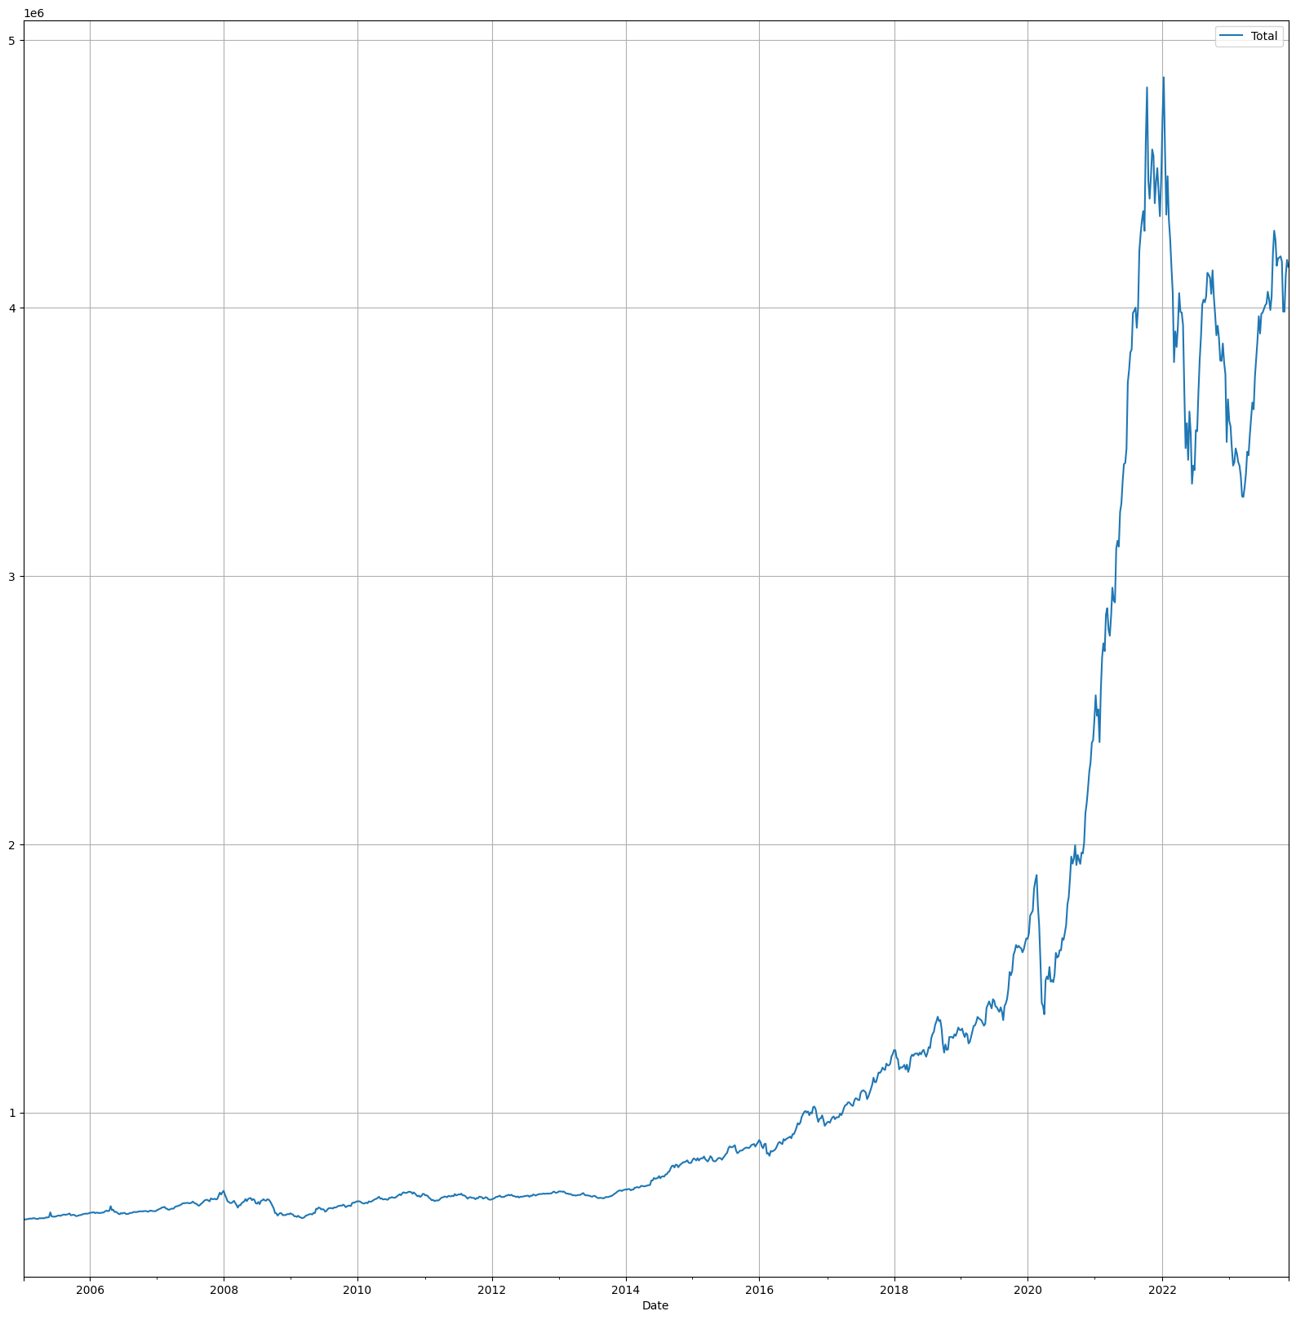
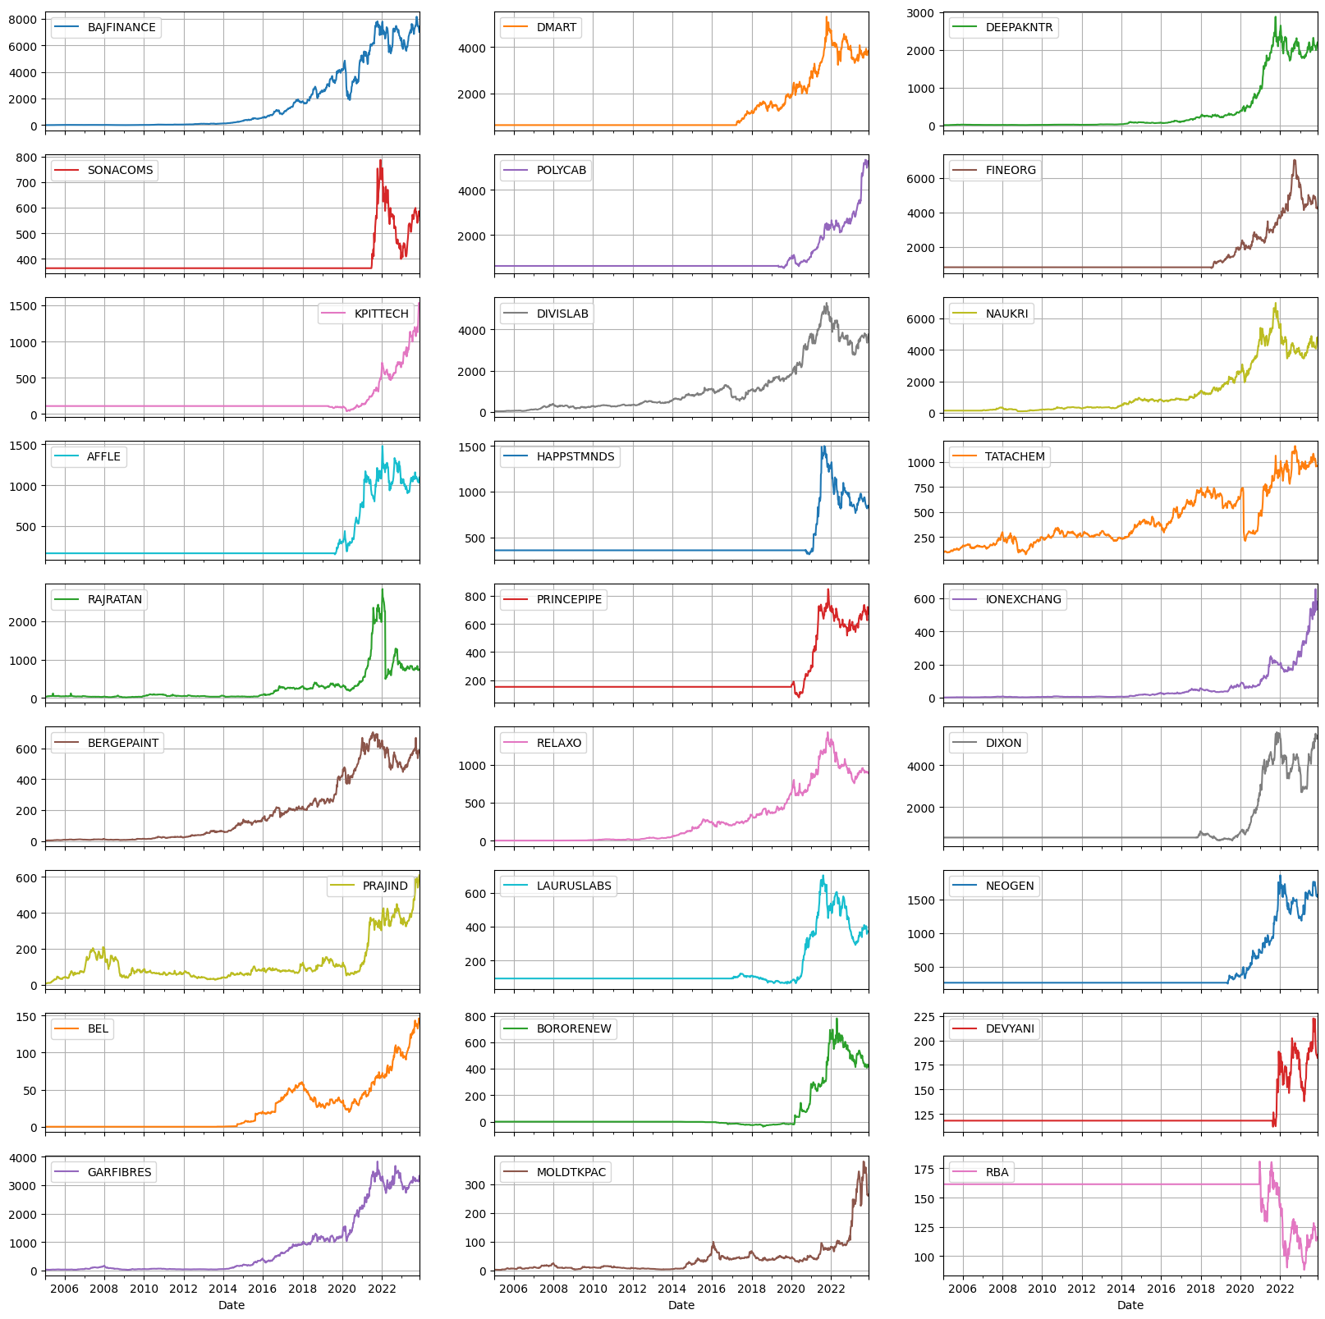
Sector v/s Curr Value
 | sum Curr Val
EV & Renewables | 1013650
Chemicals | 724256
IT - Software | 649147
Housing | 596667
Consumption | 435785
Finance | 323102
Health | 290384
PLI | 126600
Electronics | 96530
QSR | 79624
Misc | 43667
Cumulative % of Current Value

Sector | sum Curr Val | Symbol | Cap | Cap | Total
EV & Renewables | 1013650 | BAJFINANCE | L | L | 1,084,672
Chemicals | 724256 | DMART | L | S | 1,531,535 | Symbol | Cap | max Curr Val | Sectoral Allocation *** | Portfolio Allocation *** | *** update the ranges manually | # | Symbol | CurrHld % | Cum %
IT - Software | 649147 | DIVISLAB | L | M | 1,763,204 | BAJFINANCE | L | 323102 |  |  | max max Curr Val | 1 | BAJFINANCE | 7.38% | 7.38%
Housing | 596667 | BERGEPAINT | L |  |  | DMART | L | 319298 |  |  | 323102 | 2 | DMART | 7.29% | 14.67%
Consumption | 435785 | BEL | L |  |  | DIVISLAB | L | 203830 |  |  |  | 3 | DEEPAKNTR | 6.93% | 21.60%
Finance | 323102 | DEEPAKNTR | M |  |  | BERGEPAINT | L | 141912 |  |  |  | 4 | POLYCAB | 6.21% | 27.82%
Health | 290384 | POLYCAB | M |  |  | BEL | L | 96530 |  |  |  | 5 | SONACOMS | 5.77% | 33.59%
PLI | 126600 | SONACOMS | M |  |  | DEEPAKNTR | M | 303600 |  |  |  | 6 | NAUKRI | 5.35% | 38.94%
Electronics | 96530 | NAUKRI | M |  |  | POLYCAB | M | 272165 |  |  |  | 7 | FINEORG | 5.31% | 44.25%
QSR | 79624 | KPITTECH | M |  |  | SONACOMS | M | 252698 |  |  |  | 8 | KPITTECH | 4.96% | 49.20%
Misc | 43667 | TATACHEM | M |  |  | NAUKRI | M | 234450 |  |  |  | 9 | HAPPSTMNDS | 4.79% | 53.99%
 |  | DIXON | M |  |  | KPITTECH | M | 217074 |  |  |  | 10 | AFFLE | 4.68% | 58.67%
 |  | RELAXO | M |  |  | TATACHEM | M | 188216 |  |  |  | 11 | DIVISLAB | 4.65% | 63.33%
 |  | DEVYANI | M |  |  | DIXON | M | 126600 |  |  |  | 12 | TATACHEM | 4.30% | 67.62%
 |  | FINEORG | S |  |  | RELAXO | M | 116486 |  |  |  | 13 | RAJRATAN | 3.87% | 71.49%
 |  | HAPPSTMNDS | S |  |  | DEVYANI | M | 51915 |  |  |  | 14 | PRINCEPIPE | 3.46% | 74.95%
 |  | AFFLE | S |  |  | FINEORG | S | 232440 |  |  |  | 15 | IONEXCHANG | 3.27% | 78.22%
 |  | RAJRATAN | S |  |  | HAPPSTMNDS | S | 209700 |  |  |  | 16 | BERGEPAINT | 3.24% | 81.46%
 |  | PRINCEPIPE | S |  |  | AFFLE | S | 204997 |  |  |  | 17 | DIXON | 2.89% | 84.35%
 |  | IONEXCHANG | S |  |  | RAJRATAN | S | 169323 |  |  |  | 18 | RELAXO | 2.66% | 87.01%
 |  | PRAJIND | S |  |  | PRINCEPIPE | S | 151443 |  |  |  | 19 | BEL | 2.20% | 89.22%
 |  | LAURUSLABS | S |  |  | IONEXCHANG | S | 143370 |  |  |  | 20 | PRAJIND | 2.07% | 91.29%
 |  | NEOGEN | S |  |  | PRAJIND | S | 90539 |  |  |  | 21 | LAURUSLABS | 1.98% | 93.26%
 |  | BORORENEW | S |  |  | LAURUSLABS | S | 86554 |  |  |  | 22 | NEOGEN | 1.88% | 95.15%
 |  | GARFIBRES | S |  |  | NEOGEN | S | 82481 |  |  |  | 23 | BORORENEW | 1.33% | 96.47%
 |  | MOLDTKPAC | S |  |  | BORORENEW | S | 58165 |  |  |  | 24 | DEVYANI | 1.19% | 97.66%
 |  | RBA | S |  |  | GARFIBRES | S | 43667 |  |  |  | 25 | GARFIBRES | 1.00% | 98.66%
 |  |  |  |  |  | MOLDTKPAC | S | 31147 |  |  |  | 26 | MOLDTKPAC | 0.71% | 99.37%
 |  |  |  |  |  | RBA | S | 27710 |  |  |  | 27 | RBA | 0.63% | 100.00%

Snap
Portfolio
 | CurrentTotal | Cost Price | Added
19/12/2022 | 2393719 | 2357650
20/12/2022 | 2385126 | 2357650
21/12/2022 | 2353213 | 2357650
22/12/2022 | 2325868 | 2357650
23/12/2022 | 2275235 | 2392976 | 35,326
26/12/2022 | 2319336 | 2392976
27/12/2022 | 2351670 | 2392976
28/12/2022 | 2353029 | 2392976
29/12/2022 | 2353759 | 2392976
30/12/2022 | 2355737 | 2392976
2/1/2023 | 2355319 | 2392976
3/1/2023 | 2364338 | 2392976
4/1/2023 | 2340391 | 2392976
5/1/2023 | 2334475 | 2392976
6/1/2023 | 2329813 | 2392976
9/1/2023 | 2335358 | 2392976
10/1/2023 | 2337704 | 2392976
11/1/2023 | 2349417 | 2426494 | 33,518
12/1/2023 | 2352095 | 2426494
13/1/2023 | 2352469 | 2426494
16/1/2023 | 2338938 | 2426494
17/1/2023 | 2345458 | 2426494
18/1/2023 | 2359623 | 2438494 | 12,000
19/1/2023 | 2350211 | 2438494
20/1/2023 | 2323116 | 2438494
23/1/2023 | 2319574 | 2438494
24/1/2023 | 2325375 | 2438494
25/1/2023 | 2309226 | 2438494
27/1/2023 | 2270945 | 2438494
30/1/2023 | 2289992 | 2449284 | 10,790
31/1/2023 | 2320063 | 2449284
1/2/2023 | 2298663 | 2449284
2/2/2023 | 2314212 | 2459874 | 10,590
3/2/2023 | 2300035 | 2459874
6/2/2023 | 2355420 | 2503247 | 43,373
7/2/2023 | 2346902 | 2503247
8/2/2023 | 2365333 | 2503247
9/2/2023 | 2363977 | 2503247
10/2/2023 | 2372193 | 2503247
13/2/2023 | 2349532 | 2516767 | 13,520
14/2/2023 | 2348031 | 2516767
15/2/2023 | 2367738 | 2516767
16/2/2023 | 2385183 | 2516767
17/2/2023 | 2370760 | 2516767
20/2/2023 | 2374780 | 2516767
21/2/2023 | 2385419 | 2516767
22/2/2023 | 2373223 | 2537567 | 20,800
23/2/2023 | 2381421 | 2545017 | 7,450
24/2/2023 | 2392450 | 2555377 | 10,360
27/2/2023 | 2381252 | 2566377 | 11,000
...
TimeStamp | Cost Price | CurrentTotal | Delta | Added | Added Companies | Sold | Sold Companies | Curr - Cost | Return/Day | Total %Return
19/12/2022 | 2357650 | 2393719 | 0 |  |  |  |  | 36,069 | 0 | 1.53%
20/12/2022 | 2357650 | 2385126 | -8,593 |  |  |  |  | 27,476 | -8,593 | 1.17%
21/12/2022 | 2357650 | 2353213 | -31,913 |  |  |  |  | -4,437 | -31,913 | -0.19% | Max | ₹4379410
22/12/2022 | 2357650 | 2325868 | -27,345 |  |  |  |  | -31,782 | -27,345 | -1.35% | Min | ₹2270945
23/12/2022 | 2392976 | 2275235 | -50,633 | 35,326 | Polycab, Sonacoms, Deepakntr |  |  | -117,741 | -85,959 | -4.92% | Total Invested | ₹1361605
26/12/2022 | 2392976 | 2319336 | 44,102 |  |  |  |  | -73,640 | 44,102 | -3.08% | Max Profit | ₹674589 | 18.23%
27/12/2022 | 2392976 | 2351670 | 32,334 |  |  |  |  | -41,306 | 32,334 | -1.73% | Max Loss | -₹277,155
28/12/2022 | 2392976 | 2353029 | 1,359 |  |  |  |  | -39,947 | 1,359 | -1.67% | Max Single Day | ₹68,039
29/12/2022 | 2392976 | 2353759 | 730 |  |  |  |  | -39,217 | 730 | -1.64% | Min Single Day | -₹136,884
30/12/2022 | 2392976 | 2355737 | 1,978 |  |  |  |  | -37,239 | 1,978 | -1.56%
2/1/2023 | 2392976 | 2355319 | -419 |  |  |  |  | -37,657 | -419 | -1.57%
3/1/2023 | 2392976 | 2364338 | 9,019 |  |  |  |  | -28,638 | 9,019 | -1.20% | Ret b/w 2Jan23 6Dec23 | 81.36%
4/1/2023 | 2392976 | 2340391 | -23,947 |  |  |  |  | -52,585 | -23,947 | -2.20% | Adj Value | 4275728
5/1/2023 | 2392976 | 2334475 | -5,915 |  |  |  |  | -58,501 | -5,915 | -2.44% | Diff from Actual | 31,098
6/1/2023 | 2392976 | 2329813 | -4,662 |  |  |  |  | -63,163 | -4,662 | -2.64%
9/1/2023 | 2392976 | 2335358 | 5,545 |  |  |  |  | -57,618 | 5,545 | -2.41%
10/1/2023 | 2392976 | 2337704 | 2,346 |  |  |  |  | -55,272 | 2,346 | -2.31%
11/1/2023 | 2426494 | 2349417 | 11,713 | 33,518 | Lalpath, DMart, Bororenew |  |  | -77,077 | -21,805 | -3.18%
12/1/2023 | 2426494 | 2352095 | 2,678 |  |  |  |  | -74,399 | 2,678 | -3.07%
13/1/2023 | 2426494 | 2352469 | 373 |  |  |  |  | -74,025 | 373 | -3.05%
16/1/2023 | 2426494 | 2338938 | -13,531 |  |  |  |  | -87,556 | -13,531 | -3.61%
17/1/2023 | 2426494 | 2345458 | 6,521 |  |  |  |  | -81,036 | 6,521 | -3.34%
18/1/2023 | 2438494 | 2359623 | 14,164 | 12,000 | Bajfinance |  |  | -78,871 | 2,164 | -3.23%
19/1/2023 | 2438494 | 2350211 | -9,411 |  |  |  |  | -88,283 | -9,411 | -3.62%
20/1/2023 | 2438494 | 2323116 | -27,095 |  |  |  |  | -115,378 | -27,095 | -4.73%
23/1/2023 | 2438494 | 2319574 | -3,542 |  |  |  |  | -118,920 | -3,542 | -4.88%
24/1/2023 | 2438494 | 2325375 | 5,801 |  |  |  |  | -113,119 | 5,801 | -4.64%
25/1/2023 | 2438494 | 2309226 | -16,149 |  |  |  |  | -129,268 | -16,149 | -5.30%
27/1/2023 | 2438494 | 2270945 | -38,280 |  |  |  |  | -167,549 | -38,280 | -6.87%
30/1/2023 | 2449284 | 2289992 | 19,046 | 10,790 | HappstMNDS |  |  | -159,292 | 8,256 | -6.50%
31/1/2023 | 2449284 | 2320063 | 30,072 |  |  |  |  | -129,221 | 30,072 | -5.28%
1/2/2023 | 2449284 | 2298663 | -21,400 |  |  |  |  | -150,621 | -21,400 | -6.15%
2/2/2023 | 2459874 | 2314212 | 15,548 | 10,590 | DMart |  |  | -145,662 | 4,958 | -5.92%
3/2/2023 | 2459874 | 2300035 | -14,177 |  |  |  |  | -159,839 | -14,177 | -6.50%
6/2/2023 | 2503247 | 2355420 | 55,385 | 43,373 | Laurus, Divislab, MapmyIndia, Relaxo |  |  | -147,827 | 12,012 | -5.91%
7/2/2023 | 2503247 | 2346902 | -8,518 |  |  |  |  | -156,345 | -8,518 | -6.25% | 7
8/2/2023 | 2503247 | 2365333 | 18,431 |  |  |  |  | -137,914 | 18,431 | -5.51%
9/2/2023 | 2503247 | 2363977 | -1,356 |  |  |  |  | -139,270 | -1,356 | -5.56%
10/2/2023 | 2503247 | 2372193 | 8,216 |  |  |  |  | -131,054 | 8,216 | -5.24%
13/2/2023 | 2516767 | 2349532 | -22,661 | 13,520 | Naukri |  |  | -167,235 | -36,181 | -6.64%
14/2/2023 | 2516767 | 2348031 | -1,501 |  |  |  |  | -168,736 | -1,501 | -6.70%
15/2/2023 | 2516767 | 2367738 | 19,707 |  |  |  |  | -149,029 | 19,707 | -5.92%
16/2/2023 | 2516767 | 2385183 | 17,445 |  |  |  |  | -131,584 | 17,445 | -5.23%
17/2/2023 | 2516767 | 2370760 | -14,422 |  |  |  |  | -146,007 | -14,422 | -5.80%
20/2/2023 | 2516767 | 2374780 | 4,019 |  |  |  |  | -141,987 | 4,019 | -5.64%
21/2/2023 | 2516767 | 2385419 | 10,639 |  |  |  |  | -131,348 | 10,639 | -5.22%
22/2/2023 | 2537567 | 2373223 | -12,196 | 20,800 | Dixon, Affle |  |  | -164,344 | -32,996 | -6.48%
23/2/2023 | 2545017 | 2381421 | 8,198 | 7,450 | Devyani |  |  | -163,596 | 748 | -6.43%
24/2/2023 | 2555377 | 2392450 | 11,029 | 10,360 | Rajratan |  |  | -162,927 | 669 | -6.38%
27/2/2023 | 2566377 | 2381252 | -11,197 | 11,000 | Princepipe |  |  | -185,125 | -22,197 | -7.21%
28/2/2023 | 2566377 | 2402155 | 20,902 |  |  |  |  | -164,222 | 20,902 | -6.40%
1/3/2023 | 2566377 | 2417791 | 15,637 |  |  |  |  | -148,586 | 15,637 | -5.79%
2/3/2023 | 2580042 | 2425214 | 7,423 | 13,665 | Fineorg |  |  | -154,828 | -6,242 | -6.00%
3/3/2023 | 2580042 | 2430808 | 5,594 |  |  |  |  | -149,234 | 5,594 | -5.78%
6/3/2023 | 2580042 | 2443826 | 13,018 |  |  |  |  | -136,216 | 13,018 | -5.28%
8/3/2023 | 2580042 | 2437628 | -6,198 |  |  |  |  | -142,414 | -6,198 | -5.52%
9/3/2023 | 2580042 | 2421072 | -16,556 |  |  |  |  | -158,970 | -16,556 | -6.16%
10/3/2023 | 2580042 | 2402606 | -18,466 |  |  |  |  | -177,436 | -18,466 | -6.88%
13/3/2023 | 2622607 | 2400175 | -2,431 | 42,565 | Sonacoms, Deepakntr, Relaxo, DMart |  |  | -222,432 | -44,996 | -8.48%
14/3/2023 | 2635273 | 2405469 | 5,294 | 12,666 | Fineorg |  |  | -229,804 | -7,372 | -8.72%
15/3/2023 | 2675535 | 2448434 | 42,965 | 40,262 | Bororenew, PrajInd, Bajfinance, Affle |  |  | -227,101 | 2,703 | -8.49%
16/3/2023 | 2675535 | 2449579 | 1,145 |  |  |  |  | -225,956 | 1,145 | -8.45%
17/3/2023 | 2675535 | 2461517 | 11,939 |  |  |  |  | -214,018 | 11,939 | -8.00%
20/3/2023 | 2675535 | 2447549 | -13,968 |  |  |  |  | -227,986 | -13,968 | -8.52%
21/3/2023 | 2683635 | 2474793 | 27,244 | 8,100 | Fineorg |  |  | -208,842 | 19,144 | -7.78%
22/3/2023 | 2693715 | 2505911 | 31,118 | 10,080 | Neogen |  |  | -187,804 | 21,038 | -6.97%
23/3/2023 | 2693715 | 2496145 | -9,766 |  |  |  |  | -197,570 | -9,766 | -7.33%
24/3/2023 | 2703915 | 2471771 | -24,374 | 10,200 | Laurus |  |  | -232,144 | -34,574 | -8.59%
27/3/2023 | 2703915 | 2447076 | -24,695 |  |  |  |  | -256,839 | -24,695 | -9.50%
28/3/2023 | 2724065 | 2446910 | -166 | 20,150 | Bajfinance, IEX |  |  | -277,155 | -20,316 | -10.17%
29/3/2023 | 2724065 | 2476624 | 29,714 |  |  |  |  | -247,442 | 29,714 | -9.08%
31/3/2023 | 2724065 | 2510502 | 33,878 |  |  |  |  | -213,563 | 33,878 | -7.84%
3/4/2023 | 2724065 | 2536231 | 25,729 |  |  |  |  | -187,834 | 25,729 | -6.90%
5/4/2023 | 2724065 | 2555815 | 19,584 |  |  |  |  | -168,250 | 19,584 | -6.18%
6/4/2023 | 2724065 | 2561544 | 5,729 |  |  |  |  | -162,521 | 5,729 | -5.97%
10/4/2023 | 2724065 | 2557385 | -4,159 |  |  |  |  | -166,680 | -4,159 | -6.12%
11/4/2023 | 2724065 | 2574270 | 16,886 |  |  |  |  | -149,795 | 16,886 | -5.50%
12/4/2023 | 2724065 | 2604435 | 30,165 |  |  |  |  | -119,630 | 30,165 | -4.39%
13/4/2023 | 2724065 | 2612122 | 7,686 |  |  |  |  | -111,943 | 7,686 | -4.11%
17/4/2023 | 2724065 | 2602584 | -9,538 |  |  |  |  | -121,481 | -9,538 | -4.46%
18/4/2023 | 2724065 | 2608306 | 5,722 |  |  |  |  | -115,759 | 5,722 | -4.25%
19/4/2023 | 2724065 | 2602095 | -6,211 |  |  |  |  | -121,970 | -6,211 | -4.48%
20/4/2023 | 2724065 | 2614585 | 12,491 |  |  |  |  | -109,480 | 12,491 | -4.02%
21/4/2023 | 2724065 | 2603387 | -11,198 |  |  |  |  | -120,678 | -11,198 | -4.43%
24/4/2023 | 2724065 | 2603907 | 519 |  |  |  |  | -120,158 | 519 | -4.41%
25/4/2023 | 2724065 | 2606530 | 2,623 |  |  |  |  | -117,535 | 2,623 | -4.31%
26/4/2023 | 2724065 | 2613475 | 6,945 |  |  |  |  | -110,590 | 6,945 | -4.06%
27/4/2023 | 2724065 | 2633975 | 20,500 |  |  |  |  | -90,090 | 20,500 | -3.31%
28/4/2023 | 2724065 | 2660028 | 26,053 |  |  |  |  | -64,037 | 26,053 | -2.35%
2/5/2023 | 2724065 | 2684281 | 24,253 |  |  |  |  | -39,784 | 24,253 | -1.46%
3/5/2023 | 2724065 | 2691961 | 7,680 |  |  |  |  | -32,104 | 7,680 | -1.18%
4/5/2023 | 2724065 | 2707736 | 15,775 |  |  |  |  | -16,329 | 15,775 | -0.60%
5/5/2023 | 2724065 | 2709441 | 1,705 |  |  |  |  | -14,624 | 1,705 | -0.54%
8/5/2023 | 2724065 | 2737539 | 28,098 |  |  |  |  | 13,474 | 28,098 | 0.49%
9/5/2023 | 2724065 | 2739600 | 2,061 |  |  |  |  | 15,535 | 2,061 | 0.57%
10/5/2023 | 2724065 | 2753034 | 13,434 |  |  |  |  | 28,969 | 13,434 | 1.06%
11/5/2023 | 2724065 | 2756654 | 3,620 |  |  |  |  | 32,589 | 3,620 | 1.20%
12/5/2023 | 2724065 | 2750446 | -6,208 |  |  |  |  | 26,381 | -6,208 | 0.97%
15/5/2023 | 2724065 | 2746992 | -3,454 |  |  |  |  | 22,927 | -3,454 | 0.84%
16/5/2023 | 2724065 | 2745339 | -1,653 |  |  |  |  | 21,274 | -1,653 | 0.78%
17/5/2023 | 2724065 | 2737195 | -8,145 |  |  |  |  | 13,130 | -8,145 | 0.48%
18/5/2023 | 2724065 | 2732671 | -4,524 |  |  |  |  | 8,606 | -4,524 | 0.32%
19/5/2023 | 2724065 | 2735172 | 2,501 |  |  |  |  | 11,107 | 2,501 | 0.41%
22/5/2023 | 2724065 | 2757569 | 22,397 |  |  |  |  | 33,504 | 22,397 | 1.23%
23/5/2023 | 2724065 | 2761186 | 3,618 |  |  |  |  | 37,121 | 3,618 | 1.36%
24/5/2023 | 2724065 | 2788294 | 27,107 |  |  |  |  | 64,229 | 27,107 | 2.36%
25/5/2023 | 2724065 | 2790151 | 1,858 |  |  |  |  | 66,086 | 1,858 | 2.43%
26/5/2023 | 2724065 | 2818667 | 28,515 |  |  |  |  | 94,602 | 28,515 | 3.47%
29/5/2023 | 2724065 | 2826637 | 7,970 |  |  |  |  | 102572 | 7,970 | 3.77%
30/5/2023 | 2724065 | 2830038 | 3,401 |  |  |  |  | 105973 | 3,401 | 3.89%
31/5/2023 | 2724065 | 2855975 | 25,937 |  |  |  |  | 131910 | 25,937 | 4.84%
1/6/2023 | 2724065 | 2865542 | 9,568 |  |  |  |  | 141477 | 9,568 | 5.19%
2/6/2023 | 2724065 | 2878922 | 13,380 |  |  |  |  | 154857 | 13,380 | 5.68%
5/6/2023 | 2724065 | 2890690 | 11,768 |  |  |  |  | 166625 | 11,768 | 6.12%
6/6/2023 | 2734719 | 2906533 | 15,843 | 10,654 | Rajratan |  |  | 171814 | 5,189 | 6.28%
7/6/2023 | 2734719 | 2924530 | 17,997 |  |  |  |  | 189811 | 17,997 | 6.94%
8/6/2023 | 2734719 | 2907023 | -17,508 |  |  |  |  | 172304 | -17,508 | 6.30%
9/6/2023 | 2734719 | 2899544 | -7,479 |  |  |  |  | 164825 | -7,479 | 6.03%
12/6/2023 | 2734719 | 2904084 | 4,540 |  |  |  |  | 169365 | 4,540 | 6.19%
13/6/2023 | 2734719 | 2925254 | 21,170 |  |  |  |  | 190535 | 21,170 | 6.97%
14/6/2023 | 2734719 | 2924516 | -738 |  |  |  |  | 189797 | -738 | 6.94%
15/6/2023 | 2734719 | 2948137 | 23,622 |  |  |  |  | 213418 | 23,622 | 7.80%
16/6/2023 | 2734719 | 2974786 | 26,649 |  |  |  |  | 240067 | 26,649 | 8.78%
19/6/2023 | 2734719 | 2981597 | 6,810 |  |  |  |  | 246878 | 6,810 | 9.03%
20/6/2023 | 2734719 | 2993729 | 12,133 |  |  |  |  | 259010 | 12,133 | 9.47%
21/6/2023 | 2734719 | 2999481 | 5,752 |  |  |  |  | 264762 | 5,752 | 9.68%
22/6/2023 | 2744379 | 2988543 | -10,938 | 9,660 | FineOrg |  |  | 244164 | -20,598 | 8.90%
23/6/2023 | 2793818 | 2993123 | 4,580 | 49,439 | Polycab, BajajFin, Happstmnds, Dmart |  |  | 199305 | -44,859 | 7.13%
26/6/2023 | 2793818 | 3023961 | 30,838 |  |  |  |  | 230143 | 30,838 | 8.24%
27/6/2023 | 2807024 | 3042593 | 18,632 | 13,206 | Deepakntr |  |  | 235569 | 5,426 | 8.39%
28/6/2023 | 2807024 | 3058501 | 15,908 |  |  |  |  | 251477 | 15,908 | 8.96%
30/6/2023 | 2807024 | 3062605 | 4,104 |  |  |  |  | 255581 | 4,104 | 9.11%
3/7/2023 | 2807024 | 3059705 | -2,900 |  |  |  |  | 252681 | -2,900 | 9.00%
4/7/2023 | 2821878 | 3073767 | 14,062 | 14,854 | Kpittech |  |  | 251889 | -792 | 8.93%
5/7/2023 | 2821878 | 3086382 | 12,614 |  |  |  |  | 264504 | 12,614 | 9.37%
6/7/2023 | 2821878 | 3109075 | 22,694 |  |  |  |  | 287197 | 22,694 | 10.18%
7/7/2023 | 2821878 | 3093973 | -15,102 |  |  |  |  | 272095 | -15,102 | 9.64%
10/7/2023 | 2821878 | 3072471 | -21,503 |  |  |  |  | 250593 | -21,503 | 8.88%
11/7/2023 | 2862893 | 3141704 | 69,233 | 40,670 | Bajajfin, Deepakntr, FineOrg |  |  | 278811 | 28,563 | 9.74%
12/7/2023 | 2862548 | 3140383 | -1,321 |  |  |  |  | 277835 | -1,321 | 9.71%
13/7/2023 | 2862548 | 3132616 | -7,768 |  |  |  |  | 270068 | -7,768 | 9.43%
14/7/2023 | 2862548 | 3158939 | 26,324 |  |  |  |  | 296391 | 26,324 | 10.35%
17/7/2023 | 2739402 | 3055764 | -103,175 | 11,160 | DMart | -129,104 | HDFCLife, Lalpathlab, IRCTC | 316363 | 14,769 | 11.55%
18/7/2023 | 2845608 | 3147537 | 91,772 | 151244 | BajajFin, Sonacoms, FineOrg, DMart, Divis, Happstmnds, Kpittech, Deepakntr | -53,760 | AmbujaCem | 301929 | -5,712 | 10.61%
19/7/2023 | 2781284 | 3117960 | -29,577 | 26,760 | Bororenew, Rajratan | -79,652 | IEX | 336677 | 23,316 | 12.11%
20/7/2023 | 2758238 | 3102119 | -15,841 | 18,964 | FineOrg | -52,120 | AntonyWaste, MapMyIndia | 343882 | 17,315 | 12.47%
21/7/2023 | 2810724 | 3128676 | 26,557 | 52,222 | Affle, Kpittech, RajRatan, Princepipe |  |  | 317953 | -25,665 | 11.31%
24/7/2023 | 2825086 | 3160562 | 31,885 | 14,620 | RajRatan |  |  | 335475 | 17,265 | 11.87%
25/7/2023 | 2873708 | 3217785 | 57,223 | 48,282 | TataChem, FineOrg, DMart |  |  | 344077 | 8,941 | 11.97%
26/7/2023 | 2891626 | 3223097 | 5,312 | 18,220 | Naukri |  |  | 331472 | -12,908 | 11.46%
27/7/2023 | 2924191 | 3244056 | 20,959 | 32,380 | BajajFin, FIneOrg |  |  | 319865 | -11,421 | 10.94%
28/7/2023 | 2923863 | 3253452 | 9,396 |  |  |  |  | 329589 | 9,396 | 11.27%
31/7/2023 | 2923863 | 3274591 | 21,139 |  |  |  |  | 350728 | 21,139 | 12.00%
1/8/2023 | 2923863 | 3280621 | 6,030 |  |  |  |  | 356757 | 6,030 | 12.20%
2/8/2023 | 2923863 | 3256204 | -24,416 |  |  |  |  | 332341 | -24,416 | 11.37%
3/8/2023 | 2923863 | 3268687 | 12,483 |  |  |  |  | 344824 | 12,483 | 11.79%
4/8/2023 | 2923863 | 3289084 | 20,398 |  |  |  |  | 365221 | 20,398 | 12.49%
7/8/2023 | 2923863 | 3294625 | 5,540 |  |  |  |  | 370762 | 5,540 | 12.68%
8/8/2023 | 2923863 | 3304931 | 10,307 |  |  |  |  | 381068 | 10,307 | 13.03%
9/8/2023 | 2940659 | 3309139 | 4,208 | 16,620 | Sonacoms |  |  | 368480 | -12,412 | 12.53%
10/8/2023 | 2958726 | 3323983 | 14,844 | 18,005 | DMart |  |  | 365257 | -3,161 | 12.35%
11/8/2023 | 2958485 | 3302989 | -20,994 |  |  |  |  | 344504 | -20,994 | 11.64%
14/8/2023 | 2861339 | 3186583 | -116,405 | 45,902 | BajFinance, DMart, Happstmnds | -142,647 | CAMS, Nestle, HindZinc | 325244 | -19,660 | 11.37%
16/8/2023 | 2889731 | 3224680 | 38,097 | 26,745 | Rajratan, Deepakntr |  |  | 334950 | 11,352 | 11.59%
17/8/2023 | 3039213 | 3366785 | 142105 | 148662 | Naukri, Tatachem, Divis, Deepakntr, FineOrg, Neogen, BajajFin |  |  | 327572 | -6,557 | 10.78%
18/8/2023 | 3039213 | 3352546 | -14,239 |  |  |  |  | 313333 | -14,239 | 10.31%
21/8/2023 | 3058975 | 3397631 | 45,084 | 20,824 | Devyani, IonExchange |  |  | 338656 | 24,260 | 11.07%
22/8/2023 | 3058934 | 3418051 | 20,420 |  |  |  |  | 359117 | 20,420 | 11.74%
23/8/2023 | 3058934 | 3428655 | 10,604 |  |  |  |  | 369720 | 10,604 | 12.09%
24/8/2023 | 3058934 | 3434625 | 5,971 |  |  |  |  | 375691 | 5,971 | 12.28%
25/8/2023 | 3234603 | 3589647 | 155021 | 174350 | FineOrg, TataChem, Sonacoms, Divis, Deepakntr, Affle, DMart |  |  | 355043 | -19,329 | 10.98%
28/8/2023 | 3258533 | 3649464 | 59,817 | 25,056 | Naukri |  |  | 390932 | 34,761 | 12.00%
29/8/2023 | 3258341 | 3686987 | 37,523 |  |  |  |  | 428646 | 37,523 | 13.16%
30/8/2023 | 3258341 | 3711671 | 24,684 |  |  |  |  | 453329 | 24,684 | 13.91%
31/8/2023 | 3258341 | 3725616 | 13,945 |  |  |  |  | 467275 | 13,945 | 14.34%
1/9/2023 | 3258341 | 3758769 | 33,153 |  |  |  |  | 500428 | 33,153 | 15.36%
4/9/2023 | 3258341 | 3766690 | 7,920 |  |  |  |  | 508348 | 7,920 | 15.60%
5/9/2023 | 3258341 | 3790332 | 23,642 |  |  |  |  | 531991 | 23,642 | 16.33%
6/9/2023 | 3258341 | 3797615 | 7,283 |  |  |  |  | 539274 | 7,283 | 16.55%
7/9/2023 | 3258341 | 3802624 | 5,009 |  |  |  |  | 544283 | 5,009 | 16.70%
8/9/2023 | 3258341 | 3830950 | 28,325 |  |  |  |  | 572608 | 28,325 | 17.57%
11/9/2023 | 3258341 | 3852479 | 21,529 |  |  |  |  | 594137 | 21,529 | 18.23%
12/9/2023 | 3258341 | 3766350 | -86,129 |  |  |  |  | 508009 | -86,129 | 15.59%
13/9/2023 | 3258341 | 3776094 | 9,744 |  |  |  |  | 517752 | 9,744 | 15.89%
14/9/2023 | 3258341 | 3806951 | 30,858 |  |  |  |  | 548610 | 30,858 | 16.84%
15/9/2023 | 3258341 | 3803920 | -3,031 |  |  |  |  | 545579 | -3,031 | 16.74%
18/9/2023 | 3258341 | 3796158 | -7,762 |  |  |  |  | 537816 | -7,762 | 16.51%
20/9/2023 | 3258341 | 3783437 | -12,721 |  |  |  |  | 525095 | -12,721 | 16.12%
21/9/2023 | 3258341 | 3738543 | -44,894 |  |  |  |  | 480201 | -44,894 | 14.74%
22/9/2023 | 3258341 | 3692960 | -45,583 |  |  |  |  | 434619 | -45,583 | 13.34%
25/9/2023 | 3258341 | 3696861 | 3,901 |  |  |  |  | 438520 | 3,901 | 13.46%
26/9/2023 | 3258341 | 3699781 | 2,919 |  |  |  |  | 441439 | 2,919 | 13.55%
27/9/2023 | 3258341 | 3741658 | 41,877 |  |  |  |  | 483316 | 41,877 | 14.83%
28/9/2023 | 3331736 | 3775377 | 33,719 | 72,649 | Bergepaint, Deepakntr, HappstMNDS, Naukri |  |  | 443640 | -38,930 | 13.32%
29/9/2023 | 3330992 | 3800085 | 24,709 |  |  |  |  | 469093 | 24,709 | 14.08%
3/10/2023 | 3360477 | 3840313 | 40,227 | 29,220 | Rajratan, PrincePipe |  |  | 479836 | 11,007 | 14.28%
4/10/2023 | 3387147 | 3838573 | -1,740 | 26,557 | Tatachem, Sonacoms |  |  | 451425 | -28,297 | 13.33%
5/10/2023 | 3386768 | 3858812 | 20,240 | 17,495 | Berger Bonus |  |  | 472044 | 2,745 | 13.94%
6/10/2023 | 3402930 | 3889322 | 30,510 | 15,932 | Sonacoms |  |  | 486392 | 14,578 | 14.29%
9/10/2023 | 3452573 | 3889041 | -281 | 49,380 | Affle, Happstmnds, Sonacoms |  |  | 436469 | -49,661 | 12.64% | 4.76%
10/10/2023 | 3468849 | 3928315 | 39,274 | 16,520 | Deepakntr |  |  | 459466 | 22,754 | 13.25%
11/10/2023 | 3468849 | 3960275 | 31,960 |  |  |  |  | 491426 | 31,960 | 14.17%
12/10/2023 | 3468849 | 3962540 | 2,265 |  |  |  |  | 493691 | 2,265 | 14.23%
13/10/2023 | 3483448 | 3975949 | 13,409 | 14,664 | FineOrg |  |  | 492500 | -1,255 | 14.14%
16/10/2023 | 3483264 | 4000972 | 25,023 |  |  |  |  | 517708 | 25,023 | 14.86%
17/10/2023 | 3483264 | 4018374 | 17,402 |  |  |  |  | 535110 | 17,402 | 15.36%
18/10/2023 | 3500022 | 4018773 | 399 | 16,700 | Neogen |  |  | 518751 | -16,301 | 14.82%
19/10/2023 | 3533051 | 4027137 | -10,506 | 32,600 | Sonacoms, DMart |  |  | 494087 | -43,106 | 13.98%
20/10/2023 | 3556106 | 4031566 | 4,428 | 23,250 | Bajfinance |  |  | 475460 | -18,822 | 13.37%
23/10/2023 | 3555815 | 3894682 | -136,884 |  |  |  |  | 338866 | -136,884 | 9.53%
25/10/2023 | 3613408 | 3913575 | 18,894 | 56,985 | Neogen, PrincePipe, Rajratan, FineOrg |  |  | 300167 | -38,091 | 8.31%
26/10/2023 | 3635506 | 3890933 | -22,643 | 22,422 | Bajfinance |  |  | 255427 | -45,065 | 7.03%
27/10/2023 | 3635506 | 3941520 | 50,588 |  |  |  |  | 306014 | 50,588 | 8.42%
30/10/2023 | 3635220 | 3928195 | -13,325 |  |  |  |  | 292975 | -13,325 | 8.06%
31/10/2023 | 3635220 | 3922955 | -5,241 |  |  |  |  | 287734 | -5,241 | 7.92%
1/11/2023 | 3652757 | 3919294 | -3,661 | 17,320 | FineOrg |  |  | 266537 | -20,981 | 7.30%
2/11/2023 | 3652541 | 3942516 | 23,222 |  |  |  |  | 289975 | 23,222 | 7.94% | 3.34%
3/11/2023 | 3652541 | 3955857 | 13,341 |  |  |  |  | 303317 | 13,341 | 8.30% | 2.99%
6/11/2023 | 3652541 | 4023896 | 68,039 |  |  |  |  | 371356 | 68,039 | 10.17%
7/11/2023 | 3652541 | 4019895 | -4,002 |  |  |  |  | 367354 | -4,002 | 10.06%
8/11/2023 | 3652541 | 4074297 | 54,403 |  |  |  |  | 421757 | 54,403 | 11.55%
9/11/2023 | 3652541 | 4055504 | -18,793 |  |  |  |  | 402964 | -18,793 | 11.03%
10/11/2023 | 3652541 | 4065533 | 10,028 |  |  |  |  | 412992 | 10,028 | 11.31%
12/11/2023 | 3652541 | 4094048 | 28,515 |  | *Diwali Mahurat Session |  |  | 441508 | 28,515 | 12.09%
13/11/2023 | 3652541 | 4065473 | -28,575 |  |  |  |  | 412932 | -28,575 | 11.31%
15/11/2023 | 3652541 | 4092754 | 27,281 |  |  |  |  | 440213 | 27,281 | 12.05%
16/11/2023 | 3652541 | 4128266 | 35,512 |  |  |  |  | 475725 | 35,512 | 13.02%
17/11/2023 | 3652541 | 4145847 | 17,582 |  |  |  |  | 493307 | 17,582 | 13.51%
20/11/2023 | 3652541 | 4147691 | 1,844 |  |  |  |  | 495150 | 1,844 | 13.56%
21/11/2023 | 3652541 | 4143577 | -4,114 |  |  |  |  | 491037 | -4,114 | 13.44%
22/11/2023 | 3692741 | 4164987 | 21,409 | 40,200 | Bergepaint, FineOrg, Rajratan |  |  | 472245 | -18,791 | 12.79%
23/11/2023 | 3692741 | 4165712 | 725 |  |  |  |  | 472970 | 725 | 12.81%
24/11/2023 | 3692741 | 4163983 | -1,728 |  |  |  |  | 471242 | -1,728 | 12.76%
28/11/2023 | 3704933 | 4183651 | 19,668 | 12,080 | Neogen |  |  | 478718 | 7,588 | 12.92%
29/11/2023 | 3704821 | 4188316 | 4,666 |  |  |  |  | 483495 | 4,666 | 13.05%
30/11/2023 | 3704821 | 4217320 | 29,004 |  |  |  |  | 512499 | 29,004 | 13.83%
1/12/2023 | 3704821 | 4232576 | 15,256 |  |  |  |  | 527755 | 15,256 | 14.25%
4/12/2023 | 3704821 | 4261714 | 29,138 |  |  |  |  | 556893 | 29,138 | 15.03%
5/12/2023 | 3704821 | 4289917 | 28,203 |  |  |  |  | 585096 | 28,203 | 15.79%
6/12/2023 | 3704821 | 4306826 | 16,908 |  |  |  |  | 602004 | 16,908 | 16.25%
7/12/2023 | 3704821 | 4322149 | 15,324 |  |  |  |  | 617328 | 15,324 | 16.66%
8/12/2023 | 3704821 | 4281959 | -40,190 |  |  |  |  | 577137 | -40,190 | 15.58% | 4380371 | 98,413
11/12/2023 | 3704821 | 4331078 | 49,119 |  |  |  |  | 626257 | 49,119 | 16.90%
12/12/2023 | 3704821 | 4312651 | -18,427 |  |  |  |  | 607830 | -18,427 | 16.41%
13/12/2023 | 3704821 | 4314165 | 1,513 |  |  |  |  | 609343 | 1,513 | 16.45%
14/12/2023 | 3704821 | 4353272 | 39,107 |  |  |  |  | 648450 | 39,107 | 17.50%
15/12/2023 | 3704821 | 4379410 | 26,139 |  |  |  |  | 674589 | 26,139 | 18.21%

PortGrowth
Portfolio
 | CurrentTotal | Cost Price | Added
19/12/2022 | 2393719 | 2357650
20/12/2022 | 2385126 | 2357650
21/12/2022 | 2353213 | 2357650
22/12/2022 | 2325868 | 2357650
23/12/2022 | 2275235 | 2392976 | 35,326
26/12/2022 | 2319336 | 2392976
27/12/2022 | 2351670 | 2392976
28/12/2022 | 2353029 | 2392976
29/12/2022 | 2353759 | 2392976
30/12/2022 | 2355737 | 2392976
2/1/2023 | 2355319 | 2392976
3/1/2023 | 2364338 | 2392976
4/1/2023 | 2340391 | 2392976
5/1/2023 | 2334475 | 2392976
6/1/2023 | 2329813 | 2392976
9/1/2023 | 2335358 | 2392976
10/1/2023 | 2337704 | 2392976
11/1/2023 | 2349417 | 2426494 | 33,518
12/1/2023 | 2352095 | 2426494
13/1/2023 | 2352469 | 2426494
16/1/2023 | 2338938 | 2426494
17/1/2023 | 2345458 | 2426494
18/1/2023 | 2359623 | 2438494 | 12,000
19/1/2023 | 2350211 | 2438494
20/1/2023 | 2323116 | 2438494
23/1/2023 | 2319574 | 2438494
24/1/2023 | 2325375 | 2438494
25/1/2023 | 2309226 | 2438494
27/1/2023 | 2270945 | 2438494
30/1/2023 | 2289992 | 2449284 | 10,790
31/1/2023 | 2320063 | 2449284
1/2/2023 | 2298663 | 2449284
2/2/2023 | 2314212 | 2459874 | 10,590
3/2/2023 | 2300035 | 2459874
6/2/2023 | 2355420 | 2503247 | 43,373
7/2/2023 | 2346902 | 2503247
8/2/2023 | 2365333 | 2503247
9/2/2023 | 2363977 | 2503247
10/2/2023 | 2372193 | 2503247
13/2/2023 | 2349532 | 2516767 | 13,520
14/2/2023 | 2348031 | 2516767
15/2/2023 | 2367738 | 2516767
16/2/2023 | 2385183 | 2516767
17/2/2023 | 2370760 | 2516767
20/2/2023 | 2374780 | 2516767
21/2/2023 | 2385419 | 2516767
22/2/2023 | 2373223 | 2537567 | 20,800
23/2/2023 | 2381421 | 2545017 | 7,450
24/2/2023 | 2392450 | 2555377 | 10,360
27/2/2023 | 2381252 | 2566377 | 11,000
...

