Mobile Brand Use
NO | Mobile Name/Model | NID/Number | Oerator Name | Buy Date | Company
1 | Maxon - C30 |  |  | 30/03/2005 Wednesday -08:00PM |  | 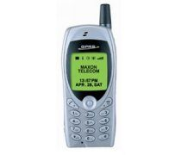
2 | Nokia 2600 | 6100/- |  | 22/08/2005 |  | 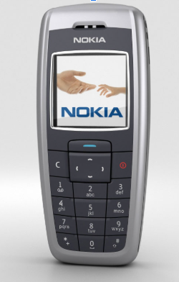
3 | Sprint D77 | 4900/- |  | 08/08/2009
4 | i Mobile 318 | 5400/- |  | 28/07/2007 |  | 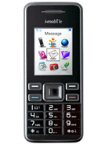
5 | Nokia 1661 | 2900/- |  | 02/05/2009
6 | Nokia 1203 | 1930 |  | 08/08/2009
 | Symphony B3i

 | Symphony B62 Dual SIM
 | Motorola C118 | 2150/- |  | 18/04/2007
 | Samsung SGH-x210 Folding

 | Symphony W150 Black |  |  |  |  |  | First Android Phone

 | HTC Desire 820 dual sim |  |  |  |  |  | 2nd Android Phone

 | Samsung guru music 2

 | Samsung Galaxy A22 |  |  |  |  |  | 4th Android Phone
 | Nokia 106
 | Symphony L46
 | Realme Nazro 30 |  |  |  |  | 869777050538977 | 3rd Android Phone
 | Samsung F13 |  |  |  |  |  | 5th Android Phone
 | Redmi Note 13C |  |  |  |  | 868278064707287 | 6th Android Phone
 | VIVO Y19s |  |  |  |  | 86634208865779

