Trust Summary
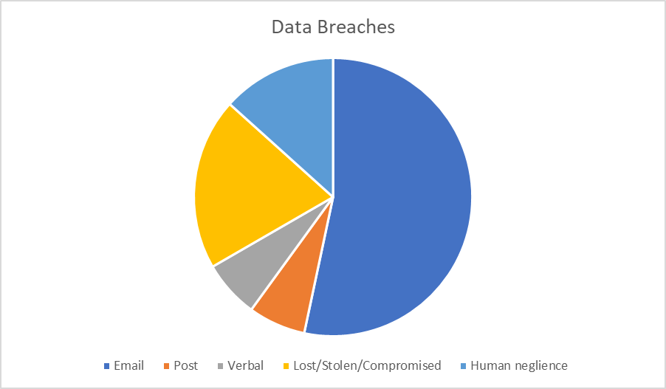
School | Date Discovered | Date Logged | Breach Title | Reportable to | Breach Summary | Categories of Personal Data
Awsworth Primary | 30.09.20 | 30.09.20 | Email sent to incorrect recipient |  | A member of staff sent a reply email to the wrong parent - 2 parents had the same forename and the email system auto-filled the recipient box. | Forename of pupil No confidential or personal content in the email
Awsworth Primary | 26.01.21 | 27.01.21 | Parent found lockdown register | Non reportable | A lockdown register of pupils was found by a parent using a bin in the staff car park. | Forename, Surname of pupils
Chellaston Juniors | 13.07.21 | 13.07.21 | Report sent to wrong parent in post | Non reportable | The report of a Y4 girl was posted to the home address of a Y6 boy. The envelope was addressed to the correct parent of the address but contained the incorrect report. The report was collected in person by a member of staff and the correct report delivered. The parent of the child of the breached data was contacted. | Name, DOB, details regarding the pupils' academic performance.
Hollywell Primary | 05.11.20 | 05.11.20 | List of children's names used as a ticklist for parents | Non reportable | Parents in receipt of meal vouchers were asked to come into school to collect the voucher and sign to confirm receipt. The list of childrens names and class was visible to all parents who collected vouchers | Forename, Surname, Class and FSM eligibility.
John Flamsteed Community School | 20.11.20 | 20.11.20 | Telephone breach | Reportable - data subjects | Deputy Head rang a parent to give a verbal report of her daughters' behaviour. 2 students with the same name in the same year and tutor group - member of staff double checked the photographs on the MIS but these were also wrong for the children. | Name, behavioural details.
John Flamsteed Community School | 28.01.21 | 29.01.21 | Teams breach of email | Reportable - ICO | A form tutor had an email on display during a Teams meeting with pupils. The email contained names of students and details of home circumstances as to why they weren't engaging in 'live' lessons. This was screenshot by a pupil and circulated to others. | Names, home circumstances, reasons for not engaging in remote learning.
John Flamsteed Community School | 22.02.21 | 23.02.21 | Email sent to incorrect recipients | Non reportable | An email was sent to all Y9 pupils at JF which contained the name of a pupil from another school within the Trust. Also work email addresses for staff and the SEND officer at Derbyshire County Council. The email was recalled within a couple of minutes. | 1 pupil name. Some staff work email addresses.
Kimberley Primary | 05.11.20 | 06.11.20 | Parents email addresses on show in after school club emails | Non reportable | An email was sent to the parents of children attending the after school and holiday clubs without using 'bcc' enabling parents to view others' email addresses. | Parents' email addresses.
Kimberley Primary | 08.01.21 | 18.03.21 | Parents email addresses visible to mulitple parents from the same class | Non reportable | An email was sent to multiple parents of children from the same class. 'bcc' was not used and parents could then view others' email addresses. | Parents' email addresses.
Larkfields | 18.01.21 | 18.01.21 | Email forwarding error | Reportable - data subjects | The office received an email from a parent which was intended to be forwarded to the class teacher, was inadvertently sent to another classes email addresses. | Contents of a parents email to the teacher was sent to a class of others parents.
The Ripley Academy | 26.11.20 | 27.11.20 | Application Sent | Non reportable | A populated job application form was sent to a prospective applicant instead of a blank form. | Applicant details: All basic identifiers, educational and professional history, qualifications.
The Ripley Academy | 28.01.21 | 29.01.21 | Password compromise | Reportable - ICO | IT technician was notified from Microsoft of a member of staffs account had been compromised and put under a send restriction.
The Ripley Academy | 07.07.21 | 08.07.21 | Social media |  | A pupils name was used alongside a photograph published on the schools Facebook Page (consent was given for photograph but no other personal identifiers). Parent is very distressed as there are safeguarding/CP issues around this child. | Pupils name and photograph published on social media
The South Wolds Academy & 6th Form | 22.02.21 | 25.02.21 | Document circulated |  | Parent was sent minutes of a Governors Stage 4 Complaints meeting.
The West Bridgford | 27.04.21 | 27.04.21 | Shared MS Forms | Non-reportable | The blank MS Form for collating Admissions Appeals data from parents was being shared with another school within the Trust for them to adopt the same process, however the recipient school was also able to view 23 populated forms from parents appealling to West Bridgford. | Parents' Names Students' Names and DOB Questions from parents regarding the appeal Details of mitigating circumstances as to why the parent could not attend the appeal hearing Special requirements i.e. forieng language interpreter etc
The West Bridgford | 22.06.21 | 23.06.21 | Remote access of staff laptop | Non-reportable | A member of staff reported that their laptop had been acting strangely and that the mouse cursor seemed to move on it's own. The member of staff had the MIS open and the cursor was clicking on icons and opened a class register. The member of staff closed down, turned off the internet connection and placed the device into 'airplane mode'. The IT team are investigating further. | Class register contains forename/surname of pupil. Attendance categories are coded and would not mean anything to anyone else without the code-key.
The West Bridgford | 03.07.21 | 06.07.21 | Stolen staff mobile phone | Non-reportable | A member of staff had their school mobile phone stolen from their car at 2:15am on Sunday 4th July. The phone had 2 factor authentication and password to the staff Outlook account have been changed. There has been no suspicious activity on the account. | It is believed no access has been gained due to having Face ID and a PIN lock on the device.

