Sheet1
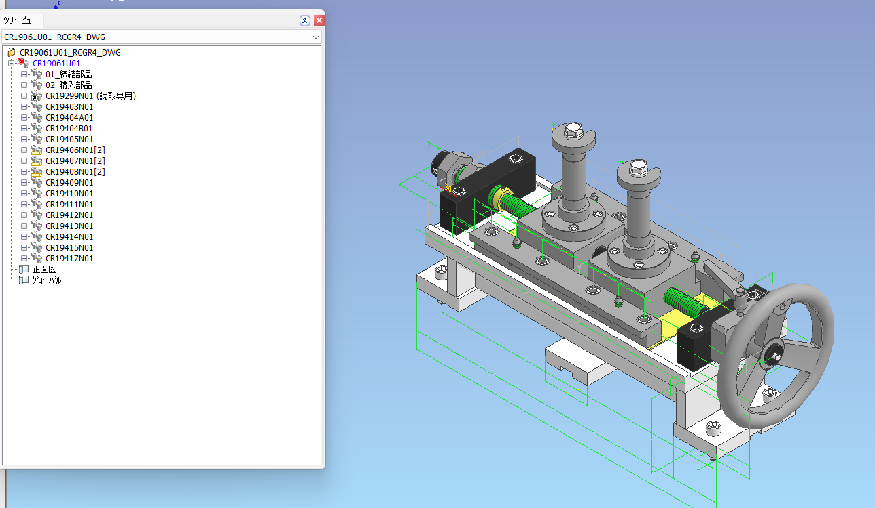

remove DWG on assy number
need link on part
color of purchase part depend on actual color

