Sheet1
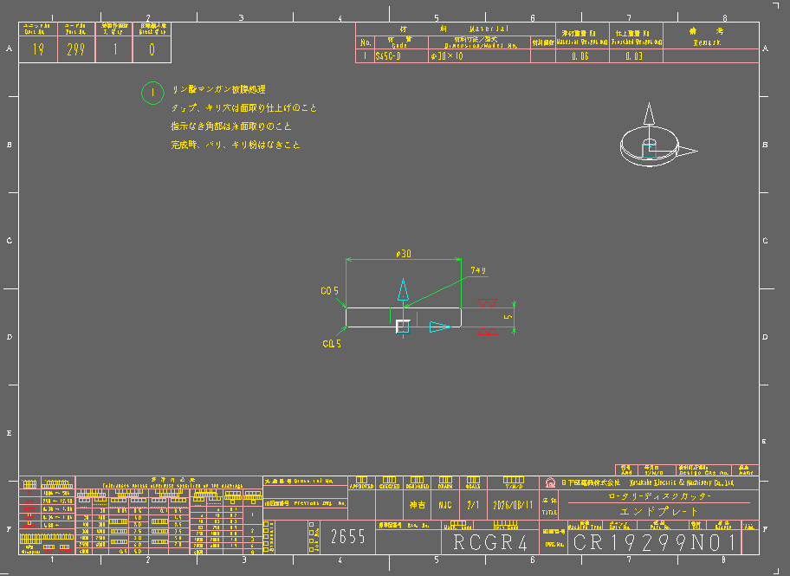

 |  |  |  |  |  |  | Japanese letter (CHECK ALL)

 | back to original position (ALL)

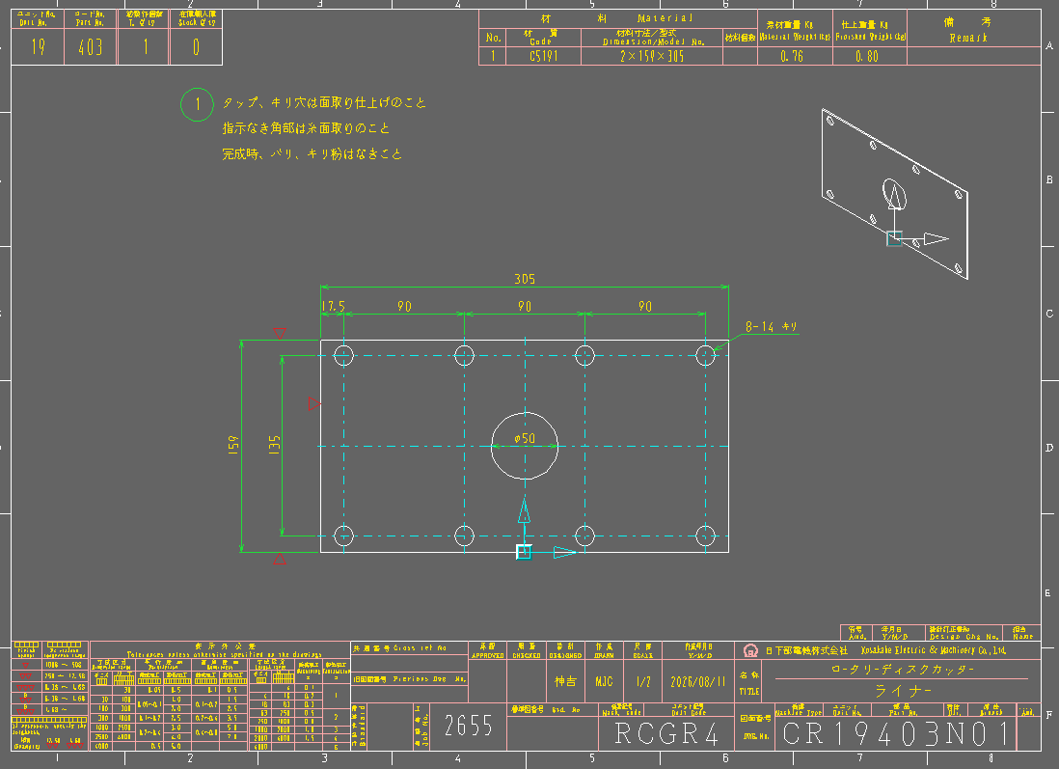
 |  |  |  |  |  |  | BILL OF MATERIAL
 |  |  |  |  |  |  | BOM Back to orig. pos. (ALL)

 |  |  |  |  |  |  | Show thickness of plate
 |  |  |  |  |  |  | machining symbol for dia. 50
 |  |  |  |  |  |  | machining symbol other side

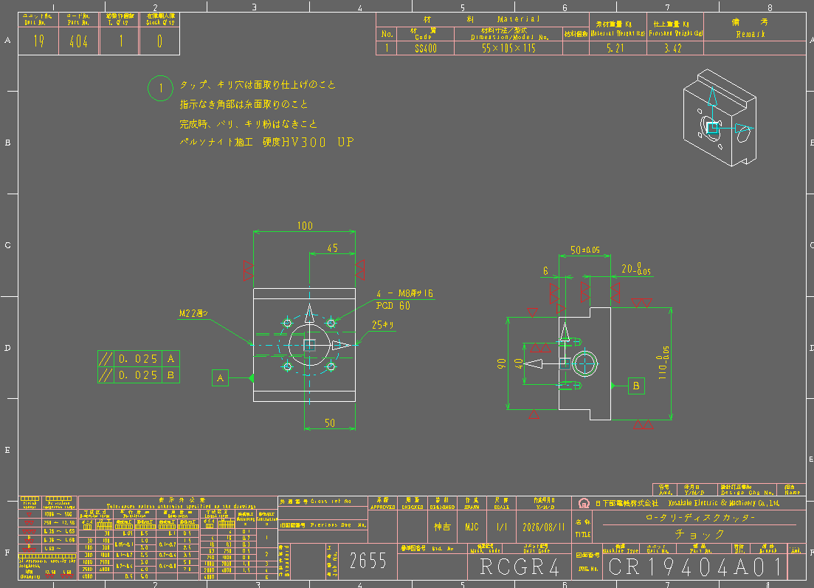

 |  |  |  |  |  | *

 |  |  |  |  |  | Add arrow for the location of geo. Tol. |  |  | lack of dimension side view check reference dwg
 |  |  |  |  |  | Don’t use PCD for KUSAKABE instead put diameter dim.
 |  |  |  |  |  | Tolerance for 40 dim (Side view)
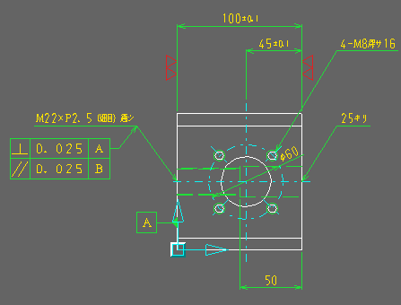

 |  |  |  |  |  | *

 |  | *
Also check and update 404B01

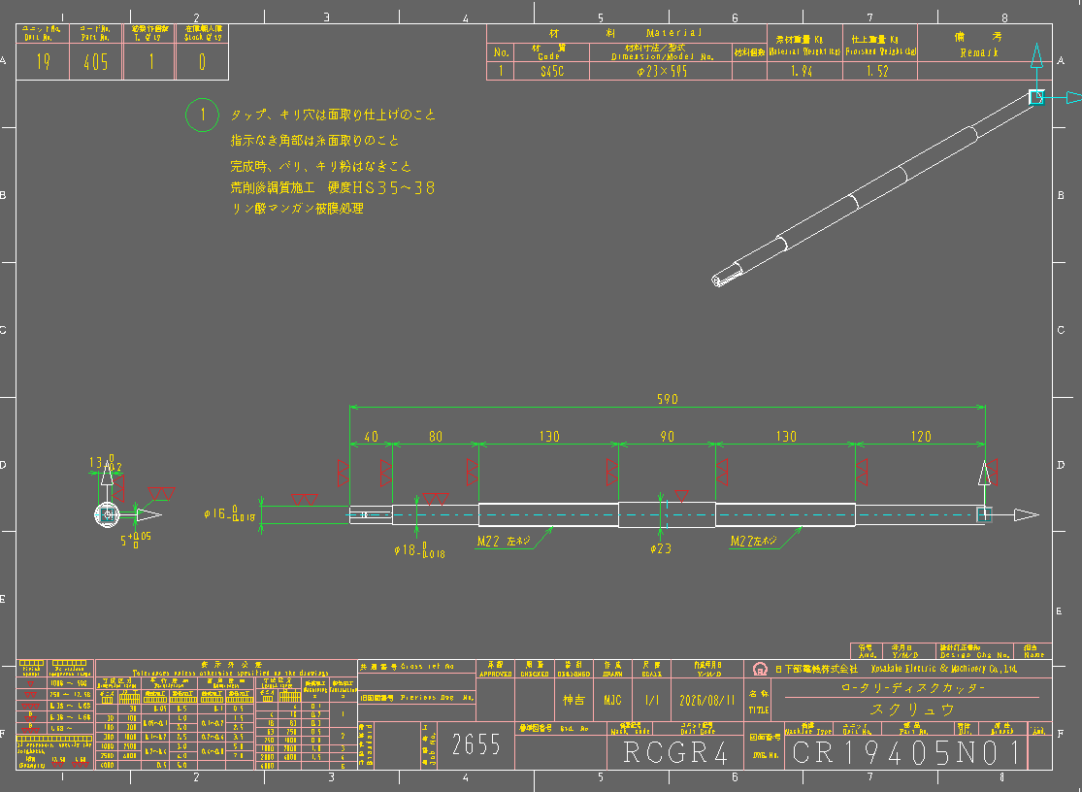

 |  |  |  |  |  | All additional process should be at the top of the standard note
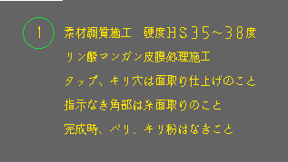

 |  |  |  |  |  | Update correct lines color used excel 2D

 |  |  |  |  |  | Dim 18 back to original position

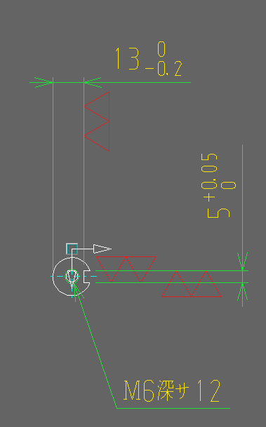

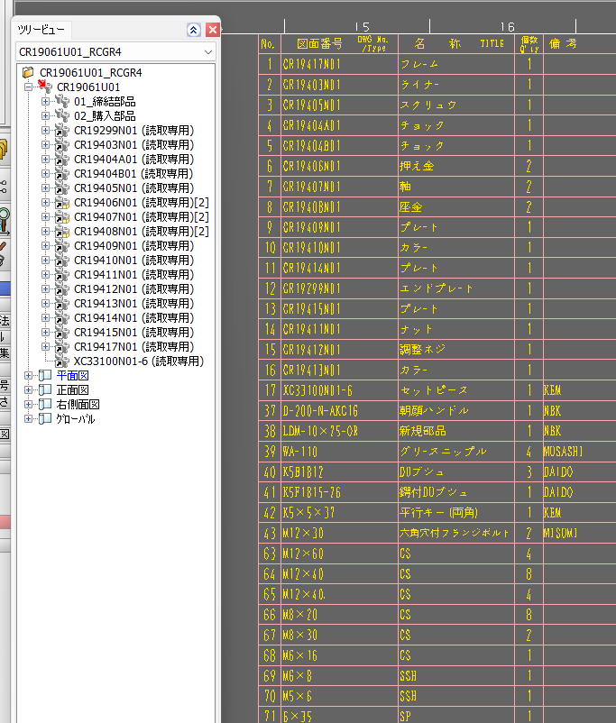

 |  |  |  | Update BOM title

 |  |  | KUSAKABE |  | start to 31

 |  |  | KUSAKABE |  | start to 61

 |  |  | Remove dot , no need to separate bolt qty

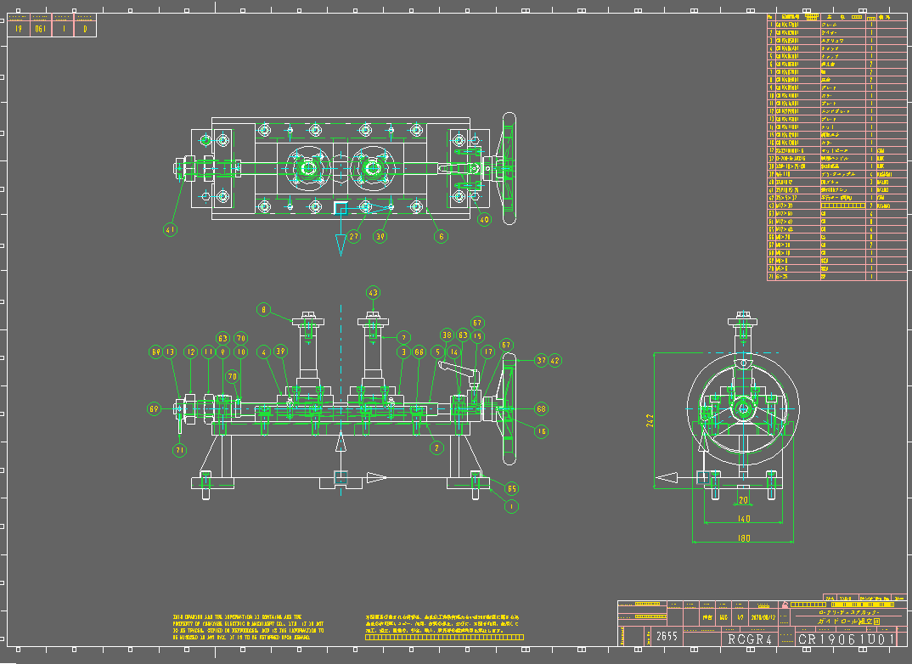
 |  |  |  |  |  |  |  | Show dimensions same as on reference

 |  |  |  |  |  |  |  | Check again the drawing same as on the ref.

