Report
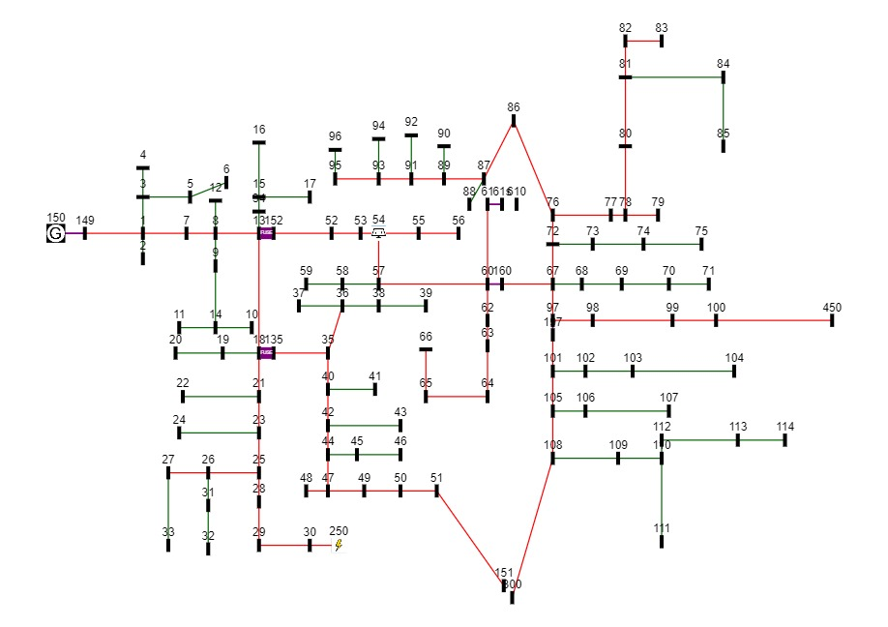

CASE NAME | Fuse on SW2
Base w/o PV | 102.811
Base fault w/o PV | 95.0387
Pre-fault w/ PV | 87.1899
Post-fault w/ PV | 138.529

FUSE POSITION | PV54 | PV51
SW2 | 39.179 | 81.315

