Top angle Design
Detail a | a | b | t' | t | xangle | Iangle | Aangle | 𝑥 ̅ | Iyy | Wx |  | b | a | t' | t | 𝑦 ̅ | Iyy | Wy | 𝑥 ̅ | Ixx | Wx
angle size | 2.500 | 2.500 | 0.250 | 0.250 | 0.711 | 0.692 | 1.190 | 0.553 | 0.804 | 0.413 |  | 2.5 | 2.5 | 0.25 | 0.25 | 1.4326923077 | 3.0733673878 | 1.090888083 | 0.55769230769 | 0.81750801282 | 0.42089521452
 |  |  |  |  |  |  |  |  |  |  |  | 4.25 | 2.5 | 0.25 | 0.25 | 1.4326923077 | 3.0733673878 | 1.090888083 | 0.55769230769 | 0.81750801282 | 0.42089521452
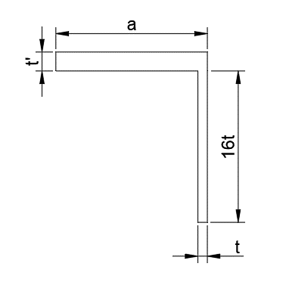

 |  |  |  |  |  |  |  | 0.1875 | 0.25 | 0.3125 | 0.375 | 0.4375

Detail b | a | b | t' | t | xangle | Iangle | Aangle | 𝑥 ̅ | Iyy | Wx | 𝑥 ̅ | Iyy | Wx
size | 2.500 | 2.500 | 0.313 | 0.188 | 0.735 | 0.837 | 1.460 | 1.288 | 2.642 | 1.889 | 1.398 | 2.637 | 1.887
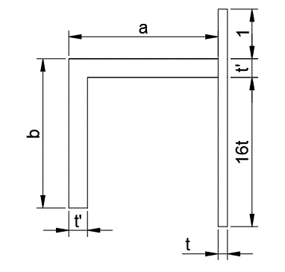

 |  |  |  |  |  |  |  | 0.1875 | 0.25 | 0.3125 | 0.375 | 0.4375

Detail c | a | b | t' | t | xangle | Iangle | Aangle | 𝑥 ̅ | Iyy | Wx | 𝑥 ̅ | Iyy | Wx
size | 2.500 | 2.500 | 0.313 | 0.250 | 0.735 | 0.837 | 1.460 | 0.922 | 3.865 | 2.114 | 1.827 | 3.862 | 2.113

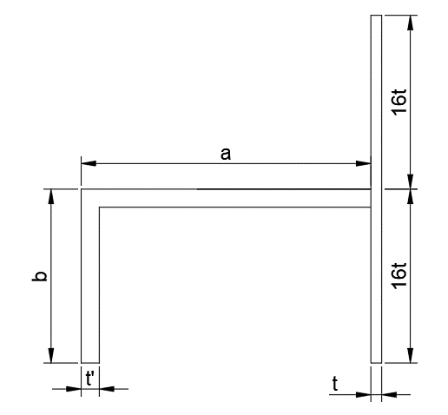

 |  |  |  |  |  |  |  | 0.1875 | 0.25 | 0.3125 | 0.375 | 0.4375

Detail d | a | 2a | b | t' | t | xangle | Iangle | Aangle | xangle2 | 𝑥 ̅ | Ixx | Wx | 𝑥 ̅ | Iyy | Wx
size | 4.000 | 8.000 | 3.000 | 0.313 | 0.188 | 1.250 | 3.360 | 2.090 | 6.750 | 3.010 | 58.315 | 11.263 | 5.177 | 58.483 | 11.296

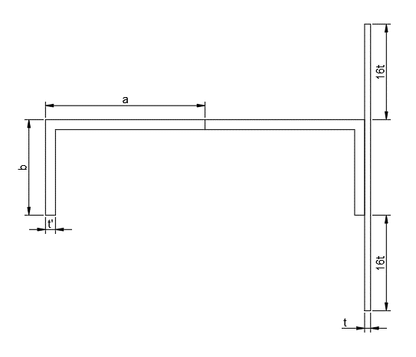

 |  |  |  |  |  |  |  | 0.1875 | 0.25 | 0.3125 | 0.375 | 0.4375

Detail e | b | t | 𝑥 ̅ | Ixx | Wx
size | 44.000 | 0.375 | 19.206 | 4845.474 | 192.521

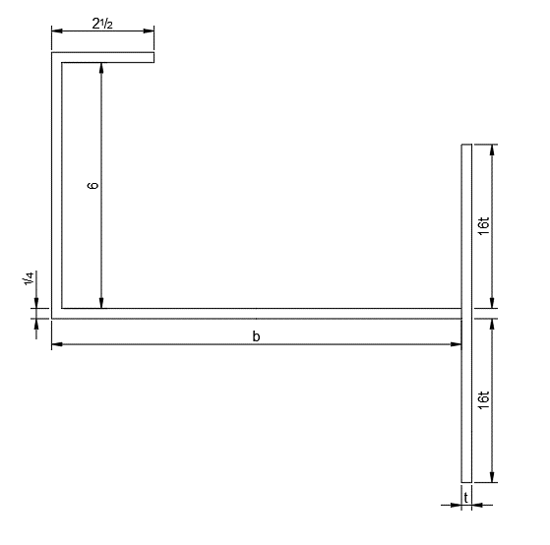

 |  |  |  |  |  |  |  | 0.1875 | 0.25 | 0.3125 | 0.375 | 0.4375

Intermediate angle Design
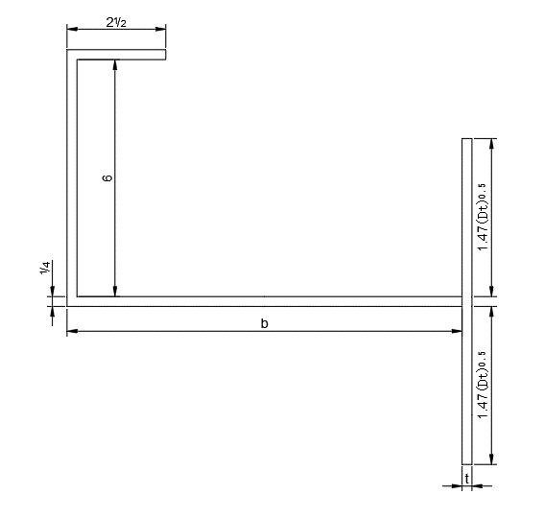
type a | a | b | t' | t | 𝑥 ̅ | Ixx | Wx
size |  |  |  | None | #VALUE! | #VALUE! | None
 |  |  |  | None | #VALUE! | #VALUE! | None
 |  |  |  | None | #VALUE! | #VALUE! | None
 |  |  |  | None | #VALUE! | #VALUE! | None

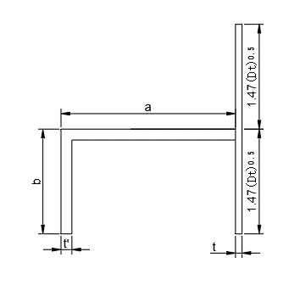

type b | a | 2a | b | t' | t | 𝑥 ̅ | Ixx | Wx
size |  | 0.000 |  |  | None | #VALUE! | #VALUE! | None
 |  | 0.000 |  |  | None | #VALUE! | #VALUE! | None
 |  | 0.000 |  |  | None | #VALUE! | #VALUE! | None
 |  | 0.000 |  |  | None | #VALUE! | #VALUE! | None

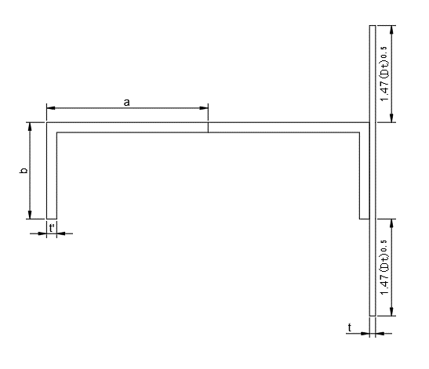

type c | b | t | 𝑥 ̅ | Ixx | Wx
size | 10.000 | None | #VALUE! | #VALUE! | None
 | 16.000 | None | #VALUE! | #VALUE! | None
 | 12.000 | None | #VALUE! | #VALUE! | None
 | 13.000 | None | #VALUE! | #VALUE! | None

