KEY
Key |  |  |  |  | Student Classifications
Q4 | How did the admissions process make you feel? |  |  |  | 1 | Undergraduate, In-State
Q5 | How hard was it to find information about… |  |  |  | 2 | Undergraduate, Out-of-state/International
Q5_1 | Applying to UT |  |  |  | 3 | Undergraduate, Transfer
Q5_2 | What to do after applying? |  |  |  | 4 | Graduate, In-state
Q5_3 | How to enroll at UT? |  |  |  | 5 | Graduate, Out-of-state/International
Q5_4 | Financial aid? |  |  |  | 6 | Transient
Q5_5 | On-campus housing?
Q5_6 | Registration?
Q6 | How efficient/time-consuming was it to find information about... |  |  |  | Ratings
Q6_1 | Applying to UT |  |  |  | Q1 | 1 = least satisfactory | 5 = most satisfactory
Q6_2 | What to do after applying? |  |  |  | Q5-Q6 | 1 = most satisifactory | 7 = least satisfactory
Q6_3 | How to enroll at UT?
Q6_4 | Financial aid?
Q6_5 | On-campus housing?
Q6_6 | Registration?
Q7_1 | If available, which would you use if you had any questions about admissions, registration, and/or financial aid? (You can select multiple options) - Selected Choice
Q7_2 | If available, which would you use if you had any questions about admissions, registration, and/or financial aid? (You can select multiple options) - Other - Text
Q8 | Do you have any additional comments about the admissions process, registration, and/or financial aid?

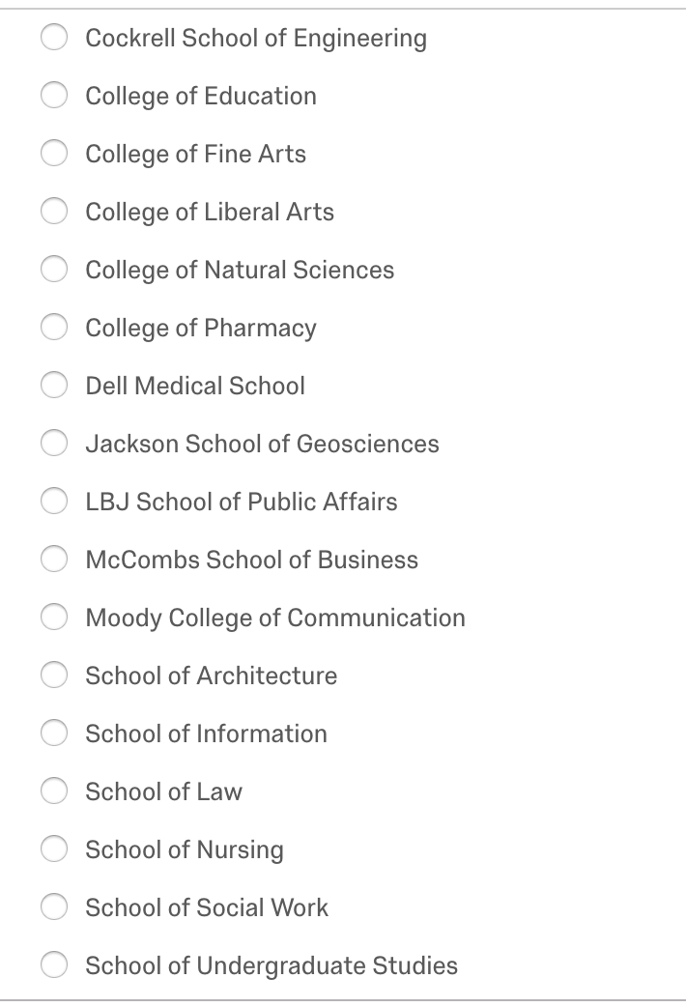
 |  | Colleges
 |  |  | ENG | 1
 |  |  | EDU | 2
 |  |  | FA | 3
 |  |  | COLA | 4
 |  |  | CNS | 5
 |  |  | PHARM | 6
 |  |  | DELL | 7
 |  |  | GEO | 8
 |  |  | LBJ | 9
 |  |  | BIZ | 10
 |  |  | COM | 11
 |  |  | ARC | 12
 |  |  | INFO | 13
 |  |  | LAW | 14
 |  |  | NURS | 15
 |  |  | SW | 16
 |  |  | UGS | 17

