12.7.2020
Logged in As | Page | Issue | Chetu Comments
 | LMS.train321.com | Needs to bring me directly to the Login page, not the sign up page | Done
 | LMS.train321.com | At the bottom of the page, please change Train321 to Train 321 | Done
Super Admin | Dashboard | Train321 clients should be Train 321 Clients (There needs to be a space in between Train and 321) | Done
Super Admin | Dashboard | Make the "Create New Company" button match the "Create Duplicate Course" button on the courses page | Done
Super Admin | Courses | Remove the "Allowed Attempts" column and replace with the Cost of the course | Done
Super Admin | Courses | Test Creation/Editing. Please place a save button at the top of the lightbox as well so we don't have to scroll all the way down to save a change to instructions. | Done - I don't see the save button at the top
Super Admin | Users | When I select the P/O/F box next to a user, it opens the lightbox for the courses. When I select the "Assign Course" button, it makes me first select a company. This information should be autopopulated for every user. When I click the drop down to Choose a Company nothing appears. When I try to Choose a Course, nothing appears | (CMK - The company is now available in the drop down selection)
Super Admin | Users | The lightbox that pops up when you select the P/O/F should not have a scroll bar. Everything needs to be visible without scrolling. Put the "Assign Course" button under the person's name and make those words on one line rather then stacked | Still required to scroll
Super Admin | Users | When I select Edit Profile for Chrissi Kitterman, there is no company listed in "Assigned Location" when I drop down the box, it doesn't have a list of the companies on the system | Done
Super Admin | Users | In Edit Profile for Chrissi Kitterman, I click "Assign Course" and no courses show up for me to assign (Also, make the word "Course" with a capital letter in the button "Assign Course" | Not showing list of available courses assigned to the location
Super Admin | Users | Make the "Clear All Filters" button match the other buttons on the other pages | Done
Super Admin | Tutorial Videos | We need an option for a manager video. Then we should be able to select all three user levels, or any two. | Done
Employee | Courses | A+ Security Host. The course dashboard is terrible as is the layout in the course itself. See the image to the right. This layout is 100x's better than what we have. When the user clicks into the course, all you see is the course material centered in the page. At the top right, you see a drop down that shows all the Modules or Lessons for the course. The More drop down box allows Course Info (Instructions) and Lessons, Back to Courses, and then Log out. | Better! | 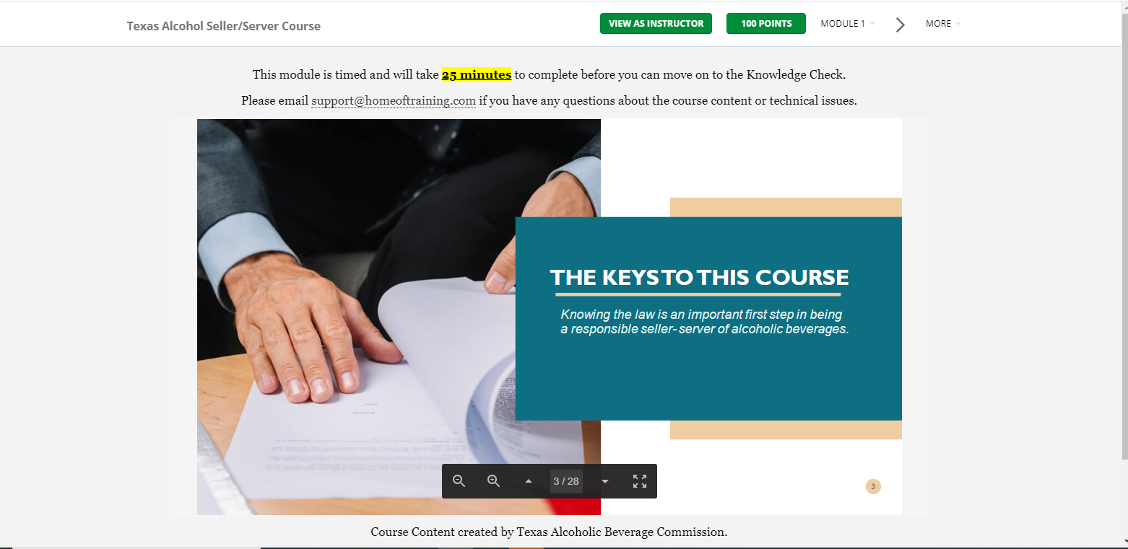
Company Admin | Dashboard | The tables and graphs are not populating correctly. ALSO, there are people listed in the Non-Compliant section who are compliant with training
Super Admin | Dashboard | The "Assigned Courses" number is not populating correctly | Done
Super Admin | Dashboard | Nothing happens when I click the Download Users Report | Done
Super Admin | Dashboard | I created a new company and assigned the parent company as Restaurant Programs of America. After creating the company, the dashboard number under locations did not update. Further, when I clicked on the number 0, it brought me to the locations page. There is No Data in the parent location list, in the Assigned Locations there's an address, and then the Child Location is where Restaurant Programs of America is located. In the Child Location table, there is a column header "Location Type" that is not needed. It should have all the information that is available under the "Assigned Locations" Table. This table/page is all off. First, RPA should be in the parent location table. Then there's no need for both "Assigned Locations" and "Child Location"... all locations under the parent should just be listed in "Child Location(s)" | Done
Super Admin | Locations | I should be able to click in any location listed on this page and open the edit of that location. | Done
Super Admin | Users | When I click the drop down box and select Restaurant Programs of America nothing happens in the table of users. | Done
Super Admin | Users | The search bar is not working | Done
Super Admin | Users | The Status drop down bar is not working | Done (See my note about the clear filters button not working)
Super Admin | Users | Click the upload document icon. In the user's document upload lightbox, please change the color of the button from yellow to green | Done
Super Admin | Courses | the UI for the create a course page needs to be updated.
Company Admin | Employee List | When I click the email reminder icon and select the email option at the top of the lightbox it says "Send Email to (person's name)" Please make that font bigger and center it in the box. | Done
Company Admin | Employee List | When I click the email reminder icon and select the email option "Send Reminder Email" the lightbox pops up that asks if I am sure I want to send a reminder email to xxx. When I click "NO" another lightbox pops up that says "Success! Email has been sent!" (There's an extra period at the back of that sentence that needs to be removed). the email should not send if I click NO.
Company Admin | Employee List | When I click the email reminder icon and select the email option and when I click the "Resend Welcome Email" a light box pops up that asks if I'm sure. I click "Yes" and the lightbox disappears without any indication that the email was sent. Same thing for the "Send Password Reset" button
Company Admin | Employee List | the last name sort button isnt sorting correctly | Done
Company Admin | Employee List | The P/O/F sort button isn't sorting correctly
Company Admin | Employee List | the status drop down filter is not filtering
Company Admin | Employee List | The search bar is not working
Company Admin | Employee List | The location drop down menu isn't showing properly
Company Admin | Certificates | In the RPA Company, I clicked Certificates for the A+ Security Host Training. Name of the course at the top is in dark blue unlike on other screens where it is white font on the light blue background. Further, in the table of certificates, there are no names for the certes and they are all showing as expired.
Company Admin | Certificates | When I click the icon to view the certificates, nothing happens
Company Admin | Certificates | When I click the button to download all certificates it sends me to an error page
Company Admin | Dashboard | Non-Compliant Employees - the table is wrong. Also, when I click the P/O/F for Dean Carras in RPA. It doesn't list the name of the course in the pop up box. | Done (The non-compliant table is still wrong) If the employees are non-compliant with one training, the P/O/F box should never be green
Super Admin | Users | After typing a name in the search bar, I clicked "Clear All Filters" and it only brought back two users out of the total list of users | Done
Company Admin | Dashboard | Non-Compliant Employees - the table is wrong
Company Admin | Tutorial Videos | I'm logged in as Dean Carras, a company admin. And the only tutorial video that is showing is the Employee Tutorial. Not the other two videos that I assigned to company admins. | Done
Super Admin | Courses | When editing a course, I clicked "Preview Course" at the bottom of the page and the screen just shows the title of the lesson and says "Take Quiz" even though I made the quiz Inactive for this course. (I'm in the Alcohol Safety Training - Texas).

12.14.2020
Logged in As | Page | Issue | Chetu Comments
Employee | Tutorial Video | Signed up as an employee- recieved company administrator tutorial | Done
Employee | Certificates | Passed Ansi Course and went to certificates: Can't download certificate
Super Admin | Companies/Edit Company | We should be able to assign courses from the edit company page. I know we have talked about this. It's not feasible to go into each course to assign it to the company. On the edit company page, at the bottom should show a list of the courses assigned and allow the Super Admin to add courses from a drop down box.
Employee | Course training | When choosing the wrong answer it will not allow you to choose the correct one after
Super Admin | Companies/Edit Company | It's not showing the company administrator's password information | Done
Sign In Page | Sign In Box | There needs to be a forgot username and forgot password link.
Super Admin | Companies / Download Course Report | If there is no course info to download, the system should say "No Open Courses at this Time" or "No Expired Courses at this Time" or "No Compliant Courses at this Time" instead of downloading a blank spreadsheet | Done
Super Admin | Companies / Download Course Report | The spreadsheet is not pulling the correct informaiton. For example, in Resilient Strategies, Chrissi Kitterman has an open course, but when I downloaded the course reports, that course did not show up on any of the spreadsheets | Done
Super Admin | Users | P/O/F - the lightbox that pops up needs to be bigger so we don't have to scroll left and right | Done
Super Admin | Users | When I select the P/O/F box next to a user, When I try to Choose a Course, nothing appears
Super Admin | Users | P/O/F - when I select the Edit button it brings up another light box that needs to be bigger that allows me to update course status. | Done
Company Admin | Dashboard | The tables and graphs are not populating correctly. ALSO, there are people listed in the Non-Compliant section who are compliant with training
Super Admin | Certificates | When I clicked on the "View" certificate titled "Testing-Certificate" it brought up a lightbox with a certificate inside, but there is no way to "X" out of the certificate. I had to click the browsers back button | Done
Super Admin | Certificates | When I click on the name of the certificate, i.e. "new certificate" that has a "Use Count" of 1, it brings me to a page that is titled "course1111" and it says "No Data"

Company Admin | Dashboard | The tables and graphs are not populating correctly. ALSO, there are people listed in the Non-Compliant section who are compliant with training
Company Admin | Dashboard | The UI needs to be worked on in the tables and graphs
Company Admin | Certificates | The First Name and Last Name is not populated on the table in the A+ Security Training
Company Admin | Certificates | The Status bar, when I drop down from Active to All no data appears
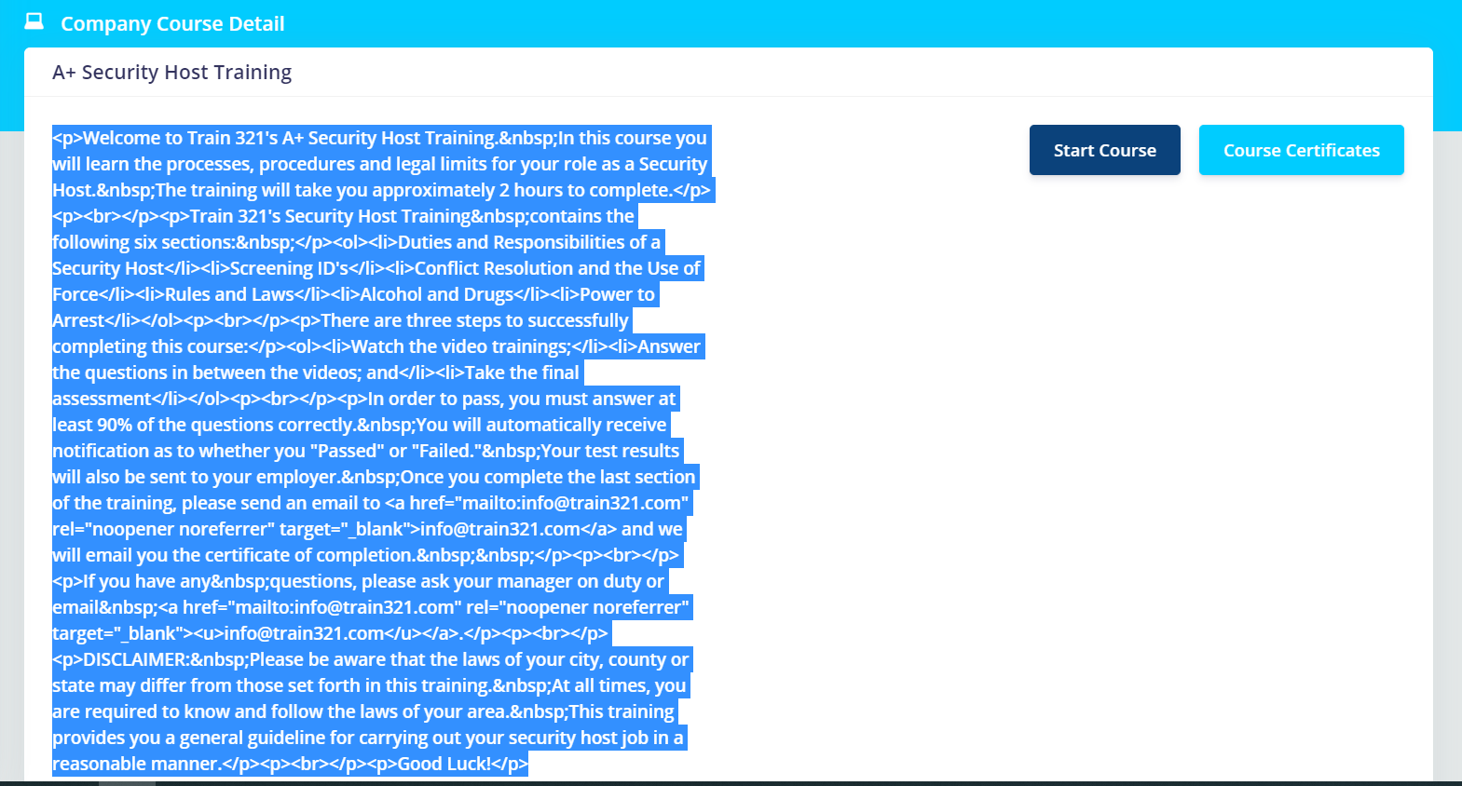
Company Admin | Certificates | The Download Certificates button doesn't do anything
Company Admin | Courses | When I click the course name (i.e. Logged in as Dean Carass, I click A+ Security Course link) the view is messed up. For example, it looks like the picture to the right. | Done

