data
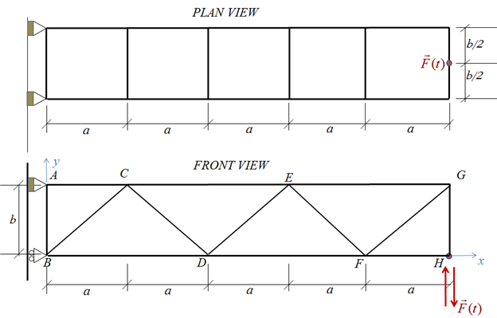
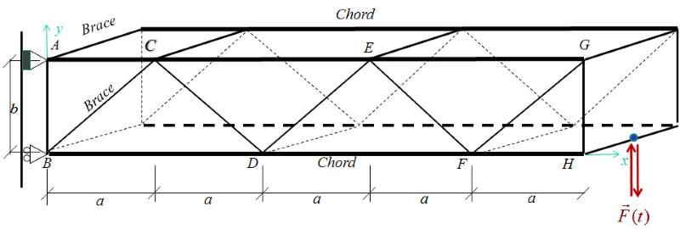
MECH2100 2021 Assignment 2 Welded Structure Design |  |  |  |  |  |  |  | Notes
Mark
↓ |  | ID # | 998
 |  | Name | Rushi Patel
 |  | e-mail | r.patel@uq.edu.au

 | Table | 1 | Geometry
 | A | mm | Bay length, a[mm] | 3000
 | B | mm | Bay height, b[mm] | 3000
 | DCHORD | mm | Chord diameter | 165.1
 | TCHORD | mm | Chord wall thickness | 5
 | DBRACE | mm | Brace diameter | 76.1
 | TBRACE | mm | Brace wall thickness | 4.5
 | JOINT | deg | Joint to analyse in this Assignment | F
 | JOINTTYPE |  | Type of joint (gap or overlap) | overlap
 | SG |  | The brace that has the strain gage | BC

 | Table | 2 | Strain Gauge Data
 | HEADINGS |  |  | P | Q | R
 | UNITS
 | MARKS |  |  | 34% | 33% | 33%
 | REFERENCE
 | PEAKSTRAIN | ustrains | Peak microstrains for each cycle | 300 | 150 | 90
 | NPERHOUR |  | Number of cycles experienced in 8 hours | 80 | 120 | 600
5 | PEAKFORCE | N | Peak value (include sign) of the applied force | 88896 | 44448 | 26669 | Upward is the positive direction

 | Table | 3 | Other Data
 | GRAV | m/s2 | Gravitational acceleration | 9.81
 | MODULUS | MPa | Young's Modulus for steel | 207000
 | DENSITY | kg/m3 | Density of steel | 7850
 | POISSON |  | Poisson's Ratio for steel | 0.3
 | CHSYIELD | MPa | Yield strength for the CHS sections | 350
 | PINYIELD | MPa | Yield strength for the pin | 350
 | STATICFOS |  | Factor of safety against static overload | 1.5
 | CODE |  | Fatigue design code | Eurocode 3

 | Table | 4 | Load Case 1 - Gravity
3 | CENTX | mm | Centroid x-coordinate | 7500 |  | x is the horizontal axis
3 | CENTY | mm | Centroid y-coordinate | 1500 |  | y is the vertical axis
5 | WEIGHT | kg | Total suspended weight | 1808
10 | AGRAVX | N | Total static load on each upper pin in X direction | 22166 |  | include sign, pulling the pin away from the wall is positive
10 | AGRAVY | N | Total static load on each upper pin in Y direction | -8867 |  | include sign; upward is positive
10 | BGRAVX | N | Total static load on each lower pin in X direction | -22166 |  | include sign, pulling the pin away from the wall is positive
10 | BGRAVY | N | Total static load on each lower pin in Y direction | 0 |  | include sign; upward is positive

 | Table | 5 | Dynamic Loads - Member forces due to the applied P, Q and R loads
 | HEADINGS |  |  | P | Q | R
 | UNITS
 | MARKS |  |  | 34% | 33% | 33%
 | REFERENCE
3 | AC | N | Member force (tensile forces will have positive sign) | -222240 | -111120 | -66672 | tension: positive; compression:negative
3 | CE | N | Member force (tensile forces will have positive sign) | -133344 | -66672 | -40003 | tension: positive; compression:negative
3 | EG | N | Member force (tensile forces will have positive sign) | -44448 | -22224 | -13334 | tension: positive; compression:negative
3 | BD | N | Member force (tensile forces will have positive sign) | 177792 | 88896 | 53338 | tension: positive; compression:negative
3 | DF | N | Member force (tensile forces will have positive sign) | 88896 | 44448 | 26669 | tension: positive; compression:negative
3 | FH | N | Member force (tensile forces will have positive sign) | 0 | 0 | 0 | tension: positive; compression:negative
3 | AB | N | Member force (tensile forces will have positive sign) | -44448 | -22224 | -13334 | tension: positive; compression:negative
3 | BC | N | Member force (tensile forces will have positive sign) | 62859 | 31429 | 18858 | tension: positive; compression:negative
3 | CD | N | Member force (tensile forces will have positive sign) | -62859 | -31429 | -18858 | tension: positive; compression:negative
3 | DE | N | Member force (tensile forces will have positive sign) | 62859 | 31429 | 18858 | tension: positive; compression:negative
3 | EF | N | Member force (tensile forces will have positive sign) | -62859 | -31429 | -18858 | tension: positive; compression:negative
3 | FG | N | Member force (tensile forces will have positive sign) | 62859 | 31429 | 18858 | tension: positive; compression:negative
3 | GH | N | Member force (tensile forces will have positive sign) | -44448 | -22224 | -13334 | tension: positive; compression:negative

 | Table | 6 | Dynamic Pin loads due to the applied force (gravity not included)
 | HEADINGS |  |  | P | Q | R
 | UNITS
 | MARKS |  |  | 34% | 33% | 33%
 | REFERENCE
10 | AFX | N | Total dynamic load on each upper pin in X direction | -222240 | -111120 | -66672
10 | AFY | N | Total dynamic load on each upper pin in Y direction | 44448 | 22224 | 13334 | include sign; upward is positive
10 | BFX | N | Total dynamic load on each lower pin in X direction | 222240 | 111120 | 66672
10 | BFY | N | Total dynamic load on each lower pin in Y direction | 0 | 0 | 0 | include sign; upward is positive

 | Table | 7 | Unadjusted (before applying MM factors) nominal stress ranges near F
 | HEADINGS |  |  | P | Q | R
 | UNITS
 | MARKS |  |  | 34% | 33% | 33%
 | REFERENCE
5 | DF | MPa | Unadjusted nominal stress range | 35.35 | 17.67 | 10.60
5 | EF | MPa | Unadjusted nominal stress range | -62.10 | -31.05 | -18.63
5 | FH | MPa | Unadjusted nominal stress range | 0.00 | 0.00 | 0.00
5 | FG | MPa | Unadjusted nominal stress range | 62.10 | 31.05 | 18.63

 | Table | 8 | Moment Magnification Factors around F
5 | DF |  | MM factor | 1.5
5 | EF |  | MM Factor | 1.2
5 | FH |  | MM Factor | 1.5
5 | FG |  | MM Factor | 1.2

 | Table | 9 | Adjusted (AFTER applying MM factors) stress ranges near F
 | HEADINGS |  |  | P | Q | R
 | UNITS
 | MARKS |  |  | 34% | 33% | 33%
 | REFERENCE
10 | DF | MPa | Adjusted stress range | 53.02 | 26.51 | 15.91
10 | EF | MPa | Adjusted stress range | -74.52 | -37.26 | -22.36
10 | FH | MPa | Adjusted stress range | 0.00 | 0.00 | 0.00
10 | FG | MPa | Adjusted stress range | 74.52 | 37.26 | 22.36

 | Table | 10 | Results
50 | LIFE | hours | Crack-free life for F based on EuroCode 3 | 74411 |  | Enter "Infinite" for infinite life
50 | ADIA | mm | Minimum pin diameter for upper wall connections | 33.30
50 | BDIA | mm | Minimum pin diameter for lower wall connections | 33.04

