Clients Requirement
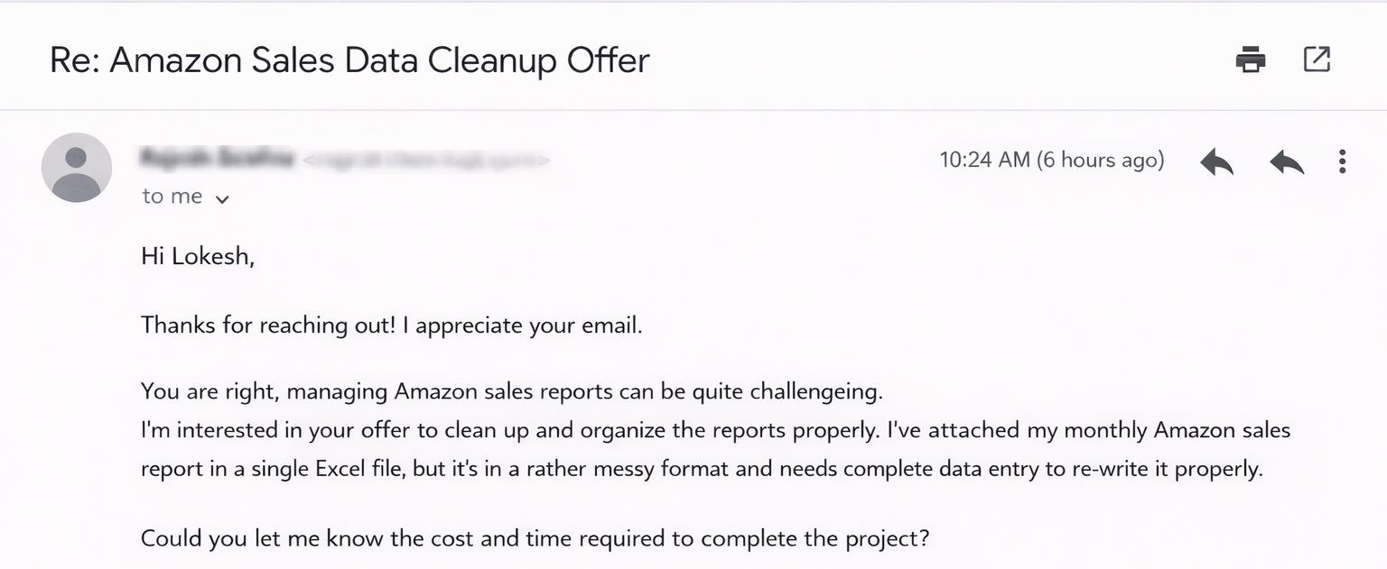
Clients's Requirement

Home Work
Write Total sales amount for Delhi in the comment section of this video :)



Fulfil the requirement and I'll Pay you a Good amount...

I have downloaded sales report from my Amazon seller account and all the 800+ rows of data came in a single column. Kindly re-write the data into multiple columns.

1063900

