Sheet1
 | SMILES | Name | logp | hac
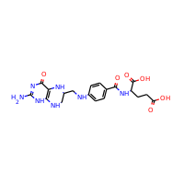 | Nc1nc(=O)c2c([nH]1)NCC(CNc1ccc(C(=O)NC(CCC(=O)O)C(=O)O)cc1)N2 | DB00116 | -0.282 | 32
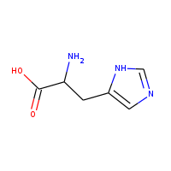 | NC(Cc1cnc[nH]1)C(=O)O | DB00117 | -0.6359 | 11
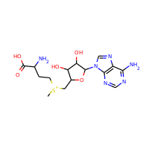 | C[S+](CCC(N)C(=O)O)CC1OC(n2cnc3c2ncnc3N)C(O)C1O | DB00118 | -1.9222 | 27
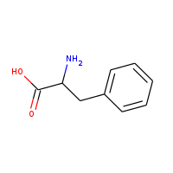 | NC(Cc1ccccc1)C(=O)O | DB00120 | 0.641 | 12
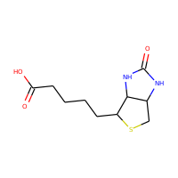 | O=C(O)CCCCC1SCC2NC(=O)NC12 | DB00121 | 0.7968 | 16
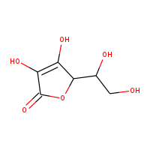 | O=C1OC(C(O)CO)C(O)=C1O | DB00126 | -1.4074 | 12
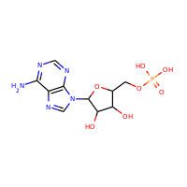 | Nc1ncnc2c1ncn2C1OC(COP(=O)(O)O)C(O)C1O | DB00131 | -1.863 | 23
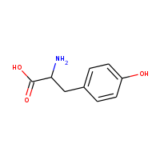 | NC(Cc1ccc(O)cc1)C(=O)O | DB00135 | 0.3466 | 13
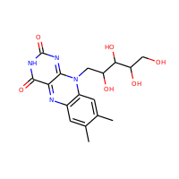 | Cc1cc2nc3c(=O)[nH]c(=O)nc-3n(CC(O)C(O)C(O)CO)c2cc1C | DB00140 | -1.72356 | 27
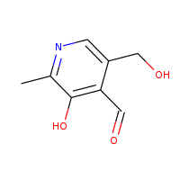 | Cc1ncc(CO)c(C=O)c1O | DB00147 | 0.40042 | 12
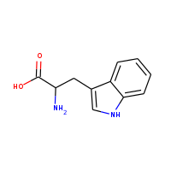 | NC(Cc1c[nH]c2ccccc12)C(=O)O | DB00150 | 1.1223 | 15
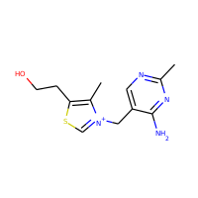 | Cc1c(CCO)sc[n+]1Cc1cnc(C)nc1N | DB00152 | 0.60774 | 18
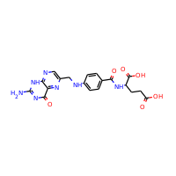 | Nc1nc(=O)c2nc(CNc3ccc(C(=O)NC(CCC(=O)O)C(=O)O)cc3)cnc2[nH]1 | DB00158 | -0.0448 | 32
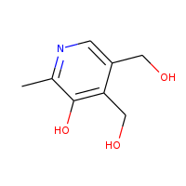 | Cc1ncc(CO)c(CO)c1O | DB00165 | 0.08022 | 12
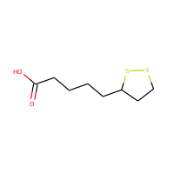 | O=C(O)CCCCC1CCSS1 | DB00166 | 2.7851 | 12
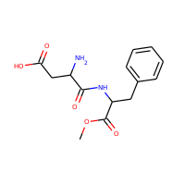 | COC(=O)C(Cc1ccccc1)NC(=O)C(N)CC(=O)O | DB00168 | -0.3111 | 21
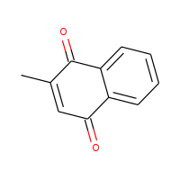 | CC1=CC(=O)c2ccccc2C1=O | DB00170 | 2.0119 | 13
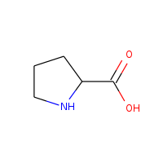 | O=C(O)C1CCCN1 | DB00172 | -0.177 | 8
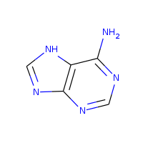 | Nc1ncnc2nc[nH]c21 | DB00173 | -0.0649 | 10
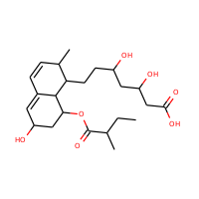 | CCC(C)C(=O)OC1CC(O)C=C2C=CC(C)C(CCC(O)CC(O)CC(=O)O)C21 | DB00175 | 2.4404 | 30
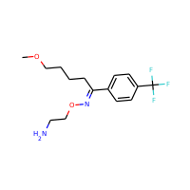 | COCCCCC(=NOCCN)c1ccc(C(F)(F)F)cc1 | DB00176 | 3.2015 | 22
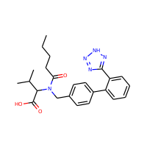 | CCCCC(=O)N(Cc1ccc(-c2ccccc2-c2nn[nH]n2)cc1)C(C(=O)O)C(C)C | DB00177 | 4.1617 | 32
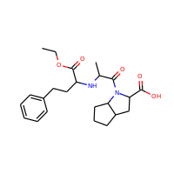 | CCOC(=O)C(CCc1ccccc1)NC(C)C(=O)N1C(C(=O)O)CC2CCCC21 | DB00178 | 2.3832 | 30
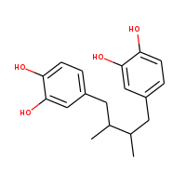 | CC(Cc1ccc(O)c(O)c1)C(C)Cc1ccc(O)c(O)c1 | DB00179 | 3.5664 | 22
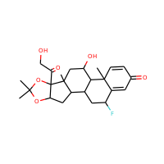 | CC1(C)OC2CC3C4CC(F)C5=CC(=O)C=CC5(C)C4C(O)CC3(C)C2(C(=O)CO)O1 | DB00180 | 2.2747 | 31
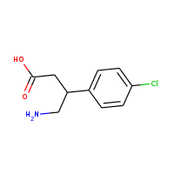 | NCC(CC(=O)O)c1ccc(Cl)cc1 | DB00181 | 1.857 | 14
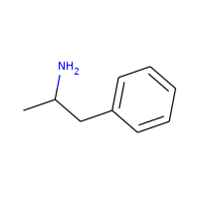 | CC(N)Cc1ccccc1 | DB00182 | 1.5763 | 10
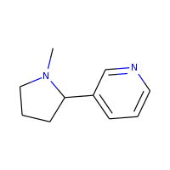 | CN1CCCC1c1cccnc1 | DB00184 | 1.8483 | 12
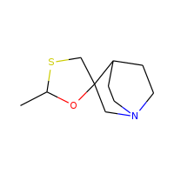 | CC1OC2(CS1)CN1CCC2CC1 | DB00185 | 1.5602 | 13
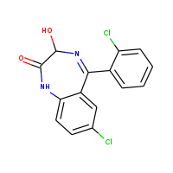 | O=C1Nc2ccc(Cl)cc2C(c2ccccc2Cl)=NC1O | DB00186 | 3.1013 | 21
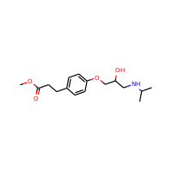 | COC(=O)CCc1ccc(OCC(O)CNC(C)C)cc1 | DB00187 | 1.5299 | 21
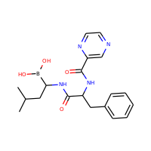 | CC(C)CC(NC(=O)C(Cc1ccccc1)NC(=O)c1cnccn1)B(O)O | DB00188 | 0.3606 | 28
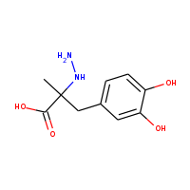 | CC(Cc1ccc(O)c(O)c1)(NN)C(=O)O | DB00190 | -0.0531 | 16
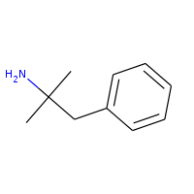 | CC(C)(N)Cc1ccccc1 | DB00191 | 1.9664 | 11
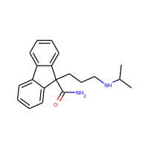 | CC(C)NCCCC1(C(N)=O)c2ccccc2-c2ccccc21 | DB00192 | 3.2166 | 23
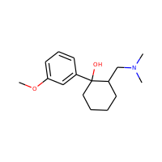 | COc1cccc(C2(O)CCCCC2CN(C)C)c1 | DB00193 | 2.6346 | 19
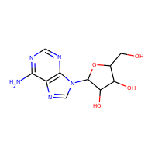 | Nc1ncnc2c1ncn2C1OC(CO)C(O)C1O | DB00194 | -1.98 | 19
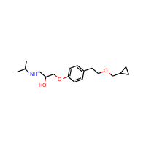 | CC(C)NCC(O)COc1ccc(CCOCC2CC2)cc1 | DB00195 | 2.3934 | 22
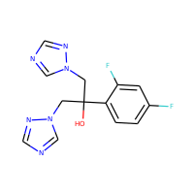 | OC(Cn1cncn1)(Cn1cncn1)c1ccc(F)cc1F | DB00196 | 0.7358 | 22
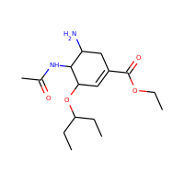 | CCOC(=O)C1=CC(OC(CC)CC)C(NC(C)=O)C(N)C1 | DB00198 | 1.2854 | 22
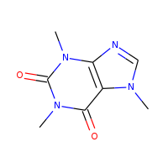 | Cn1cnc2c1c(=O)n(C)c(=O)n2C | DB00201 | -1.0293 | 14
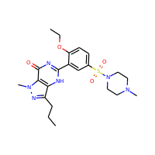 | CCCc1nn(C)c2c1[nH]c(-c1cc(S(=O)(=O)N3CCN(C)CC3)ccc1OCC)nc2=O | DB00203 | 1.6109 | 33
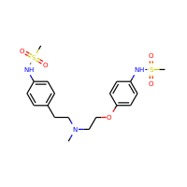 | CN(CCOc1ccc(NS(C)(=O)=O)cc1)CCc1ccc(NS(C)(=O)=O)cc1 | DB00204 | 1.9829 | 29
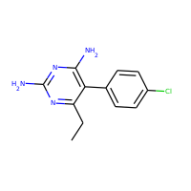 | CCc1nc(N)nc(N)c1-c1ccc(Cl)cc1 | DB00205 | 2.5238 | 17
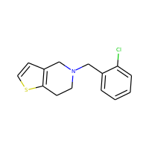 | Clc1ccccc1CN1CCc2sccc2C1 | DB00208 | 3.9598 | 17
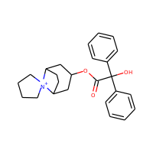 | O=C(OC1CC2CCC(C1)[N+]21CCCC1)C(O)(c1ccccc1)c1ccccc1 | DB00209 | 3.7697 | 29
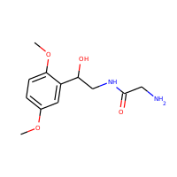 | COc1ccc(OC)c(C(O)CNC(=O)CN)c1 | DB00211 | -0.1879 | 18
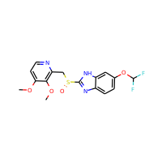 | COc1ccnc(CS(=O)c2nc3ccc(OC(F)F)cc3[nH]2)c1OC | DB00213 | 2.8843 | 26
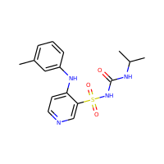 | Cc1cccc(Nc2ccncc2S(=O)(=O)NC(=O)NC(C)C)c1 | DB00214 | 2.52992 | 24
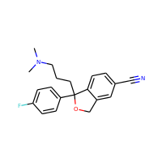 | CN(C)CCCC1(c2ccc(F)cc2)OCc2cc(C#N)ccc21 | DB00215 | 3.81298 | 24
 | CN1CCCC1Cc1c[nH]c2ccc(CCS(=O)(=O)c3ccccc3)cc12 | DB00216 | 3.821 | 27
 | CN=C(NC)NCc1ccccc1 | DB00217 | 0.9814 | 13
 | COc1c(N2CC3CCCNC3C2)c(F)cc2c(=O)c(C(=O)O)cn(C3CC3)c21 | DB00218 | 2.3705 | 29
 | CC[N+](C)(CC)CCOC(=O)C(O)(c1ccccc1)C1CCCCC1 | DB00219 | 3.4841 | 25
 | CCC(NC(C)C)C(O)c1ccc(O)c(O)c1 | DB00221 | 1.9078 | 17
 | CCC1=C(C)CN(C(=O)NCCc2ccc(S(=O)(=O)NC(=O)NC3CCC(C)CC3)cc2)C1=O | DB00222 | 3.074 | 34
 | CC1CC2C3CC(F)C4=CC(=O)C=CC4(C)C3(F)C(O)CC2(C)C1(O)C(=O)CO | DB00223 | 1.8437 | 29
 | NC(N)=NCC1COC2(CCCCC2)O1 | DB00226 | 0.3356 | 15
 | CCC(C)C(=O)OC1CC(C)C=C2C=CC(C)C(CCC3CC(O)CC(=O)O3)C21 | DB00227 | 4.1955 | 29
 | CN1c2ccc(Cl)cc2C(c2ccccc2)=NC(O)C1=O | DB00231 | 2.4722 | 21
 | CN1C(CCl)Nc2cc(Cl)c(S(N)(=O)=O)cc2S1(=O)=O | DB00232 | 0.5983 | 20
 | Nc1ccc(C(=O)O)c(O)c1 | DB00233 | 0.6726 | 11
 | CCOc1ccccc1OC(c1ccccc1)C1CNCCO1 | DB00234 | 3.1938 | 23
 | Cc1[nH]c(=O)c(C#N)cc1-c1ccncc1 | DB00235 | 1.617 | 16
 | O=C(CCBr)N1CCN(C(=O)CCBr)CC1 | DB00236 | 1.2272 | 16
 | CCC(C)C1(CC)C(=O)NC(=O)NC1=O | DB00237 | 0.7949 | 15
 | Cc1ccnc2c1NC(=O)c1cccnc1N2C1CC1 | DB00238 | 2.65122 | 20
 | CC1CC2C3C(Cl)CC4=CC(=O)C=CC4(C)C3C(O)CC2(C)C1(O)C(=O)CO | DB00240 | 2.0209 | 28
 | C=CCC1(CC(C)C)C(=O)NC(=O)NC1=O | DB00241 | 0.961 | 16
 | Nc1nc(Cl)nc2c1ncn2C1CC(O)C(CO)O1 | DB00242 | -0.2974 | 19
 | COc1ccccc1OCC(O)CN1CCN(CC(=O)Nc2c(C)cccc2C)CC1 | DB00243 | 2.30804 | 31
 | Nc1ccc(O)c(C(=O)O)c1 | DB00244 | 0.6726 | 11
 | CN1C2CCC1CC(OC(c1ccccc1)c1ccccc1)C2 | DB00245 | 4.4178 | 23
 | O=C1Cc2cc(CCN3CCN(c4nsc5ccccc54)CC3)c(Cl)cc2N1 | DB00246 | 3.809 | 28
 | CCC(CO)NC(=O)C1C=C2c3cccc4c3c(cn4C)CC2N(C)C1 | DB00247 | 1.9351 | 26
 | C=CCN1CC(C(=O)N(CCCN(C)C)C(=O)NCC)CC2c3cccc4[nH]cc(c43)CC21 | DB00248 | 3.1939 | 33
 | O=c1[nH]c(=O)n(C2CC(O)C(CO)O2)cc1I | DB00249 | -1.2181 | 17
 | Nc1ccc(S(=O)(=O)c2ccc(N)cc2)cc1 | DB00250 | 1.6838 | 17
 | O=C1NC(=O)C(c2ccccc2)(c2ccccc2)N1 | DB00252 | 1.7696 | 19
 | CC(=O)C1CCC2C3CC(C)C4=CC(=O)CCC4(C)C3C(O)CC12C | DB00253 | 3.9403 | 25
 | CC1c2cccc(O)c2C(=O)C2=C(O)C3(O)C(=O)C(C(N)=O)=C(O)C(N(C)C)C3C(O)C21 | DB00254 | -0.3476 | 32
 | CCC(=C(CC)c1ccc(O)cc1)c1ccc(O)cc1 | DB00255 | 4.8286 | 20
 | Nc1ccc(S(N)(=O)=O)cc1 | DB00259 | -0.0838 | 11
 | NC1CONC1=O | DB00260 | -1.6249 | 7
 | O=C1CN2Cc3c(ccc(Cl)c3Cl)N=C2N1 | DB00261 | 1.9263 | 16
 | Cc1noc(NS(=O)(=O)c2ccc(N)cc2)c1C | DB00263 | 1.67444 | 18
 | COCCc1ccc(OCC(O)CNC(C)C)cc1 | DB00264 | 1.6132 | 19
 | CC=CC(=O)N(CC)c1ccccc1C | DB00265 | 2.92402 | 15
 | O=c1oc2ccccc2c(O)c1Cc1c(O)c2ccccc2oc1=O | DB00266 | 2.9014 | 25
 | CCCN(CCC)CCc1cccc2c1CC(=O)N2 | DB00268 | 2.8457 | 19
 | COC(=O)C1=C(C)NC(C)=C(C(=O)OC(C)C)C1c1cccc2nonc21 | DB00270 | 2.5822 | 27
 | NCCc1ccn[nH]1 | DB00272 | -0.0891 | 8
 | CC1(C)OC2COC3(COS(N)(=O)=O)OC(C)(C)OC3C2O1 | DB00273 | -0.3954 | 22
 | COC1(NC(=O)CSCC#N)C(=O)N2C(C(=O)O)=C(CSc3nnnn3C)CSC21 | DB00274 | -0.72832 | 30
 | CCCc1nc(C(C)(C)O)c(C(=O)O)n1Cc1ccc(-c2ccccc2-c2nnn[nH]2)cc1 | DB00275 | 3.6566 | 33
 | COc1cc(NS(C)(=O)=O)ccc1Nc1c2ccccc2nc2ccccc21 | DB00276 | 4.5117 | 28
 | Cn1c2nc[nH]c2c(=O)n(C)c1=O | DB00277 | -1.0397 | 13
 | CC(C)N(CCC(C(N)=O)(c1ccccc1)c1ccccn1)C(C)C | DB00280 | 3.3619 | 25
 | CCN(CC)CC(=O)Nc1c(C)cccc1C | DB00281 | 2.58374 | 17
 | COc1ccc(C(CN(C)C)C2(O)CCCCC2)cc1 | DB00285 | 3.0356 | 20
 | CC12CCC3c4ccc(OS(=O)(=O)[O-])cc4CCC3C1CCC2=O | DB00286 | 2.9508 | 24
 | CNCCC(Oc1ccccc1C)c1ccccc1 | DB00289 | 3.72462 | 19
 | O=C(O)CCCc1ccc(N(CCCl)CCCl)cc1 | DB00291 | 3.3779 | 19
 | CCOC(=O)c1cncn1C(C)c1ccccc1 | DB00292 | 2.6691 | 18
 | Cc1nc(=O)c2cc(CN(C)c3ccc(C(=O)NC(CCC(=O)O)C(=O)O)s3)ccc2[nH]1 | DB00293 | 1.97722 | 32
 | C#CC1(O)CCC2C3CCC4=CC(=O)CCC4C3C(=C)CC21CC | DB00294 | 4.0487 | 24
 | CN1CCC23c4c5c(O)ccc4CC1C2C=CC(O)C3O5 | DB00295 | 1.1981 | 21
 | CCCN1CCCCC1C(=O)Nc1c(C)cccc1C | DB00296 | 3.50644 | 20
 | CCCCN1CCCCC1C(=O)Nc1c(C)cccc1C | DB00297 | 3.89654 | 21
 | Cc1ccccc1N1CCN(CCc2nnc3n2CCCC3)CC1 | DB00298 | 2.28752 | 24
 | Nc1nc(=O)c2ncn(CCC(CO)CO)c2[nH]1 | DB00299 | -1.3073 | 18
 | CC(Cn1cnc2c1ncnc2N)OCP(=O)(O)O | DB00300 | -0.0512 | 19
 | Cc1onc(-c2c(F)cccc2Cl)c1C(=O)NC1C(=O)N2C1SC(C)(C)C2C(=O)O | DB00301 | 2.68782 | 30
 | NCC1CCC(C(=O)O)CC1 | DB00302 | 0.8361 | 11
 | CC(O)C1C(=O)N2C(C(=O)O)=C(SC3CNC(C(=O)Nc4cccc(C(=O)O)c4)C3)C(C)C12 | DB00303 | 0.9407 | 33
 | C#CC1(O)CCC2C3CCC4=CCCCC4C3C(=C)CC21CC | DB00304 | 4.8697 | 23
 | COC12C3NC3CN1C1=C(C(=O)C(N)=C(C)C1=O)C2COC(N)=O | DB00305 | -1.6512 | 24
 | C=CCC1(C(C)CC)C(=O)N(C)C(=O)N(C)C1=O | DB00306 | 1.6454 | 18
 | CCCCCCCN(CC)CCCC(O)c1ccc(NS(C)(=O)=O)cc1 | DB00308 | 4.164 | 26
 | NS(=O)(=O)c1cc(C2(O)NC(=O)c3ccccc32)ccc1Cl | DB00310 | 0.9242 | 22
 | CCOc1ccc2nc(S(N)(=O)=O)sc2c1 | DB00311 | 1.3424 | 16
 | CCCC(C)C1(CC)C(=O)NC(=O)NC1=O | DB00312 | 1.185 | 16
 | CN(C)CCc1c[nH]c2ccc(CC3COC(=O)N3)cc12 | DB00315 | 1.9229 | 21
 | CC(=O)Nc1ccc(O)cc1 | DB00316 | 1.3506 | 11
 | COc1cc2ncnc(Nc3ccc(F)c(Cl)c3)c2cc1OCCCN1CCOCC1 | DB00317 | 4.2756 | 31
 | COc1ccc2c3c1OC1C(O)C=CC4C(C2)N(C)CCC314 | DB00318 | 1.5011 | 22
 | CN(C)CCC=C1c2ccccc2CCc2ccccc21 | DB00321 | 4.1686 | 21
 | O=c1[nH]c(=O)n(C2CC(O)C(CO)O2)cc1F | DB00322 | -1.6836 | 17
 | Cc1ccc(C(=O)c2cc(O)c(O)c([N+](=O)[O-])c2)cc1 | DB00323 | 2.54542 | 20
 | CC(=O)C1(O)CCC2C3CC(C)C4=CC(=O)C=CC4(C)C3(F)C(O)CC21C | DB00324 | 2.9233 | 27
 | CN1CCC23c4c5c(O)ccc4CC1C2CCC(=O)C3O5 | DB00327 | 1.6303 | 21
 | COc1ccc2c(c1)c(CC(=O)O)c(C)n2C(=O)c1ccc(Cl)cc1 | DB00328 | 3.92732 | 25
 | CC(C)[N+]1(C)C2CCC1CC(OC(=O)C(CO)c1ccccc1)C2 | DB00332 | 2.8541 | 24
 | CCC(=O)C(CC(C)N(C)C)(c1ccccc1)c1ccccc1 | DB00333 | 4.292 | 23
 | Cc1cc2c(s1)Nc1ccccc1N=C2N1CCN(C)CC1 | DB00334 | 3.43922 | 22
 | CC(C)NCC(O)COc1ccc(CC(N)=O)cc1 | DB00335 | 0.4521 | 19
 | NC(=O)NN=Cc1ccc([N+](=O)[O-])o1 | DB00336 | 0.19 | 14
 | COc1ccc2nc(S(=O)Cc3ncc(C)c(OC)c3C)[nH]c2c1 | DB00338 | 2.89974 | 24
 | NC(=O)c1cnccn1 | DB00339 | -0.4245 | 9
 | O=C(O)COCCN1CCN(C(c2ccccc2)c2ccc(Cl)cc2)CC1 | DB00341 | 3.1482 | 27
 | COc1ccc(C2Sc3ccccc3N(CCN(C)C)C(=O)C2OC(C)=O)cc1 | DB00343 | 3.3685 | 29
 | CNCCCC1c2ccccc2C=Cc2ccccc21 | DB00344 | 4.3019 | 20
 | Nc1ccc(C(=O)NCC(=O)O)cc1 | DB00345 | 0.0832 | 14
 | COc1cc2nc(N(C)CCCNC(=O)C3CCCO3)nc(N)c2cc1OC | DB00346 | 1.3507 | 28
 | CN1C(=O)OC(C)(C)C1=O | DB00347 | 0.3736 | 10
 | O=C(c1ccc(C(F)(F)F)cc1[N+](=O)[O-])C1C(=O)CCCC1=O | DB00348 | 2.7346 | 23
 | CN1c2ccc(Cl)cc2N(c2ccccc2)C(=O)CC1=O | DB00349 | 3.3712 | 21
 | Nc1cc(N2CCCCC2)nc(N)[n+]1[O-] | DB00350 | -0.1303 | 15
 | CC(=O)C1(O)CCC2C3C=CC4=CC(=O)CCC4(C)C3CCC21C | DB00351 | 3.6144 | 24
 | Nc1nc(=S)c2[nH]cnc2[nH]1 | DB00352 | 0.59769 | 11
 | CCC(CO)NC(=O)C1C=C2c3cccc4[nH]cc(c43)CC2N(C)C1 | DB00353 | 1.9247 | 25
 | CC1C(NC(=O)C(=NOC(C)(C)C(=O)O)c2csc([NH3+])n2)C(=O)N1S(=O)(=O)[O-] | DB00355 | -2.2239 | 28
 | O=c1[nH]c2cc(Cl)ccc2o1 | DB00356 | 1.7745 | 11
 | CCC1(c2ccc(N)cc2)CCC(=O)NC1=O | DB00357 | 1.3532 | 17
 | OC(c1cc(C(F)(F)F)nc2c1cccc2C(F)(F)F)C1CCCCN1 | DB00358 | 4.4479 | 26
 | Nc1ccc(S(=O)(=O)Nc2ncccn2)cc1 | DB00359 | 0.8596 | 17
 | CC(O)C(O)C1CNc2[nH]c(N)nc(=O)c2N1 | DB00360 | -1.7002 | 17
 | CN1CCN(C2=Nc3cc(Cl)ccc3Nc3ccccc32)CC1 | DB00363 | 3.7227 | 23
 | Cc1c(F)c(N2CCNC(C)C2)cc2c1c(=O)c(C(=O)O)cn2C1CC1 | DB00365 | 2.28022 | 26
 | CN(C)CCOC(C)(c1ccccc1)c1ccccn1 | DB00366 | 2.9233 | 20
 | C#CC1(O)CCC2C3CCC4=CC(=O)CCC4C3CCC21CC | DB00367 | 3.8826 | 23
 | NCC(O)c1ccc(O)c(O)c1 | DB00368 | 0.0899 | 12
 | Nc1ccn(CC(CO)OCP(=O)(O)O)c(=O)n1 | DB00369 | -1.6618 | 18
 | CN1CCN2c3ncccc3Cc3ccccc3C2C1 | DB00370 | 2.4789 | 20
 | CC(C)(C)NCC(O)COc1nsnc1N1CCOCC1 | DB00373 | 0.5025 | 21
 | CCCCCC(O)CCC1C(O)CC2Cc3c(cccc3OCC(=O)O)CC21 | DB00374 | 3.5832 | 28
 | NCCNCCNCCNCCN.ClCC1CO1 | DB00375 | -1.7034 | 18
 | OC(CCN1CCCCC1)(c1ccccc1)C1CCCCC1 | DB00376 | 4.3305 | 22
 | O=C1c2cccc3c2C(CCC3)CN1C1CN2CCC1CC2 | DB00377 | 2.6565 | 22
 | CC(=O)C1CCC2C3C=CC4=CC(=O)CCC4(C)C3CCC12C | DB00378 | 4.4995 | 23
 | Cc1cccc(C)c1OCC(C)N | DB00379 | 2.02944 | 13
 | CC(CN1CC(=O)NC(=O)C1)N1CC(=O)NC(=O)C1 | DB00380 | -2.7083 | 19
 | CCOC(=O)C1=C(COCCN)NC(C)=C(C(=O)OC)C1c1ccccc1Cl | DB00381 | 2.2663 | 28
 | Nc1c2ccccc2nc2c1CCCC2 | DB00382 | 2.6958 | 15
 | CN1CCCN=C1COC(=O)C(O)(c1ccccc1)C1CCCCC1 | DB00383 | 2.7317 | 25
 | Nc1nc(N)c2nc(-c3ccccc3)c(N)nc2n1 | DB00384 | 0.8334 | 19
 | OC(CCN1CCCC1)(c1ccccc1)C1CCCCC1 | DB00387 | 3.9404 | 21
 | CNCC(O)c1cccc(O)c1 | DB00388 | 0.645 | 12
 | CCOC(=O)n1ccn(C)c1=S | DB00389 | 1.56069 | 12
 | CCN1CCCC1CNC(=O)c1cc(S(N)(=O)=O)ccc1OC | DB00391 | 0.5567 | 23
 | COCCOC(=O)C1=C(C)NC(C)=C(C(=O)OC(C)C)C1c1cccc([N+](=O)[O-])c1 | DB00393 | 2.9708 | 30
 | CC(=O)C1CCC2C3CCC4=CC(=O)CCC4(C)C3CCC12C | DB00396 | 4.7235 | 23
 | CC(N)C(O)c1ccccc1 | DB00397 | 1.0672 | 11
 | O=P(O)(O)C(O)(Cn1ccnc1)P(=O)(O)O | DB00399 | -1.1154 | 16
 | COc1cc(OC)c(Cl)c2c1C(=O)C1(O2)C(OC)=CC(=O)CC1C | DB00400 | 2.8103 | 24
 | COC(=O)C1=C(C)NC(C)=C(C(=O)OCC(C)C)C1c1ccccc1[N+](=O)[O-] | DB00401 | 3.2018 | 28
 | CN1CCN(C(=O)OC2c3nccnc3C(=O)N2c2ccc(Cl)cn2)CC1 | DB00402 | 1.568 | 27
 | Cc1nnc2n1-c1ccc(Cl)cc1C(c1ccccc1)=NC2 | DB00404 | 3.58012 | 22
 | CN(C)CCC(c1ccc(Br)cc1)c1ccccn1 | DB00405 | 3.9277 | 19
 | CN(C)c1ccc(C(c2ccc(N(C)C)cc2)=C2C=CC(=[N+](C)C)C=C2)cc1 | DB00406 | 4.4596 | 28
 | CN1CCN(C2=Nc3ccccc3Oc3ccc(Cl)cc32)CC1 | DB00408 | 3.7714 | 23
 | CCN1CCCC1CNC(=O)c1c(OC)ccc(Br)c1OC | DB00409 | 2.6804 | 22
 | CN(CCOc1ccc(CC2SC(=O)NC2=O)cc1)c1ccccn1 | DB00412 | 2.4909 | 25
 | CCCNC1CCc2nc(N)sc2C1 | DB00413 | 1.5822 | 14
 | CC(=O)c1ccc(S(=O)(=O)NC(=O)NC2CCCCC2)cc1 | DB00414 | 2.2098 | 22
 | CC1(C)SC2C(NC(=O)C(N)c3ccccc3)C(=O)N2C1C(=O)O | DB00415 | 0.3181 | 24
 | CC1(C)SC2C(NC(=O)COc3ccccc3)C(=O)N2C1C(=O)O | DB00417 | 0.6971 | 24
 | C=CCC1(C(C)CCC)C(=O)NC(=O)NC1=O | DB00418 | 1.3511 | 17
 | CCCCN1CC(O)C(O)C(O)C1CO | DB00419 | -1.4543 | 15
 | CN(C)CCCN1c2ccccc2Sc2ccccc21 | DB00420 | 4.241 | 20
 | CC(=O)SC1CC2=CC(=O)CCC2(C)C2CCC3(C)C(CCC34CCC(=O)O4)C12 | DB00421 | 4.8523 | 29
 | COC(=O)C(c1ccccc1)C1CCCCN1 | DB00422 | 2.0853 | 17
 | COc1ccccc1OCC(O)COC(N)=O | DB00423 | 0.5302 | 17
 | CN1C2CCC1CC(OC(=O)C(CO)c1ccccc1)C2 | DB00424 | 1.9309 | 21
 | Cc1ccc(-c2nc3ccc(C)cn3c2CC(=O)N(C)C)cc1 | DB00425 | 3.24884 | 23
 | CC(=O)OCC(CCn1cnc2cnc(N)nc21)COC(C)=O | DB00426 | 0.541 | 23
 | Cc1ccc(C(=CCN2CCCC2)c2ccccn2)cc1 | DB00427 | 3.91752 | 21
 | CN(N=O)C(=O)NC1C(O)OC(CO)C(O)C1O | DB00428 | -2.8909 | 18
 | CCCCCC(C)(O)C=CC1C(O)CC(O)C1CC=CCCCC(=O)[O-].[NH3+]C(CO)(CO)CO | DB00429 | -0.9577 | 34
 | ClC1C(Cl)C(Cl)C(Cl)C(Cl)C1Cl | DB00431 | 3.6444 | 12
 | O=c1[nH]c(=O)n(C2CC(O)C(CO)O2)cc1C(F)(F)F | DB00432 | -0.8039 | 20
 | CN1CCN(CCCN2c3ccccc3Sc3ccc(Cl)cc32)CC1 | DB00433 | 4.5802 | 25
 | CN1CCC(=C2c3ccccc3C=Cc3ccccc32)CC1 | DB00434 | 4.6979 | 22
 | NS(=O)(=O)c1cc2c(cc1C(F)(F)F)NC(Cc1ccccc1)NS2(=O)=O | DB00436 | 1.6254 | 27
 | O=c1ncnc2[nH][nH]cc1-2 | DB00437 | -0.4022 | 10
 | COc1cc(Cc2cnc(N)nc2N)cc(OC)c1OC | DB00440 | 1.2576 | 21
 | Nc1ccn(C2OC(CO)C(O)C2(F)F)c(=O)n1 | DB00441 | -1.2886 | 18
 | C=C1C(CO)C(O)CC1n1cnc2c1[nH]c(N)nc2=O | DB00442 | -0.8278 | 20
 | CC1CC2C3CCC4=CC(=O)C=CC4(C)C3(F)C(O)CC2(C)C1(O)C(=O)CO | DB00443 | 1.8957 | 28
 | O=C(NC(CO)C(O)c1ccc([N+](=O)[O-])cc1)C(Cl)Cl | DB00446 | 0.909 | 20
 | NC(C(=O)NC1C(=O)N2C(C(=O)O)=C(Cl)CCC12)c1ccccc1 | DB00447 | 0.7108 | 24
 | Cc1c(OCC(F)(F)F)ccnc1CS(=O)c1nc2ccccc2[nH]1 | DB00448 | 3.51522 | 25
 | CNCC(O)c1ccc(OC(=O)C(C)(C)C)c(OC(=O)C(C)(C)C)c1 | DB00449 | 2.8424 | 25
 | O=C(CCCN1CC=C(n2c(=O)[nH]c3ccccc32)CC1)c1ccc(F)cc1 | DB00450 | 3.6784 | 28
 | CCOC(=O)C1(c2ccccc2)CCN(C)CC1 | DB00454 | 2.2131 | 18
 | CCOC(=O)N1CCC(=C2c3ccc(Cl)cc3CCc3cccnc32)CC1 | DB00455 | 4.8878 | 27
 | CC(=O)OCC1=C(C(=O)O)N2C(=O)C(NC(=O)Cc3cccs3)C2SC1 | DB00456 | 0.5923 | 26
 | COc1cc2nc(N3CCN(C(=O)c4ccco4)CC3)nc(N)c2cc1OC | DB00457 | 1.7846 | 28
 | CN(C)CCCN1c2ccccc2CCc2ccccc21 | DB00458 | 3.875 | 21
 | COc1ccc2cc(CCC(C)=O)ccc2c1 | DB00461 | 3.37 | 17
 | C[N+]1(C)C2CC(OC(=O)C(CO)c3ccccc3)CC1C1OC12 | DB00462 | 1.0627 | 23
 | CCC1(CC)C(=O)NC(=O)N(C)C1=O | DB00463 | 0.501 | 14
 | O=C(O)C1CCn2c(C(=O)c3ccccc3)ccc21 | DB00465 | 2.291 | 19
 | CCn1cc(C(=O)O)c(=O)c2cc(F)c(N3CCNCC3)nc21 | DB00467 | 0.6633 | 23
 | C=CC1CN2CCC1CC2C(O)c1ccnc2ccc(OC)cc21 | DB00468 | 3.1732 | 24
 | CN1C(=C(O)Nc2ccccn2)C(=O)c2sccc2S1(=O)=O | DB00469 | 1.7991 | 22
 | CNCCC(Oc1ccc(C(F)(F)F)cc1)c1ccccc1 | DB00472 | 4.435 | 22
 | CC(CNC1CCCCC1)OC(=O)c1ccccc1 | DB00473 | 3.1542 | 19
 | C=CCC1(C(C)C#CCC)C(=O)NC(=O)N(C)C1=O | DB00474 | 1.3066 | 19
 | CNC1=Nc2ccc(Cl)cc2C(c2ccccc2)=[N+]([O-])C1 | DB00475 | 2.9507 | 21
 | CNCCC(Oc1cccc2ccccc21)c1cccs1 | DB00476 | 4.6309 | 21
 | CN(C)CCCN1c2ccccc2Sc2ccc(Cl)cc21 | DB00477 | 4.8944 | 21
 | CC(N)C12CC3CC(CC(C3)C1)C2 | DB00478 | 2.55 | 13
 | Nc1cccc2c1CN(C1CCC(=O)NC1=O)C2=O | DB00480 | 0.0298 | 19
 | Cc1ccc(-c2cc(C(F)(F)F)nn2-c2ccc(S(N)(=O)=O)cc2)cc1 | DB00482 | 3.51392 | 26
 | Brc1c(NC2=NCCN2)ccc2nccnc21 | DB00484 | 1.7634 | 17
 | Cc1onc(-c2c(Cl)cccc2Cl)c1C(=O)NC1C(=O)N2C1SC(C)(C)C2C(=O)O | DB00485 | 3.20212 | 30
 | CCn1cc(C(=O)O)c(=O)c2cc(F)c(N3CCN(C)CC3)cc21 | DB00487 | 1.6105 | 24
 | CN(C)c1nc(N(C)C)nc(N(C)C)n1 | DB00488 | 0.0696 | 15
 | CC(C)NCC(O)c1ccc(NS(C)(=O)=O)cc1 | DB00489 | 1.0895 | 18
 | O=C1CC2(CCCC2)CC(=O)N1CCCCN1CCN(c2ncccn2)CC1 | DB00490 | 2.0882 | 28
 | OCCN1CC(O)C(O)C(O)C1CO | DB00491 | -3.2621 | 14
 | CON=C(C(=O)NC1C(=O)N2C(C(=O)O)=C(COC(C)=O)CSC12)c1csc(N)n1 | DB00493 | -0.6225 | 30
 | CCN(CC)C(=O)C(C#N)=Cc1cc(O)c(O)c([N+](=O)[O-])c1 | DB00494 | 1.78138 | 22
 | Cc1cn(C2CC(N=[N+]=[N-])C(CO)O2)c(=O)[nH]c1=O | DB00495 | -0.19628 | 19
 | NC(=O)C(c1ccccc1)(c1ccccc1)C1CCN(CCc2ccc3c(c2)CCO3)C1 | DB00496 | 3.9575 | 32
 | COc1ccc2c3c1OC1C(=O)CCC4(O)C(C2)N(C)CCC314 | DB00497 | 1.0482 | 23
 | O=C1c2ccccc2C(=O)C1c1ccccc1 | DB00498 | 2.8494 | 17
 | CC(C)C(=O)Nc1ccc([N+](=O)[O-])c(C(F)(F)F)c1 | DB00499 | 3.2081 | 19
 | Cc1ccc(C(=O)c2ccc(CC(=O)O)n2C)cc1 | DB00500 | 2.19162 | 19
 | CN=C(NC#N)NCCSCc1nc[nH]c1C | DB00501 | 0.5974 | 17
 | O=C(CCCN1CCC(O)(c2ccc(Cl)cc2)CC1)c1ccc(F)cc1 | DB00502 | 4.4256 | 26
 | C=CCN1CCC23CCCCC2C1Cc1ccc(O)cc13 | DB00504 | 3.6366 | 21
 | CC[N+](CC)(CC)CCC(O)(c1ccccc1)C1CCCCC1 | DB00505 | 4.7211 | 23
 | CC(=O)Oc1ccccc1C(=O)Nc1ncc([N+](=O)[O-])s1 | DB00507 | 2.2289 | 21
 | COc1ccc2c(c1)C13CCCCC1C(C2)N(C)CC3 | DB00514 | 3.3834 | 20
 | CCCC(CCC)C(=O)OC1CC2CCC(C1)[N+]2(C)C | DB00517 | 3.5158 | 20
 | CCCSc1ccc2nc(NC(=O)OC)[nH]c2c1 | DB00518 | 3.2433 | 18
 | CCOC(=O)C(CCc1ccccc1)NC(C)C(=O)N1C(C(=O)O)CC2CCCCC21 | DB00519 | 2.7733 | 31
 | CC(C)(C)NCC(O)COc1cccc2c1CCC(=O)N2 | DB00521 | 1.6991 | 21
 | O=C(O)c1ccc(NC(=O)C(Cc2ccc(O)cc2)NC(=O)c2ccccc2)cc1 | DB00522 | 3.0702 | 30
 | Cc1ccccc1N1C(=O)c2cc(S(N)(=O)=O)c(Cl)cc2NC1C | DB00524 | 2.71412 | 24
 | Cc1cccc(N(C)C(=S)Oc2ccc3ccccc3c2)c1 | DB00525 | 4.94832 | 22
 | O=C1O[Pt]2(NC3CCCCC3N2)OC1=O | DB00526 | -0.5957 | 15
 | CCCCOc1cc(C(=O)NCCN(CC)CC)c2ccccc2n1 | DB00527 | 3.4853 | 25
 | C#Cc1cccc(Nc2ncnc3cc(OCCOC)c(OCCOC)cc32)c1 | DB00530 | 3.4051 | 29
 | O=P1(N(CCCl)CCCl)NCCCO1 | DB00531 | 1.884 | 14
 | CCC1(c2ccccc2)NC(=O)N(C)C1=O | DB00532 | 1.4735 | 16
 | C=CC1=C(C(=O)O)N2C(=O)C(NC(=O)C(=NO)c3csc(N)n3)C2SC1 | DB00535 | -0.1718 | 26
 | O=C(O)c1cn(C2CC2)c2cc(N3CCNCC3)c(F)cc2c1=O | DB00537 | 1.5833 | 24
 | CNCCC=C1c2ccccc2CCc2ccccc21 | DB00540 | 3.8264 | 20
 | CCOC(=O)C(CCc1ccccc1)NC1CCc2ccccc2N(CC(=O)O)C1=O | DB00542 | 2.5731 | 31
 | Clc1ccc2c(c1)C(N1CCNCC1)=Nc1ccccc1O2 | DB00543 | 3.4292 | 22
 | O=c1[nH]cc(F)c(=O)[nH]1 | DB00544 | -0.7977 | 9
 | CN(C)C(=O)Oc1ccc[n+](C)c1 | DB00545 | 0.5715 | 13
 | CN(C)Cc1nnc2n1-c1ccc(Cl)cc1C(c1ccccc1)=NC2 | DB00546 | 3.3333 | 25
 | CC1CC2C3CCC4=CC(=O)C=CC4(C)C3(F)C(O)CC2(C)C1C(=O)CO | DB00547 | 2.7808 | 27
 | CCCc1cc(=O)[nH]c(=S)[nH]1 | DB00550 | 1.38499 | 11
 | OCC1OC(n2cnc3c2N=CNCC3O)CC1O | DB00552 | -1.1798 | 19
 | COc1c2occc2cc2ccc(=O)oc21 | DB00553 | 2.5478 | 16
 | CN1C(C(=O)Nc2ccccn2)=C(O)c2ccccc2S1(=O)=O | DB00554 | 1.581 | 23
 | Nc1nnc(-c2cccc(Cl)c2Cl)c(N)n1 | DB00555 | 2.0098 | 16
 | OCCOCCN1CCN(C(c2ccccc2)c2ccc(Cl)cc2)CC1 | DB00557 | 3.0559 | 26
 | CC(=O)NC1C(N=C(N)N)C=C(C(=O)O)OC1C(O)C(O)CO | DB00558 | -3.7855 | 23
 | CCN1CC(CCN2CCOCC2)C(c2ccccc2)(c2ccccc2)C1=O | DB00561 | 3.1733 | 28
 | NS(=O)(=O)c1cc2c(cc1Cl)NC(CSCc1ccccc1)=NS2(=O)=O | DB00562 | 2.4335 | 26
 | CN(Cc1cnc2nc(N)nc(N)c2n1)c1ccc(C(=O)NC(CCC(=O)O)C(=O)O)cc1 | DB00563 | 0.2684 | 33
 | NC(=O)N1c2ccccc2C=Cc2ccccc21 | DB00564 | 3.3872 | 18
 | CC1=C(C(=O)O)N2C(=O)C(NC(=O)C(N)c3ccccc3)C2SC1 | DB00567 | 0.4449 | 24
 | CC(C)NCC(O)COc1cccc2ccccc21 | DB00571 | 2.5775 | 19
 | CC(C(=O)O)c1cccc(Oc2ccccc2)c1 | DB00573 | 3.667 | 18
 | Clc1cccc(Cl)c1NC1=NCCN1 | DB00575 | 2.3645 | 14
 | Cc1nnc(NS(=O)(=O)c2ccc(N)cc2)s1 | DB00576 | 1.22952 | 17
 | CC(C)C(N)C(=O)OCCOCn1cnc2c1[nH]c(N)nc2=O | DB00577 | -0.7976 | 23
 | CC1(C)SC2C(NC(=O)C(C(=O)O)c3ccccc3)C(=O)N2C1C(=O)O | DB00578 | 0.4865 | 26
 | OC1(c2ccc(Cl)cc2)c2ccccc2C2=NCCN21 | DB00579 | 2.6092 | 20
 | OCC1OC(O)(CO)C(O)C1OC1OC(CO)C(O)C(O)C1O | DB00581 | -5.3956 | 23
 | CC(c1ncncc1F)C(O)(Cn1cncn1)c1ccc(F)cc1F | DB00582 | 2.1769 | 25
 | CCOC(=O)C(CCc1ccccc1)NC(C)C(=O)N1CCCC1C(=O)O | DB00584 | 1.6046 | 27
 | CNC(=C[N+](=O)[O-])NCCSCc1csc(CN(C)C)n1 | DB00585 | 1.3225 | 21
 | O=C(O)Cc1ccccc1Nc1c(Cl)cccc1Cl | DB00586 | 4.3641 | 19
 | CCN(CC)C(=O)NC1C=C2c3cccc4[nH]cc(c43)CC2N(C)C1 | DB00589 | 2.8414 | 25
 | COc1cc2nc(N3CCN(C(=O)C4COc5ccccc5O4)CC3)nc(N)c2cc1OC | DB00590 | 1.7178 | 33
 | CC1(C)OC2CC3C4CC(F)C5=CC(=O)C=CC5(C)C4(F)C(O)CC3(C)C2(C(=O)CO)O1 | DB00591 | 2.3668 | 32
 | C1CNCCN1 | DB00592 | -0.8208 | 6
 | CCC1(C)CC(=O)NC1=O | DB00593 | 0.4492 | 10
 | NC(N)=NC(=O)c1nc(Cl)c(N)nc1N | DB00594 | -1.292 | 15
 | CN(C)C1C(O)=C(C(N)=O)C(=O)C2(O)C(O)=C3C(=O)c4c(O)cccc4C(C)(O)C3C(O)C12 | DB00595 | -1.2436 | 33
 | CCC(=O)OC1(C(=O)CCl)C(C)CC2C3CC(F)C4=CC(=O)C=CC4(C)C3(F)C(O)CC21C | DB00596 | 4.0511 | 33
 | CC(CCc1ccccc1)NCC(O)c1ccc(O)c(C(N)=O)c1 | DB00598 | 2.1354 | 24
 | CCCC(C)C1(CC)C(=O)NC(=S)NC1=O | DB00599 | 1.3499 | 16
 | Oc1ccc(OCc2ccccc2)cc1 | DB00600 | 2.9712 | 15
 | CC(=O)NCC1CN(c2ccc(N3CCOCC3)c(F)c2)C(=O)O1 | DB00601 | 1.1236 | 24
 | CC(=O)C1(O)CCC2C3CC(C)C4=CC(=O)CCC4(C)C3CCC21C | DB00603 | 4.0844 | 25
 | COc1cc(N)c(Cl)cc1C(=O)NC1CCN(CCCOc2ccc(F)cc2)CC1OC | DB00604 | 3.3581 | 32
 | CC1=C(CC(=O)O)c2cc(F)ccc2C1=Cc1ccc(S(C)=O)cc1 | DB00605 | 4.3655 | 25
 | NS(=O)(=O)c1cc2c(cc1Cl)NC(C1CC3C=CC1C3)NS2(=O)=O | DB00606 | 1.2295 | 24
 | CCOc1ccc2ccccc2c1C(=O)NC1C(=O)N2C1SC(C)(C)C2C(=O)O | DB00607 | 2.4838 | 29
 | CCN(CC)CCCC(C)Nc1ccnc2cc(Cl)ccc21 | DB00608 | 4.8106 | 22
 | CCc1cc(C(N)=S)ccn1 | DB00609 | 1.2782 | 11
 | CC(N)C(O)c1cccc(O)c1 | DB00610 | 0.7728 | 12
 | Oc1ccc2c(c1)C13CCCCC1(O)C(C2)N(CC1CCC1)CC3 | DB00611 | 3.3656 | 24
 | CC(C)NCC(O)COc1ccc(COCCOC(C)C)cc1 | DB00612 | 2.3659 | 23
 | O=C1OCCN1N=Cc1ccc([N+](=O)[O-])o1 | DB00614 | 0.9739 | 16
 | CCC1(C)OC(=O)N(C)C1=O | DB00617 | 0.7637 | 11
 | CN(C)C1C(O)=C(C(N)=O)C(=O)C2(O)C(O)=C3C(=O)c4c(O)ccc(Cl)c4C(O)C3CC12 | DB00618 | 0.2649 | 32
 | Cc1ccc(NC(=O)c2ccc(CN3CCN(C)CC3)cc2)cc1Nc1nccc(-c2cccnc2)n1 | DB00619 | 4.59032 | 37
 | CC12CC(O)C3(F)C(CCC4=CC(=O)C=CC43C)C1CC(O)C2(O)C(=O)CO | DB00620 | 0.6205 | 28
 | CC1(O)CCC2C3CCC4CC(=O)OCC4(C)C3CCC21C | DB00621 | 3.5431 | 22
 | COC(=O)C1=C(C)NC(C)=C(C(=O)OCCN(C)Cc2ccccc2)C1c1cccc([N+](=O)[O-])c1 | DB00622 | 3.6778 | 35
 | OCCN1CCN(CCCN2c3ccccc3Sc3ccc(C(F)(F)F)cc32)CC1 | DB00623 | 4.3081 | 30
 | CC12CCC3C(CCC4=CC(=O)CCC43C)C1CCC2O | DB00624 | 3.8792 | 21
 | O=C1Nc2ccc(Cl)cc2C(C#CC2CC2)(C(F)(F)F)O1 | DB00625 | 4.0731 | 21
 | O=C(O)c1cccnc1 | DB00627 | 0.7798 | 9
 | O=C(O)C1N=C(c2ccccc2)c2cc(Cl)ccc2NC1=O | DB00628 | 2.5827 | 22
 | NC(N)=NN=Cc1c(Cl)cccc1Cl | DB00629 | 1.6007 | 14
 | Nc1nc(Cl)nc2c1ncn2C1OC(CO)C(O)C1F | DB00631 | -0.3494 | 20
 | Cc1cccc(C(C)c2c[nH]cn2)c1C | DB00633 | 3.17834 | 15
 | CC(=O)NS(=O)(=O)c1ccc(N)cc1 | DB00634 | 0.0936 | 14
 | CC12CC(=O)C3C(CCC4=CC(=O)C=CC43C)C1CCC2(O)C(=O)CO | DB00635 | 1.7658 | 26
 | CCOC(=O)C(C)(C)Oc1ccc(Cl)cc1 | DB00636 | 3.0605 | 16
 | CCC(C)(C)C(=O)OC1CC(C)C=C2C=CC(C)C(CCC3CC(O)CC(=O)O3)C21 | DB00641 | 4.5856 | 30
 | Nc1nc(=O)c2c(CCc3ccc(C(=O)NC(CCC(=O)O)C(=O)O)cc3)c[nH]c2[nH]1 | DB00642 | 0.6664 | 31
 | COC(=O)Nc1nc2ccc(C(=O)c3ccccc3)cc2[nH]1 | DB00643 | 2.9722 | 22
 | CCCCOc1ccc(C(=O)CCN2CCCCC2)cc1 | DB00645 | 3.9242 | 21
 | CCC(=O)OC(Cc1ccccc1)(c1ccccc1)C(C)CN(C)C | DB00647 | 4.2755 | 25
 | Cc1cn(C2C=CC(CO)O2)c(=O)[nH]c1=O | DB00649 | -0.70908 | 16
 | Nc1nc(=O)c2c([nH]1)NCC(CNc1ccc(C(=O)NC(CCC(=O)O)C(=O)O)cc1)N2C=O | DB00650 | -0.7311 | 34
 | Cn1c2ncn(CC(O)CO)c2c(=O)n(C)c1=O | DB00651 | -2.2131 | 18
 | CC(C)=CCN1CCC2(C)c3cc(O)ccc3CC1C2C | DB00652 | 3.8826 | 21
 | CC(C)OC(=O)CCCC=CCC1C(O)CC(O)C1CCC(O)CCc1ccccc1 | DB00654 | 4.1864 | 31
 | CC12CCC3c4ccc(O)cc4CCC3C1CCC2=O | DB00655 | 3.8174 | 20
 | O=c1n2ccccc2nn1CCCN1CCN(c2cccc(Cl)c2)CC1 | DB00656 | 2.3617 | 26
 | CNC1(C)C2CCC(C2)C1(C)C | DB00657 | 2.4206 | 12
 | C=CCN.ClCC1CO1 | DB00658 | 0.7551 | 9
 | Cc1cc(C)cc(OCC2CNC(=O)O2)c1 | DB00660 | 1.79064 | 16
 | COc1cc(C(=O)NCc2ccc(OCCN(C)C)cc2)cc(OC)c1OC | DB00662 | 2.5828 | 28
 | CC1CC2C3CC(F)C4=CC(=O)C=CC4(C)C3(F)C(O)CC2(C)C1(O)C(=O)COC(=O)C(C)(C)C | DB00663 | 3.4407 | 35
 | COc1nccnc1NS(=O)(=O)c1ccc(N)cc1 | DB00664 | 0.8682 | 19
 | CC1(C)NC(=O)N(c2ccc([N+](=O)[O-])c(C(F)(F)F)c2)C1=O | DB00665 | 2.4484 | 22
 | NCCc1cnc[nH]1 | DB00667 | -0.0891 | 8
 | CNCC(O)c1ccc(O)c(O)c1 | DB00668 | 0.3506 | 13
 | CNS(=O)(=O)Cc1ccc2[nH]cc(CCN(C)C)c2c1 | DB00669 | 1.3212 | 20
 | CN1CCN(CC(=O)N2c3ccccc3C(=O)Nc3cccnc32)CC1 | DB00670 | 1.5594 | 26
 | C=CC1=C(C(=O)O)N2C(=O)C(NC(=O)C(=NOCC(=O)O)c3csc(N)n3)C2SC1 | DB00671 | -0.5448 | 30
 | CCCNC(=O)NS(=O)(=O)c1ccc(Cl)cc1 | DB00672 | 1.7379 | 17
 | COc1ccc2c3c1OC1CC(O)C=CC31CCN(C)C2 | DB00674 | 1.8503 | 21
 | O=C(OCc1ccccc1)c1ccccc1 | DB00676 | 3.0436 | 16
 | CCCCc1nc(Cl)c(CO)n1Cc1ccc(-c2ccccc2-c2nn[nH]n2)cc1 | DB00678 | 4.2668 | 30
 | CCOC(=O)Nc1ccc2c(c1)N(C(=O)CCN1CCOCC1)c1ccccc1S2 | DB00680 | 4.1066 | 30
 | CC(=O)CC(c1ccccc1)c1c(O)c2ccccc2oc1=O | DB00682 | 3.6096 | 23
 | Cc1ncc2n1-c1ccc(Cl)cc1C(c1ccccc1F)=NC2 | DB00683 | 4.32422 | 23
 | NCC1OC(OC2C(N)CC(N)C(OC3OC(CO)C(O)C(N)C3O)C2O)C(N)CC1O | DB00684 | -6.2958 | 32
 | NC1C2CN(c3nc4c(cc3F)c(=O)c(C(=O)O)cn4-c3ccc(F)cc3F)CC12 | DB00685 | 1.8945 | 30
 | CC12CC(O)C3(F)C(CCC4=CC(=O)CCC43C)C1CCC2(O)C(=O)CO | DB00687 | 1.8737 | 27
 | COc1c(C)c2c(c(O)c1CC=C(C)CCC(=O)OCCN1CCOCC1)C(=O)OC2 | DB00688 | 2.52402 | 31
 | CC(=O)OCC1=C(C(=O)O)N2C(=O)C(NC(=O)C(N)c3ccccc3)C2SC1 | DB00689 | -0.0119 | 28
 | CCN(CC)CCN1c2ccc(Cl)cc2C(c2ccccc2F)=NCC1=O | DB00690 | 4.0049 | 27
 | CCOC(=O)C(CCc1ccccc1)NC(C)C(=O)N1Cc2cc(OC)c(OC)cc2CC1C(=O)O | DB00691 | 2.5843 | 36
 | Cc1ccc(N(CC2=NCCN2)c2cccc(O)c2)cc1 | DB00692 | 2.84042 | 21
 | O=C1OC2(c3ccccc31)c1ccc(O)cc1Oc1cc(O)ccc12 | DB00693 | 3.6658 | 25
 | NS(=O)(=O)c1cc(C(=O)O)c(NCc2ccco2)cc1Cl | DB00695 | 1.8907 | 21
 | Clc1ccc2nsnc2c1NC1=NCCN1 | DB00697 | 1.7158 | 16
 | O=C1CN(N=Cc2ccc([N+](=O)[O-])o2)C(=O)N1 | DB00698 | 0.0735 | 17
 | COC12CC(COC(=O)c3cncc(Br)c3)CN(C)C1Cc1cn(C)c3cccc2c13 | DB00699 | 3.9109 | 31
 | COC(=O)C1CC2=CC(=O)CCC2(C)C23OC2CC2(C)C(CCC24CCC(=O)O4)C13 | DB00700 | 3.1245 | 30
 | CC(=O)N=c1sc(S(N)(=O)=O)nn1C | DB00703 | -1.4238 | 14
 | O=C1CCC2(O)C3Cc4ccc(O)c5c4C2(CCN3CC2CC2)C1O5 | DB00704 | 1.5254 | 25
 | CC(C)Nc1cccnc1N1CCN(C(=O)c2cc3cc(NS(C)(=O)=O)ccc3[nH]2)CC1 | DB00705 | 2.7171 | 32
 | CCOc1ccccc1OCCNC(C)Cc1ccc(OC)c(S(N)(=O)=O)c1 | DB00706 | 2.3409 | 28
 | CCC(=O)N(c1ccccc1)C1(COC)CCN(CCc2cccs2)CC1 | DB00708 | 4.2148 | 27
 | Nc1ccn(C2CSC(CO)O2)c(=O)n1 | DB00709 | -0.5941 | 15
 | CCN(CC)C(=O)N1CCN(C)CC1 | DB00711 | 0.6956 | 14
 | CC(C(=O)O)c1ccc(-c2ccccc2)c(F)c1 | DB00712 | 3.6808 | 18
 | Cc1onc(-c2ccccc2)c1C(=O)NC1C(=O)N2C1SC(C)(C)C2C(=O)O | DB00713 | 1.89532 | 28
 | CN1CCc2cccc3c2C1Cc1ccc(O)c(O)c1-3 | DB00714 | 2.8499 | 20
 | Fc1ccc(C2CCNCC2COc2ccc3c(c2)OCO3)cc1 | DB00715 | 3.3265 | 24
 | CCCc1c2oc(C(=O)O)cc(=O)c2cc2c(=O)cc(C(=O)O)n(CC)c21 | DB00716 | 2.4767 | 27
 | C#CC1(O)CCC2C3CCC4=CC(=O)CCC4C3CCC21C | DB00717 | 3.4925 | 22
 | CN1CCC(=C2c3ccccc3CCc3cccnc32)CC1 | DB00719 | 3.7077 | 22
 | CCN(CC)CCOC(=O)c1ccc(N)cc1 | DB00721 | 1.7674 | 17
 | NCCCCC(NC(CCc1ccccc1)C(=O)O)C(=O)N1CCCC1C(=O)O | DB00722 | 1.2352 | 29
 | COc1ccc(OC)c(C(O)C(C)N)c1 | DB00723 | 1.0844 | 15
 | CC(C)Cn1cnc2c1c1ccccc1nc2N | DB00724 | 2.8227 | 18
 | C[N+]1(C)C2CCC1CC(OC(=O)C(O)c1ccccc1)C2 | DB00725 | 2.033 | 21
 | CC(CN(C)C)CN1c2ccccc2CCc2ccccc21 | DB00726 | 4.121 | 22
 | COS(=O)(=O)[O-].C[N+]1(C)CCC(=C(c2ccccc2)c2ccccc2)CC1 | DB00729 | 3.4517 | 27
 | c1nc(-c2nc3ccccc3[nH]2)cs1 | DB00730 | 2.6864 | 14
 | CC(C)C1CCC(C(=O)NC(Cc2ccccc2)C(=O)O)CC1 | DB00731 | 3.2609 | 23
 | C[n+]1ccccc1C=NO | DB00733 | 0.3192 | 10
 | Cc1nc2n(c(=O)c1CCN1CCC(c3noc4cc(F)ccc43)CC1)CCCC2 | DB00734 | 3.59042 | 30
 | CN(CC=Cc1ccccc1)Cc1cccc2ccccc21 | DB00735 | 4.985 | 22
 | COc1ccc2[nH]c(S(=O)Cc3ncc(C)c(OC)c3C)nc2c1 | DB00736 | 2.89974 | 24
 | N=C(N)c1ccc(OCCCCCOc2ccc(C(=N)N)cc2)cc1 | DB00738 | 2.88284 | 25
 | CC1(C)NC(c2ccccc2)C(=O)N1C1C(=O)N2C1SC(C)(C)C2C(=O)O | DB00739 | 1.4111 | 27
 | Nc1nc2ccc(OC(F)(F)F)cc2s1 | DB00740 | 2.7771 | 15
 | CC12CC(O)C3C(CCC4=CC(=O)CCC43C)C1CCC2(O)C(=O)CO | DB00741 | 1.7816 | 26
 | CC(c1cc2ccccc2s1)N(O)C(N)=O | DB00744 | 2.7322 | 16
 | NC(=O)CS(=O)C(c1ccccc1)c1ccccc1 | DB00745 | 2.01 | 19
 | CN1C2CC(OC(=O)C(CO)c3ccccc3)CC1C1OC12 | DB00747 | 0.9181 | 22
 | CN(C)CCOC(c1ccc(Cl)cc1)c1ccccn1 | DB00748 | 3.4026 | 20
 | CCc1cccc2c3c([nH]c21)C(CC)(CC(=O)O)OCC3 | DB00749 | 3.383 | 21
 | CCCNC(C)C(=O)Nc1ccccc1C | DB00750 | 2.32162 | 16
 | NC1=NCC2c3ccccc3Cc3ccccc3N12 | DB00751 | 2.4668 | 19
 | NC1CC1c1ccccc1 | DB00752 | 1.5012 | 10
 | CCN1C(=O)NC(c2ccccc2)C1=O | DB00754 | 1.2994 | 15
 | O=C(OC1CC2CC3CC(C1)N2CC3=O)c1c[nH]c2ccccc12 | DB00757 | 2.519 | 24
 | COC(=O)C(c1ccccc1Cl)N1CCc2sccc2C1 | DB00758 | 3.6739 | 21
 | CN(C)C1C(O)=C(C(N)=O)C(=O)C2(O)C(O)=C3C(=O)c4c(O)cccc4C(C)(O)C3CC12 | DB00759 | -0.2144 | 32
 | CC(O)C1C(=O)N2C(C(=O)O)=C(SC3CNC(C(=O)N(C)C)C3)C(C)C12 | DB00760 | -0.308 | 26
 | Cn1cc[nH]c1=S | DB00763 | 1.08269 | 7
 | CC1CC2C3CCC4=CC(=O)C=CC4(C)C3(Cl)C(O)CC2(C)C1(O)C(=O)CCl | DB00764 | 3.4115 | 28
 | CC(N)(Cc1ccc(O)cc1)C(=O)O | DB00765 | 0.7367 | 14
 | O=C(O)C1C(=CCO)OC2CC(=O)N21 | DB00766 | -1.0956 | 14
 | CCN(CC)C(=O)C1CN2CCc3cc(OC)c(OC)cc3C2CC1OC(C)=O | DB00767 | 2.423 | 29
 | CN(C)CCC=C1c2ccccc2COc2ccc(CC(=O)O)cc21 | DB00768 | 3.5895 | 25
 | CCN(CC)CC(=O)OCC(=O)C1(O)CCC2C3CCC4=CC(=O)CCC4(C)C3C(O)CC21C | DB00769 | 2.6743 | 34
 | CCCCCC(O)C=CC1C(O)CC(=O)C1CCCCCCC(=O)O | DB00770 | 3.4751 | 25
 | C[N+]12CCC(CC1)C(OC(=O)C(O)(c1ccccc1)c1ccccc1)C2 | DB00771 | 2.7045 | 26
 | NS(=O)(=O)c1cc2c(cc1C(F)(F)F)NCNS2(=O)=O | DB00774 | 0.0141 | 20
 | CCCCS(=O)(=O)NC(Cc1ccc(OCCCCC2CCNCC2)cc1)C(=O)O | DB00775 | 2.9505 | 30
 | NC(=O)N1c2ccccc2CC(=O)c2ccccc21 | DB00776 | 2.6422 | 19
 | CCC(=O)c1ccc2c(c1)N(CC(C)N(C)C)c1ccccc1S2 | DB00777 | 4.8321 | 24
 | CCn1cc(C(=O)O)c(=O)c2ccc(C)nc21 | DB00779 | 1.42302 | 17
 | NNCCc1ccccc1 | DB00780 | 0.6924 | 10
 | CC(C)[N+](C)(CCOC(=O)C1c2ccccc2Oc2ccccc21)C(C)C | DB00782 | 4.7308 | 27
 | CC12CCC3c4ccc(O)cc4CCC3C1CCC2O | DB00783 | 3.6092 | 20
 | Cc1cccc(Nc2ccccc2C(=O)O)c1C | DB00784 | 3.74524 | 18
 | Nc1nc(=O)c2ncn(COCCO)c2[nH]1 | DB00787 | -1.3318 | 16
 | COc1ccc2cc(C(C)C(=O)O)ccc2c1 | DB00788 | 3.0365 | 17
 | CCCC(NC(C)C(=O)N1C(C(=O)O)CC2CCCCC21)C(=O)OCC | DB00790 | 1.9406 | 26
 | O=c1[nH]cc(N(CCCl)CCCl)c(=O)[nH]1 | DB00791 | 0.3472 | 15
 | CN(C)CCN(Cc1ccccc1)c1ccccn1 | DB00792 | 2.6498 | 19
 | Clc1cc(Cl)c(OCC#CI)cc1Cl | DB00793 | 4.4215 | 14
 | CCC1(c2ccccc2)C(=O)NCNC1=O | DB00794 | 0.5379 | 16
 | O=C(O)c1cc(N=Nc2ccc(S(=O)(=O)Nc3ccccn3)cc2)ccc1O | DB00795 | 3.7016 | 28
 | CCOc1nc2cccc(C(=O)O)c2n1Cc1ccc(-c2ccccc2-c2nn[nH]n2)cc1 | DB00796 | 4.0286 | 33
 | c1ccc(CC2=NCCN2)cc1 | DB00797 | 1.2308 | 12
 | CNC(C)C1CCC(N)C(OC2C(N)CC(N)C(OC3OCC(C)(O)C(NC)C3O)C2O)O1 | DB00798 | -3.3275 | 33
 | CCOC(=O)c1ccc(C#Cc2ccc3c(c2)C(C)(C)CCS3)nc1 | DB00799 | 4.4315 | 25
 | Oc1ccc(C2CNCCc3c(Cl)c(O)c(O)cc32)cc1 | DB00800 | 2.7344 | 21
 | O=C1CN=C(c2ccccc2)c2cc(Cl)ccc2N1CC(F)(F)F | DB00801 | 4.0863 | 24
 | CCC(=O)N(c1ccccc1)C1(COC)CCN(CCn2nnn(CC)c2=O)CC1 | DB00802 | 1.3839 | 30
 | CCN(CC)CCOC(=O)C1(C2CCCCC2)CCCCC1 | DB00804 | 4.4022 | 22
 | Cc1cc(-c2ccccc2)nnc1NCCN1CCOCC1 | DB00805 | 2.19612 | 22
 | CC(=O)CCCCn1c(=O)c2c(ncn2C)n(C)c1=O | DB00806 | 0.193 | 20
 | CCCOc1ccc(C(=O)OCCN(CC)CC)cc1N | DB00807 | 2.5562 | 21
 | CC1Cc2ccccc2N1NC(=O)c1ccc(Cl)c(S(N)(=O)=O)c1 | DB00808 | 2.0834 | 24
 | CCN(Cc1ccncc1)C(=O)C(CO)c1ccccc1 | DB00809 | 2.2062 | 21
 | OC(CCN1CCCCC1)(c1ccccc1)C1CC2C=CC1C2 | DB00810 | 3.9624 | 23
 | NC(=O)c1ncn(C2OC(CO)C(O)C2O)n1 | DB00811 | -3.0115 | 17
 | CCCCC1C(=O)N(c2ccccc2)N(c2ccccc2)C1=O | DB00812 | 3.7878 | 23
 | CCC(=O)N(c1ccccc1)C1CCN(CCc2ccccc2)CC1 | DB00813 | 4.1367 | 25
 | Cc1cnc(NC(=O)C2=C(O)c3ccccc3S(=O)(=O)N2C)s1 | DB00814 | 1.95092 | 23
 | CC(C)NCC(O)c1cc(O)cc(O)c1 | DB00816 | 1.1292 | 15
 | CCn1cc(C(=O)O)c(=O)c2ccc(-c3ccncc3)cc21 | DB00817 | 2.7816 | 22
 | CC(C)c1cccc(C(C)C)c1O | DB00818 | 3.639 | 13
 | CC(=O)Nc1nnc(S(N)(=O)=O)s1 | DB00819 | -0.8561 | 13
 | CN1CC(=O)N2C(Cc3c4ccccc4[nH]c3C2c2ccc3c(c2)OCO3)C1=O | DB00820 | 2.2113 | 29
 | CC(C(=O)O)c1ccc2c(c1)[nH]c1ccc(Cl)cc12 | DB00821 | 4.1626 | 19
 | C#CC1(OC(C)=O)CCC2C3CCC4=CC(OC(C)=O)CCC4C3CCC21C | DB00823 | 4.4259 | 28
 | CCCn1c2nc[nH]c2c(=O)[nH]c1=O | DB00824 | -0.1771 | 14
 | CC(C)C1CCC(C)CC1O | DB00825 | 2.4395 | 11
 | CCn1nc(C(=O)O)c(=O)c2cc3c(cc21)OCO3 | DB00827 | 0.8433 | 19
 | CC1OC1P(=O)(O)O | DB00828 | -0.0911 | 8
 | CN1c2ccc(Cl)cc2C(c2ccccc2)=NCC1=O | DB00829 | 3.1538 | 20
 | CC1NCCOC1c1ccccc1 | DB00830 | 1.736 | 13
 | CN1CCN(CCCN2c3ccccc3Sc3ccc(C(F)(F)F)cc32)CC1 | DB00831 | 4.9456 | 28
 | CN1C(=O)CC(c2ccccc2)C1=O | DB00832 | 1.1589 | 14
 | NC(C(=O)NC1C(=O)N2C(C(=O)O)=C(Cl)CSC12)c1ccccc1 | DB00833 | 0.6213 | 24

