Hyderbad
Saraswat Bank

 | Rackname VALRACK by Legrand.
 | All the rack is not locked

 | Connections to Other Racks | Network Rack 1 | Network Rack 2 | Network Rack 3 |  | Network Rack 4 | 2 New Server here | Network Rack 5 | 2 New Server here | Network Rack 6 | 1 New Server here | Network Rack 7 | 1 New Server here
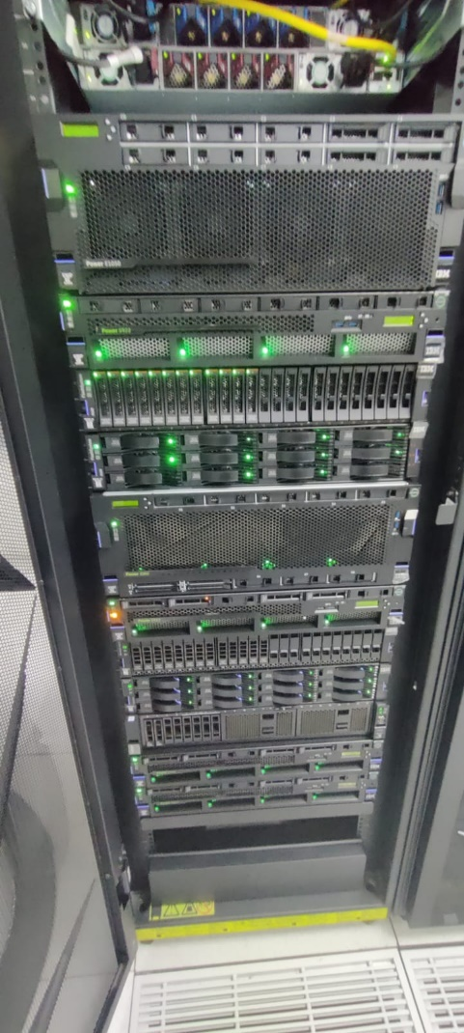
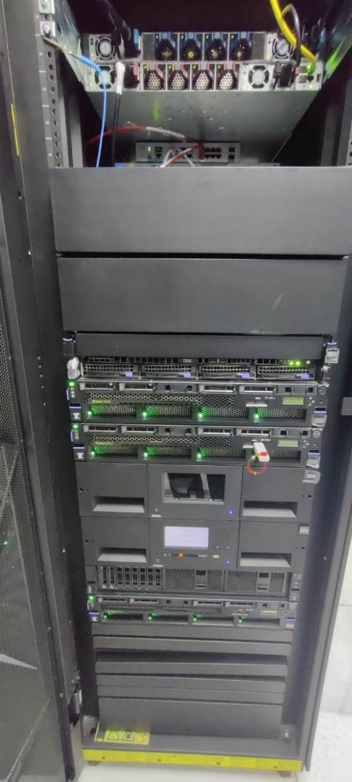
 | Network Rack 1: |  |  | U Space | Usage/Equipment | U Space | Usage/Equipment | U Space | Usage/Equipment | U Space | Usage/Equipment | U Space | Usage/Equipment
 | Cisco C93180YC-FX SN: FD02430X2J (FIBER) at 36U |  |  | 42U | FREE | 42U | FREE | 42U | FREE | 42U | FREE | 42U | FREE
 |  |  |  | 41U | Patch panel Fiber (4 used out of 24) | 41U | FREE | 41U | Power supply | 41U | Power supply | 41U | FREE
 | Network Rack 2: |  |  | 40U | Cisco Switch | 40U | FREE | 40U | Power supply | 40U | Power supply | 40U | FREE
 | Cisco C93180YC-FX SN: FD0234808JH (FIBER) at 36U |  |  | 39U | Cisco Switch | 39U | FREE | 39U | FREE | 39U | FREE | 39U | FREE
 |  |  |  | 38U | TCL Router | 38U | Cisco Hyperflex UCS C240M6 | 38U | Cisco UCS F1 6454 switch (FIBER) | 38U | Cisco Switch VCS F1 6454 switch (fiber) | 38U | FREE
 | Network Rack 3: |  |  | 37U | PA 3430 | 37U | Cisco Hyperflex UCS C240M6 | 37U | FREE (14) | 37U | FREE (23) | 37U | FREE
 | C9200L-48T-4X SN: F0C27501DZL (COPPER) at 38U |  |  | 36U | Copper patch panel (15 used out of 24) | 36U | FREE | 36U | FREE | 36U | FREE | 36U | FREE
 |  |  |  | 35U | Copper patch panel (18 used out of 24) | 35U | Cisco Hyperflex UCS C240M6 | 35U | FREE | 35U | FREE | 35U | FREE
 | New Server Installations |  |  | 34U | Copper patch panel (1 used out of 24) | 34U | Half FREE | 34U | FREE | 34U | FREE | 34U | FREE
 | Network Rack 4: |  |  | 33U | Copper patch panel (9 used out of 24) | 33U | ARRAY ASF 2800 | 33U | FREE | 33U | FREE | 33U | FREE
 | 2 New Servers (8 FIBER, 2 COPPER) |  |  | 32U | FREE | 32U | ARRAY ASF 2800 | 32U | FREE | 32U | FREE | 32U | FREE
 |  |  |  | 31U | ForcePoint | 31U | FREE | 31U | FREE | 31U | FREE | 31U | FREE
 | Network Rack 5: |  |  | 30U | FREE | 30U | THALES | 30U | FREE | 30U | FREE | 30U | FREE
 | 2 New Servers (8 FIBER, 2 COPPER) |  |  | 29U | F5 | 29U | FREE | 29U | FREE | 29U | FREE | 29U | FREE
 |  |  |  | 28U | Cisco NX93180YC-FX | 28U | NEO SERIES | 28U | FREE | 28U | FREE | 28U | FREE
 | Network Rack 6: |  |  | 27U | FREE | 27U | FREE | 27U | FREE | 27U | FREE | 27U | FREE
 | 1 New Server (4 FIBER, 1 COPPER) |  |  | 26U | FREE | 26U | FREE | 26U | FREE | 26U | FREE | 26U | FREE
 |  |  |  | 25U | FREE | 25U | FREE | 25U | FREE | 25U | FREE | 25U | FREE
 | Network Rack 7: |  |  | 24U | FREE | 24U | FREE | 24U | FREE | 24U | FREE | 24U | FREE
 | 1 Application New Server (4 FIBER, 2 COPPER) |  |  | 23U | FREE | 23U | FREE | 23U | FREE | 23U | FREE | 23U | FREE
 |  |  |  | 22U | Array AUX 5500 | 22U | FREE | 22U | FREE | 22U | THINK SYSTEM SERVER (1 power supply used, orange mark) | 22U | FREE
 | Cable Requirements (Confirm with CRLTS Engineer) |  |  | 21U | FREE | 21U | FREE | 21U | FREE | 21U | FREE | 21U | FREE
 |  |  |  | 20U | C9300 24port | 20U | FREE | 20U | FREE | 20U | FREE (1 NEW SERVER) | 20U | FREE
 | Network Rack 4 |  |  | 19U | FREE | 19U | FREE | 19U | FREE | 19U | FREE (1 NEW SERVER) | 19U | FREE
 | NW 1 to NW 4: |  |  | 18U | Fortinet 1100E | 18U | FREE | 18U | FREE | 18U | FREE | 18U | FREE
 | 4m (Rack Upper Side) + 12m + 4m (to 35U) + 4m (Extra) = Total: 25m |  |  | 17U | Fortinet 1100E | 17U | FREE | 17U | FREE | 17U | FREE | 17U | FREE
 |  |  |  | 16U | FREE | 16U | FREE | 16U | FREE | 16U | FREE | 16U | FREE
 | NW 2 to NW 4: |  |  | 15U | PA 3220 | 15U | TREND MICRO | 15U | FREE | 15U | FREE | 15U | FREE
 | 4m (Rack Upper Side) + 12m + 4m (to 35U) + 4m (Extra) = Total: 25m |  |  | 14U | FREE | 14U | HYPER FLEX Cisco | 14U | FREE | 14U | FREE | 14U | FREE
 |  |  |  | 13U | FREE | 13U | 4 Cisco Hyperflex (2U) | 13U | 4 Cisco Hyperflex (HX Series) | 13U | 4 Cisco Hyperflex HX series | 13U | FREE
 | NW 3 to NW 4: |  |  | 12U | Cisco 9300 | 12U | FREE | 12U | FREE | 12U | FREE | 12U | FREE
 | 4m (Rack Upper Side) + 12m + 4m (to 35U) + 4m (Extra) = Total: 25m |  |  | 11U | ISR 4421 | 11U | FREE | 11U | FREE | 11U | FREE | 11U | FREE
 |  |  |  | 10U | Cisco router | 10U | FREE | 10U | FREE | 10U | FREE | 10U | FREE
 | Network Rack 5 |  |  | 9U | FREE | 9U | FREE | 9U | FREE | 9U | FREE | 9U | FREE
 | NW 1 to NW 5: |  |  | 8U | Cisco 9200 48Port | 8U | FREE | 8U | FREE | 8U | FREE | 8U | FREE
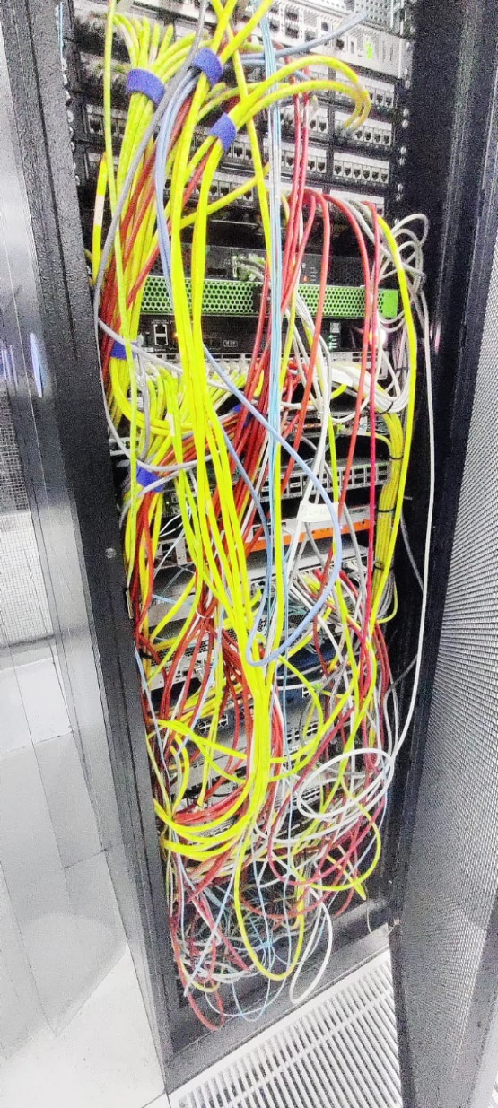
 | 4m (Rack Upper Side) + 16m + 4m (to 35U) + 4m (Extra) = Total: 28m |  |  |  |  | 7U | FREE | 7U | FREE | 7U | FREE | 7U | FREE
 |  |  |  |  |  | 6U | FREE | 6U | FREE | 6U | FREE | 6U | FREE
 | NW 2 to NW 5: |  |  |  |  | 5U | FREE | 5U | FREE | 5U | FREE | 5U | FREE
 | 4m (Rack Upper Side) + 16m + 4m (to 35U) + 4m (Extra) = Total: 28m |  |  |  |  | 4U | FREE | 4U | FREE | 4U | FREE | 4U | FREE
 |  |  |  |  |  | 3U | FREE | 3U | FREE | 3U | FREE | 3U | FREE
 | NW 3 to NW 5: |  |  |  |  | 2U | FREE | 2U | FREE | 2U | FREE | 2U | FREE
 | 4m (Rack Upper Side) + 16m + 4m (to 35U) + 4m (Extra) = Total: 28m |  |  |  |  | 1U | FREE | 1U | FREE | 1U | FREE | 1U | FREE
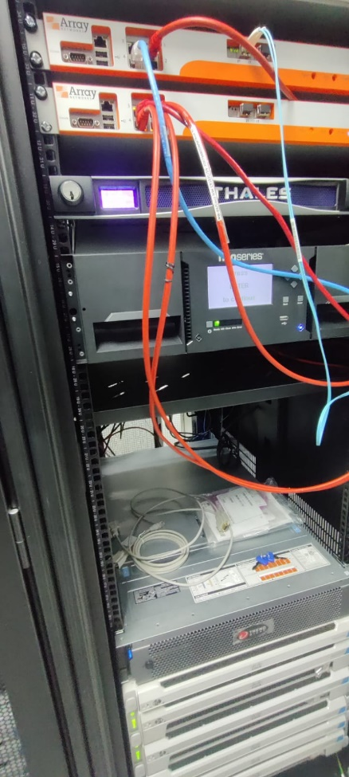
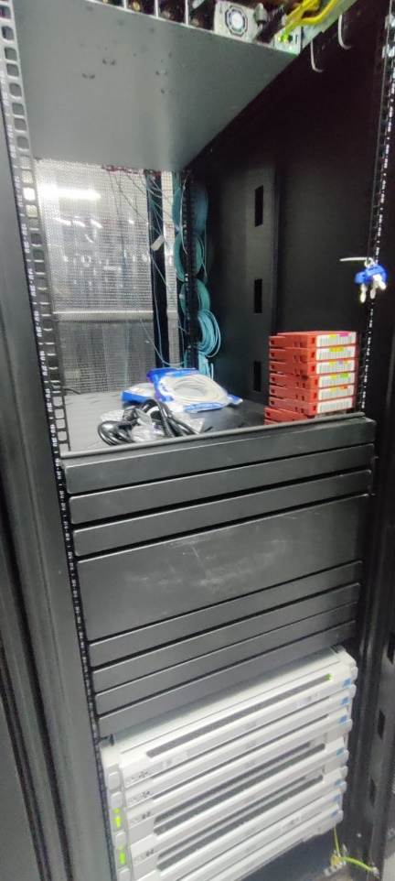
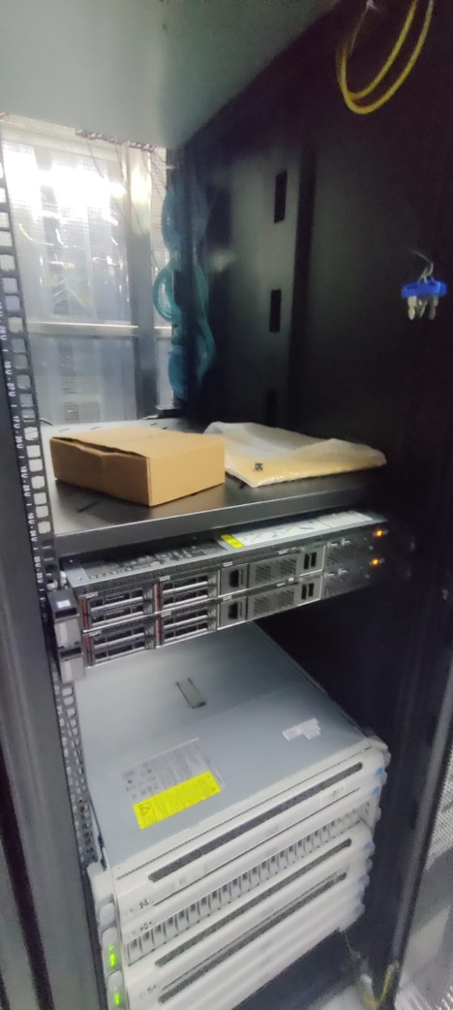
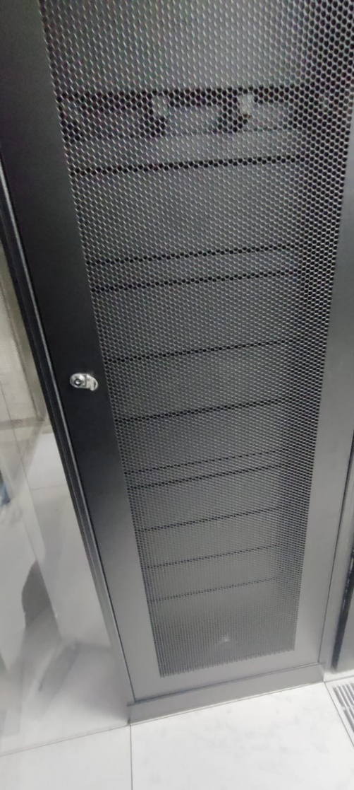
 | Network Rack 6 |  |  |  |  | Power Details: |  | Power Details: |  | Power Details:

 | NW 1 to NW 6: |  |  |  |  | Power cables: 13 - 14 |  | Total power supply: 24 |  | Total power supply: 24
 | 4m (Rack Upper Side) + 20m + 4m (to 35U) + 4m (Extra) = Total: 32m |  |  |  |  | Total: 23 (left side), 24 (right side) |  | Left side used: 8 of total |  | Left side used: 8 of total
 |  |  |  |  |  | Fiber patch: 0 used |  | Right side used: 8 of total |  | Right side used: 10 of total
 | NW 3 to NW 6: |  |  |  |  | Copper patch: 9 used |  | Fiber patch at 41U: 0 used |  | Fiber patch at 41U: 0 used
 | 4m (Rack Upper Side) + 20m + 4m (to 35U) + 4m (Extra) = Total: 32m |  |  |  |  |  |  | Fiber patch at 39U: 1 used |  | Copper patch: 24 used

 | NW 3 to NW 6 (Copper):
 | 4m (Rack Upper Side) + 20m + 4m (to 35U) + 4m (Extra) = Total: 32m

 | Network Rack 7
 | NW 1 to NW 7:
 | 4m (Rack Upper Side) + 25m + 4m (to 35U) + 4m (Extra) = Total: 37m

 | NW 2 to NW 7:
 | 4m (Rack Upper Side) + 25m + 4m (to 35U) + 4m (Extra) = Total: 37m

 | NW 3 to NW 7:
 | 4m (Rack Upper Side) + 25m + 4m (to 35U) + 4m (Extra) = Total: 37m

