GitNotes
sno | Description | Images | usage
1 | *A version control system (VCS) allows you to track the history of a collection of files *Each version captures a snapshot of the files at a certain point in time *VCS allows you to switch between these versions *These versions are stored in a specific place, typically called a repository | 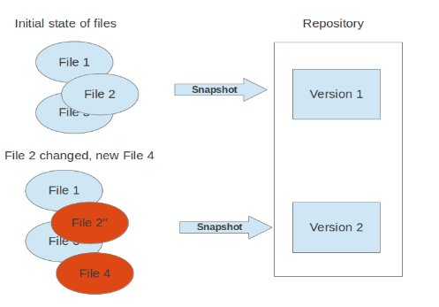
2 | *A localized version control system keeps local copies of the files
3 | *A centralized version control system provides a server software component which stores and manages the different versions of the files
4 | *In a distributed version control system each user has a complete local copy of a repository on his individual computer is typically called cloning *Every clone contains the full history of the collection of files *Every repository can exchange versions of the files with other repositories by transporting these changes. | 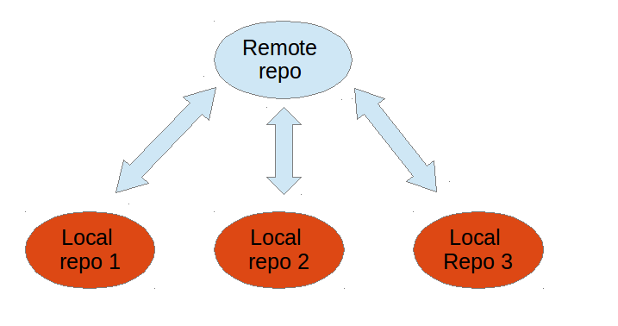
5 | *Git is most popular distributed version control system. *Git originates from the Linux kernel development and was founded in 2005 *The core of Git was originally written in the programming language C, and also been re-implemented in other languages, e.g., Java, Ruby and Python.
6 | A Git repository contains the history of a collection of files starting from a certain directory.
7 | The process of copying an existing Git repository via the Git tooling is called cloning.
8
9 | used on a server for sharing changes coming from different developers. Such repositories do not allow the user to modify locally files and to create new versions for the repository based on these modifications.
10 | They allow you to create new changes through modification of files and to create new versions in the repository. This is the default type which is created if you do not specify any parameter during the clone operation.
11 | A local repository provides at least one collection of files which originate from a certain version of the repository. This collection of files is called the working tree.
12 | the file is not tracked by the Git repository. This means that the file never staged nor committed.
13 | committed and not staged
14 | staged to be included in the next commit
15 | the file has changed but the change is not staged
16 | After modifying your working tree you need to perform the following two steps to persist these changes in your local repository: *add the selected changes to the staging area (also known as index) via the git add command *commit the staged changes into the Git repository via the git commit command *The git add command stores a snapshot of the specified files in the staging area. It allows you to incrementally modify files, stage them, modify and stage them again until you are satisfied with your changes. *Some tools and Git user prefer the usage of the index instead of staging area. Both terms mean the same thing. *After adding the selected files to the staging area, you can commit these files to add them permanently to the Git repository. Committing creates a new persistent snapshot (called commit or commit object) of the staging area in the Git repository. A commit object, like all objects in Git, is immutable. *The staging area keeps track of the snapshots of the files until the staged changes are committed. For committing the staged changes you use the git commit command. | 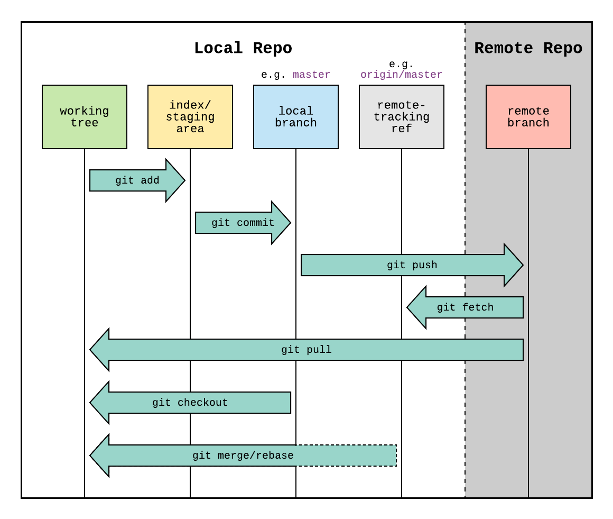
17 | Git supports branching which means that you can work on different versions of your collection of files. A branch allows the user to switch between these versions so that he can work on different changes independently from each other.
 | When you commit your changes into a repository this creates a new commit object in the Git repository. This commit object uniquely identifies a new revision of the content of the repository.
 | HEAD is a symbolic reference most often pointing to the currently checked out branch.
 | Index is an alternative term for the staging area.
 | Represents a version of the source code. Git implements revisions as commit objects (or short commits ). These are identified by an SHA-1 hash.
 | The staging area is the place to store changes in the working tree before the commit.
 | A tag points to a commit which uniquely identifies a version of the Git repository. With a tag, you can have a named point to which you can always revert to. You can revert to any point in a Git repository, but tags make it easier. The benefit of tags is to mark the repository for a specific reason, e.g., with a release.
 | A URL in Git determines the location of the repository. Git distinguishes between fetchurl for getting new data from other repositories and pushurl for pushing data to another repository.
 | This commit object is addressable via a hash ( SHA-1 checksum ). This hash is calculated based on the * content of the files, *the content of the directories, *the complete history of up to the new commit, * the committer, * the commit message, *and several other factors.

