Project1
Employee Salary Description

S No | First Name | Last Name | DOJ | Sal-Jan | Sal-Fab | Sal-Mar | Sab Total | Avg Sal | Full Name | Grade
1 | ANUJ | RANA | 2019-11-25 | 5111 | 16694 | 1200 | 23005 | 7668.33 | ANUJ RANA | A
4 | KRISHNA | RAY | 2014-12-28 | 1200 | 12633 | 950 | 14783 | 4927.67 | KRISHNA RAY | B
2 | HEMANT | KUMAR | 2018-05-01 | 1800 | 8572 | 700 | 11072 | 3690.67 | HEMANT KUMAR | C
3 | IMDRS | JADAY | 2015-11-14 | 1700 | 4511 | 450 | 6661 | 2220.33 | IMDRS JADAY | B
5 | RAJU | KUMAR | 2025-10-26 | 1500 | 450 | 100 | 2050 | 683.33 | RAJU KUMAR | A

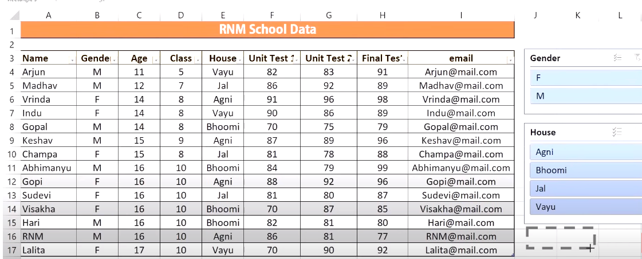
 | Numbers | Round | Round Up | Round Down
 | 1.05555 | 1 | 2.00 | 1.00 |  | A
 | 2.214581582 | 2 | 3.00 | 2.00 |  | B
 | 4.2558515 | 4 | 5.00 | 4.00 |  | C
 | 7.25545 | 7 | 8.00 | 7.00
 | 4.6888 | 5 | 5.00 | 4.00

Autofill

 | January | jan | mon | 1 | 1
 | February | feb | tue | 1 | 2
 | March | mar | wed | 1 | 3
 | April | apr | thu | 1 | 4
 | May | may | fri | 1 | 5
 | June | jun | sat | 1 | 6
 | July | jul | sun | 1 | 7
 | August | aug
 | September | sep
 | October | oct
 | November | nov
 | December | dec

Sheet1
Name | Salary
ANUJ | 5111
KRISHNA | 1200
HEMANT | 1800
IMDRS | 1700
RAJU | 1500

