Executive Summary
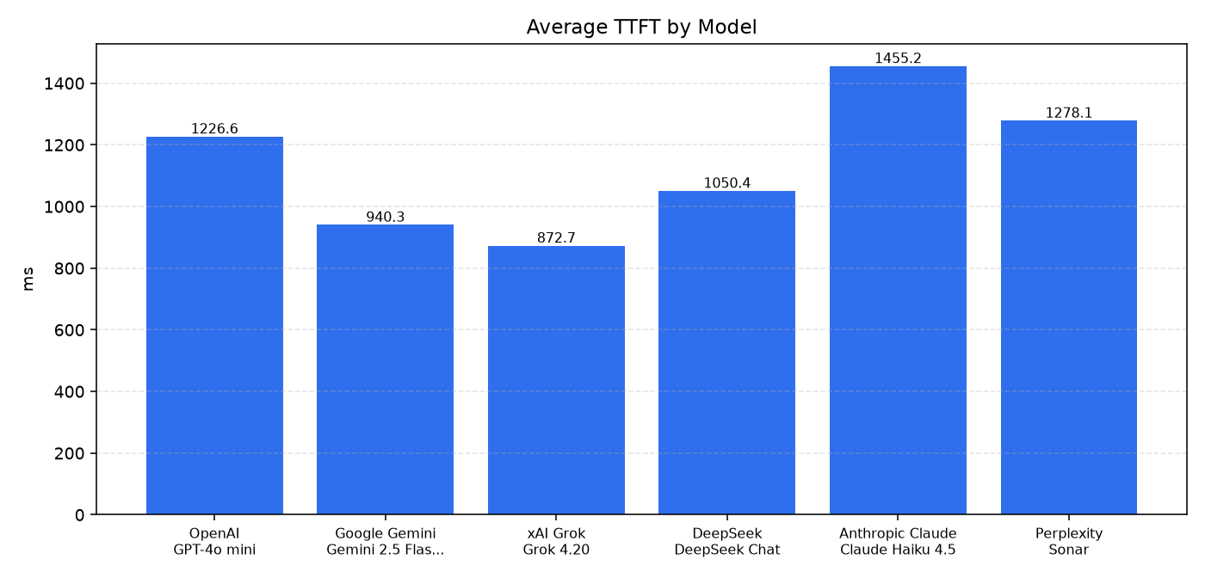
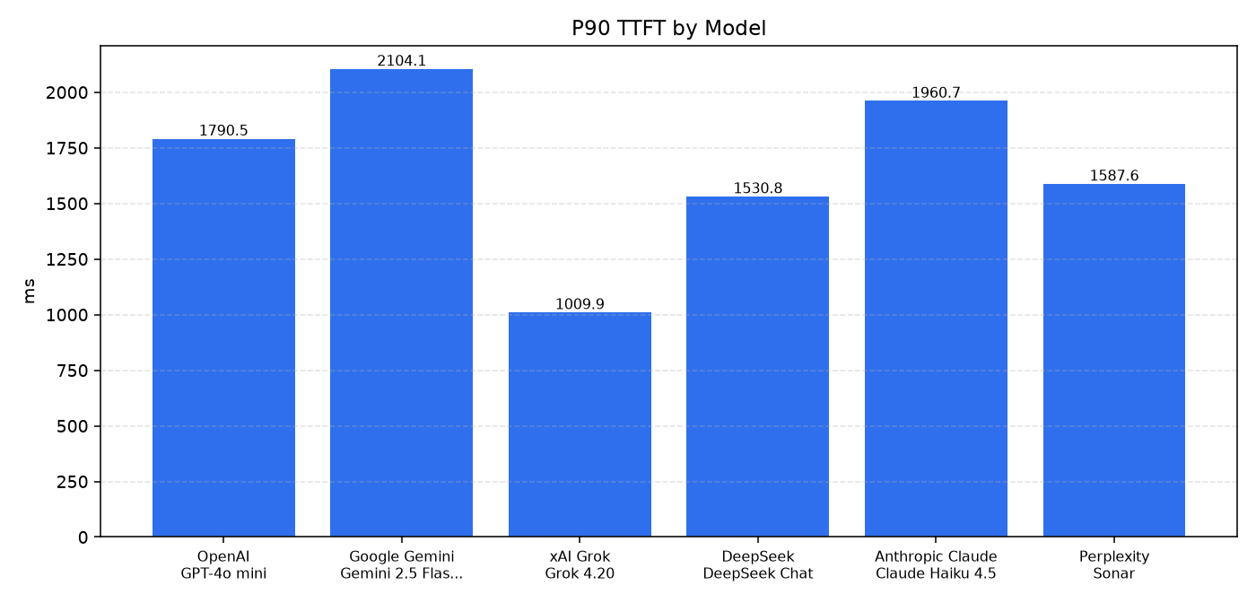
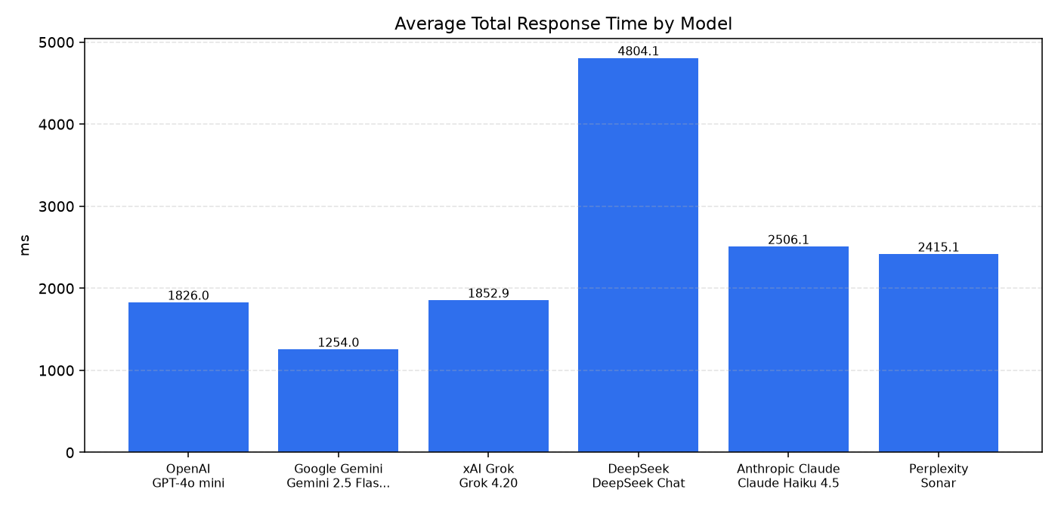
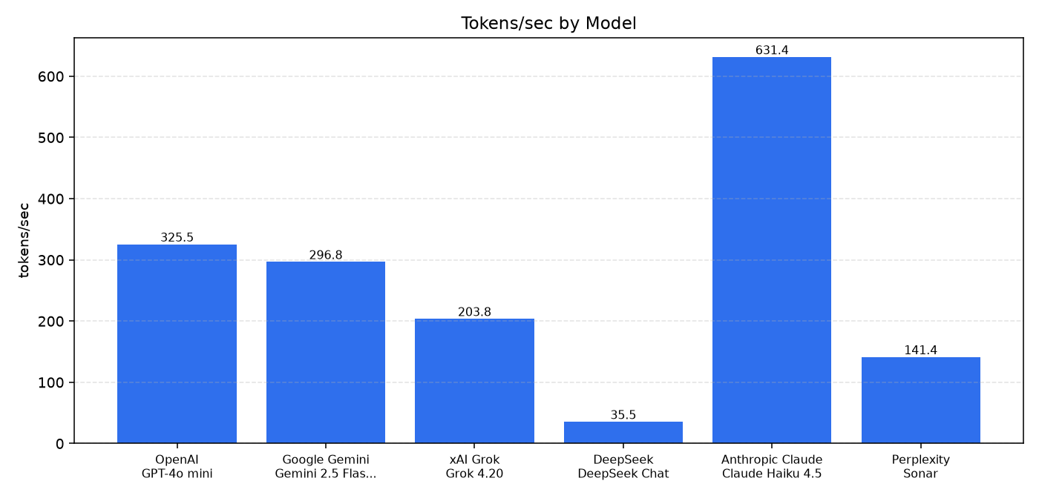
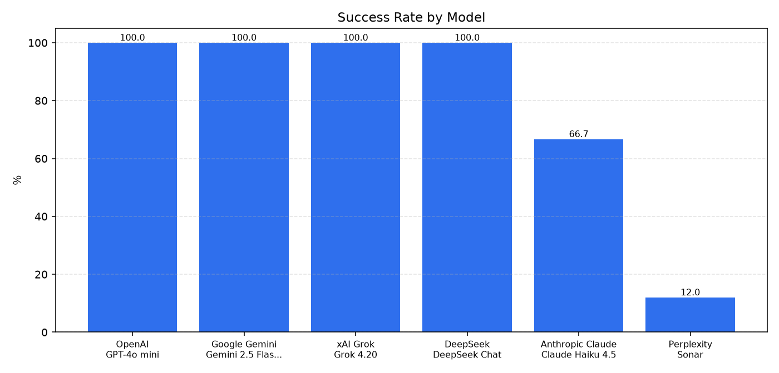
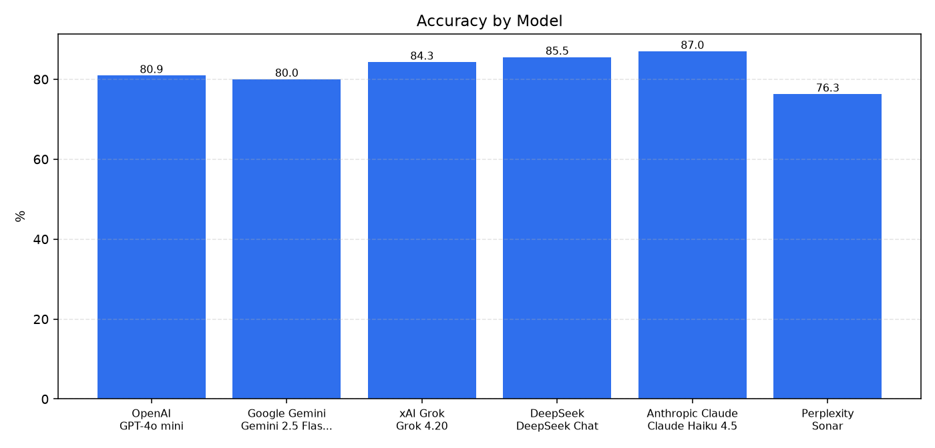
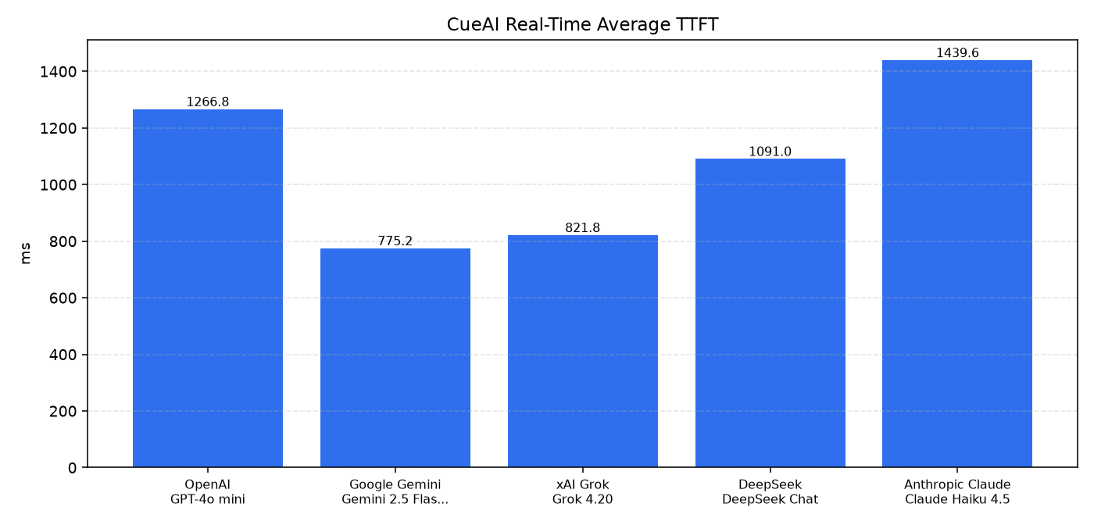
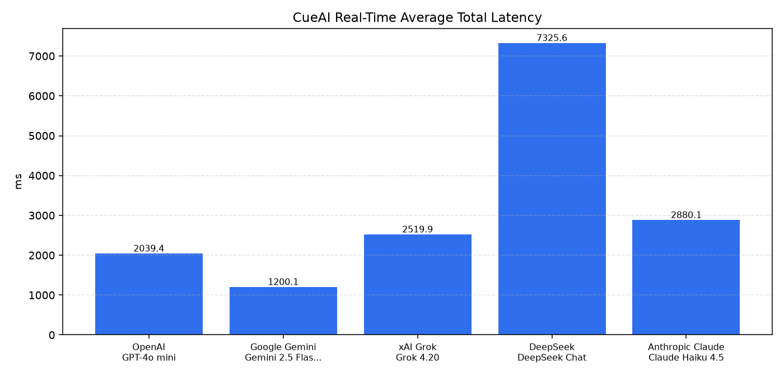
Executive Summary

Provider | Model | Requests | Success Rate | Avg TTFT (ms) | P90 TTFT (ms) | Avg Total Time (ms) | Avg Tokens/sec | Accuracy | Errors | Timeouts
xAI Grok | Grok 4.20 | 75 | 1 | 872.732 | 1009.866 | 1852.851 | 203.79 | 0.843 | 0 | 0
Google Gemini | Gemini 2.5 Flash Lite | 75 | 1 | 940.304 | 2104.063 | 1253.995 | 296.82 | 0.8004 | 0 | 0
DeepSeek | DeepSeek Chat | 75 | 1 | 1050.389 | 1530.761 | 4804.067 | 35.53 | 0.8554 | 0 | 0
OpenAI | GPT-4o mini | 75 | 1 | 1226.58 | 1790.507 | 1826.026 | 325.53 | 0.8094 | 0 | 0
Perplexity | Sonar | 75 | 0.12 | 1278.093 | 1587.583 | 2415.059 | 141.36 | 0.763 | 66 | 0
Anthropic Claude | Claude Haiku 4.5 | 75 | 0.6667 | 1455.223 | 1960.69 | 2506.095 | 631.4 | 0.87 | 25 | 0

Charts

