Executive Summary
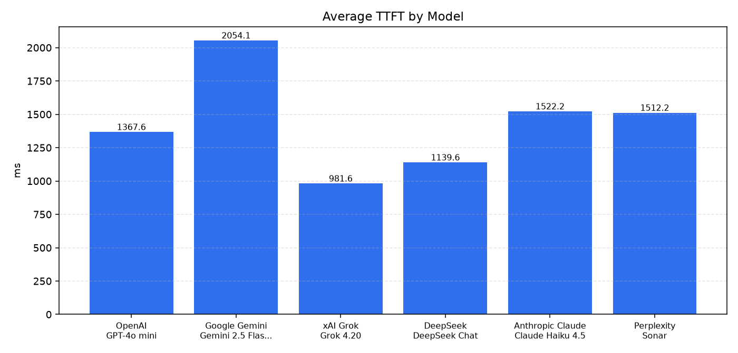
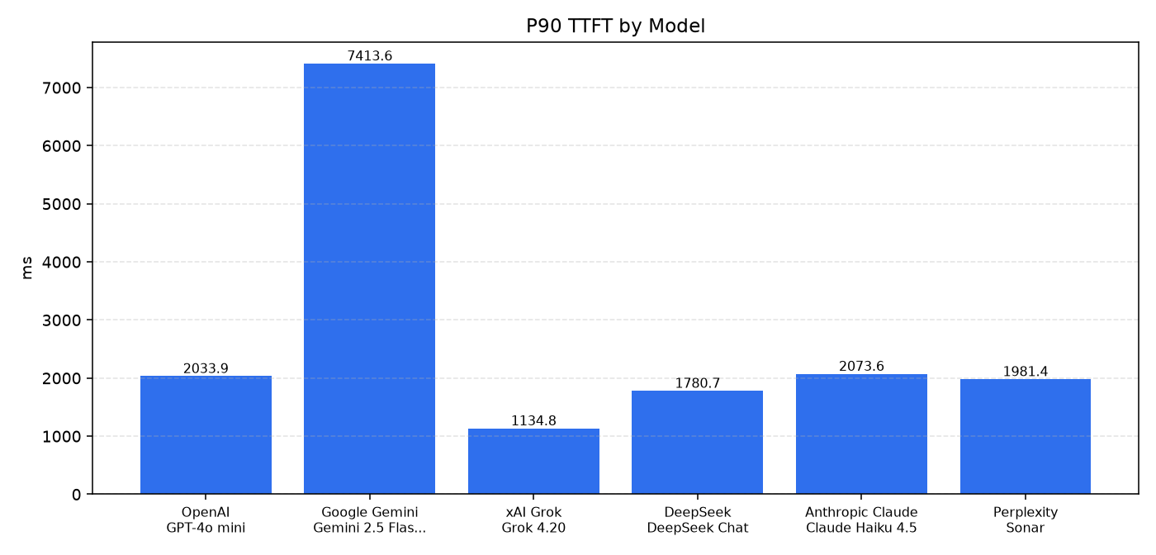
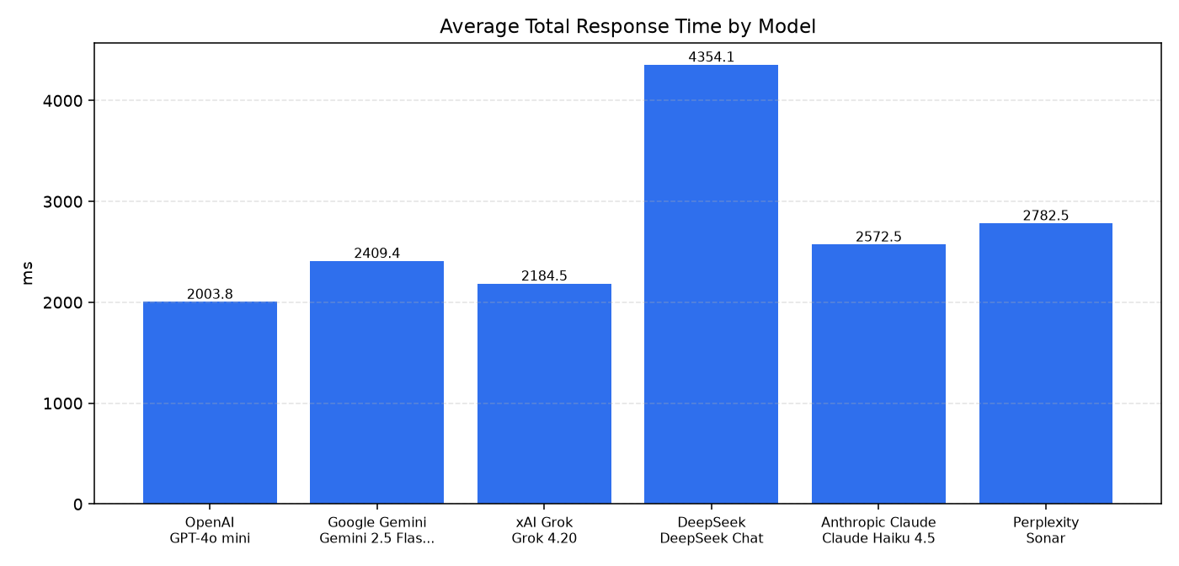
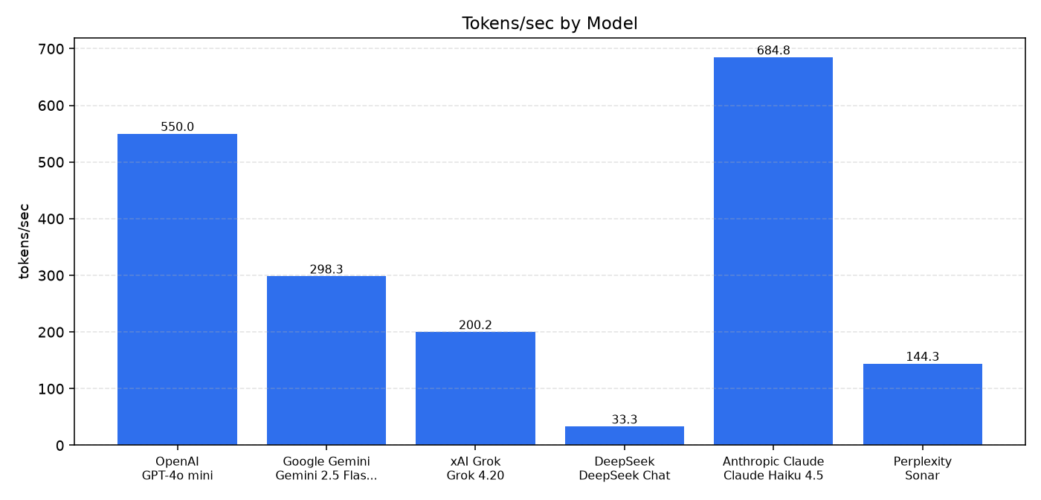
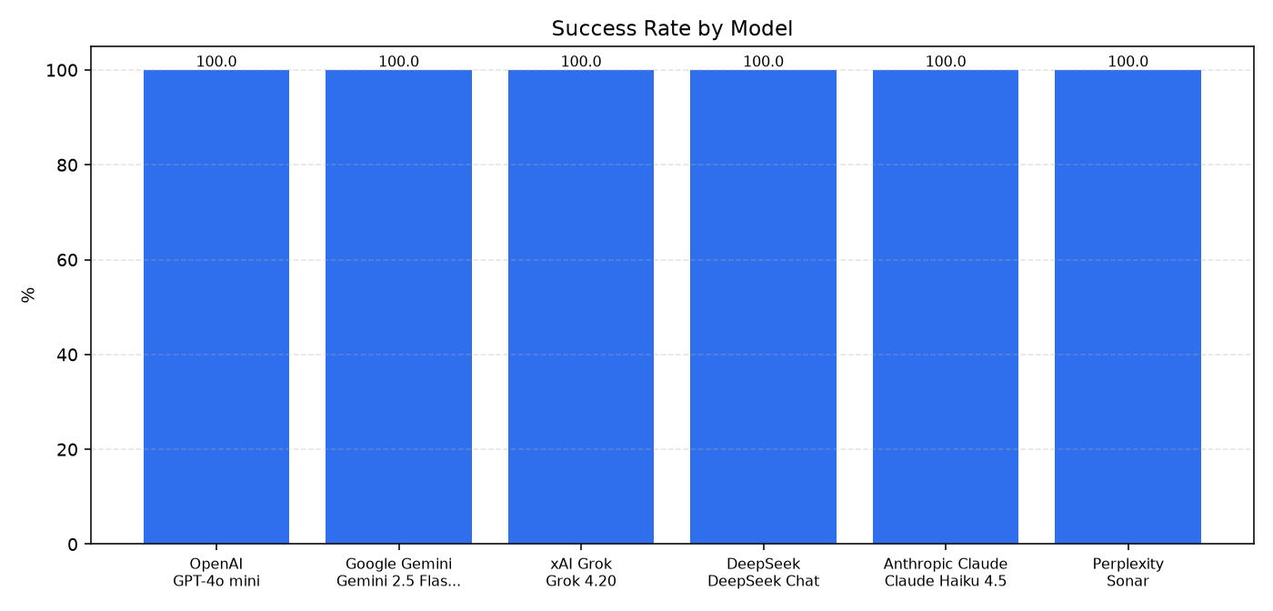
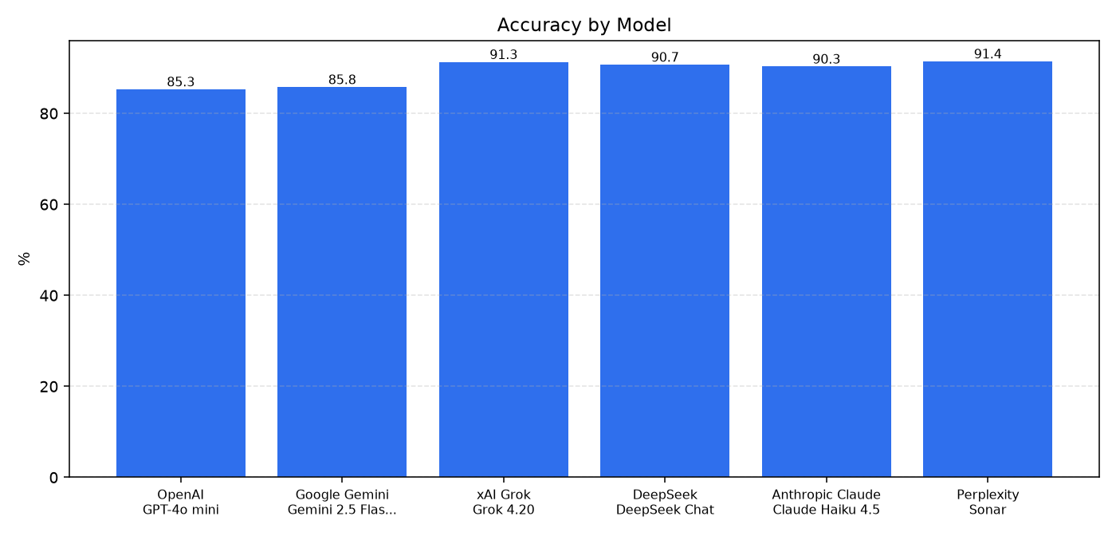
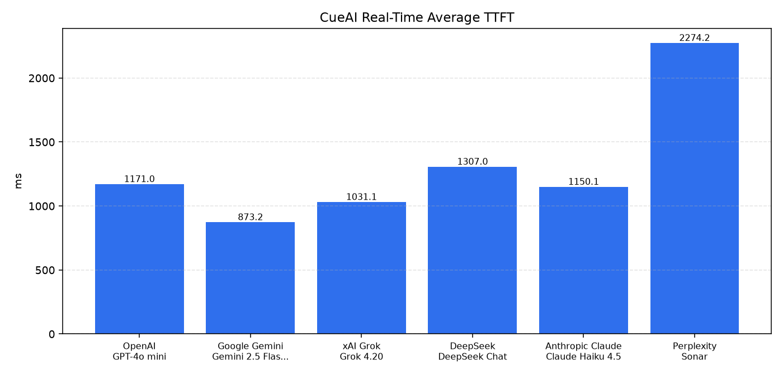
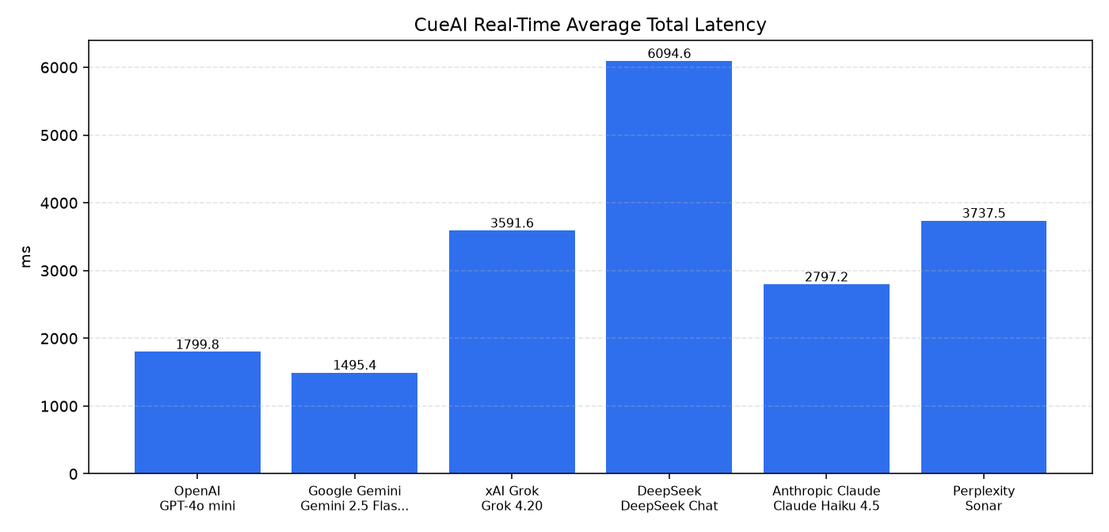
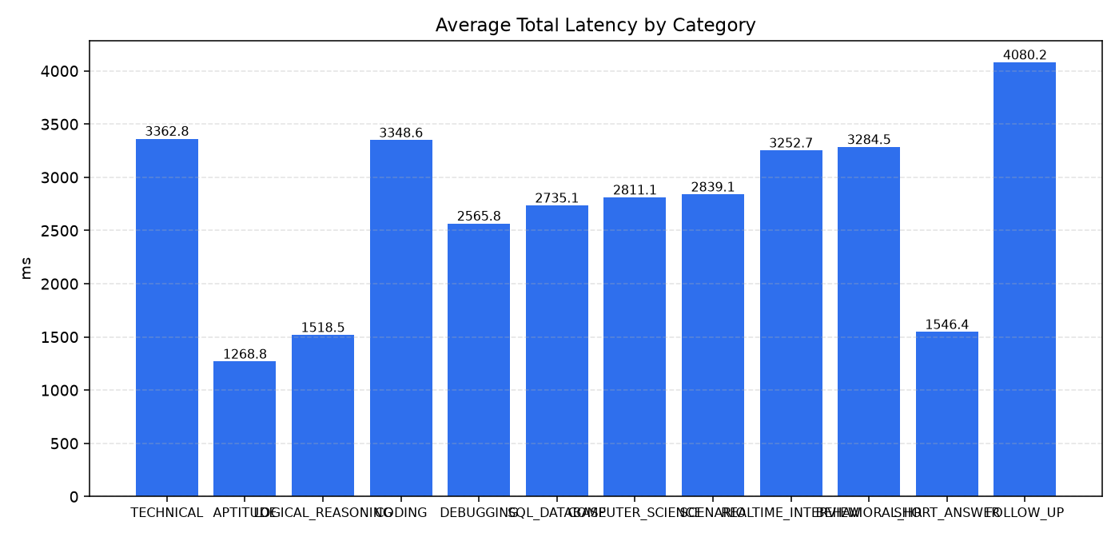
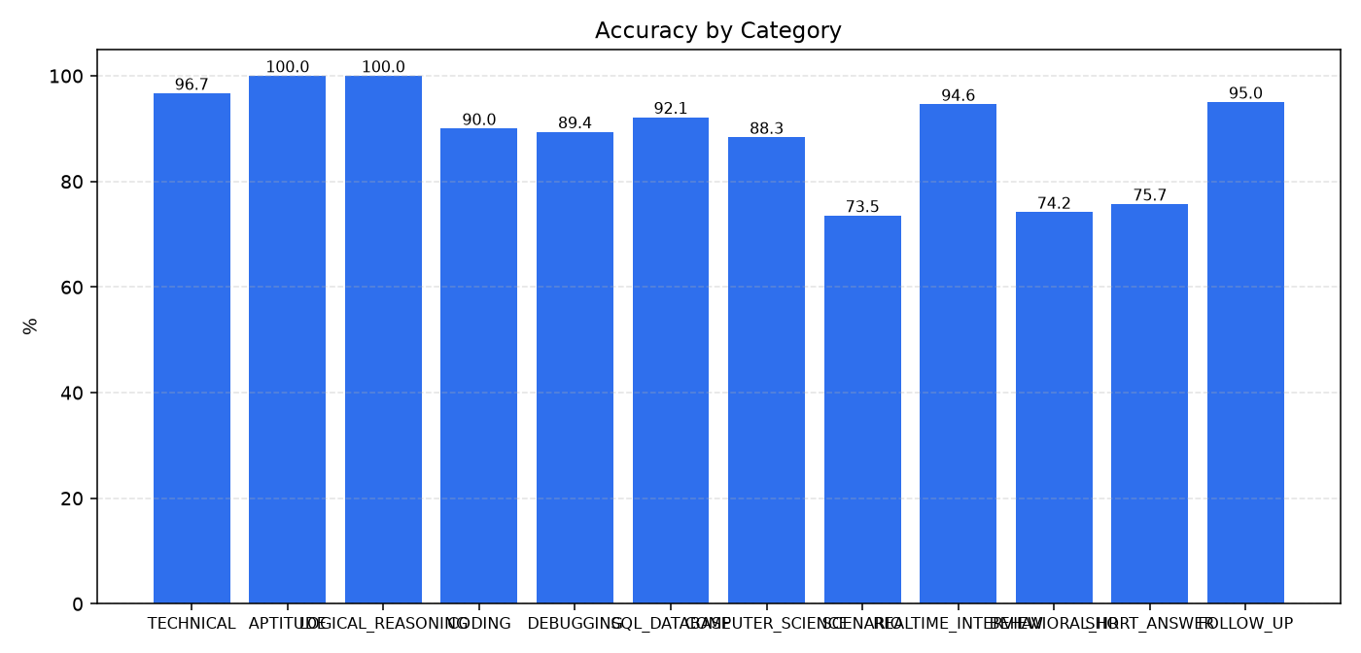
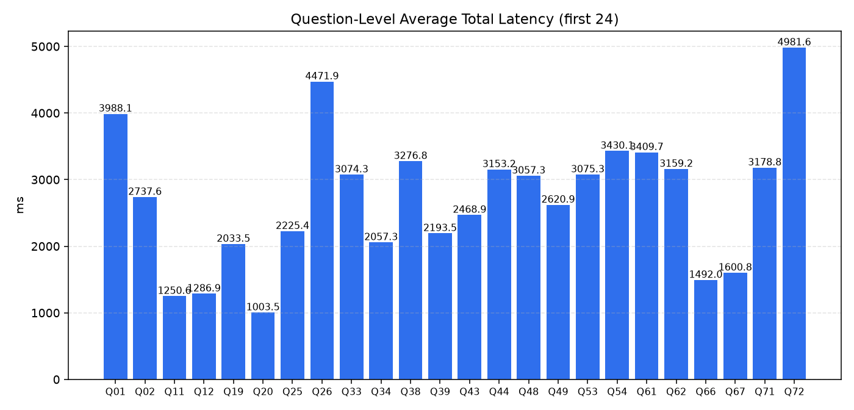
Executive Summary

Provider | Model | Requests | Success Rate | Avg TTFT (ms) | P90 TTFT (ms) | Avg Total Time (ms) | Avg Tokens/sec | Accuracy | Errors | Timeouts
xAI Grok | Grok 4.20 | 24 | 1 | 981.564 | 1134.767 | 2184.533 | 200.17 | 0.9128 | 0 | 0
DeepSeek | DeepSeek Chat | 24 | 1 | 1139.58 | 1780.706 | 4354.058 | 33.32 | 0.907 | 0 | 0
OpenAI | GPT-4o mini | 24 | 1 | 1367.551 | 2033.858 | 2003.826 | 549.96 | 0.8528 | 0 | 0
Perplexity | Sonar | 24 | 1 | 1512.212 | 1981.397 | 2782.483 | 144.28 | 0.9142 | 0 | 0
Anthropic Claude | Claude Haiku 4.5 | 24 | 1 | 1522.174 | 2073.646 | 2572.482 | 684.8 | 0.9028 | 0 | 0
Google Gemini | Gemini 2.5 Flash Lite | 24 | 1 | 2054.07 | 7413.59 | 2409.404 | 298.32 | 0.8577 | 0 | 0

Charts

