2 marks
This sheet is for 2 Mark questions
Sr. No | Question | Image | a | b | c | d | Correct Answer
1 | If a telephone exchange serves 1500 users with the average BHCA of about 9000 and CCR is about 50%, what would be the busy hour calling rate? |  | 2 | 3 | 4.5 | 5 | b
2 | Major classes of signalling are ___________ |  | Customer line signalling | In channel signalling | Common channel signalling | Both 2 and 3 | d
3 | On an average, one call arrives every 5 seconds. During a period of 10 seconds, what is the probability that no call arrives? |  | 0.123 | 0.135 | 0.595 | 0.455 | b
4 | Standards of CCITT Signalling system are _____ |  | SS6 | SS5 | SS7 | Both 1 and 3 | d
5 | Inter register signalling can be done by _________ |  | Link by link basis | end to end basis | line signalling | All of the above | d
6 | Figure shows __________ message. |  | Single-Unit(SUM) | Multi-Unit(MUM) | Double-Unit(DUM) | None of the above | a
7 | In Erlang's analysis of efficient telephone line usage he derived the formulae for two important cases, ________, |  | Erlang-B | Erlang-C | Erlang-A | Both 1 and 2 | d
8 | Figure shows basic __________ network structure |  | BCS | CCS | SS7 | SS6 | b
9 | What are the types of inter register signalling? |  | En-bloc signalling | Overlap Signalling | Both 1 and 2 | None of the above | c
10 | Figure shows the 30 channel frame structure used in _______ | 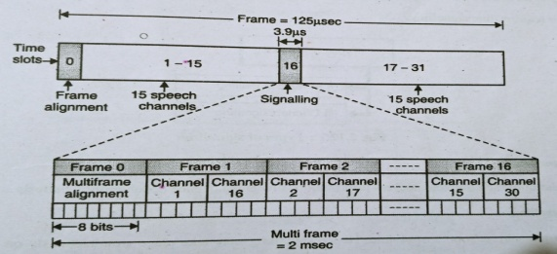 | PCM System | ADPCM System | FDMA System | None of the above | a
11 | Erlang determined GoS of lost call system of finite number of trunks based on assumptions: 1. Pure chance traffic 2. Statistical equilibrium 3. Full availability 4. calls which face congestion and get lost |  | 1 and 2 | 2 and 3 | 3 and 4 | All of the above | d
12 | Traffic tables show relationships of ____________ |  | offered traffic 'A' | Blocking Probability (GoS) | number of trunks 'N' | All of the above | d
13 | A group of 10 servers carry a traffic of 5E. If the average duration of calls is 1.5 minutes, calculate the number of calls put through by a single server and a group as a whole in 1 hr period. |  | 20 calls and 200 calls | 10 calls and 200 calls | 5 calls and 100 calls | None of the above | a
14 | A group of 5 trunks carry a traffic of 2E. Find 1. GoS 2. Probability that only one trunk is busy. |  | 0.037 and 0.275 | 0.027 and 0.325 | 0.047 and 0.475 | None of the above | a
15 | Over 10 minutes observation interval, 20 subscribers initiate a call. Total duration of calls is 2400sec. Calculate load offered to network by the subscribers and average subscriber traffic? |  | 4E and 0.1E respectively | 2E and 0.5E respectively | 3E and 1.5E respectively | 1E and 0.2E respectively | a

