Sheet5
 |  | Primary NK cells |  |  |  | Date Feb 17, 2025

Sensitivity varying the epsilon (1e-11 - 1e-2) used because of log transformation

 |  |  |  |  | epsilon=1e-13 |  |  |  |  |  |  |  |  | epsilon=1e-11 |  |  |  |  |  |  |  |  | epsilon=1e-5 |  |  |  |  |  |  |  |  |  | epsilon=1e-3

Protein Name | 0 min | 2 min | 4 min | 8 min | 16 min | 32 min | 64 min | 256 min |  | Protein Name | 0 min | 2 min | 4 min | 8 min | 16 min | 32 min | 64 min | 256 min |  | Protein Name | 0 min | 2 min | 4 min | 8 min | 16 min | 32 min | 64 min | 256 min |  | Protein Name | 0 min | 2 min | 4 min | 8 min | 16 min | 32 min | 64 min | 256 min
CD7 | 1 | 0 | 6 | 1 | 6 | 7 | 6 | 7 |  | CD7 | 1 | 0 | 6 | 1 | 6 | 6 | 6 | 7 |  | CD7 | 1 | 0 | 6 | 1 | 6 | 6 | 6 | 7 |  | CD7 | 1 | 0 | 6 | 1 | 6 | 6 | 6 | 7
CD45 | 2 | 7 | 7 | 8 | 7 | 3 | 7 | 7 |  | CD45 | 2 | 7 | 7 | 8 | 7 | 3 | 7 | 7 |  | CD45 | 2 | 7 | 7 | 8 | 7 | 6 | 7 | 7 |  | CD45 | 2 | 7 | 7 | 8 | 7 | 6 | 7 | 7
IdU | 2 | 2 | 2 | 2 | 2 | 2 | 2 | 2 |  | IdU | 2 | 2 | 2 | 2 | 2 | 2 | 2 | 2 |  | IdU | 2 | 2 | 2 | 2 | 2 | 2 | 2 | 2 |  | IdU | 2 | 2 | 2 | 2 | 2 | 2 | 2 | 2
CD57 | 6 | 1 | 6 | 1 | 1 | 6 | 6 | 7 |  | CD57 | 6 | 1 | 6 | 1 | 1 | 6 | 6 | 7 |  | CD57 | 6 | 1 | 7 | 2 | 1 | 6 | 6 | 7 |  | CD57 | 7 | 1 | 7 | 2 | 1 | 6 | 6 | 1
3_gp_61_15 | 0 | 6 | 6 | 0 | 6 | 6 | 0 | 6 |  | 3_gp_61_15 | 0 | 6 | 6 | 0 | 6 | 6 | 0 | 6 |  | 3_gp_61_15 | 0 | 6 | 6 | 0 | 6 | 6 | 0 | 6 |  | 3_gp_61_15 | 0 | 6 | 6 | 0 | 6 | 6 | 0 | 6
CD96 | 0 | 0 | 0 | 6 | 6 | 6 | 6 | 6 |  | CD96 | 0 | 0 | 0 | 6 | 6 | 6 | 6 | 6 |  | CD96 | 0 | 0 | 0 | 6 | 6 | 0 | 6 | 6 |  | CD96 | 0 | 0 | 0 | 6 | 6 | 0 | 6 | 6
pCrkL | 0 | 0 | 0 | 0 | 0 | 6 | 6 | 6 |  | pCrkL | 0 | 0 | 0 | 0 | 0 | 6 | 6 | 6 |  | pCrkL | 0 | 0 | 0 | 0 | 0 | 6 | 6 | 6 |  | pCrkL | 0 | 0 | 0 | 0 | 0 | 6 | 6 | 6
Cholera-b | 1 | 7 | 6 | 4 | 6 | 3 | 7 | 3 |  | Cholera-b | 1 | 7 | 6 | 4 | 6 | 3 | 7 | 3 |  | Cholera-b | 1 | 7 | 6 | 4 | 6 | 3 | 7 | 3 |  | Cholera-b | 1 | 7 | 6 | 4 | 6 | 3 | 7 | 3
pH3 | 6 | 6 | 6 | 6 | 6 | 6 | 6 | 3 |  | pH3 | 6 | 6 | 6 | 6 | 6 | 6 | 6 | 3 |  | pH3 | 6 | 0 | 0 | 6 | 6 | 6 | 6 | 6 |  | pH3 | 6 | 0 | 0 | 0 | 6 | 6 | 6 | 6
pPLCg2 | 6 | 0 | 6 | 0 | 0 | 6 | 6 | 6 |  | pPLCg2 | 6 | 0 | 6 | 0 | 0 | 6 | 6 | 6 |  | pPLCg2 | 0 | 0 | 6 | 0 | 0 | 6 | 6 | 6 |  | pPLCg2 | 0 | 0 | 6 | 0 | 0 | 6 | 6 | 6
CD8 | 6 | 6 | 6 | 7 | 6 | 6 | 6 | 6 |  | CD8 | 6 | 6 | 6 | 7 | 6 | 6 | 6 | 6 |  | CD8 | 6 | 6 | 6 | 7 | 6 | 6 | 6 | 6 |  | CD8 | 6 | 6 | 6 | 1 | 6 | 6 | 6 | 6
CD16 | 0 | 0 | 0 | 0 | 0 | 6 | 0 | 6 |  | CD16 | 0 | 0 | 0 | 0 | 0 | 6 | 0 | 6 |  | CD16 | 0 | 0 | 0 | 0 | 0 | 6 | 0 | 6 |  | CD16 | 0 | 0 | 0 | 0 | 0 | 6 | 0 | 6
pCreb | 0 | 0 | 6 | 0 | 6 | 6 | 6 | 6 |  | pCreb | 0 | 0 | 6 | 0 | 6 | 6 | 6 | 6 |  | pCreb | 0 | 0 | 6 | 0 | 6 | 6 | 6 | 6 |  | pCreb | 0 | 0 | 6 | 0 | 6 | 6 | 6 | 6
pSTAT5 | 6 | 0 | 6 | 0 | 6 | 3 | 6 | 0 |  | pSTAT5 | 6 | 0 | 6 | 0 | 6 | 3 | 6 | 0 |  | pSTAT5 | 6 | 0 | 6 | 0 | 6 | 6 | 6 | 0 |  | pSTAT5 | 6 | 0 | 6 | 0 | 6 | 6 | 6 | 0
CD107a | 0 | 6 | 6 | 1 | 0 | 6 | 0 | 6 |  | CD107a | 0 | 6 | 6 | 1 | 0 | 6 | 0 | 6 |  | CD107a | 0 | 6 | 6 | 1 | 0 | 6 | 0 | 6 |  | CD107a | 0 | 6 | 6 | 1 | 0 | 6 | 6 | 6
pAkt | 6 | 0 | 6 | 0 | 6 | 0 | 6 | 3 |  | pAkt | 6 | 0 | 6 | 0 | 6 | 0 | 6 | 3 |  | pAkt | 6 | 0 | 6 | 0 | 6 | 0 | 6 | 3 |  | pAkt | 6 | 0 | 6 | 0 | 6 | 0 | 6 | 3
MAPKAPK2 | 6 | 0 | 6 | 6 | 6 | 3 | 3 | 6 |  | MAPKAPK2 | 6 | 0 | 6 | 6 | 6 | 3 | 3 | 6 |  | MAPKAPK2 | 6 | 0 | 6 | 0 | 6 | 6 | 3 | 6 |  | MAPKAPK2 | 0 | 0 | 6 | 0 | 6 | 6 | 6 | 6
NKG2D | 6 | 6 | 6 | 0 | 6 | 6 | 3 | 6 |  | NKG2D | 6 | 6 | 6 | 0 | 6 | 6 | 3 | 6 |  | NKG2D | 6 | 6 | 6 | 0 | 6 | 6 | 6 | 6 |  | NKG2D | 6 | 6 | 6 | 0 | 6 | 6 | 6 | 6
CRACC | 6 | 0 | 6 | 0 | 6 | 6 | 3 | 3 |  | CRACC | 6 | 0 | 6 | 0 | 6 | 6 | 3 | 3 |  | CRACC | 6 | 0 | 6 | 0 | 6 | 6 | 6 | 6 |  | CRACC | 6 | 0 | 6 | 0 | 0 | 6 | 6 | 6
cyclinB | 0 | 0 | 0 | 0 | 0 | 0 | 6 | 0 |  | cyclinB | 0 | 0 | 0 | 0 | 0 | 0 | 6 | 0 |  | cyclinB | 0 | 0 | 0 | 0 | 0 | 0 | 6 | 0 |  | cyclinB | 0 | 0 | 0 | 0 | 0 | 0 | 6 | 0
SAP | 0 | 0 | 0 | 0 | 6 | 0 | 6 | 6 |  | SAP | 0 | 0 | 0 | 0 | 6 | 0 | 6 | 6 |  | SAP | 0 | 0 | 0 | 0 | 6 | 0 | 6 | 6 |  | SAP | 0 | 0 | 0 | 0 | 6 | 0 | 6 | 6
CD161 | 6 | 6 | 3 | 6 | 6 | 6 | 3 | 6 |  | CD161 | 6 | 6 | 3 | 6 | 6 | 6 | 3 | 6 |  | CD161 | 6 | 6 | 3 | 6 | 6 | 6 | 6 | 6 |  | CD161 | 6 | 6 | 6 | 6 | 6 | 6 | 6 | 6
CD11c | 6 | 0 | 6 | 0 | 1 | 6 | 6 | 6 |  | CD11c | 6 | 0 | 6 | 0 | 1 | 6 | 6 | 6 |  | CD11c | 6 | 0 | 6 | 0 | 1 | 6 | 6 | 6 |  | CD11c | 6 | 0 | 6 | 0 | 1 | 6 | 6 | 6
2B4 | 6 | 0 | 0 | 0 | 6 | 6 | 6 | 6 |  | 2B4 | 6 | 0 | 0 | 0 | 6 | 6 | 6 | 6 |  | 2B4 | 6 | 0 | 0 | 0 | 6 | 3 | 6 | 6 |  | 2B4 | 0 | 0 | 0 | 0 | 6 | 3 | 6 | 6
DAP12 | 6 | 6 | 6 | 0 | 0 | 6 | 6 | 6 |  | DAP12 | 6 | 6 | 6 | 0 | 0 | 6 | 6 | 6 |  | DAP12 | 0 | 0 | 0 | 0 | 0 | 6 | 6 | 6 |  | DAP12 | 0 | 0 | 0 | 0 | 0 | 6 | 6 | 6
CD69 | 6 | 6 | 6 | 6 | 6 | 3 | 3 | 3 |  | CD69 | 6 | 6 | 6 | 6 | 6 | 3 | 3 | 3 |  | CD69 | 6 | 6 | 6 | 6 | 6 | 3 | 6 | 3 |  | CD69 | 6 | 0 | 6 | 6 | 6 | 3 | 6 | 3
EAT2 | 0 | 0 | 0 | 0 | 6 | 6 | 6 | 6 |  | EAT2 | 0 | 0 | 0 | 0 | 6 | 6 | 6 | 6 |  | EAT2 | 0 | 0 | 0 | 0 | 6 | 0 | 6 | 6 |  | EAT2 | 0 | 0 | 0 | 0 | 6 | 0 | 6 | 6
pSLP76 | 6 | 0 | 6 | 0 | 0 | 6 | 6 | 6 |  | pSLP76 | 6 | 0 | 6 | 0 | 0 | 6 | 6 | 6 |  | pSLP76 | 0 | 0 | 6 | 0 | 0 | 6 | 6 | 6 |  | pSLP76 | 0 | 0 | 0 | 0 | 0 | 6 | 6 | 6
pNFkB | 6 | 6 | 6 | 6 | 0 | 6 | 6 | 3 |  | pNFkB | 6 | 6 | 6 | 0 | 0 | 6 | 6 | 3 |  | pNFkB | 6 | 6 | 6 | 0 | 0 | 6 | 6 | 3 |  | pNFkB | 0 | 0 | 6 | 0 | 0 | 6 | 6 | 6
pRb | 3 | 3 | 3 | 3 | 3 | 3 | 3 | 3 |  | pRb | 3 | 3 | 3 | 3 | 3 | 3 | 3 | 3 |  | pRb | 3 | 3 | 3 | 3 | 3 | 3 | 3 | 3 |  | pRb | 3 | 3 | 3 | 6 | 3 | 3 | 3 | 3
pErk1-2 | 6 | 0 | 0 | 0 | 0 | 6 | 0 | 6 |  | pErk1-2 | 6 | 0 | 0 | 0 | 0 | 6 | 0 | 6 |  | pErk1-2 | 6 | 0 | 0 | 0 | 0 | 6 | 0 | 6 |  | pErk1-2 | 6 | 0 | 0 | 0 | 0 | 6 | 0 | 0
pPlk1 | 6 | 6 | 6 | 6 | 6 | 6 | 3 | 3 |  | pPlk1 | 6 | 6 | 6 | 6 | 6 | 6 | 3 | 3 |  | pPlk1 | 6 | 0 | 0 | 0 | 6 | 6 | 3 | 3 |  | pPlk1 | 6 | 0 | 0 | 0 | 6 | 6 | 3 | 3
p38 | 6 | 0 | 0 | 0 | 6 | 6 | 0 | 6 |  | p38 | 6 | 0 | 0 | 0 | 6 | 6 | 0 | 6 |  | p38 | 6 | 0 | 0 | 0 | 6 | 6 | 0 | 6 |  | p38 | 6 | 0 | 0 | 0 | 0 | 6 | 0 | 6
pLAT | 6 | 6 | 6 | 0 | 6 | 6 | 6 | 6 |  | pLAT | 6 | 6 | 6 | 0 | 6 | 6 | 6 | 6 |  | pLAT | 6 | 6 | 6 | 0 | 6 | 6 | 6 | 6 |  | pLAT | 6 | 6 | 6 | 0 | 6 | 6 | 6 | 6
pZAP70 | 0 | 0 | 6 | 0 | 6 | 6 | 6 | 6 |  | pZAP70 | 0 | 0 | 6 | 0 | 6 | 6 | 6 | 6 |  | pZAP70 | 0 | 0 | 6 | 0 | 6 | 6 | 6 | 6 |  | pZAP70 | 0 | 0 | 0 | 0 | 6 | 6 | 6 | 6
pS6 | 6 | 6 | 3 | 0 | 6 | 6 | 6 | 6 |  | pS6 | 6 | 6 | 3 | 0 | 6 | 6 | 6 | 6 |  | pS6 | 6 | 6 | 3 | 0 | 6 | 6 | 6 | 6 |  | pS6 | 6 | 0 | 6 | 0 | 6 | 6 | 6 | 6
Ki67 | 0 | 6 | 6 | 0 | 6 | 6 | 6 | 6 |  | Ki67 | 0 | 6 | 6 | 0 | 6 | 6 | 6 | 6 |  | Ki67 | 0 | 6 | 6 | 0 | 6 | 6 | 6 | 6 |  | Ki67 | 0 | 6 | 6 | 0 | 6 | 6 | 6 | 6
NKG2A | 6 | 6 | 6 | 0 | 3 | 6 | 6 | 6 |  | NKG2A | 6 | 6 | 6 | 0 | 3 | 6 | 6 | 6 |  | NKG2A | 6 | 6 | 6 | 0 | 3 | 6 | 6 | 6 |  | NKG2A | 6 | 6 | 6 | 0 | 3 | 6 | 6 | 6
pVav1 | 6 | 6 | 3 | 6 | 3 | 3 | 6 | 6 |  | pVav1 | 6 | 6 | 3 | 6 | 3 | 3 | 6 | 6 |  | pVav1 | 6 | 6 | 3 | 0 | 6 | 3 | 6 | 6 |  | pVav1 | 6 | 6 | 6 | 0 | 6 | 3 | 6 | 6
CD56 | 0 | 0 | 6 | 0 | 0 | 6 | 6 | 6 |  | CD56 | 0 | 0 | 6 | 0 | 0 | 6 | 6 | 6 |  | CD56 | 0 | 0 | 6 | 0 | 0 | 6 | 6 | 6 |  | CD56 | 0 | 0 | 6 | 0 | 0 | 6 | 6 | 6
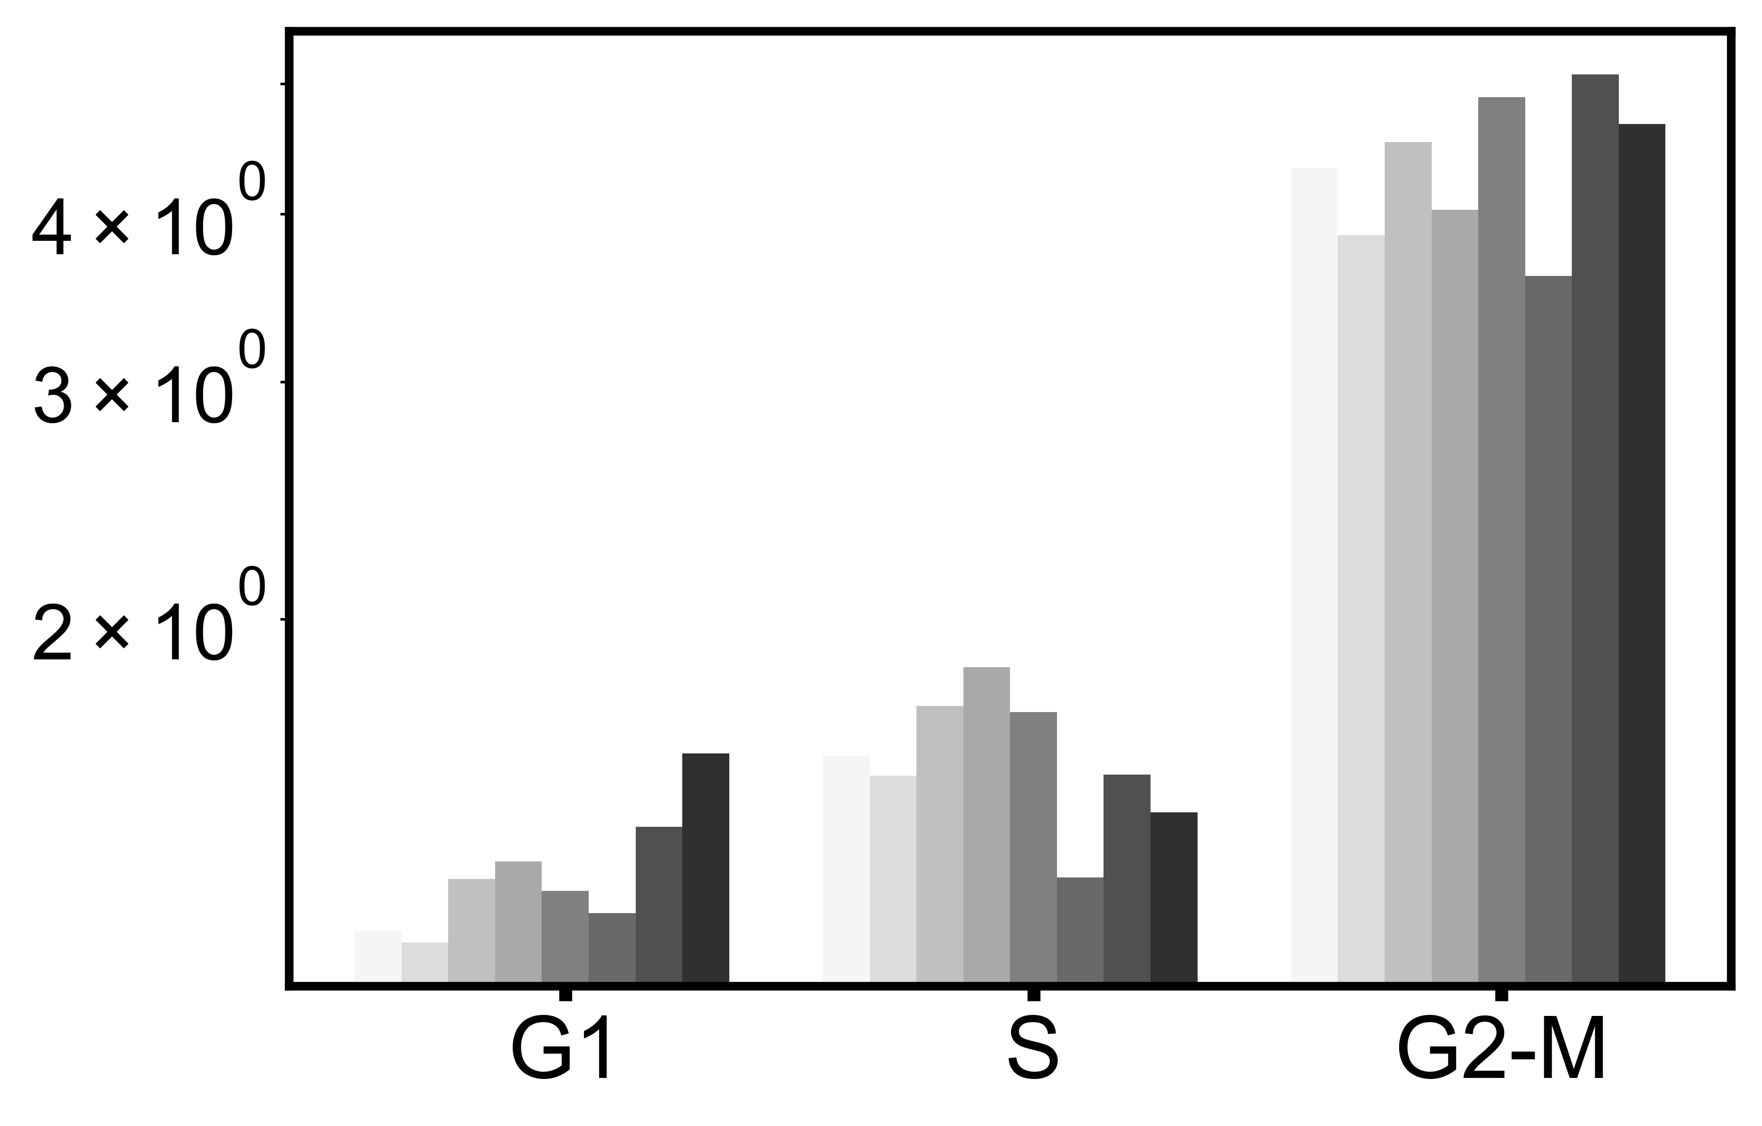
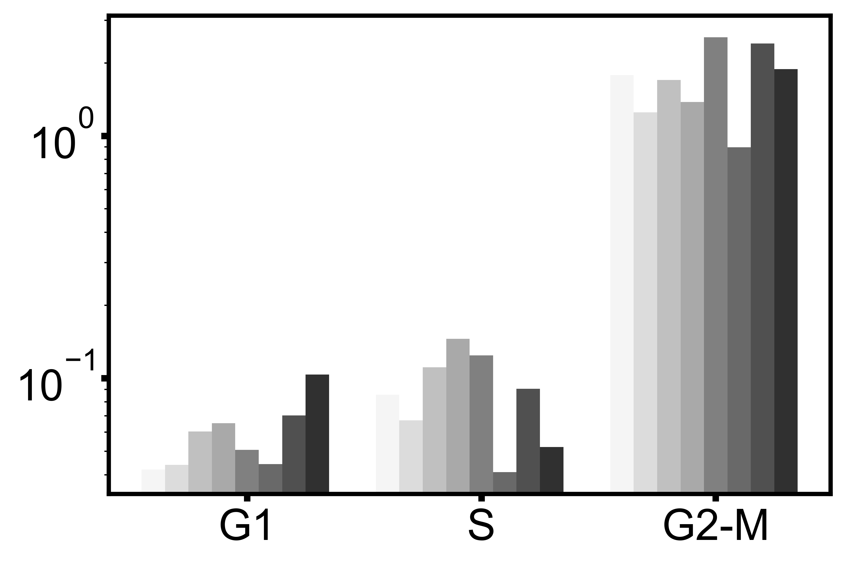
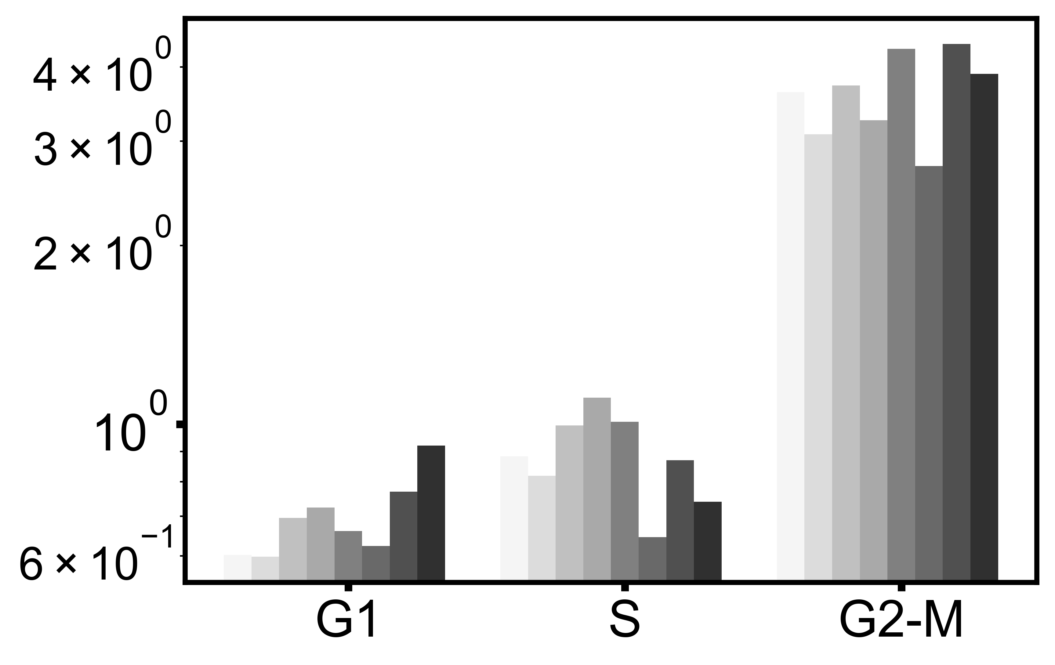
 |  |  |  |  |  |  |  |  |  |  |  |  |  |  | Dap12
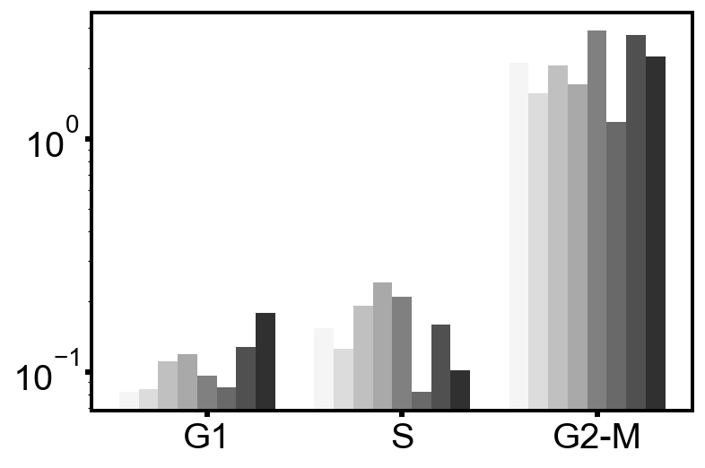

 |  |  |  |  |  |  |  |  |  |  |  |  |  |  |  |  |  |  |  |  |  |  |  |  |  |  |  |  |  |  |  |  |  |  |  |  |  |  |  | epsilon=1e-7 |  |  |  |  |  |  |  |  | epsilon=1e-6
 |  |  |  |  |  |  |  | epsilon=1e-20 |  |  |  |  |  |  |  |  |  |  | epsilon=1e-15 |  |  |  |  |  |  |  |  |  | epsilon=1e-9

 |  |  |  |  |  | Protein Name | 0 min | 2 min | 4 min | 8 min | 16 min | 32 min | 64 min | 256 min |  | Protein Name | 0 min | 2 min | 4 min | 8 min | 16 min | 32 min | 64 min | 256 min |  | Protein Name | 0 min | 2 min | 4 min | 8 min | 16 min | 32 min | 64 min | 256 min |  | Protein Name | 0 min | 2 min | 4 min | 8 min | 16 min | 32 min | 64 min | 256 min | Protein Name | 0 min | 2 min | 4 min | 8 min | 16 min | 32 min | 64 min | 256 min
 |  |  |  |  |  | CD7 | 1 | 0 | 6 | 7 | 6 | 7 | 6 | 7 |  | CD7 | 1 | 0 | 6 | 7 | 6 | 7 | 6 | 7 |  | CD7 | 1 | 0 | 6 | 1 | 6 | 6 | 6 | 7 |  | CD7 | 1 | 0 | 6 | 1 | 6 | 6 | 6 | 7 | CD7 | 1 | 0 | 6 | 1 | 6 | 6 | 6 | 7
 |  |  |  |  |  | CD45 | 2 | 1 | 1 | 8 | 7 | 3 | 7 | 7 |  | CD45 | 2 | 1 | 1 | 8 | 7 | 3 | 7 | 7 |  | CD45 | 2 | 7 | 7 | 8 | 7 | 3 | 7 | 7 |  | CD45 | 2 | 7 | 7 | 8 | 7 | 3 | 7 | 7 | CD45 | 2 | 7 | 7 | 8 | 7 | 6 | 7 | 7
 |  |  |  |  |  | IdU | 2 | 2 | 2 | 2 | 2 | 2 | 2 | 2 |  | IdU | 2 | 2 | 2 | 2 | 2 | 2 | 2 | 2 |  | IdU | 2 | 2 | 2 | 2 | 2 | 2 | 2 | 2 |  | IdU | 2 | 2 | 2 | 2 | 2 | 2 | 2 | 2 | IdU | 2 | 2 | 2 | 2 | 2 | 2 | 2 | 2
 |  |  |  |  |  | CD57 | 6 | 1 | 6 | 1 | 1 | 6 | 6 | 7 |  | CD57 | 6 | 1 | 6 | 1 | 1 | 6 | 6 | 7 |  | CD57 | 6 | 1 | 7 | 1 | 1 | 6 | 6 | 7 |  | CD57 | 6 | 1 | 7 | 1 | 1 | 6 | 6 | 7 | CD57 | 6 | 1 | 7 | 1 | 1 | 6 | 6 | 7
 |  |  |  |  |  | 3_gp_61_15 | 0 | 6 | 6 | 0 | 6 | 6 | 0 | 6 |  | 3_gp_61_15 | 0 | 6 | 6 | 0 | 6 | 6 | 0 | 6 |  | 3_gp_61_15 | 0 | 6 | 6 | 0 | 6 | 6 | 0 | 6 |  | 3_gp_61_15 | 0 | 6 | 6 | 0 | 6 | 6 | 0 | 6 | 3_gp_61_15 | 0 | 6 | 6 | 0 | 6 | 6 | 0 | 6
 |  |  |  |  |  | CD96 | 0 | 0 | 0 | 6 | 6 | 6 | 6 | 6 |  | CD96 | 0 | 0 | 0 | 6 | 6 | 6 | 6 | 6 |  | CD96 | 0 | 0 | 0 | 6 | 6 | 0 | 6 | 6 |  | CD96 | 0 | 0 | 0 | 6 | 6 | 0 | 6 | 6 | CD96 | 0 | 0 | 0 | 6 | 6 | 0 | 6 | 6
 |  |  |  |  |  | pCrkL | 0 | 0 | 0 | 0 | 0 | 6 | 6 | 6 |  | pCrkL | 0 | 0 | 0 | 0 | 0 | 6 | 6 | 6 |  | pCrkL | 0 | 0 | 0 | 0 | 0 | 6 | 6 | 6 |  | pCrkL | 0 | 0 | 0 | 0 | 0 | 6 | 6 | 6 | pCrkL | 0 | 0 | 0 | 0 | 0 | 6 | 6 | 6
 |  |  |  |  |  | Cholera-b | 1 | 7 | 6 | 4 | 6 | 3 | 7 | 3 |  | Cholera-b | 1 | 7 | 6 | 4 | 6 | 3 | 7 | 3 |  | Cholera-b | 1 | 7 | 6 | 4 | 6 | 3 | 7 | 3 |  | Cholera-b | 1 | 7 | 6 | 4 | 6 | 3 | 7 | 3 | Cholera-b | 1 | 7 | 6 | 4 | 6 | 3 | 7 | 3
 |  |  |  |  |  | pH3 | 6 | 6 | 6 | 6 | 6 | 6 | 6 | 3 |  | pH3 | 6 | 6 | 6 | 6 | 6 | 6 | 6 | 3 |  | pH3 | 6 | 6 | 6 | 6 | 6 | 6 | 6 | 3 |  | pH3 | 6 | 6 | 6 | 6 | 6 | 6 | 6 | 3 | pH3 | 6 | 6 | 6 | 6 | 6 | 6 | 6 | 6
 |  |  |  |  |  | pPLCg2 | 6 | 0 | 6 | 0 | 6 | 6 | 6 | 6 |  | pPLCg2 | 6 | 0 | 6 | 0 | 0 | 6 | 6 | 6 |  | pPLCg2 | 6 | 0 | 6 | 0 | 0 | 6 | 6 | 6 |  | pPLCg2 | 6 | 0 | 6 | 0 | 0 | 6 | 6 | 6 | pPLCg2 | 0 | 0 | 6 | 0 | 0 | 6 | 6 | 6
 |  |  |  |  |  | CD8 | 6 | 6 | 6 | 7 | 6 | 6 | 6 | 6 |  | CD8 | 6 | 6 | 6 | 7 | 6 | 6 | 6 | 6 |  | CD8 | 6 | 6 | 6 | 7 | 6 | 6 | 6 | 6 |  | CD8 | 6 | 6 | 6 | 7 | 6 | 6 | 6 | 6 | CD8 | 6 | 6 | 6 | 7 | 6 | 6 | 6 | 6
 |  |  |  |  |  | CD16 | 0 | 0 | 0 | 0 | 0 | 6 | 0 | 6 |  | CD16 | 0 | 0 | 0 | 0 | 0 | 6 | 0 | 6 |  | CD16 | 0 | 0 | 0 | 0 | 0 | 6 | 0 | 6 |  | CD16 | 0 | 0 | 0 | 0 | 0 | 6 | 0 | 6 | CD16 | 0 | 0 | 0 | 0 | 0 | 6 | 0 | 6
 |  |  |  |  |  | pCreb | 0 | 0 | 6 | 0 | 6 | 6 | 6 | 6 |  | pCreb | 0 | 0 | 6 | 0 | 6 | 6 | 6 | 6 |  | pCreb | 0 | 0 | 6 | 0 | 6 | 6 | 6 | 6 |  | pCreb | 0 | 0 | 6 | 0 | 6 | 6 | 6 | 6 | pCreb | 0 | 0 | 6 | 0 | 6 | 6 | 6 | 6
 |  |  |  |  |  | pSTAT5 | 6 | 0 | 6 | 0 | 6 | 3 | 6 | 0 |  | pSTAT5 | 6 | 0 | 6 | 0 | 6 | 3 | 6 | 0 |  | pSTAT5 | 6 | 0 | 6 | 0 | 6 | 3 | 6 | 0 |  | pSTAT5 | 6 | 0 | 6 | 0 | 6 | 3 | 6 | 0 | pSTAT5 | 6 | 0 | 6 | 0 | 6 | 6 | 6 | 0
 |  |  |  |  |  | CD107a | 0 | 6 | 6 | 1 | 0 | 6 | 0 | 6 |  | CD107a | 0 | 6 | 6 | 1 | 0 | 6 | 0 | 6 |  | CD107a | 0 | 6 | 6 | 1 | 0 | 6 | 0 | 6 |  | CD107a | 0 | 6 | 6 | 1 | 0 | 6 | 0 | 6 | CD107a | 0 | 6 | 6 | 1 | 0 | 6 | 0 | 6
 |  |  |  |  |  | pAkt | 6 | 0 | 6 | 6 | 6 | 0 | 6 | 3 |  | pAkt | 6 | 0 | 6 | 6 | 6 | 0 | 6 | 3 |  | pAkt | 6 | 0 | 6 | 0 | 6 | 0 | 6 | 3 |  | pAkt | 6 | 0 | 6 | 0 | 6 | 0 | 6 | 3 | pAkt | 6 | 0 | 6 | 0 | 6 | 0 | 6 | 3
 |  |  |  |  |  | MAPKAPK2 | 6 | 0 | 6 | 6 | 6 | 3 | 3 | 6 |  | MAPKAPK2 | 6 | 0 | 6 | 6 | 6 | 3 | 3 | 6 |  | MAPKAPK2 | 6 | 0 | 6 | 6 | 6 | 3 | 3 | 6 |  | MAPKAPK2 | 6 | 0 | 6 | 6 | 6 | 3 | 3 | 6 | MAPKAPK2 | 6 | 0 | 6 | 0 | 6 | 6 | 3 | 6
 |  |  |  |  |  | NKG2D | 6 | 6 | 6 | 6 | 6 | 6 | 3 | 6 |  | NKG2D | 6 | 6 | 6 | 0 | 6 | 6 | 3 | 6 |  | NKG2D | 6 | 6 | 6 | 0 | 6 | 6 | 3 | 6 |  | NKG2D | 6 | 6 | 6 | 0 | 6 | 6 | 3 | 6 | NKG2D | 6 | 6 | 6 | 0 | 6 | 6 | 3 | 6
 |  |  |  |  |  | CRACC | 6 | 0 | 6 | 0 | 6 | 6 | 3 | 3 |  | CRACC | 6 | 0 | 6 | 0 | 6 | 6 | 3 | 3 |  | CRACC | 6 | 0 | 6 | 0 | 6 | 6 | 6 | 3 |  | CRACC | 6 | 0 | 6 | 0 | 6 | 6 | 6 | 3 | CRACC | 6 | 0 | 6 | 0 | 6 | 6 | 6 | 6
 |  |  |  |  |  | cyclinB | 0 | 0 | 0 | 0 | 0 | 0 | 6 | 0 |  | cyclinB | 0 | 0 | 0 | 0 | 0 | 0 | 6 | 0 |  | cyclinB | 0 | 0 | 0 | 0 | 0 | 0 | 6 | 0 |  | cyclinB | 0 | 0 | 0 | 0 | 0 | 0 | 6 | 0 | cyclinB | 0 | 0 | 0 | 0 | 0 | 0 | 6 | 0
 |  |  |  |  |  | SAP | 0 | 0 | 6 | 0 | 6 | 0 | 6 | 6 |  | SAP | 0 | 0 | 6 | 0 | 6 | 0 | 6 | 6 |  | SAP | 0 | 0 | 0 | 0 | 6 | 0 | 6 | 6 |  | SAP | 0 | 0 | 0 | 0 | 6 | 0 | 6 | 6 | SAP | 0 | 0 | 0 | 0 | 6 | 0 | 6 | 6
 |  |  |  |  |  | CD161 | 6 | 6 | 3 | 6 | 6 | 6 | 3 | 6 |  | CD161 | 6 | 6 | 3 | 6 | 6 | 6 | 3 | 6 |  | CD161 | 6 | 6 | 3 | 6 | 6 | 6 | 6 | 6 |  | CD161 | 6 | 6 | 3 | 6 | 6 | 6 | 6 | 6 | CD161 | 6 | 6 | 3 | 6 | 6 | 6 | 6 | 6
 |  |  |  |  |  | CD11c | 6 | 0 | 6 | 0 | 1 | 6 | 6 | 6 |  | CD11c | 6 | 0 | 6 | 0 | 1 | 6 | 6 | 6 |  | CD11c | 6 | 0 | 6 | 0 | 1 | 6 | 6 | 6 |  | CD11c | 6 | 0 | 6 | 0 | 1 | 6 | 6 | 6 | CD11c | 6 | 0 | 6 | 0 | 1 | 6 | 6 | 6
 |  |  |  |  |  | 2B4 | 6 | 0 | 0 | 0 | 6 | 6 | 6 | 6 |  | 2B4 | 6 | 0 | 0 | 0 | 6 | 6 | 6 | 6 |  | 2B4 | 6 | 0 | 0 | 0 | 6 | 6 | 6 | 6 |  | 2B4 | 6 | 0 | 0 | 0 | 6 | 6 | 6 | 6 | 2B4 | 6 | 0 | 0 | 0 | 6 | 3 | 6 | 6
 |  |  |  |  |  | DAP12 | 6 | 6 | 6 | 0 | 0 | 6 | 6 | 6 |  | DAP12 | 6 | 6 | 6 | 0 | 0 | 6 | 6 | 6 |  | DAP12 | 6 | 6 | 6 | 0 | 0 | 6 | 6 | 6 |  | DAP12 | 6 | 6 | 6 | 0 | 0 | 6 | 6 | 6 | DAP12 | 0 | 0 | 0 | 0 | 0 | 6 | 6 | 6
 |  |  |  |  |  | CD69 | 6 | 6 | 6 | 6 | 6 | 3 | 3 | 3 |  | CD69 | 6 | 6 | 6 | 6 | 6 | 3 | 3 | 3 |  | CD69 | 6 | 6 | 6 | 6 | 6 | 3 | 6 | 3 |  | CD69 | 6 | 6 | 6 | 6 | 6 | 3 | 6 | 3 | CD69 | 6 | 6 | 6 | 6 | 6 | 3 | 6 | 3
 |  |  |  |  |  | EAT2 | 0 | 0 | 0 | 0 | 6 | 6 | 6 | 6 |  | EAT2 | 0 | 0 | 0 | 0 | 6 | 6 | 6 | 6 |  | EAT2 | 0 | 0 | 0 | 0 | 6 | 6 | 6 | 6 |  | EAT2 | 0 | 0 | 0 | 0 | 6 | 6 | 6 | 6 | EAT2 | 0 | 0 | 0 | 0 | 6 | 6 | 6 | 6
 |  |  |  |  |  | pSLP76 | 6 | 0 | 6 | 0 | 0 | 6 | 6 | 6 |  | pSLP76 | 6 | 0 | 6 | 0 | 0 | 6 | 6 | 6 |  | pSLP76 | 0 | 0 | 6 | 0 | 0 | 6 | 6 | 6 |  | pSLP76 | 0 | 0 | 6 | 0 | 0 | 6 | 6 | 6 | pSLP76 | 0 | 0 | 6 | 0 | 0 | 6 | 6 | 6
 |  |  |  |  |  | pNFkB | 6 | 6 | 6 | 6 | 0 | 6 | 6 | 3 |  | pNFkB | 6 | 6 | 6 | 6 | 0 | 6 | 6 | 3 |  | pNFkB | 6 | 6 | 6 | 0 | 0 | 6 | 6 | 3 |  | pNFkB | 6 | 6 | 6 | 0 | 0 | 6 | 6 | 3 | pNFkB | 6 | 6 | 6 | 0 | 0 | 6 | 6 | 3
 |  |  |  |  |  | pRb | 3 | 3 | 3 | 3 | 3 | 3 | 3 | 3 |  | pRb | 3 | 3 | 3 | 3 | 3 | 3 | 3 | 3 |  | pRb | 3 | 3 | 3 | 3 | 3 | 3 | 3 | 3 |  | pRb | 3 | 3 | 3 | 3 | 3 | 3 | 3 | 3 | pRb | 3 | 3 | 3 | 3 | 3 | 3 | 3 | 3
 |  |  |  |  |  | pErk1-2 | 6 | 0 | 0 | 0 | 0 | 6 | 0 | 6 |  | pErk1-2 | 6 | 0 | 0 | 0 | 0 | 6 | 0 | 6 |  | pErk1-2 | 6 | 0 | 0 | 0 | 0 | 6 | 0 | 6 |  | pErk1-2 | 6 | 0 | 0 | 0 | 0 | 6 | 0 | 6 | pErk1-2 | 6 | 0 | 0 | 0 | 0 | 6 | 0 | 6
 |  |  |  |  |  | pPlk1 | 6 | 6 | 6 | 6 | 6 | 6 | 3 | 3 |  | pPlk1 | 6 | 6 | 6 | 6 | 6 | 6 | 3 | 3 |  | pPlk1 | 6 | 0 | 6 | 0 | 6 | 6 | 3 | 3 |  | pPlk1 | 6 | 0 | 6 | 0 | 6 | 6 | 3 | 3 | pPlk1 | 6 | 0 | 6 | 0 | 6 | 6 | 3 | 3
 |  |  |  |  |  | p38 | 6 | 0 | 0 | 0 | 6 | 6 | 0 | 6 |  | p38 | 6 | 0 | 0 | 0 | 6 | 6 | 0 | 6 |  | p38 | 6 | 0 | 0 | 0 | 6 | 6 | 0 | 6 |  | p38 | 6 | 0 | 0 | 0 | 6 | 6 | 0 | 6 | p38 | 6 | 0 | 0 | 0 | 6 | 6 | 0 | 6
 |  |  |  |  |  | pLAT | 6 | 6 | 6 | 0 | 6 | 6 | 6 | 6 |  | pLAT | 6 | 6 | 6 | 0 | 6 | 6 | 6 | 6 |  | pLAT | 6 | 6 | 6 | 0 | 6 | 6 | 6 | 6 |  | pLAT | 6 | 6 | 6 | 0 | 6 | 6 | 6 | 6 | pLAT | 6 | 6 | 6 | 0 | 6 | 6 | 6 | 6
 |  |  |  |  |  | pZAP70 | 0 | 0 | 6 | 0 | 6 | 6 | 6 | 6 |  | pZAP70 | 0 | 0 | 6 | 0 | 6 | 6 | 6 | 6 |  | pZAP70 | 0 | 0 | 6 | 0 | 6 | 6 | 6 | 6 |  | pZAP70 | 0 | 0 | 6 | 0 | 6 | 6 | 6 | 6 | pZAP70 | 0 | 0 | 6 | 0 | 6 | 6 | 6 | 6
 |  |  |  |  |  | pS6 | 6 | 6 | 3 | 0 | 6 | 6 | 6 | 6 |  | pS6 | 6 | 6 | 3 | 0 | 6 | 6 | 6 | 6 |  | pS6 | 6 | 6 | 3 | 0 | 6 | 6 | 6 | 6 |  | pS6 | 6 | 6 | 3 | 0 | 6 | 6 | 6 | 6 | pS6 | 6 | 6 | 3 | 0 | 6 | 6 | 6 | 6
 |  |  |  |  |  | Ki67 | 0 | 6 | 6 | 0 | 6 | 6 | 6 | 6 |  | Ki67 | 0 | 6 | 6 | 0 | 6 | 6 | 6 | 6 |  | Ki67 | 0 | 6 | 6 | 0 | 6 | 6 | 6 | 6 |  | Ki67 | 0 | 6 | 6 | 0 | 6 | 6 | 6 | 6 | Ki67 | 0 | 6 | 6 | 0 | 6 | 6 | 6 | 6
 |  |  |  |  |  | NKG2A | 6 | 6 | 6 | 0 | 3 | 6 | 6 | 6 |  | NKG2A | 6 | 6 | 6 | 0 | 3 | 6 | 6 | 6 |  | NKG2A | 6 | 6 | 6 | 0 | 3 | 6 | 6 | 6 |  | NKG2A | 6 | 6 | 6 | 0 | 3 | 6 | 6 | 6 | NKG2A | 6 | 6 | 6 | 0 | 3 | 6 | 6 | 6
 |  |  |  |  |  | pVav1 | 6 | 6 | 3 | 6 | 3 | 3 | 6 | 7 |  | pVav1 | 6 | 6 | 3 | 6 | 3 | 3 | 6 | 7 |  | pVav1 | 6 | 6 | 3 | 6 | 6 | 3 | 6 | 6 |  | pVav1 | 6 | 6 | 3 | 6 | 6 | 3 | 6 | 6 | pVav1 | 6 | 6 | 3 | 6 | 6 | 3 | 6 | 6
 |  |  |  |  |  | CD56 | 0 | 0 | 6 | 0 | 0 | 6 | 6 | 6 |  | CD56 | 0 | 0 | 6 | 0 | 0 | 6 | 6 | 6 |  | CD56 | 0 | 0 | 6 | 0 | 0 | 6 | 6 | 6 |  | CD56 | 0 | 0 | 6 | 0 | 0 | 6 | 6 | 6 | CD56 | 0 | 0 | 6 | 0 | 0 | 6 | 6 | 6

