Python ML analysis
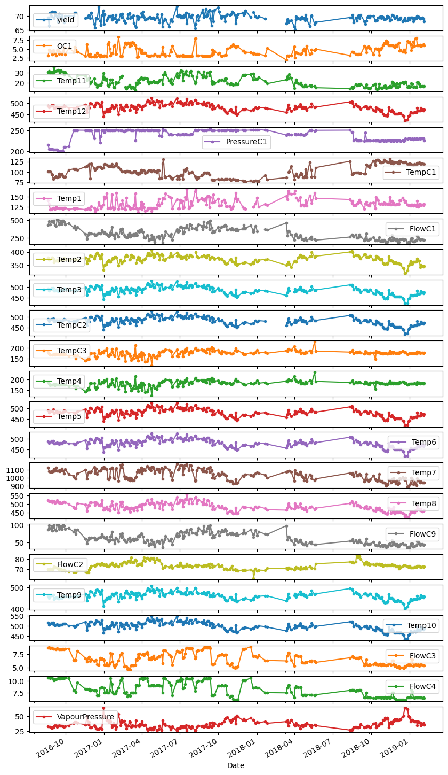
Example: Pandas and Scikit Learn example
 | Notebook code (open source)
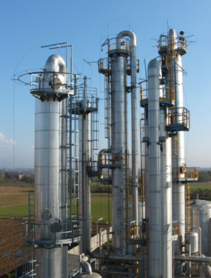

1) Loading dataset into a pandas dataframe

2) Visual analysis

 | Yield

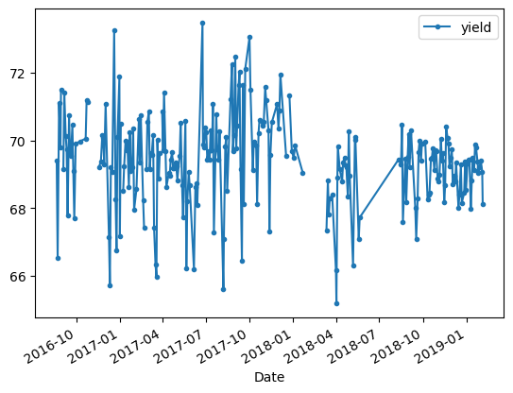

 | All |  | >>>

3) Descritive statistics

 | df.describe() --> |  | Date | yield | OC1 | Temp11 | Temp12 | PressureC1 | TempC1 | Temp1 | FlowC1 | Temp2 | Temp3 | TempC2 | TempC3 | Temp4 | Temp5 | Temp6 | Temp7 | Temp8 | FlowC9 | FlowC2 | Temp9 | Temp10 | FlowC3 | FlowC4 | VapourPressure
 |  | count | 253 | 246 | 253 | 252 | 252 | 251 | 251 | 248 | 251 | 247 | 252 | 251 | 251 | 253 | 249 | 253 | 250 | 250 | 252 | 252 | 250 | 252 | 251 | 252 | 251
 |  | mean | 43033.363636 | 69.378790944 | 4.3915193676 | 21.818284921 | 480.32137698 | 238.65051554 | 102.02867649 | 132.34275403 | 308.12314661 | 372.03296073 | 482.53709802 | 480.75093466 | 175.17818964 | 181.72920277 | 478.69373735 | 479.2748502 | 1041.4772608 | 484.4505844 | 62.086521825 | 73.327194841 | 460.6829408 | 498.01442976 | 6.6608390438 | 8.2185007937 | 36.649672112
 |  | min | 42603 | 65.20380122 | 1.8583 | 12.8857 | 419.4274 | 199.8234 | 75.5847 | 111.0259 | 174.7428 | 318.447 | 420.7777 | 419.0175 | 119.214 | 124.5994 | 418.6194 | 419.295 | 890.1084 | 421.4542 | 34.51 | 61.1367 | 400.3164 | 432.4483 | 4.617 | 5.847 | 25.156
 |  | 25% | 42801 | 68.713889458 | 3.075 | 17.550725 | 468.88975 | 225.8146 | 89.1017 | 121.590425 | 235.0708 | 362.2645 | 471.504775 | 469.5814 | 169.5198 | 176.2709 | 467.4232 | 468.0807 | 981.7636 | 466.8387 | 46.8575 | 71.26085 | 449.292625 | 485.8715 | 5.5732 | 6.850875 | 31.96685
 |  | 50% | 42981 | 69.43611223 | 3.9833 | 20.51625 | 481.8877 | 244.9713 | 100.2297 | 130.16525 | 291.7943 | 373.2026 | 483.92305 | 482.2577 | 175.5509 | 182.2102 | 480.2018 | 480.5432 | 1047.03385 | 481.87715 | 58.88 | 73.1517 | 462.119 | 499.0406 | 6.5192 | 7.9915 | 34.8119
 |  | 75% | 43332 | 70.091458875 | 5.5933 | 25.5578 | 492.859925 | 250.04105 | 116.65405 | 140.5014 | 370.43235 | 383.1394 | 495.5021 | 493.26805 | 183.76725 | 190.4715 | 490.9778 | 492.3958 | 1098.338025 | 503.247125 | 75.19 | 74.67165 | 471.423225 | 513.055225 | 7.5309 | 9.822475 | 40.71295
 |  | max | 43500 | 73.47196291 | 8.5017 | 35.5254 | 526.1437 | 254.59 | 132.1994 | 168.0402 | 505.6681 | 406.74 | 528.0807 | 526.392 | 229.4111 | 235.6244 | 524.7877 | 525.3143 | 1179.2026 | 557.3591 | 99.9829 | 83.5933 | 507.3149 | 547.1328 | 8.8473 | 10.756 | 64.3135
 |  | std | #NUM! | 1.3375006116 | 1.401471023 | 5.2043239676 | 18.59900684 | 13.964243514 | 15.106978297 | 11.897382587 | 83.301694275 | 14.782413878 | 18.555960425 | 18.606994414 | 13.969385377 | 14.067879541 | 18.667395605 | 18.707989004 | 69.183610923 | 24.7015852 | 16.927757725 | 3.2479647609 | 17.644978779 | 20.52109363 | 1.1660840266 | 1.5464486193 | 6.86668885

4) Data prep

 | Imputing missing values (backfill)

 | Defining y: | yield

 | Defining Xs
 | Adding noise

5) Predictive analytics

 | Loading scikit learn and running Random Forest model
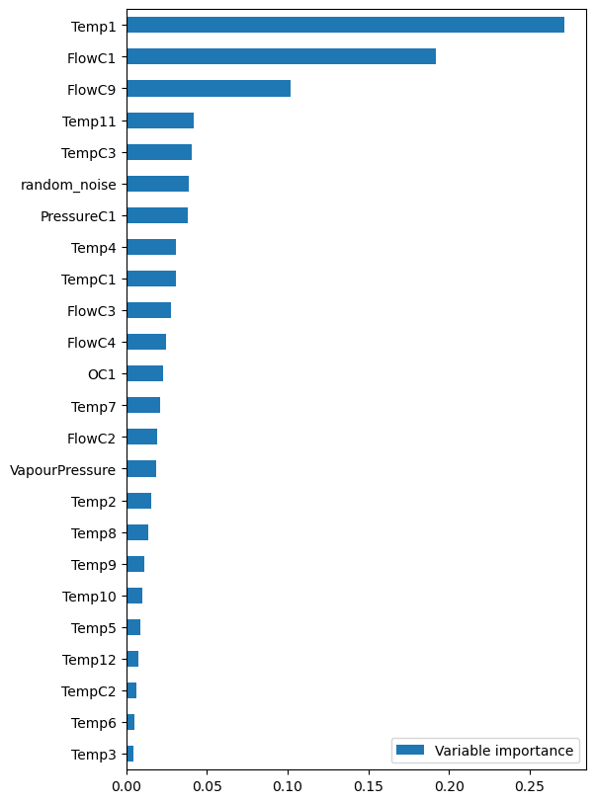

6) Explaning results

 | Top factors affecting yield

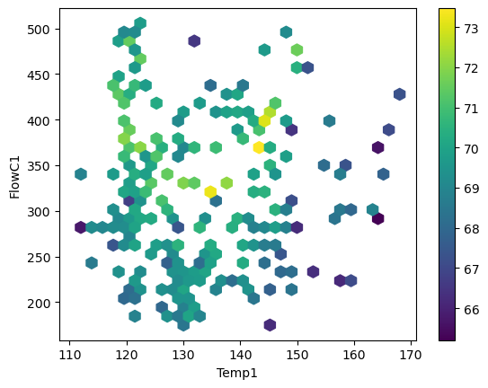

7) Parallel coordinate plot
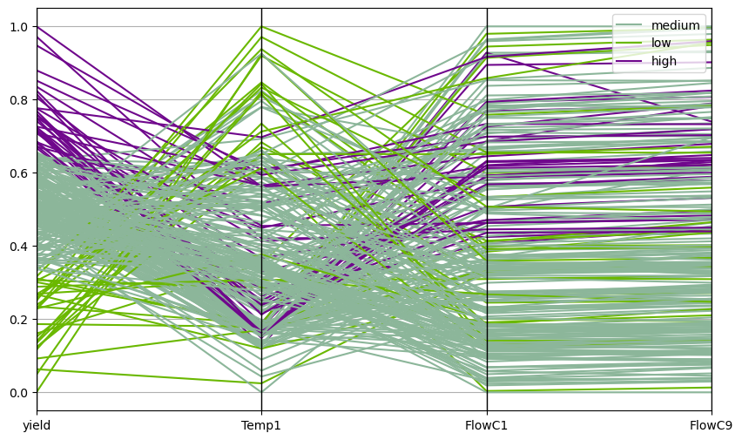
 | Prep table

 | Min max norm

 | Plotting

