hyy

官方网站: www.we-signage.com
Address:
 | Bao'an, Shenzhen
Phone: 86-13349909990
PRODUCT INFORMATION SHEET

Model No |  |  | HYY-98B-RX |  |  |  | Price(usd) |  | Sample | 100-500pcs | 1-3K | 3-5K | ,+5K
Product type |  |  | AIO

System |  | CPU |  |  |  | Quad ARMCortex-A53 1.5GHz
 |  | RAM |  |  |  | 2GB
 |  | Internal memory |  |  |  | 32GB
 |  | Operation system |  |  |  | Android 11
Network |  | WiFi |  |  |  | 2.4G+5G
 |  | Ethernet |  |  |  | 10M/100M/1000M Ethernet
 |  | Bluetooth |  |  |  | Bluetooth 4.0
Display |  | Panel |  |  |  | 98"LCD IPS panel
 |  | Resolution |  |  |  | 3840*2160
 |  | Active area |  |  |  | 2160(H) ×1216(W)mm
 |  | Contrast ratio |  |  |  | 4000
 |  | Luminance |  |  |  | 300cdm2
 |  | Aspect Ratio |  |  |  | 16:09:00
Interface |  | HDMI |  |  |  | HDMI IN*2
 |  | VGA |  |  |  | VGA*1
 |  | USB Host 3.0 |  |  |  | USB Host 3.0*2
 |  | USB Host 2.0 |  |  |  | USB Host 2.0*2
 |  | Power Jack |  |  |  | AC power input
 |  | RJ45 |  |  |  | Ethernet *1
 |  | Earphone |  |  |  | 3.5mm earphone
Other |  | Speaker |  |  |  | support
 |  | Touch screen |  |  |  | support
 |  | Camera |  |  |  | 1300w
 |  | Micphone |  |  |  | support
 |  | Language |  |  |  | Multi-language
 |  | Working temp |  |  |  | 0--40degree
Accessories |  | Adapter |  |  |  | 180v - 240v

Product Measurement, mm
Unit (Without packaging) |  |  | Giftbox (With Packaging) |  |  | Carton 5pcs/CTN
L | W | H | L | W | H | L | W | H
2218mm | 1322mm | 93mm | 2353mm | 1445mm | 230mm
Net(kg) | 96.7kg |  | Net(kg) | 15.16kg |  | Net
 |  |  |  |  |  | G.W | 111.86kg
Drawing:

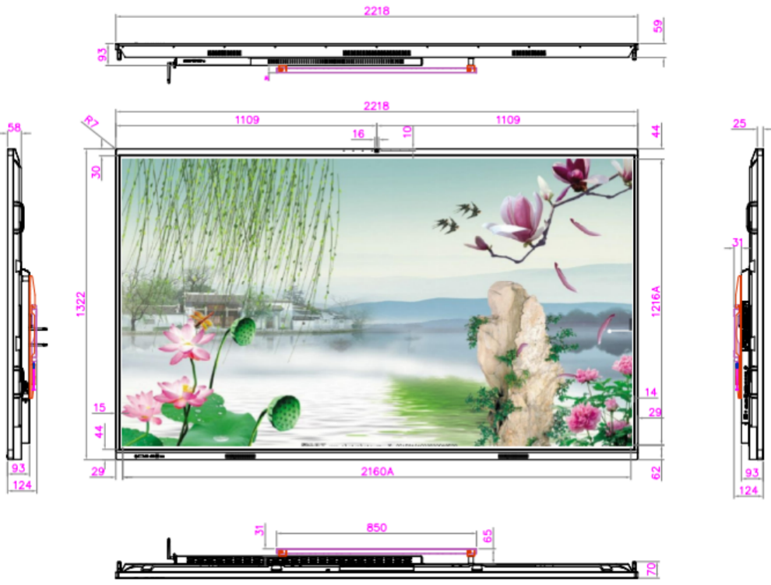 |  |  |  |  |  |  |  | 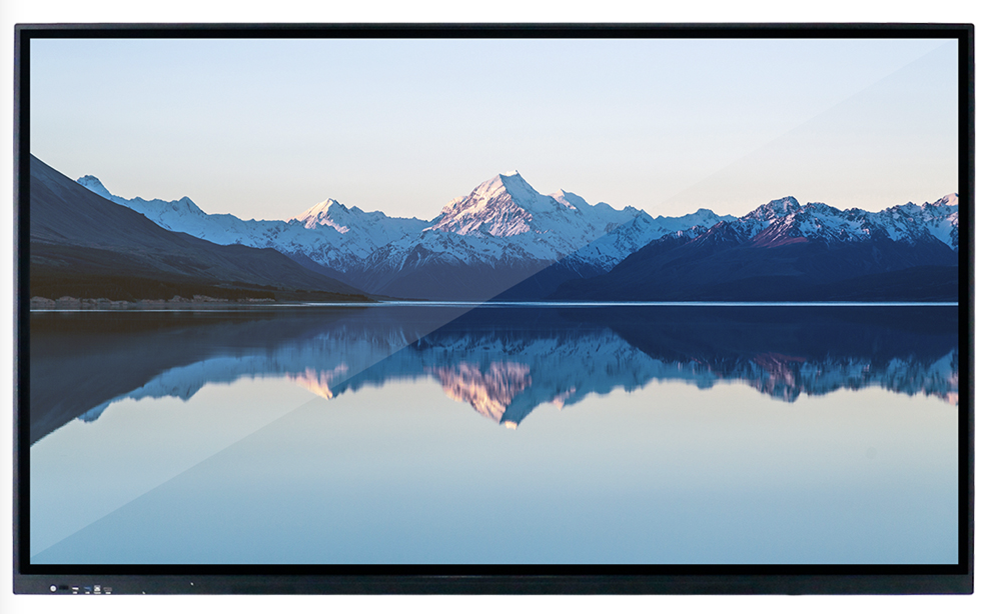
Application:

