HYY

官方网站: www.we-signage.com
Address:
 | Bao'an, Shenzhen
Phone: 86-13349909990
PRODUCT INFORMATION SHEET

Model No |  |  | HYY-T24 |  |  |  | Price(usd) |  | Sample | 100-500pcs | 1-3K | 3-5K | ,+5K
Product type |  |  | Bar screen android tablet for business

System |  | CPU |  |  |  | A40i Quad core 1.2GHz
 |  | RAM |  |  |  | 1GB
 |  | Internal memory |  |  |  | 16GB
 |  | Operation system |  |  |  | Android 7.1
Display |  | LCD screen |  |  |  | 24"HD bar screen
 |  | Resolving power |  |  |  | 1920*540
 |  | viewing angle |  |  |  | 89/89/89/89
 |  | contrast ratio |  |  |  | 1000:1(Typ.)
 |  | brightness |  |  |  | 300cdm2
Network |  | WiFi |  |  |  | 2.4G/5G
 |  | Ethernet |  |  |  | RJ45
 |  | Bluetooth |  |  |  | Bluetooth 4.0
Interface |  | HDMI |  |  |  | HDMI output
 |  | USB |  |  |  | USB2.0
 |  | Power jack TTYPE-C |  |  |  | DC 12V
Media plays |  | Video format |  |  |  | MPEG-1,MPEG-2,MPEG-4,H.263,H.264,VC1,RV etc.,support up to 1080p
 |  | Audio format |  |  |  | MP3/WMA/AAC etc.
 |  | Photo |  |  |  | Support JPG, BMP, PNG, GIF
Other |  | VESA |  |  |  | Support wall hanging
 |  | OSD |  |  |  | Multilingual OSD operations in Chinese and English
 |  | working temperature |  |  |  | 0--50℃
Accessories |  | Adapter |  |  |  | 110~220V
 |  | User manual |  |  |  | yes

Product Measurement, mm
Unit (Without packaging) |  |  | Giftbox (With Packaging) |  |  | Carton 5pcs/CTN
L | W | H | L | W | H | L | W | H
642mm | 156mm | 46.8mm | 750mm | 110mm | 270mm
Net(kg) | 3.7kg |  | Net(kg) | 5kg |  | Net
 |  |  |  |  |  | G.W
Drawing:

 | 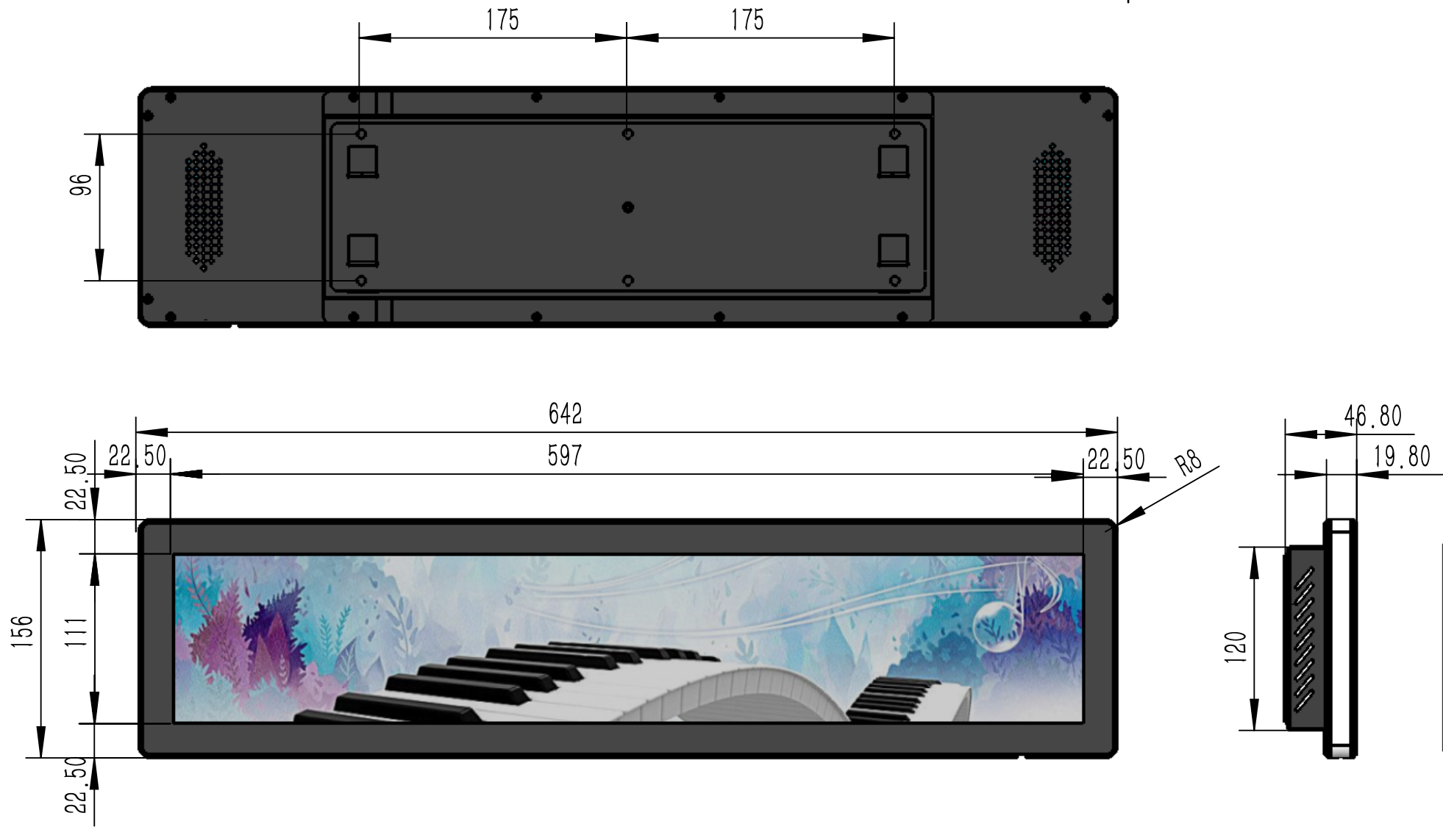
Application:
 |  |  | 