English
官方网站: www.we-signage.com
Address: | 704,14th Building, jingfa manufacturing area，gushu community，xixiang street,
 | Bao'an, Shenzhen
Phone: 86-14715355256
PRODUCT INFORMATION SHEET

Model No |  |  | HYY-TA2866-BAR |  |  | Price(usd) | Sample | 50-100 | 500 | 1K | ,+2k
Product type |  |  | Advisement player

System |  | CPU |  |  |  | RK3566
 |  | RAM |  |  |  | 2GB
 |  | Memory |  |  |  | 16GB
 |  | Touch |  |  |  | 10-point capacitive touch
 |  | operating system |  |  |  | Android 11
Display |  | LCD screen |  |  |  | 28.6"HD bar screen
 |  | Resolving power |  |  |  | 1920*540
 |  | Visual area |  |  |  | 698*196mm
 |  | viewing angle |  |  |  | 89/89/89/89
 |  | contrast ratio |  |  |  | 1000:1(Typ.)
 |  | brightness |  |  |  | 400cdm2
Network |  | WiFi |  |  |  | 2.4G/5G
 |  | Ethernet |  |  |  | RJ45
 |  | Bluetooth |  |  |  | Bluetooth V4.0
Interface |  | USB |  |  |  | USB 2.0
 |  | HDMI |  |  |  | HDMI output
 |  | Power jack TTYPE-C |  |  |  | DC 12V
Media plays |  | Video format |  |  |  | MPEG-1,MPEG-2,MPEG-4,H.263,H.264,VC1,RV etc.,support up to 1080p
 |  | Audio format |  |  |  | MP3/WMA/AAC etc.
 |  | Photo |  |  |  | Support JPG, BMP, PNG, GIF
Other |  | VESA |  |  |  | Support wall hanging
 |  | OSD |  |  |  | Multilingual OSD operations in Chinese and English
 |  | working temperature |  |  |  | 0--50℃
Accessories |  | Adapter |  |  |  | 110~220V
 |  | User manual |  |  |  | yes

Product Measurement, mm
Unit (Without packaging) |  |  | Giftbox (With Packaging)
L | W | H | L | W | H
748 | 245.5 | 51.3 | 850 | 110 | 350
净重(kg) | 6.2 |  | 毛重(kg) | 8.5
 |  |  |  |  |  | G.W
Drawing:
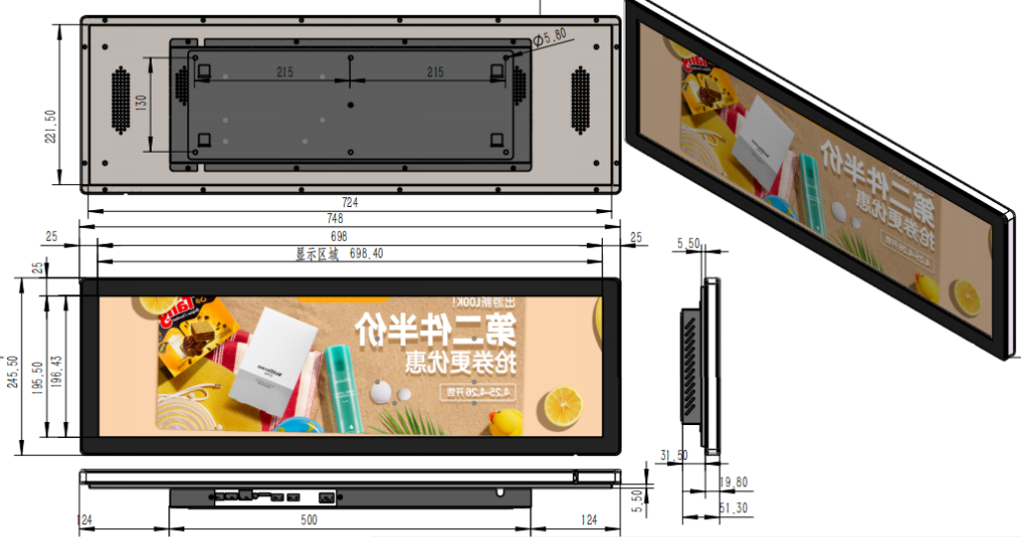

Application:

