HYY

官方网站: www.we-signage.com
Address:
 | Bao'an, Shenzhen
Phone: 86-13349909990
PRODUCT INFORMATION SHEET

Model No |  |  | HYY-T80 |  |  |  | Price(usd) |  | Sample | 100-500pcs | 1-3K | 3-5K | ,+5K
Product type |  |  | Bar screen android tablet for business

System |  | CPU |  |  |  | Amlogic T972 Quad core Cortex-A55 1.9GHz
 |  | RAM |  |  |  | 2GB
 |  | Internal memory |  |  |  | 16GB
 |  | Operation system |  |  |  | Android 9.0
Display |  | LCD screen |  |  |  | 80"HD bar screen
 |  | Resolving power |  |  |  | 3840*1440
 |  | viewing angle |  |  |  | 89/89/89/89
 |  | contrast ratio |  |  |  | 1000:1(Typ.)
 |  | brightness |  |  |  | 300cdm2
Network |  | WiFi |  |  |  | 2.4G/5G
 |  | Ethernet |  |  |  | RJ45
 |  | Bluetooth |  |  |  | Bluetooth 4.2
Interface |  | HDMI |  |  |  | HDMI output
 |  | USB |  |  |  | USB2.0
 |  | Power jack TTYPE-C |  |  |  | DC 12V
Media plays |  | Video format |  |  |  | H.265/H.264/VP8/MAV/WMV/AVS/H.263/MPEG4 support 4k
 |  | Audio format |  |  |  | MP3/WMA/WAV/APE/FLAC/AAC/OGG/M4A/3GPP
 |  | Photo |  |  |  | Support JPG, BMP, PNG, GIF
Other |  | VESA |  |  |  | Support wall hanging
 |  | OSD |  |  |  | Multilingual OSD operations in Chinese and English
 |  | working temperature |  |  |  | 0--50℃
Accessories |  | Adapter |  |  |  | 110~220V
 |  | User manual |  |  |  | yes

Product Measurement, mm
Unit (Without packaging) |  |  | Giftbox (With Packaging) |  |  | Carton 5pcs/CTN
L | W | H | L | W | H | L | W | H
1956mm | 771mm | 38mm | 2045mm | 155mm | 950mm
Net(kg) | 57kg |  | Net(kg) | 64kg |  | Net
 |  |  |  |  |  | G.W
Drawing:

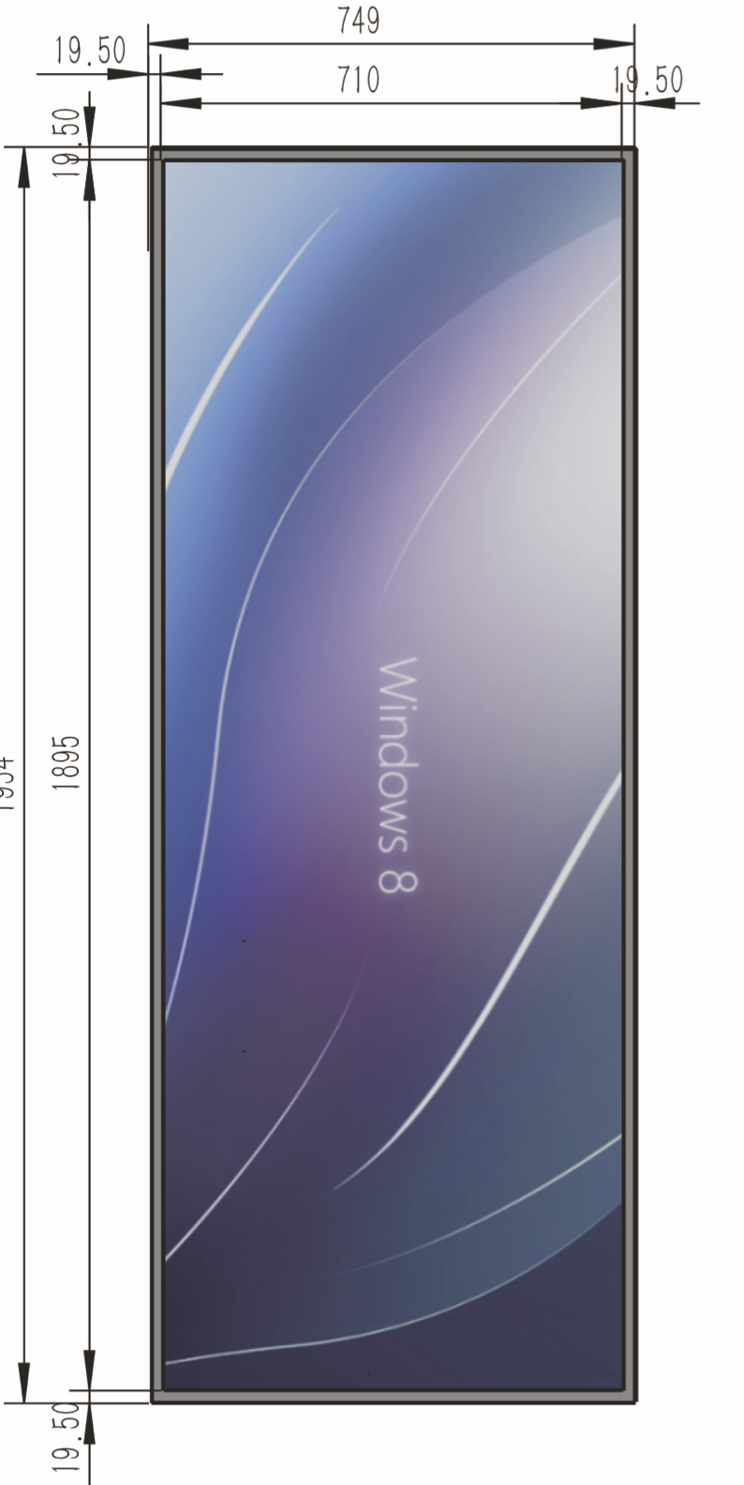 |  |  |  | 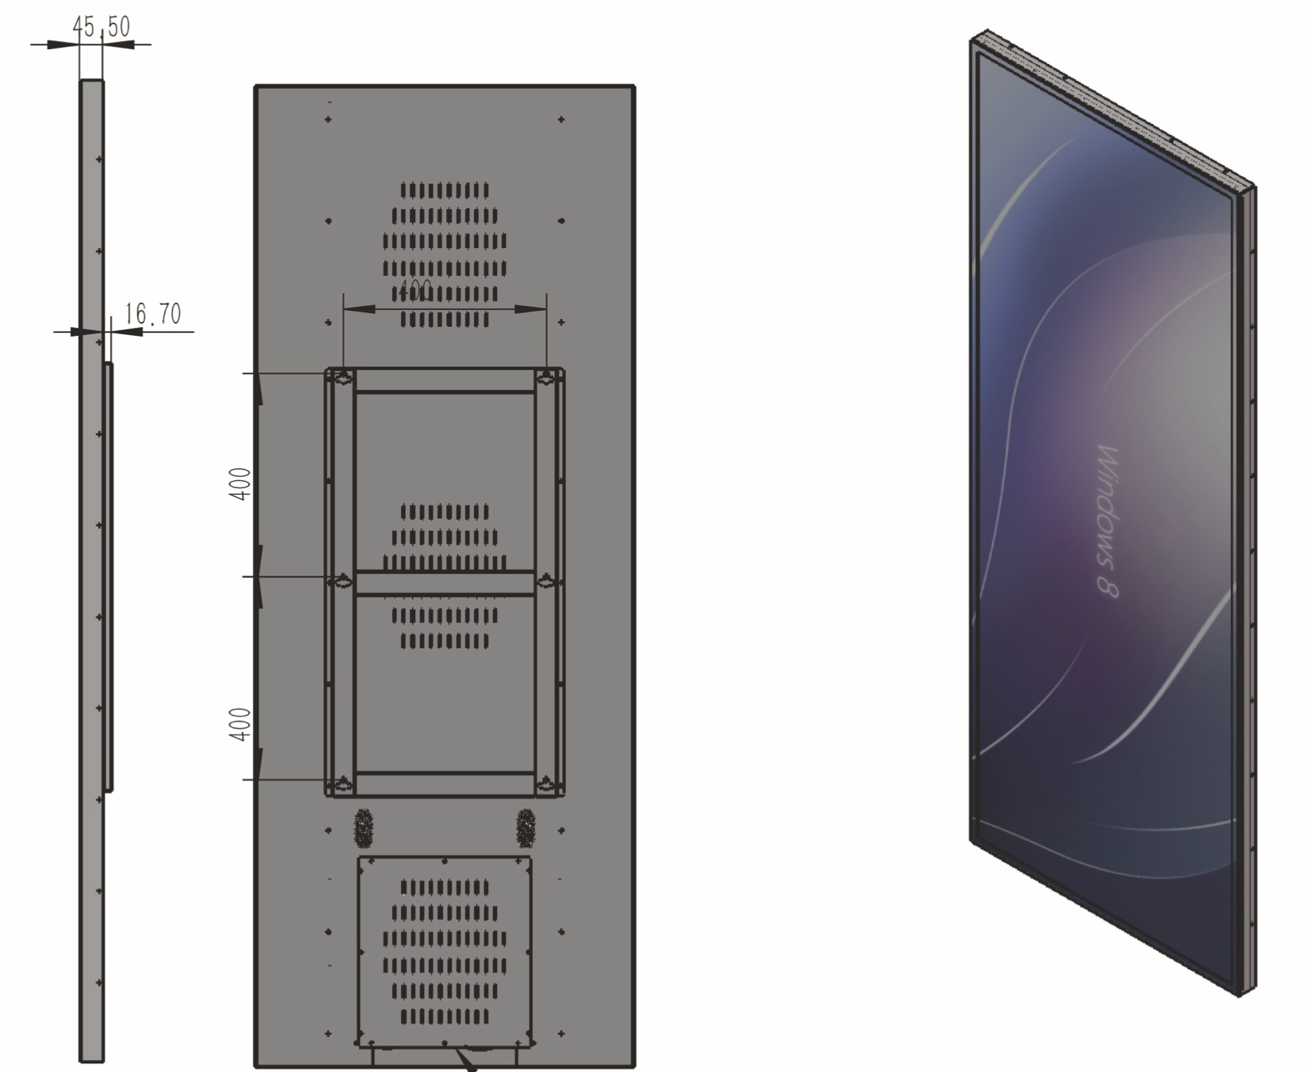
Application:

