GF Pricing
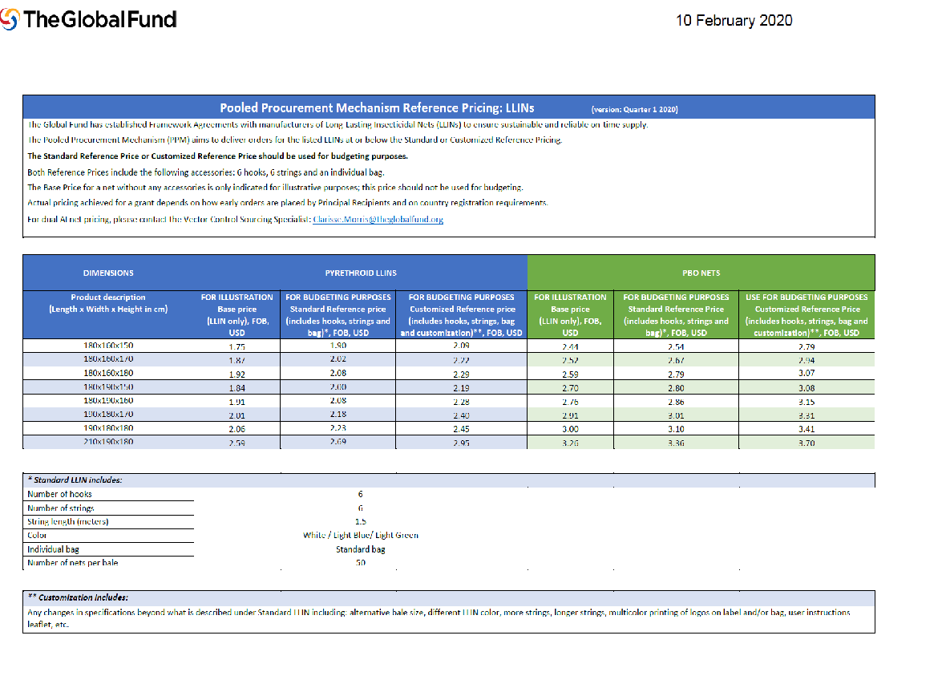

 | 2.54 | 2.44
 | 2.67 | 2.52
 | 2.79 | 2.59
 | 2.8 | 2.7
 | 2.86 | 2.76
 | 3.01 | 2.91
 | 3.1 | 3
 | 3.36 | 3.26
 | 23.13 | 22.18
 | 2.89125 | 2.7725

https://www.theglobalfund.org/media/5861/psm_llinreferenceprices_table_en.pdf?u=637171006000000000

Modeling Articles Costs
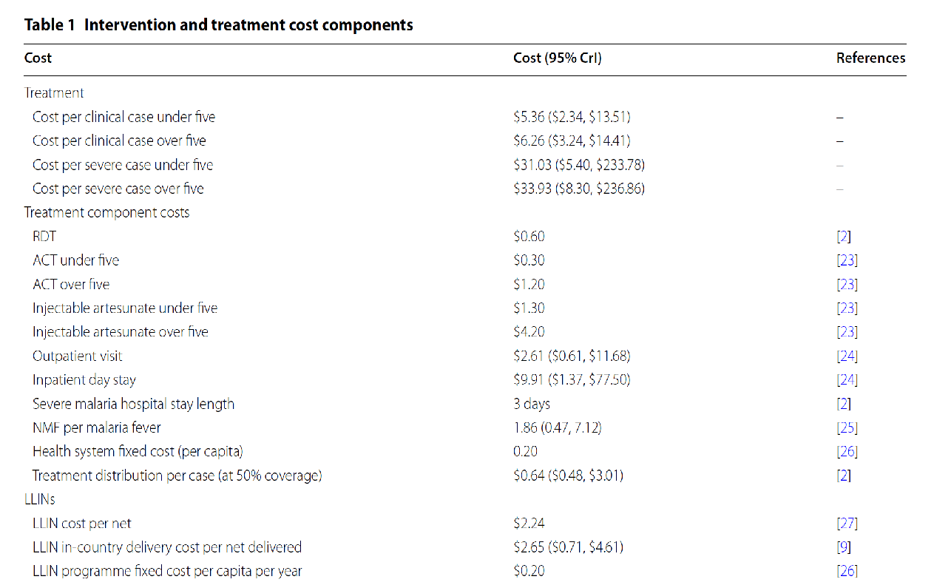

Winskill et al. - 2019 - Prioritizing the scale-up of interventions for mal

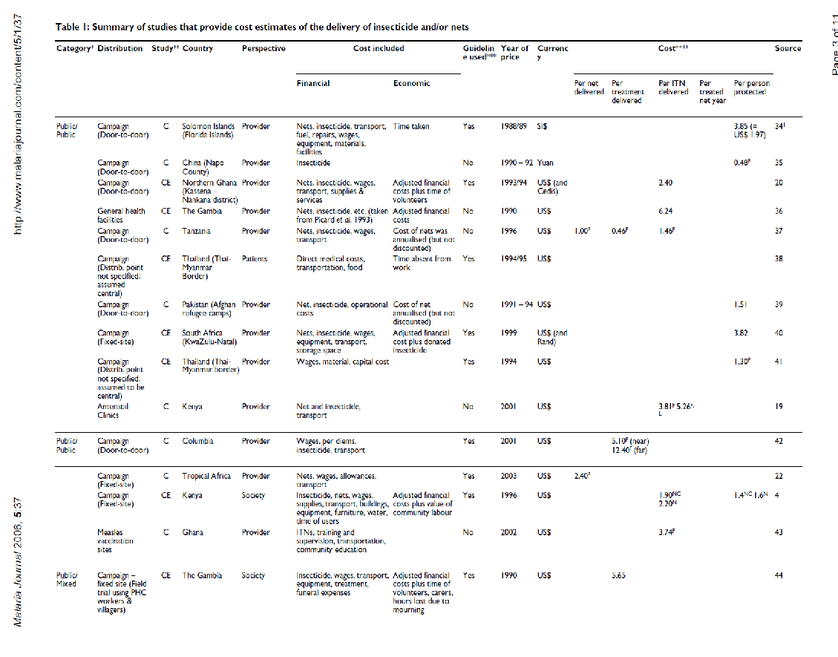

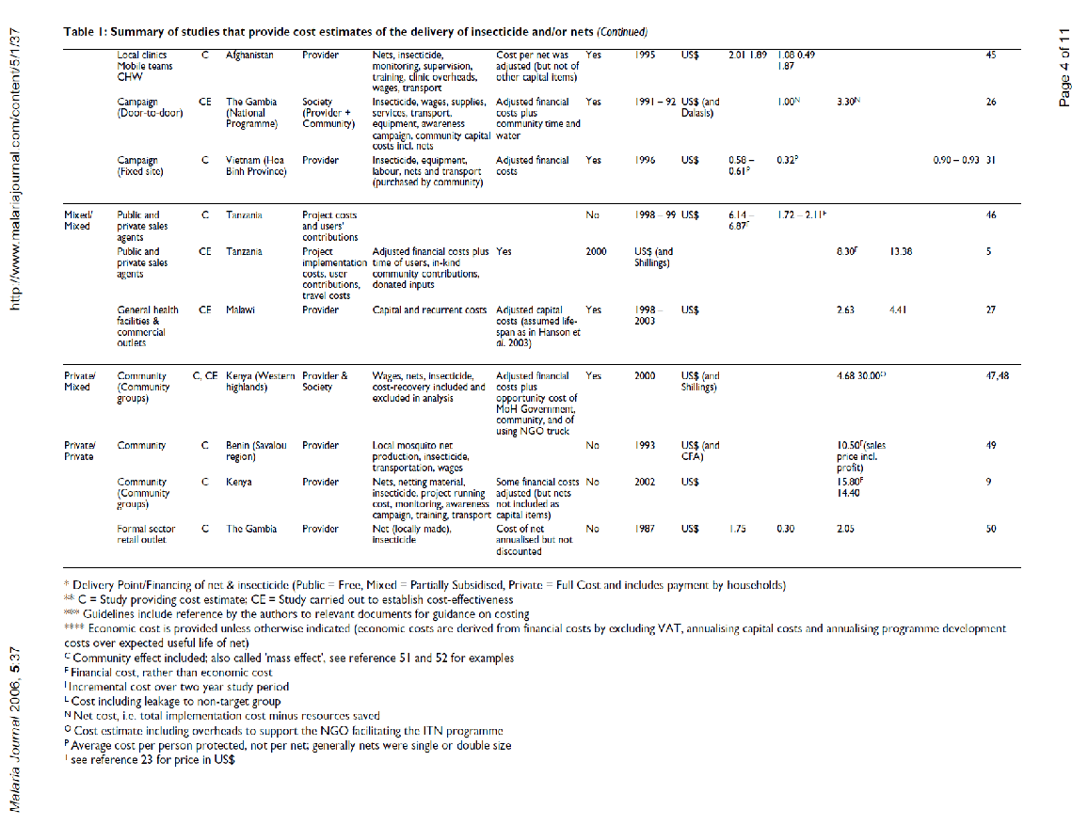

Kolacinski et al.

