A
Length of tweets distribution
 |  | caracters | BIN_ID | count
1 | 5 | 1 to 5 | 1 | 0
6 | 10 | 6 to 10 | 2 | 11447
11 | 15 | 11 to 15 | 3 | 10244
16 | 20 | 16 to 20 | 4 | 31926
21 | 25 | 21 to 25 | 5 | 83224
26 | 30 | 26 to 30 | 6 | 222092
31 | 35 | 31 to 35 | 7 | 314410
36 | 40 | 36 to 40 | 8 | 356555
41 | 45 | 41 to 45 | 9 | 391159
46 | 50 | 46 to 50 | 10 | 448009
51 | 55 | 51 to 55 | 11 | 480459
56 | 60 | 56 to 60 | 12 | 519422
61 | 65 | 61 to 65 | 13 | 612870
66 | 70 | 66 to 70 | 14 | 593654
71 | 75 | 71 to 75 | 15 | 709649
76 | 80 | 76 to 80 | 16 | 691668
81 | 85 | 81 to 85 | 17 | 778912
86 | 90 | 86 to 90 | 18 | 836552
91 | 95 | 91 to 95 | 19 | 899339
96 | 100 | 96 to 100 | 20 | 888406
101 | 105 | 101 to 105 | 21 | 908337
106 | 110 | 106 to 110 | 22 | 938878
111 | 115 | 111 to 115 | 23 | 966976
116 | 120 | 116 to 120 | 24 | 1028550
121 | 125 | 121 to 125 | 25 | 1108591
126 | 130 | 126 to 130 | 26 | 1189901
131 | 135 | 131 to 135 | 27 | 1393375
136 | 140 | 136 to 140 | 28 | 1714504

B
Number of tweets per hour
 |  |  |  | BRASIL HOUR | -3
0 | 1324717 |  |  | 21
1 | 1335522 |  |  | 22 |  | 1:00:00 | 1274876
2 | 1677571 |  |  | 23 |  | 2:00:00 | 733462
3 | 1592418 |  |  | 24 |  | 3:00:00 | 512754
4 | 1274876 |  |  | 1 |  | 4:00:00 | 463271
5 | 733462 |  |  | 2 |  | 5:00:00 | 460629
6 | 512754 |  |  | 3 |  | 6:00:00 | 469869
7 | 463271 |  |  | 4 |  | 7:00:00 | 479094
8 | 460629 |  |  | 5 |  | 8:00:00 | 497403
9 | 469869 |  |  | 6 |  | 9:00:00 | 584556
10 | 479094 |  |  | 7 |  | 10:00:00 | 780445
11 | 497403 |  |  | 8 |  | 11:00:00 | 1041557
12 | 584556 |  |  | 9 |  | 12:00:00 | 1244170
13 | 780445 |  |  | 10 |  | 13:00:00 | 1325675
14 | 1041557 |  |  | 11 |  | 14:00:00 | 1304166
15 | 1244170 |  |  | 12 |  | 15:00:00 | 1359317
16 | 1325675 |  |  | 13 |  | 16:00:00 | 1408453
17 | 1304166 |  |  | 14 |  | 17:00:00 | 1434978
18 | 1359317 |  |  | 15 |  | 18:00:00 | 1522919
19 | 1408453 |  |  | 16 |  | 19:00:00 | 1451945
20 | 1434978 |  |  | 17 |  | 20:00:00 | 1288767
21 | 1522919 |  |  | 18 |  | 21:00:00 | 1324717
22 | 1451945 |  |  | 19 |  | 22:00:00 | 1335522
23 | 1288767 |  |  | 20 |  | 23:00:00 | 1677571
 |  |  |  |  |  | 1900-01-01 00:00:00 | 1592418

 |  |  |  |  |  |  | 25568534

0 | 249314 |  |  | 1:00:00 | 254676
1 | 262475 |  |  | 2:00:00 | 147601
2 | 338845 |  |  | 3:00:00 | 88089
3 | 304552 |  |  | 4:00:00 | 75539
Chart Number of Tweets per day considering only days of the Event
4 | 254676 |  |  | 5:00:00 | 73410
5 | 147601 |  |  | 6:00:00 | 73873
6 | 88089 |  |  | 7:00:00 | 73087
7 | 75539 |  |  | 8:00:00 | 74391
8 | 73410 |  |  | 9:00:00 | 85757
9 | 73873 |  |  | 10:00:00 | 131356
10 | 73087 |  |  | 11:00:00 | 168322
11 | 74391 |  |  | 12:00:00 | 243475
12 | 85757 |  |  | 13:00:00 | 231163
13 | 131356 |  |  | 14:00:00 | 195035
14 | 168322 |  |  | 15:00:00 | 194037
15 | 243475 |  |  | 16:00:00 | 207574
16 | 231163 |  |  | 17:00:00 | 219474
17 | 195035 |  |  | 18:00:00 | 281822
18 | 194037 |  |  | 19:00:00 | 248223 |  |  |  | 0.17356998254 | ONLY 17% dos tweets!!!!
19 | 207574 |  |  | 20:00:00 | 215840 |  |  |  | 21130604
20 | 219474 |  |  | 21:00:00 | 249314
21 | 281822 |  |  | 22:00:00 | 262475
22 | 248223 |  |  | 23:00:00 | 338845
23 | 215840 |  |  | 1900-01-01 00:00:00 | 304552

 |  |  |  |  | 4437930

Number of tweets per hour on days outside the Rio2016Title
 |  |  | 1:00:00 | 1274876 | 254676 |  | 1020200
 |  |  | 2:00:00 | 733462 | 147601 |  | 585861
 |  |  | 3:00:00 | 512754 | 88089 |  | 424665
 |  |  | 4:00:00 | 463271 | 75539 |  | 387732
 |  |  | 5:00:00 | 460629 | 73410 |  | 387219
 |  |  | 6:00:00 | 469869 | 73873 |  | 395996
 |  |  | 7:00:00 | 479094 | 73087 |  | 406007
 |  |  | 8:00:00 | 497403 | 74391 |  | 423012
 |  |  | 9:00:00 | 584556 | 85757 |  | 498799
 |  |  | 10:00:00 | 780445 | 131356 |  | 649089
 |  |  | 11:00:00 | 1041557 | 168322 |  | 873235
 |  |  | 12:00:00 | 1244170 | 243475 |  | 1000695
 |  |  | 13:00:00 | 1325675 | 231163 |  | 1094512
 |  |  | 14:00:00 | 1304166 | 195035 |  | 1109131
 |  |  | 15:00:00 | 1359317 | 194037 |  | 1165280
 |  |  | 16:00:00 | 1408453 | 207574 |  | 1200879
 |  |  | 17:00:00 | 1434978 | 219474 |  | 1215504
 |  |  | 18:00:00 | 1522919 | 281822 |  | 1241097
 |  |  | 19:00:00 | 1451945 | 248223 |  | 1203722
 |  |  | 20:00:00 | 1288767 | 215840 |  | 1072927
 |  |  | 21:00:00 | 1324717 | 249314 |  | 1075403
 |  |  | 22:00:00 | 1335522 | 262475 |  | 1073047
 |  |  | 23:00:00 | 1677571 | 338845 |  | 1338726
 |  |  | 1900-01-01 00:00:00 | 1592418 | 304552 |  | 1287866

------------------------------------------------- |  |  |  | HASHTAGS | ----------------------------------------------------------------------------------------------------------------- |  |  |  |  |  | HASHTAGS | ----------------------------------------------------------

 | most busy Hour: | 2GMT | 23h Brasil

Top 10 Hashtag: |  | Count |  |  |  | LOWERCASE! |  | Hashtags |  | Count
openingceremony |  | 35882 | openingceremony |  |  |  |  | openingceremony |  | 35882
cerimoniadeabertura |  | 36488 | cerimoniadeabertura |  |  |  |  | cerimoniadeabertura |  | 36488
swimming |  | 36636 | swimming |  |  |  |  | swimming |  | 36636
oro |  | 40895 | oro |  |  |  |  | oro |  | 40895
usa |  | 42738 | usa |  |  |  |  | usa |  | 42738
futebol |  | 49357 | futebol |  |  |  |  | futebol |  | 49357
bra |  | 50250 | bra |  |  |  |  | bra |  | 50250
gold |  | 68119 | gold |  |  |  |  | gold |  | 68119
olympics |  | 91735 | olympics |  |  |  |  | olympics |  | 91735
rio2016 |  | 1448262 | rio2016 |  |  |  |  | rio2016 |  | 1448262

 |  | most busy Hour: | 2GMT | 23h Brasil
Top 10 Hashtag: |  |  |  |  | LOWERCASE! Days of Event only!
juegosolimpicos |  | 6789
swimming |  | 7819
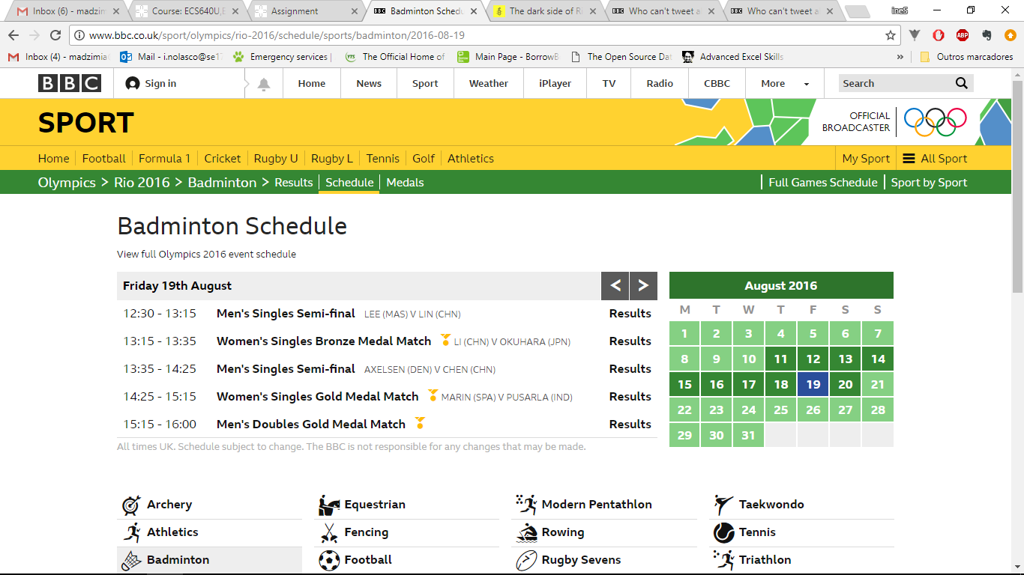
teamusa |  | 8478
usa |  | 10683
oro |  | 11180
gold |  | 14537
olympics |  | 20772
openingceremony |  | 32881
cerimoniadeabertura |  | 33463
rio2016 |  | 292506

Top 10 Hashtag: |  |  | at 12 am |  | LOWERCASE days of event only during 12am
usa |  | 3994
bra |  | 4332
chn |  | 4363
rowing |  | 5047
silver |  | 7503
gold |  | 7577
olympics |  | 13882
mas |  | 18997
badminton |  | 20802
rio2016 |  | 207765

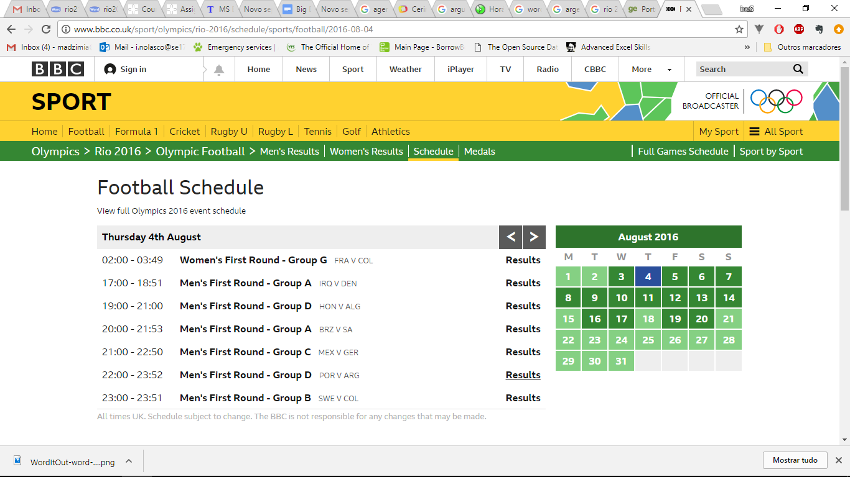
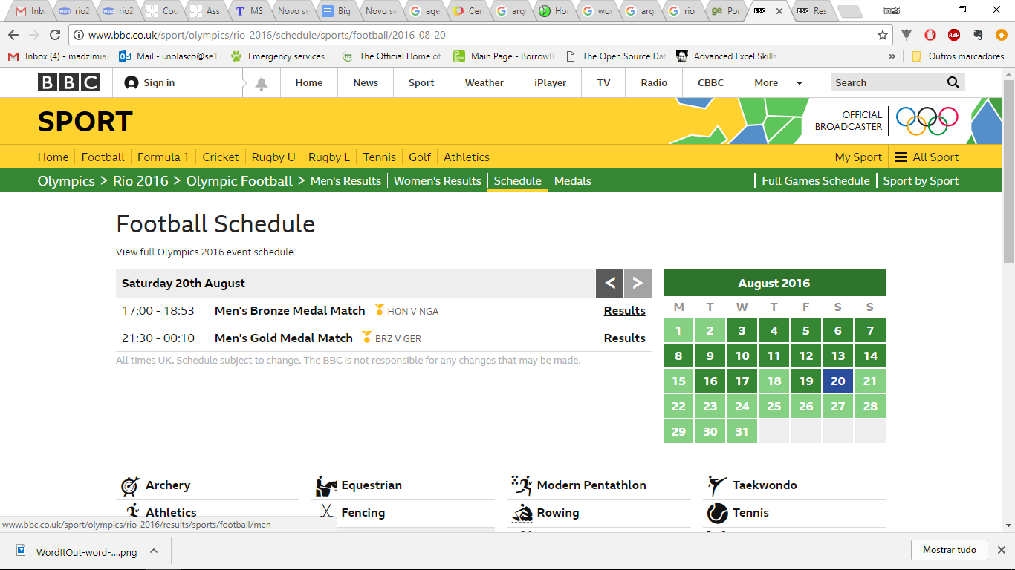
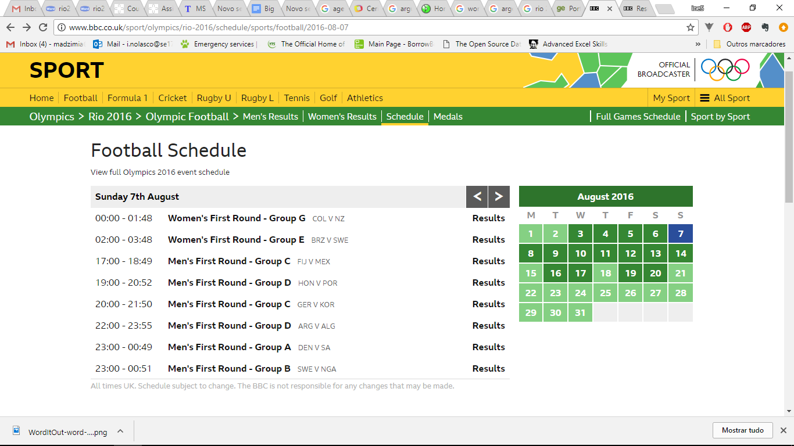
Top 10 Hashtag: |  |  | at 18 am |  | LOWERCASE days of event only during 12am
juegosolimpicos |  | 7727
gold |  | 9052
oro |  | 9802
judo |  | 11342
olympics |  | 12578
tenis |  | 12763
bra |  | 13895
arg |  | 16641
futebol |  | 16674
rio2016 |  | 245519

