Overview
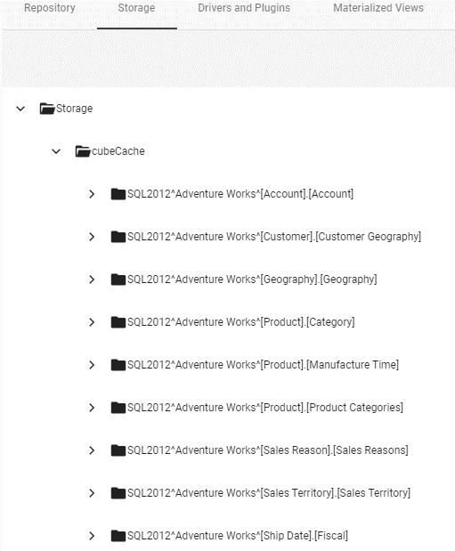
Analysis:

 | 1. CubeCache 存储在Storage\cubecache中
 | //重启或者重新binding 都不会重新生成cache,如果cache导致的错误, 需要在storage里删除

VSUI
//only about vs binding cube source directory,

1. VS Tree
 | CheckPoint:
 | 1.1 Load all db cubes tree successfully, the tree structure is: Cube("Dimension"(Dimension(Hierachy(Level))), "Measure"(Measure))
 | 1.2 Cube name, Dimensions under same Cube, Hierachies under same Dimension, Measures under same Cube sort asc |  |  |  |  |  |  |  | //no needcase
 | 1.3 When open Binding pane, the binding cube should be expaned auto.
2. Chart
 | CheckPoint:
 | 2.1 Chart binding tree |  |  |  |  |  | need Auto and Manual Case
 | 2.2 in Data/Visual pane,measure 'Edit Measure' icon status: |  |  |  |  | ****** | //see Bug #22642, from dev
 | 1) for sql server cube source, is enable. |  |  |  |  |  | for cube source measure, should only support edit measure for sqlserver cube.
 | -- Aggregate type is enable |  |  | //其他的agg type是无意义的, 只要不抛错即可 |  |  | Only sqlserver olap can support to edit its aggregate formula.
 | -- Trend and Comparison is disable |  |  |  |  |  | disabled edit measure icon for other cube, such as logic model cube and no-sqlserver cube.
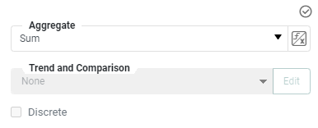
 | -- Discrete is disable

 | 2) for other db, and lm cube source, no 'Edit Measure' icon

 | 3)for calcfield measure, Aggregate is disable. |  |  | //由于calcfield measure本身就已经带有formula, 再做formula意义不大, 还容易引起topN 不工作. See Bug #59790

 | 2.3 in runtime model, chart binding tree only display it binds cube
 | (Show cube, dimension, hierachy, level and measure's caption, if caption is null, show name.)

 | 2.4 properties
 | 1) Hierarchy didn't support
 | 2) Date be treat as string, so date type target line didn't support

3. Crosstab
 | CheckPoint:
 | 3.1 Crosstab binding tree
 | 3.2 Edit Measure Icon status: |  |  | // see Bug #48915 |  | ****** | need Auto and Manual Case
 | 1) for sql server cube, Edit Measure is enable
 | -- Aggregate type is enable |  | //其他的agg type是无意义的, 只要不抛错即可
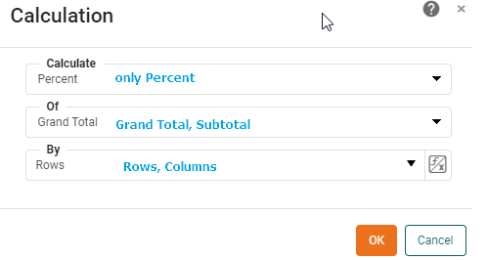
 | -- Trend and Comparison is enable, only load Percent Of GrandTotal|SubTotal, Custom..
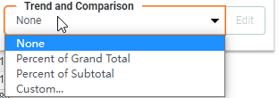

 |  |  |  |  | if you click custom.. To open Calculation dialog

 | 2) for other db, and lm cube source, no 'Edit Measure' icon

 | 3)for calcfield measure, Aggregate is disable. |  |  | //由于calcfield measure本身就已经带有formula, 再做formula意义不大, 还容易引起topN 不工作. See Bug #59790
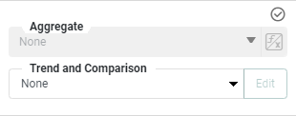

 | 2.3 in runtime model(portal side), chart binding tree only display it binds cube

4. SelectionList and Selection Tree
 | CheckPoint:
 | 1) Selection List Property/Data pane, cube tree can't load measures
 | -- Measure load all measure. Aggregate is disable
 | 2) Selection Tree Property Data pane
 | a. for Columns: | only load Dimension, cube tree can't load measure
 |  | measure load all mesure, Aggregate is disable
 | b. For PC: | didn't load cube
 |  |  |  |  |  | Check
 | Add diff level | 添加顺序顶层到底层的规则 |  |  |  | add successful
 |  | one or multi high level didn't add in, add low level |  |  |  | You must add all higher levels of the dimension first.
 | Level Pane | selected Highest level and medium level |  |  |  | only Add is enable, others is disable
 |  | selected lowest level |  |  |  | Add and Delete isenable, others is disable
 |  |  |  |  |  | -- click Delete, the item level be delete
 |  |  |  |  |  | didn't selected multi

5. RangeSlider |  | //didn't support adhoc filter. |  |  | //一直都这样, 放开觉的危险, 暂时保持原来的行为
 | CheckPoint:
 | 5.1 in RangeSlider Properties/Data pane - single value mode, Cube tree can't load measures
 | -- binding All, 显示的是所有的值, |  |  |  | see Issue #60865
 | -- in 'Advance' pane options disply as: 'Slider Size' type is Member,and this combobox is disable; 'Min Range Size' & 'Logarithmic Scale' disable |  |  |  |  |  |  |  |  | Ignore

 | 5.3 in RangeSlider Properties/Data pane - composite value mode, 'Table' pane cannot load cubes tree
 | -- in 'Advance' pane options disply as: 'Slider Size' type is Member Min|Max Increment is disable, Logarithmic Scale is disable

 | special:
 | rangeSlider binding Crosstab and Chart Agg

6. Calendar |  | //didn't support binding cube
7. CheckBox/RadioButton/Combobox |  |  |  | //didn't support binding cube

8. OutPut: Text,Image,Gauge
 | CheckPoint:
 | 8.1 in output Proeprties/Data pane- Table Load cube node. Only show cube name.
 |  | Table | None, Cubes\Cube name
 |  | Column | load all measure item
 |  | Aggregate | None, Sum… |  | //same with Crosstab Agg type. See 'ForAggOfMeasure' sheet |  |  | Issue #59708
 |  | With | disabled
 |  | As is… | enable, and work well

ForGroupAndAgg
1.VS和WS不同element级别对Aggregate type的支持 |  |  |  |  |  |  | //Issue #59708 之后, Chart与Crosstab使用的formula一致
 | Note:
 | 1) WS 不同agg type时,进行的是post处理. 所以不同aggregate type 邮件mdx语句是相同的
 | --WS 拿到数据之后,会进行post处理, 但是VS是直接交给Cube db处理, 所以数据不一样
 | 2) VS上如果Aggregate 是None, cube处理. 如果是其他的aggregate type, 也是post处理

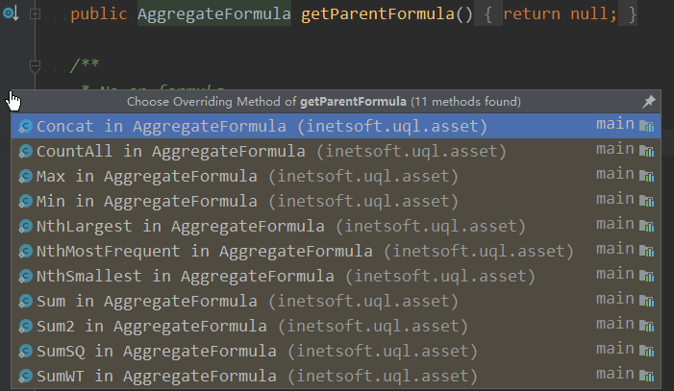
 | Aggtype |  | WS | Check | Crosstab|Output|Chart | Check
 | None |  | × |  | √ |  |  | AoA: 支持merge. 就会merge的Aggregate 类型. getParentFormula 非null
 | sum |  | √ |  | √
 | average |  | √ |  | √
 | Aggregate |  | × |  | √
 | max |  | √ |  | √
 | min |  | √ |  | √
 | count |  | √ |  | √
 | distinct count |  | √ |  | √
 | first … by |  | √ |  | ×
 | last |  | √ |  | ×
 | std devitation |  | √ |  | √ | crosstab|Chart: no data??
 | variance |  | √ |  | √ | crosstab|Chart: no data??
 | std devitation(pop) |  | √ |  | √ | crosstab|Chart: no data??
 | variance(pop) |  | √ |  | √ | crosstab|Chart: no data??
 | correlation … by |  | √ |  | ×
 | covariance |  | √ |  | ×
 | median |  | √ |  | √ | data same with none
 | mode |  | √ |  | ×
 | weight average … with |  | √ |  | ×
 | product |  | √ |  | ×
 | concat |  | √ |  | ×
 | nthLargest by |  | √ |  | ×
 | nthSmallest |  | √ |  | ×
 | nthMostFrequent |  | √ |  | ×
 | pthPercentile |  | √ |  | ×

2. VS上Aggregate的一些规则说明 |  |  |  |  |  |  |  | 非aoa: 肯定会post

 | 2.1. 关于Chart,Crosstab上Aggregate的计算分析:
 | Chart和Crosstab上的Aggregate 是post处理的. 是基于孩子进行Aggregate. 如下:
 | 1) 如果没有孩子,cube里原始数据只有一个值, 那么None,Sum,Average,Min, Max是相同的
 | 2) 如果有孩子,对当前group进行计算,是在孩子的基础上进行. 如下:
 | // 普通的数据孩子和group是一样的, 因此计算的结果也是一样的, 但是cube会有不同
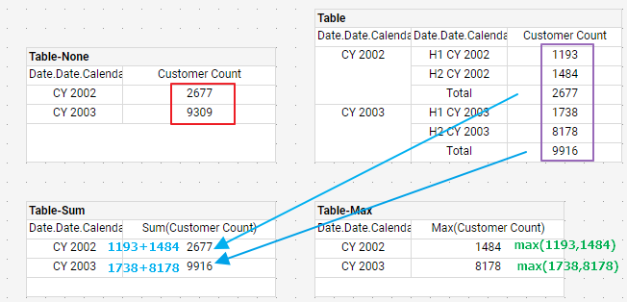

 | 2.2 关于Group Options

 | 1) Crosstab和Chart 不支持name group.
 | //crosstab 不支持, chart 在composer 端不支持,但是在portal 端支持. 但是设置之后TopN无效. From 13.7 forbid it, Issue #59722 禁掉

 | 2.3 关于CalcField Measure
 | 1) 由于calcfield measure本身就已经带有formula, 再做formula意义不大, 还容易引起topN 不工作. Disable Aggregate |  |  |  |  |  |  |  | change from 13.7, See Bug #59790

 | 2)show detail on calcfield measure
 | 原来的行为:Show detail 的时候,Dialog显示空白, 抛mdx错误 |  |  |  |  |  | //本来想改为show info. 但是不好判断, 暂时Ignore See Bug #59947

 | 2.4 相同的measure,不同的Aggregate 组合, 有可能导致TopN 不工作 |  |  |  |  |  | Issue #60046
 |  | 1） 相同的aggregate |  |  | ok
 |  | 2） None和其他的 |  |  | ok
 |  | 3） 非None的其他组合 |  |  | Issue #59948 |  | chart不对, crosstab是ok的
 |  | Case: see Binding / 4.7 Same Measure use Diff Aggregate type

 | 2.5

