FreeTesting_Suggestion
Suggest:

 | 1.Cube data数据measure(None)也比较有意义

 | 2.Olap data的formula种比JDBC数据库多一个aggregate option,关于这个formula的理解

 | https://www.freesion.com/article/37731037300/ |  |  |  | 这篇文档对于mdx种的aggregate比较好理解，可以查看

 | Aggregate (MDX)
 | 返回一个数字，该数字是通过对集表达式返回的单元进行聚合而算出的。 如果未提供数值表达式，此函数将使用为每个度量值指定的默认聚合运算符来聚合当前查询上下文中的每个度量值。 如果指定了数值表达式，此函数将先计算指定集中的每个单元的数值表达式，然后再求和。
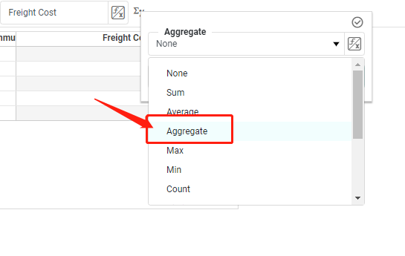

 | 官方对于formula(Aggregate)的解释

 | https://docs.microsoft.com/zh-cn/sql/mdx/aggregate-mdx?view=sql-server-ver15

 | 3. For Manual
 | // 建议使用Auto环境中的case, 尽可能多的做Action.

 | 1) Interactive
 |  | Chart: | drill down|up, Drill down|up filter, adhoc filter, brush, zoom, exclude, show detail. Show summary
 |  | Crosstab | drill down|up, Drill down|up filter, adhoc filter, Show summary
 |  | Filter: | singel selected, multi selected

 | 2) 一些Action, 没有case, 需要自行设计覆盖 |  |  | ******
 |  | DataView
 |  | FlyOver
 |  | share Filter

