AutoDrill-UI
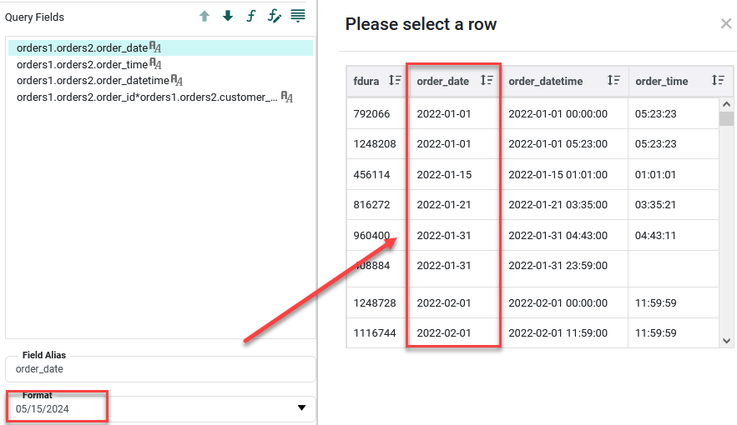
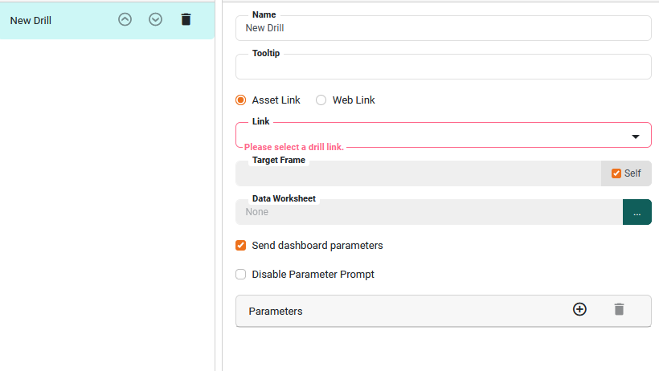
1. Auto Drill |  | //can defined on Model, Worksheet
 | Name:
 | Tooltip: |  | 移动到有autodrill的cell上时显示tooltip,如果当前cell有多个tooltip. 那么用/分隔

 | linkType |  | Web Link
 |  |  | Asset Link | vs(only link to home or default bk, didn't select bookmark)
 | Data Worksheet: |  | selected a worksheet to pass value. |  | //如果worksheet的col有format,format不会应用到pop sub worksheet col.
 |  |  | data worksheet type
 |  |  | datarange column
 |  |  | number column
 |  |  | formula
 |  |  | rotate column
 |  |  | unpivot column
 |  |  | group and aggregate column
 |  |  | join table column
 |  |  | concatenate table column
 |  |  | crosstab table column

 | Send dashboard Parameter: |  | send vs parameter |  | //仅仅send parameter, vs的selection 不会send
 | Disabled Parameter Prompt: |  | link到asset,asset不会pop self的parameter
 | Parameters |  | Fields | this.column
 |  |  |  | worksheet field name | //worksheet is mixed table
 |  |  | Constant | String
 |  |  |  | Boolean
 |  |  |  | date,datetime,time
 |  |  |  | Float,double,Interger,Long
 |  |  |  | Character,Byte,Short.

2. Format |  | //can defined on model and worksheet
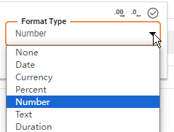
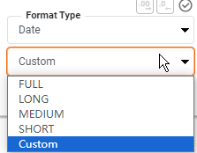
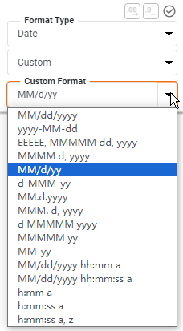

 | Special:
 | 1. 如果worksheet作为autodrill 的data worksheet, popup的时候, 不apply format

